Design worksheet
 |  | ADM1278 Hot Swap Designer
 |  | Revision 2.99 |  |  |  | © Marcus O Sullivan, Analog Devices. | marcus.osullivan@analog.com

 |  |  |  |  |  | Beta - Although the tool has been used and designs verified many times it is not fully tested.
 |  |  |  |  |  | Final design should be independently verified for absolute acuracy.

 | Please enter the data in the white cells:

Tolerancing on Sigma: |  | Full Datasheet specs

 | ADM p/n | ADM1278
 |  |  |  |  |  |  |  | Warning: Selecting these options provides tolerance and specification data that is not guaranteed by ADI. Please choose the first options to comply with ADM1278 datasheet specifications. Other options should be used at your own risk!
1 | System Specifications
 | Enter the system design specifications into this section.

 | Vmin | 11.4 | V |  |  | Minimum Supply voltage (lower tolerance). This is not UV spec!
 | Vmax | 12.6 | V |  |  | Maximum Supply voltage (higher tolerance). This is not OV spec!
 | Vnom | 12 | V |  |  | Nominal Supply Voltage
 | Imax |  | A |  |  | Maximum system load current
 | I_CB | 70 | A |  |  | Circuit breaker trip current. Usually some % higher than Imax.
 | I powerup | 0.05 | A |  |  | DC Current demanded by load during cap charge (Excluding Inrush). E.g. Bias currents etc.
 | Rpowerup | 1000 | Ohm | (0.0A @Vnom) |  | Total parallel static resistance on Vout E.g. LEDs, Resistor strings etc.
 | Ta Max | 60 | C |  |  | Maximum Ambient temperature of system near FET locations
 | Cload | 100 | uF |  |  | Total load capacitance
 | C tolerance |  | % |  |  | Tolerance on load capacitance
 | max C | 100 | uF |  |  | Max capacitance
 | Min C | 100 | uF

2 | UV Pin threshold

 | Vuv | 10.17 | V |  |  | Select desired undervoltage falling threshold

 | Tolerance | E96 (1%) |  |  |  | Choose preferred resistor tolerance options
 | R1 approx | 4.99E+04 | Ohm |  |  | Enter any approximate value for the top resistor
 | R1 chosen | 49900 | Ohm |  |  | Calculated closest available top resistor
 | R2 chosen | 6040 | Ohm |  |  | Calculated closest available bottom resistor
 | R2 override? | 6.04E+03 | Ohm |  |  | Enter a value here to overide the suggested value. Leave blank otherwise
 | WARNING: R2 Override in place. Value is not calculated. Delete override if not intended
 | R tolerance | 1.00 | % |  |  | Resistor Tolerance
 | Expected design:
 | UV min F | 9.00 | V |  |  | Falling minimum threshold
 | UV typ F | 9.26 | V |  |  | Falling typical threshold
 | UV max F | 9.52 | V |  |  | Falling maximum threshold
 | hyst typ | 60.00 | mV |  |  | Hysteresis

 | UV min R | 9.50 | V |  |  | Rising minimum threshold
 | UV typ R | 9.82 | V |  |  | Rising typical threshold
 | UV max R | 10.17 | V |  |  | Rising maximum threshold
 |  | 0.56
 | Filter capacitor | 0.00 | nF |  |  | Optional filter capacitor to filter transient UV conditions. Set to 0 if not required
 | RC time constant | 0.00 | us |  |  | RC time constant of selected capacitor and UV divider

3 | OV Pin threshold

 | Vov | 15 | V |  |  | Select desired overvoltage rising threshold

 | Tolerance | E96 (1%) |  |  |  | Choose preferred resistor tolerance options
 | R1 approx | 49900 | Ohm |  |  | Enter any approximate value for the top resistor
 | R1 chosen | 49900 | Ohm |  |  | Calculated closest available top resistor
 | R2 chosen | 3320 | Ohm |  |  | Calculated closest available bottom resistor
 | R2 override? | 3320 | Ohm |  |  | Enter a value here to overide the suggested value. Leave blank otherwise
 | WARNING: R2 Override in place. Value is not calculated. Delete override if not intended
 | R tolerance | 1.00 | % |  |  | Resistor Tolerance
 | Expected design:
 | OV min R | 15.58 | V |  |  | Rising minimum threshold
 | OV typ R | 16.03 | V |  |  | Rising typical threshold
 | OV max R | 16.50 | V |  |  | Rising maximum threshold

 | hyst max | 60.00 | mV |  |  | Hysteresis
 | OV min F | 14.60 | V |  |  | Falling minimum threshold
 | OV typ F | 15.07 | V |  |  | Falling typical threshold
 | OV max F | 15.58 | V |  |  | Falling maximum threshold

 | Filter capacitor | 0.00 | nF |  |  | Optional filter capacitor to filter transient OV conditions. Set to 0 if not required
 | RC time constant | 0.00 | us |  |  | RC time constant of selected capacitor and OV divider

4 | Current Limit Settings
 | Sense Voltage Drop Requirements
 | Please set this to 20mV to begin with. Should the resulting current limit need to be tweaked then adjust vsense as required.

 | Target vsense | 20 | mV |  |  | Desired max sense voltage drop for circuit breaker. 20mV default will disable divider on ISET and use internal ref. ISET pulled up to VCAP
 | Calculated | 18.3462 | mV |  |  | Recommended 15-25mV range. Can be adjusted from 5 to 25mV but better accuracy with higher limit

 | You do not need to adjust the following as 20mV has been selected and internal reference used… move to next section |  |  |  |  |  |  | Parallel Calculator
 | Tolerance | E96 (1%) |  |  |  | Choose preferred resistor tolerance options |  | R1 | 21200
 | R1 approx | 41200 | Ohm |  |  | Enter any approximate value for the top resistor |  | R2 | 270000
 | R1 chosen | 41200 | Ohm |  |  | Default 10K ISET pullup selected to enable internal 20mV reference |  | // | 19656.593407
 | R2 chosen | 21200 | Ohm |  |  | Bottom resistor should not be populated
 | R2 override? | 21200 | Ohm |  |  | Enter a value here to overide the suggested value. Leave blank otherwise
 | WARNING: R2 Override in place. Value is not calculated. Delete override if not intended
 | R tolerance | 1.00 | % |  |  | Resistor Tolerance
 | String current | 0.10 | uA |  |  | VCAP loading current
 | Total VCAP current | 42.77 | uA

 | Sense R | 0.23671127583 | mR |  |  | Ideal sense resistor value to achieve trip current set above
 | imbalance | 10 | % |  |  | margin for resistor current imbalance used for resistor power rating only
 | Now select actual resistors to achive close to target |  |  | Power
 | Rsense1 | 5 | mR | 0.075 | W | Sense Resistor value, power dissipation also shown |  |  | 1
 | Rsense2 | 100 | mR | 0.004 | W | Sense Resistor value (leave blank if not used), power dissipation also shown |  |  | 1
 | Rsense3 |  | mR |  | W | Sense Resistor value (leave blank if not used), power dissipation also shown |  |  | 0
 | Rsense4 |  | mR |  | W | Sense Resistor value (leave blank if not used), power dissipation also shown |  |  | 0
 | No.SenseR | 2 |  |  |  | No of parallel sense resistors required(up to 4). If more required then please group some resistor as parallel
 |  |  |  | Power
 | SenseR total | 4.7619047619 | mR | 0.071 | W | Total Sense Resistor value, power dissipation also shown(worst case)
 | tolerance | 1 | %
 | Averaging resistors:
 | Value | 10 | Ω |  |  | averaging resistors (10 ohm recommended)
 | tolerance | 1 | %
 | no required | 4 |  |  |  | number required

 | Worst case current thresholds |  |  | Vsense

 | Min DC | 3.430393 | A | 16.57 | mV | This is the minimum DC current that would cause the cct breaker to trip
 | Max DC | 3.920834 | A | 18.40 | mV | This is the maximum DC current that would cause the cct breaker to trip
 | Min Reg | 3.662264 | A | 17.69 | mV | Minimum regulation current
 | Max Reg | 4.048670 | A | 19.00 | mV | This is the maximum peak current when in regulation (only present during TIMER cycle)

 | Nominal Figures
 | I CB | 3.667892 | A | 17.47 | mV | Circuit breaker trip point
 | I Reg | 3.852692 | A | 18.35 | mV | Regulation current

 | % tolerance on Vcb |  | ± 6.69 | % |  | Circuit breaker threshold
 | % tolerance on Vreg |  | ± 5.01 | % |  | Current regulation point

5 | Fet Selection
 | Select a suitable MOSFET and complete the white cells. Adjust RDSon and Qty to achieve desired maximum Tj and Tc

 | FET P/N |  | PSMN0R9-25YLC
 | Package Type |  | LFPAK
 | Thermal resistance J-A |  | 40 | K/W(C/W)** | Junction to Ambient thermal resistance of FET and PCB. Air flow to be considered also!
 | Max DC Current |  | 3.9208343434 | A |  | Enter number here to override max DC current
 | Max datasheet RDSON |  | 0.47 | mR | Enter the maximum specified Rdson @ Vgs=10V and T=25C

 | The maximum specified Rdson @ T=25 need to be temperature derated. Check the Ron temperature TPC on Mosfet datasheet:
 | TC temp |  | 100 | C | Select a temperature to determine maximum derate. Use max PCB temp perhaps.
 | Rdson TC |  | 1.5 |  | Enter TC factor here from where TC temp intersects. (1.4 default if blank)

 | FET RDSon (at hot) |  | 0.705 | mR | Worst case including TC
 | No of FET |  | 3 |  | Quantity of FETs used
 | Total RDSon |  | 0.235 | mR | RDSon derating can be verified form datasheet TPC (rdson v temp)
 | Vdrop |  | 0.0010135356778 | V
 | DC current each FET |  | 1.3069447811 | A
 | Tolerance |  | 10 | % | ~5-10% To account for some margin of errors; only used with multiple FETS - ignored with single as 0 is used
 | Add margin to DC |  | 1.4376392593 | A | Note: Fets will naturally share current due to Rdson temp coeff… however in some cases trace impedance can influence
 | Power through each FET |  | 0.001457098681 | W
 | total power |  | 0.0043712960431 | W
 | Ambient system temperature |  | 60 | C | Maximum specified in section 1
 | Max FET junction temp |  | 175 | C | Maximum datasheet specified junction temperature of MOSFET

 | Temp Rise expected |  | 0.058283947241 | C | Predicted max Tj at worst case max DC load
 | Maximum Tj |  | 60.06 | C | Maximum predicted junction temp based on above parameters

 | Maximum PCB temp |  | 110 | C | Maximum preferred system PCB temp
 | Thermal resistance J-C |  | 1 | K/W(C/W) | Junction to Case thermal resistance
 | Case temperature |  | 60.06 | C | Estimated case temperature at maximum DC load

 | Enter Vth min and max of MOSFET selected
 | Vth min |  | 1 | V | Min Vgsth at 25C
 | Vth max |  | 2.2 | V | Max Vgsth at 25C
 | Gate - Drain Capacitances
 | Crss min |  | 168 | pF | From datasheet TPC, select Crss at max Vout of this design
 | Crss max |  | 168 | pF | From datasheet TPC, select where Crss intersects the y axis
 | Ciss max |  | 8960 | pF | From ds spec or TPC

 | * The units of Kelvin are equal to the units of Celsius. Therefore terms are used interchangeably on some datasheets
 | * 2Oz Copper should be used where available on FET footprint and cooling area for greater heat transfer

6 | Determine thermal power derating factors

 | TmaxJ |  | 175 | C |  | Max junction temp spec of FET
 | Worst case case temp |  | 60.06 | C |  | cast temp at worst case Tj
 | De-rating Factor |  | 1.3049926837 |  |  | Worst case Tj derating factor. This number will be applied to all SOA checks

8 | SOA

**** | ACTION REQUIRED - click here to populate SOA table |  |  |  |  | Enter SOA data

 | Next an SOA time must be selected to design around. Start at 1000µs. The goal is to have a reasonable range on PSET below. Majority of designs will use 1ms.
 | Select SOA line | 1000 | µs |  |  | This is an iterative process depending on errors shown as you work through the tool

 | Max I @Vmax | 35 | A |  |  | Calculated current at V and t intersect from entered SOA data
 | derated | 26.820073735 | A
 | derated P | 305.74884058 | W

9 | PSET
 | PSET min clamp | 0.33 | A |  |  | Hypothetical if PSET was set too low and clamp was active
 | ICBos | 0.24 | A
 | PSET min clamp ICB | 0.09 | A

 | PSET min clamp | 4 | W
 | PSET max clamp | 6 | W
 | PSET max SOA | 306 | W
 | PSET max system | 44 | W

 | FYI: In this design case the PSET pin is limited and cannot reach the maximum SOA power allowed!
 | Select a power limit between 6 |  | W and 44 W |  |  | This is the range of power levels calculated. FET is not suitable if there is inadequate margin in this range.
 | Power limit | 25 | W |  |  | Select a value close to centre of range to allow margin

 | PSET Target | 0.74404761905 | V |  |  | Target PSET voltage

 | Tolerance | E96 (1%) |  |  |  | Choose preferred resistor tolerance options
 | R1 approx | 100000 | Ohm |  |  | Enter any approximate value for the top resistor
 | R1 chosen | 100000 | Ohm |  |  | Calculated closest available top resistor
 | R2 chosen | 38300 | Ohm |  |  | Calculated closest available bottom resistor
 | R2 override? |  | Ohm |  |  | Enter a value here to overide the suggested value. Leave blank otherwise

 | R tolerance | 1.00 | % |  |  | Resistor Tolerance
 | String Current | 19.67 | uA |  |  | VCAP current load
 | Total VCAP current | 42.77 | uA

 | PSET | 0.748 | V |  |  | Falling typical threshold
 | PWR min | 24.134
 | PWR | 25.123 | W
 | PWR max | 26.141

 | min | 1.92
 | PSET I @ Vin | 2.09 | A
 | max | 2.29
Startup Profile inc tolerances
 | Cct Breaker min | ISTART CB min | Inrush min | Inrush max | Cct breaker max | ISTART CB max | VOUT
0.00 | 1.68 | 1.30 | 0.00 | 0.00 | 2.17 | 1.71 | 0.00
0.07 | 1.70 | 1.30 | 0.23 | 0.39 | 2.19 | 1.71 | 0.13
0.14 | 1.72 | 1.30 | 0.23 | 0.39 | 2.22 | 1.71 | 0.25
0.21 | 1.74 | 1.30 | 0.23 | 0.39 | 2.24 | 1.71 | 0.38
0.28 | 1.76 | 1.30 | 0.23 | 0.39 | 2.27 | 1.71 | 0.51
0.35 | 1.78 | 1.30 | 0.23 | 0.39 | 2.29 | 1.71 | 0.64
0.42 | 1.80 | 1.30 | 0.23 | 0.39 | 2.32 | 1.71 | 0.76
0.49 | 1.82 | 1.30 | 0.23 | 0.39 | 2.34 | 1.71 | 0.89
0.56 | 1.85 | 1.30 | 0.23 | 0.39 | 2.37 | 1.71 | 1.02
0.63 | 1.87 | 1.30 | 0.23 | 0.39 | 2.40 | 1.71 | 1.15
0.70 | 1.89 | 1.30 | 0.23 | 0.39 | 2.43 | 1.71 | 1.27
0.77 | 1.92 | 1.30 | 0.23 | 0.39 | 2.46 | 1.71 | 1.40
0.84 | 1.94 | 1.30 | 0.23 | 0.39 | 2.49 | 1.71 | 1.53
0.91 | 1.97 | 1.30 | 0.23 | 0.39 | 2.52 | 1.71 | 1.65
0.98 | 1.99 | 1.30 | 0.23 | 0.39 | 2.55 | 1.71 | 1.78
1.05 | 2.02 | 1.30 | 0.23 | 0.39 | 2.58 | 1.71 | 1.91
1.12 | 2.05 | 1.30 | 0.23 | 0.39 | 2.61 | 1.71 | 2.04
1.19 | 2.07 | 1.30 | 0.23 | 0.39 | 2.64 | 1.71 | 2.16
1.26 | 2.10 | 1.30 | 0.23 | 0.39 | 2.68 | 1.71 | 2.29
1.33 | 2.13 | 1.30 | 0.23 | 0.39 | 2.71 | 1.71 | 2.42
1.40 | 2.16 | 1.30 | 0.23 | 0.39 | 2.75 | 1.71 | 2.55
1.47 | 2.19 | 1.30 | 0.23 | 0.39 | 2.79 | 1.71 | 2.67
1.54 | 2.22 | 1.30 | 0.23 | 0.39 | 2.82 | 1.71 | 2.80
1.61 | 2.26 | 1.30 | 0.23 | 0.39 | 2.86 | 1.71 | 2.93
1.68 | 2.29 | 1.30 | 0.23 | 0.39 | 2.90 | 1.71 | 3.05
1.75 | 2.32 | 1.30 | 0.23 | 0.39 | 2.94 | 1.71 | 3.18
1.82 | 2.36 | 1.30 | 0.23 | 0.39 | 2.99 | 1.71 | 3.31
1.89 | 2.40 | 1.30 | 0.23 | 0.39 | 3.03 | 1.71 | 3.44
1.96 | 2.43 | 1.30 | 0.23 | 0.39 | 3.07 | 1.71 | 3.56
2.03 | 2.47 | 1.30 | 0.23 | 0.39 | 3.12 | 1.71 | 3.69
2.10 | 2.51 | 1.30 | 0.23 | 0.39 | 3.17 | 1.71 | 3.82
2.17 | 2.55 | 1.30 | 0.23 | 0.39 | 3.21 | 1.71 | 3.95
2.24 | 2.59 | 1.30 | 0.23 | 0.39 | 3.26 | 1.71 | 4.07
2.31 | 2.63 | 1.30 | 0.23 | 0.39 | 3.32 | 1.71 | 4.20
2.38 | 2.68 | 1.30 | 0.23 | 0.39 | 3.37 | 1.71 | 4.33
2.45 | 2.72 | 1.30 | 0.23 | 0.39 | 3.42 | 1.71 | 4.45
2.52 | 2.77 | 1.30 | 0.23 | 0.39 | 3.48 | 1.71 | 4.58
2.59 | 2.82 | 1.30 | 0.23 | 0.39 | 3.54 | 1.71 | 4.71
2.66 | 2.87 | 1.30 | 0.23 | 0.39 | 3.60 | 1.71 | 4.84
2.73 | 2.92 | 1.30 | 0.23 | 0.39 | 3.66 | 1.71 | 4.96
2.80 | 2.98 | 1.30 | 0.23 | 0.39 | 3.72 | 1.71 | 5.09
2.87 | 3.03 | 1.30 | 0.23 | 0.39 | 3.79 | 1.71 | 5.22
2.94 | 3.09 | 1.30 | 0.23 | 0.39 | 3.86 | 1.71 | 5.35
3.01 | 3.15 | 1.30 | 0.23 | 0.39 | 3.92 | 1.71 | 5.47
3.08 | 3.21 | 1.30 | 0.23 | 0.39 | 3.92 | 1.71 | 5.60
3.15 | 3.27 | 1.30 | 0.23 | 0.39 | 3.92 | 1.71 | 5.73
3.22 | 3.34 | 1.30 | 0.23 | 0.39 | 3.92 | 1.71 | 5.85
3.29 | 3.41 | 1.30 | 0.23 | 0.39 | 3.92 | 1.71 | 5.98
3.36 | 3.43 | 1.30 | 0.23 | 0.39 | 3.92 | 1.71 | 6.11
3.43 | 3.43 | 1.30 | 0.23 | 0.39 | 3.92 | 1.71 | 6.24
...
 | min ICB PSET | 1.68 | A
 | typ ICB PSET | 1.91 | A
 | max | 2.17 | A
 | derated max | 2.99 | A |  |  | Calculated worse case derated current due to power limit

**** | ACTION REQUIRED - Click here to go back to SOA and check where Vin insertects:
 | SOA current: | 2.99 | A |  |  | Check SOA for actual power limit programmed
 | powerup SOA | 600.00 | us
 | WARNING - SOA is less than designed to previously in SOA section. Please revisit the design!

7 | Vout ramp time

 | Adding capacitance on the gate pin will allow the ADM127x to control the slew rate of the output voltage ramp. For a fixed load capacitance, this will control the inrush current
 | Using this cap, the inrush can be controlled below the minimum circuit breaker currents. This allows the TIMER to be used specifically for fault protection only.

 | Gate cap | 10.00 | nF |  |  | Choose gate capacitor to keep inrush low enough
 | Tolerance | 5.00 | % |  |  | Tolerance on this cap
 | min | 3.80 | ms
 | Vout ramp time | 5.11 | ms |  |  | Nominal vout ramp time
 | max | 6.93 | ms

 | min | 0.23 | A
 | Inrush current+static | 0.30 | A |  |  | This current is the expected inrush + any static loads from section 1
 | max | 0.39 | A

 | Margin on PSET | 76.50 | % | See Startup Profile - worst case
 | Margin on ISTART | 69.59 | %

Startup Profile - Nominal
 | PSET ICB | ISTART ICB | Inrush | VOUT
0.00 | 1.91 | 1.50 | 0.00 | 0.00
0.05 | 1.93 | 1.50 | 0.30 | 0.12
0.10 | 1.95 | 1.50 | 0.30 | 0.24
0.15 | 1.97 | 1.50 | 0.30 | 0.36
0.21 | 2.00 | 1.50 | 0.30 | 0.48
0.26 | 2.02 | 1.50 | 0.30 | 0.61
0.31 | 2.04 | 1.50 | 0.30 | 0.73
0.36 | 2.07 | 1.50 | 0.30 | 0.85
0.41 | 2.09 | 1.50 | 0.30 | 0.97
0.46 | 2.12 | 1.50 | 0.30 | 1.09
0.52 | 2.14 | 1.50 | 0.30 | 1.21
0.57 | 2.17 | 1.50 | 0.30 | 1.33
0.62 | 2.20 | 1.50 | 0.30 | 1.45
0.67 | 2.23 | 1.50 | 0.30 | 1.58
0.72 | 2.25 | 1.50 | 0.30 | 1.70
0.77 | 2.28 | 1.50 | 0.30 | 1.82
0.83 | 2.31 | 1.50 | 0.30 | 1.94
0.88 | 2.34 | 1.50 | 0.30 | 2.06
0.93 | 2.37 | 1.50 | 0.30 | 2.18
0.98 | 2.41 | 1.50 | 0.30 | 2.30
1.03 | 2.44 | 1.50 | 0.30 | 2.42
1.08 | 2.47 | 1.50 | 0.30 | 2.55
1.14 | 2.51 | 1.50 | 0.30 | 2.67
1.19 | 2.54 | 1.50 | 0.30 | 2.79
1.24 | 2.58 | 1.50 | 0.30 | 2.91
1.29 | 2.62 | 1.50 | 0.30 | 3.03
1.34 | 2.65 | 1.50 | 0.30 | 3.15
1.39 | 2.69 | 1.50 | 0.30 | 3.27
1.45 | 2.73 | 1.50 | 0.30 | 3.39
1.50 | 2.78 | 1.50 | 0.30 | 3.52
1.55 | 2.82 | 1.50 | 0.30 | 3.64
1.60 | 2.86 | 1.50 | 0.30 | 3.76
1.65 | 2.91 | 1.50 | 0.30 | 3.88
1.70 | 2.96 | 1.50 | 0.30 | 4.00
1.76 | 3.00 | 1.50 | 0.30 | 4.12
1.81 | 3.05 | 1.50 | 0.30 | 4.24
1.86 | 3.11 | 1.50 | 0.30 | 4.36
1.91 | 3.16 | 1.50 | 0.30 | 4.48
1.96 | 3.21 | 1.50 | 0.30 | 4.61
2.01 | 3.27 | 1.50 | 0.30 | 4.73
2.07 | 3.33 | 1.50 | 0.30 | 4.85
2.12 | 3.39 | 1.50 | 0.30 | 4.97
2.17 | 3.45 | 1.50 | 0.30 | 5.09
2.22 | 3.52 | 1.50 | 0.30 | 5.21
2.27 | 3.58 | 1.50 | 0.30 | 5.33
2.32 | 3.65 | 1.50 | 0.30 | 5.45
2.38 | 3.67 | 1.50 | 0.30 | 5.58
2.43 | 3.67 | 1.50 | 0.30 | 5.70
2.48 | 3.67 | 1.50 | 0.30 | 5.82
2.53 | 3.67 | 1.50 | 0.30 | 5.94
...
10 | TIMER
 | Selecting TIMER capacitor based on SOA requirements for Fault protection
 | SOA line chosen | 1000 | us
 | SOA const power | 600.00 | us
 | Tgate transfer | 8.43 | us |  |  | Expeced time for FET to ramp from 0A to controlled current. Assuming 0.5V vth for 25A transfer characteristics
 | Ton max | 991.57 | us |  |  | SOA time previously selected , less calculated margin on transconductance of FET with gate ramp dvdt
 | Margin | 10 | % |  |  | As SOAs are typical and often difficult to accurately read some margin should be added - recommend 10-20%

 | Max TIMER | 901.43 | us |  |  | Minimum recommended TIMER on time to clear power up
 | Max Tmr Cap | 45.79 | nF |  |  | ideal minimum TIMER cap to suit
 | Timer Cap | 10 | nF |  |  | Choose realistic value less than recommendation
 | Tolerance | 10 | %

 | T on min | 140.00 | us |  |  | Min timer including tolerances
 | T on max | 196.84 | us |  |  | Max timer including tolerances

 | Fault SOA status | OK |  |  |  | Is this timer cap sufficient for SOA
 | Fault SOA margin | 80.15 | % |  |  | Margin to SOA limits

11 | ISTART | (optional - tie to VCAP if not used))
 | Use ISTART? | YES |  |  |  | ISTART sets a fixed lower current limit at startup. Do you want to use this?
 | Expectd max Inrush | 0.39 | A |  |  | Maximum expected inrush current
 | Min PLIM current limit | 1.68 | A |  |  | Minimum constant power current limit
 | Max PLIM CL @FB | 2.17 | A |  |  | Minimum constant power current limit at vout = 0V
 | scale to high range | 0.82 | A |  |  | Scaling up to add margin. Scaled to delta/1.5

 | Select a current limit greater than 0.82 |  | A. Target: 2 A |  |  | Choose a threshold based on target recommendation to align with PSET profile or otherwise
 | Istart target | 1.5 | A |  |  | ISTART limit should be higher than inrush to ensure circuit breaker does not trip
 |  |  |  |  |  | Please observe powerup waveforms to see current limit interactions

 | Tolerance | E96 (1%) |  |  |  | Choose preferred resistor tolerance options
 | Rtop approx | 100000 | Ohm |  |  | Enter any approximate value for the top resistor
 | Rtop chosen | 100000 | Ohm |  |  | Calculated closest available top resistor
 | Rbottom chosen | 17400 | Ohm |  |  | Calculated closest available bottom resistor
 | R2 override? |  | Ohm |  |  | Enter a value here to overide the suggested value. Leave blank otherwise

 | R tolerance | 1.00 | % |  |  | Resistor Tolerance
 | String current | 23.00 | uA
 | Total VCAP current | 42.77 | uA

 | Istart min | 1.30 | A
 | Istart typical | 1.50 | A |  |  | Actual ISTART current limit range
 | Istart max | 1.71 | A

 | FYI: ISTART is higher than constant power minimum setting. Power limit may dominate at high VDS. No Action required!

12 | MOSFET SOA analysis at powerup

**** | ACTION REQUIRED - Click here to plot worst case power in FET at powerup
 | Vds max | 12.6 | V
 | VDS test voltage % | 70 | % |  |  | As Vout ramps up, VDS ramps down, Choose VDS % to check SOA at startup.
 | Vds max | 8.82 | V |  |  | (e.g. if Vin max is 12.6V,the vds ramps from 12.6 to 0V. So it would be more reasonable to assume 50% Vin.
 |  |  |  |  |  | However, since SOA is not linear, it would be safer to choose 80-100%)
 | tmin
 | Derated Imax | 0.51 | A |  |  | Calculated from powerup average power into load capacitance
 | Maximum ramp time | 3.80 | ms
 | Time SOA | 100000 | us |  |  | from final data entered into SOA sheet

 | tmax
 | Derated Imax | 0.29 | A |  |  | Calculated from powerup average power into load capacitance
 | Maximum ramp time | 6.93 | ms
 | Time SOA | 200000 | us |  |  | from final data entered into SOA sheet

 | Pwrup SOA status | OK |  |  |  | Is this timer cap sufficient for SOA
 | Pwrup SOA margin | 96.20 | % |  |  | Worst case margin to SOA limits

13 | PWRGDIN pin

 | Vpwrgd target | 11 | V |  |  | Falling threshold at Vout for power fail detection

 | Tolerance | E96 (1%) |  |  |  | Choose preferred resistor tolerance options
 | R1 approx | 10000 | Ohm |  |  | Enter any approximate value for the top resistor
 | R1 chosen | 10000 | Ohm |  |  | Calculated closest available top resistor
 | R2 chosen | 1000 | Ohm |  |  | Calculated closest available bottom resistor
 | R2 override? |  | Ohm |  |  | Enter a value here to overide the suggested value. Leave blank otherwise

 | R tolerance | 1.00 | % |  |  | Resistor Tolerance

 | PG min F | 10.689 | V |  |  | Falling minimum threshold
 | PG typ F | 11.000 | V | 2.82 % |  | Falling typical threshold
 | PG max F | 11.311 | V |  |  | Falling maximum threshold

 |  | 70.00 | mV
 | PG min R | 11.44 |  |  |  | Rising minimum threshold
 | PG typ R | 11.77 | V | 2.82 % |  | *Rising typical threshold
 | PG max R | 12.10 | V |  |  | Rising maximum threshold

 | * PWRGD rising threshold may not be observed easily since the PWRGD pin is also gated from VGATE being fully enhanced.

14 | Recommended Circuit

 | click here to see schematic and BOM

 | DISCLAIMER:
 | This design tool is the property of Analog Devices. It is a design aid for use with the ADM127x family of hotswap controllers. It may not be copied, transferred, or used for other purposes without express written approval of Analog Devices Inc. Although ADI has made substantial effort to ensure this spreadsheet software provides accurate results, the complexity, estimates used, component tolerences, PCB thermal variances, and nonlinearities preclude absolute accuracy guarantees. It is provided "AS IS" and all responsibility for the actual design performance and verification is born by the end user. All designs should be verified independently and fully tested prior to manufacture. ADI disclaims any liability for damages of any kind resulting from the use of this spreadsheet software.

FET SOA CP
Section 8:
1 | Paste a snapshot of the preferred MOSFET SOA diagram in white box. Right click image and send to back.
2 | Please ensure you are using the correct SOA diagram, this tool does not automatically present the correct SOA… you will need to copy and paste it in yourself.
3 | Using the red vertical line provided as an aid, determine the values for current on each intersection point of Voltage and time in the table below.
4 | Section 9 and 10 require SOA checks. As you get to each section in the design worksheet you will be redirected back to this page. Use the red and blue lines to determine intersect times.
5 | Complete this table first and then click link below…

 | Time (µs) | Voltage | Current | Power
 | 10 | 12.6 | 500 | 6300
 | 500 | 12.6 | 60 | 756
 | 1000 | 12.6 | 35 | 441
 | 10000 | 12.6 | 12 | 151.2
 | 100000 | 12.6 | 5 | 63
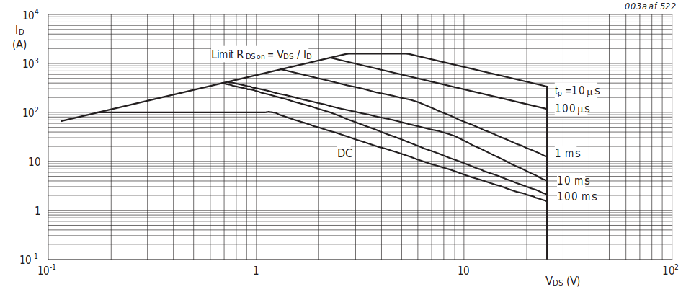

When table complete, click here to return to worksheet

Section 6: | Plot V and I: | 12.60 V | 2.99 A
 | 600 | µs
After time entered, click to return to worksheet. Check for Warnings!

Section 12: | Plot Both points below and enter SOA time:
 | Plot V and I: | 8.82 V | 0.51 A
 | 100000 | µs

 | Plot V and I: | 8.82 V | 0.29 A
 | 200000 | µs

After time entered, click to return to worksheet. Check for Warnings!

Derated Current limit vs Vds, for SOA verification (tolerancing included)
 | 1 | 1

Sch & BOM
DISCLAIMER:
This design tool is the property of Analog Devices. It is a design aid for use with the ADM127x family of hotswap controllers. It may not be copied, transferred, or used for other purposes without express written approval of Analog Devices Inc. Although ADI has made substantial effort to ensure this spreadsheet software provides accurate results, the complexity, estimates used, component tolerences, PCB thermal variances, and nonlinearities preclude absolute accuracy guarantees. It is provided "AS IS" and all responsibility for the actual design performance and verification is born by the user. All designs should be verified independently and fully tested prior to manufacture. ADI disclaims any liability for damages of any kind resulting from the use of this spreadsheet software.

Specs: |  | Vmin | 11.40 | V
 |  | Vmax | 12.60 | V
 |  | Vnom | 12.00 | V
 |  | Circuit Breaker | 3.67 | A
 |  | I powerup | 0.05 | A
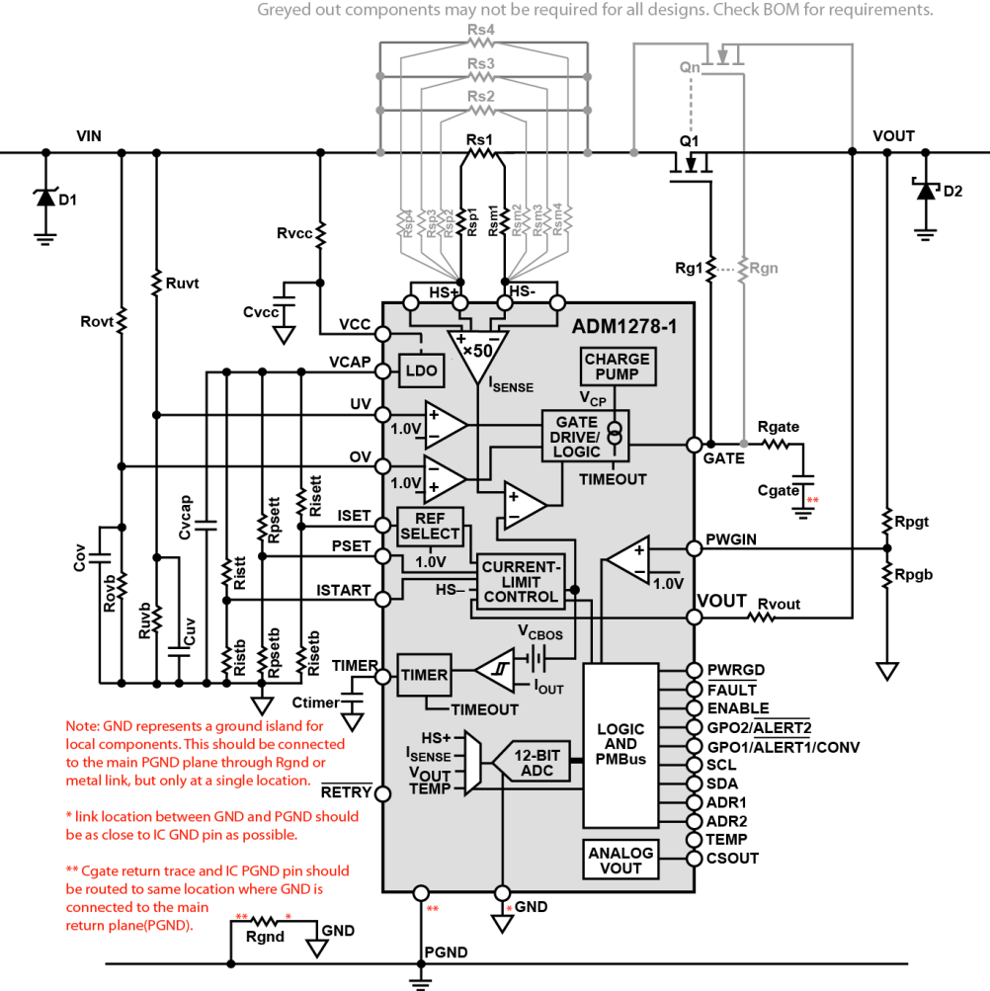
 |  | Rpowerup | 1000.00 | Ohm
 |  | Ta Max | 60.00 | C
 |  | Cload | 100.00 | uF

Please ensure the design worksheet has been completed, without errors, before using the Bill of Materials listed below!
Schematic shown beside and below BOM for convenience
Ref Des |  | Value* | Qty | Min. PD (mW) | Grade | Comments

Ruvt |  | 49.90 KΩ | 1 | 0.50 | E96 (1%)
Ruvb |  | 6.04 KΩ | 1 | 0.33 | E96 (1%)
Cuv |  | DNP |  |  | Any | UV filtering capacitor. MLCC. User select, default 100nF. 25V+
Rovt |  | 49.90 KΩ | 1 | 0.50 | E96 (1%)
Rovb |  | 3.32 KΩ | 1 | 0.60 | E96 (1%)
Cov |  | DNP |  |  | Any | OV filtering capacitor. MLCC. User select, default 100nF.25V+
Cvcap |  | 1.00 µF | 1 |  | Any | Datasheet specified
Risett |  | 41.20 KΩ | 1 | 0.07 | E96 (1%)
Risetb |  | 21.20 KΩ | 1 | 0.13 | E96 (1%)
Rpsett |  | 100.00 KΩ | 1 | 0.03 | E96 (1%)
Rpsetb |  | 38.30 KΩ | 1 | 0.07 | E96 (1%)
Ristt |  | 100.00 KΩ | 1 | 0.03 | E96 (1%)
Ristb |  | 17.40 KΩ | 1 | 0.16 | E96 (1%)
Ctimer |  | 10.00 nF | 1 |  | 10 % | MLCC 25V or higher rating
Rvcc |  | 0 Ω | 1 | 0.00 | Any | This RC be used in cases where Vin drops at high load fault conditions. This filter can keep Vcc high. 10 Ohms maximum Rvcc.
Cvcc |  | DNP |  |  | Any
Rs1 |  | 5.00 mΩ | 1 | 223.51 | 1.0 % | Power already derated by 3. Route sense traces carefully
Rs2 |  | 100.00 mΩ | 1 | 11.18 | 1.0 % | Power already derated by 3. Route sense traces carefully
Rs3 |  | NR
Rs4 |  | NR
Rsp1,Rsm1 |  | 10 Ω | 2 | 100.00 | Any | Sense voltage averaging resistors for accuracy
Rsp2,Rsm2 |  | 10 Ω | 2 | 100.00 | Any | Sense voltage averaging resistors for accuracy
Rsp3,Rsm3 |  | NR
Rsp4,Rsm4 |  | NR
Q1 - | Q3 | PSMN0R9-25YLC | 3 | 1.46 |  | Main MOSFET. User must ensure Rthja chosen (Layout/airflow etc)
Rg1 - | Rg3 | 10 Ω | 3 | 100.00 | Any | Required to prevent gate oscillations when using multiple FETs.
Rgate |  | 0 Ω | 1 | 100.00 | Any | Must widthstand pulse of 2A for 20µs
Cgate |  | 10.00 nF | 1 |  | 5.0 % | MLCC 50V or higher rating
Rpgt |  | 10.00 KΩ | 1 | 2.50 | E96 (1%)
Rpgb |  | 1.00 KΩ | 1 | 2.00 | E96 (1%)
Rvout |  | 1.00 KΩ | 1 | 1.00 | Any | Limits currents from output transient voltages on VOUT pin.
Rgnd |  | 0 Ω | 1 | 100.00 | Any | Must widthstand pulse of 2A for 20µs
D1 |  | TVS | 1 | 600W | SMB | TVS should be chosen to prevent Vin transients from exceeding 25V | 3.8526923077
D2 |  | Diode | 1 |  |  | Output diode is sometimes used to clamp negative Vout transients.

*DNP: | Place symbol and footprint, but do not populate component on PCB. Component may be required for design adjustments
*NR: | Component not required for this design. No Symbol or footprint required.
Schematic shows a maximum of 4 sense resistors to match tool limitations… if more are required there is no part limitation.

