MASTER
 | G Level 1 | G Level 2 | G Level 3 | G Level 4 | G Level 5 | Threads
 | All | All | All | All | All | All
 | QoS | Test Type | Test Name | Test Info | Direction | RAT
All | All | All | All | All | All | All
 | Year | Month | Week | Day | Hour
 | All | All | All | All | All
 | System | Channel | UE | IMEI | IMSI
 | All | All | All | All | All

Tests EN-DC/LTE Ratio
 | Only LTE Ratio | EN-DC/LTE Ratio | Only EN-DC Ratio
Telekom
Vodafone
Telefonica
 | Key Performance Indicators
 | Overall KPI-s | Telekom | Vodafone | Telefonica | Low Threshold | High Threshold
 | Tests Executed only in LTE
 | Tests Executed in EN-DC/LTE
 | Tests Executed only in EN-DC
 | Tests Total
 | Only LTE Ratio |  |  |  | 85.00% | 99.00%
 | EN-DC/LTE Ratio
 | Only EN-DC Ratio
 | Overall Test Time Sum [s]
 | EN-DC Overall Time Sum [s]
EN-DC/B78 Time Share Ratio
 | EN-DC Share | B78 Share
Telekom
Vodafone
Telefonica
 | B78 Time Sum [s]
 | EN-DC Overall Time Share Ratio
 | B78 Time Share Ratio
 | HTTP Transfer KPIs | Telekom | Vodafone | Telefonica | Low Threshold | High Threshold
 | FDFS DL Attempts
 | FDFS DL Transfer Cutoff
 | FDFS DL Success
 | FDFS DL Access Failure
 | FDFS DL Access Success
 | FDFS DL Access Failure Ratio
 | FDFS DL Transfer Cutoff Ratio
 | FDFS DL Success Ratio |  |  |  | 80.00% | 99.00%
FDFS Success Ratio
 | OVERALL |  | DL |  | UL
Telekom |  | Telekom |  | Telekom
Vodafone |  | Vodafone |  | Vodafone
Telefonica |  | Telefonica |  | Telefonica
 |  | Low Threshold |  | Low Threshold
 |  | High Threshold |  | High Threshold
 | FDFS UL Attempts
 | FDFS UL Transfer Cutoff
 | FDFS UL Success
 | FDFS UL Access Failure
 | FDFS UL Access Success
 | FDFS UL Access Failure Ratio
 | FDFS UL Transfer Cutoff Ratio
 | FDFS UL Success Ratio |  |  |  | 80.00% | 99.00%
 | FDFS success Ratio |  |  |  | 80.00% | 99.00%
 | FDTT DL Attempts
 | FDTT DL Cutoff
 | FDTT DL Success
 | FDTT DL Access Failure
 | FDTT DL Access Successful
 | FDTT DL Min Data Rate [Mbit/s]
 | FDTT DL 10 PCTL Data Rate [Mbit/s] |  |  |  | 2.000 [Mbit/s] | 10.000 [Mbit/s]
 | FDTT DL Average Data Rate [Mbit/s] |  |  |  | 2.000 [Mbit/s] | 50.000 [Mbit/s]
 | FDTT DL Median Data Rate [Mbit/s]
 | FDTT DL 90 PCTL Data Rate [Mbit/s] |  |  |  | 10.000 [Mbit/s] | 120.000 [Mbit/s]
FDTT DL Average Data Rate [Mbit/s]
 | AVG | P90 | P10
Telekom
Vodafone
Telefonica
Low Threshold
High Threshold
FDTT UL Average Data Rate [Mbit/s]
 | AVG | P90 | P10
Telekom
Vodafone
Telefonica
Low Threshold
High Threshold
 | FDTT DL Max Data Rate [Mbit/s]
 | FDTT UL Attempts
 | FDTT UL Cutoff
 | FDTT UL Successful
 | FDTT UL Access Failure
 | FDTT UL Access Success
 | FDTT UL Min Data Rate [Mbit/s]
 | FDTT UL 10 PCTL Data Rate [Mbit/s] |  |  |  | 0.500 [Mbit/s] | 4.000 [Mbit/s]
 | FDTT UL Average Data Rate [Mbit/s] |  |  |  | 0.500 [Mbit/s] | 35.000 [Mbit/s]
 | FDTT UL Median Data Rate [Mbit/s]
 | FDTT UL 90 PCTL Data Rate [Mbit/s] |  |  |  | 5.000 [Mbit/s] | 45.000 [Mbit/s]
 | FDTT UL Max Data Rate [Mbit/s]
HTTP Browsing Success Ratio
 | HTTP Browsing Success Ratio
Telekom
Vodafone
Telefonica
HTTP Browsing AVG Transfer Time [s]
 | HTTP Browsing Average Transfer Time [s]
Telekom
Vodafone
Telefonica
 | HTTP Browsing KPI-s | Telekom | Vodafone | Telefonica | Low Threshold | High Threshold
 | HTTP Browsing Attempts
 | HTTP Browsing Transfer Cutoff
 | HTTP Browsing Success
 | HTTP Browsing Access Failure
 | HTTP Browsing Access Success
 | HTTP Browsing Access Failure Ratio
 | HTTP Browsing Transfer Cutoff Ratio
 | HTTP Browsing Success Ratio |  |  |  | 80.00% | 99.00%
 | HTTP Browsing Min Transfer Time [s]
HTTP Browsing AVG RTT [ms]
 | HTTP Browsing Average RTT [ms]
Telekom
Vodafone
Telefonica
 | HTTP Browsing 10 PCTL Transfer Time [s]
 | HTTP Browsing Average Transfer Time [s] |  |  |  | 6.000 [s] | 1.500 [s]
 | HTTP Browsing Median Transfer Time [s]
 | HTTP Browsing 90 PCTL Transfer Time [s]
 | HTTP Browsing Max Transfer Time [s]
 | HTTP Browsing Min RTT [ms]
 | HTTP Browsing Average RTT [ms] |  |  |  | 150 [ms] | 30 [ms]
 | HTTP Browsing Max RTT [ms]
 | HTTP Browsing 1MB Reached Samples
 | HTTP Browsing 1MB Reached Time Average [ms]
Video Stream AVG Mean vMOS
 | AVG | P10
Telekom
Vodafone
Telefonica
 | Video Stream KPIs | Telekom | Vodafone | Telefonica | Low Threshold | High Threshold
Video Stream Success Ratio [%]
 | Video Stream Success Ratio [%]
Telekom
Vodafone
Telefonica
 | Video Stream Attempts
 | Video Stream Failure
 | Video Stream Success
 | Video Stream Success Ratio [%] |  |  |  | 80.00% | 99.00%
 | Video Stream Irritating Playout Count
 | Video Stream Irritating Playout Ratio |  |  |  | 3.00% | 0.5%
 | Video Stream Min Mean vMOS
 | Video Stream 10 PCTL Mean vMOS
 | Video Stream Average Mean vMOS |  |  |  | 3.00 [vMOS] | 4.50 [vMOS]
 | Video Stream Median Mean vMOS
 | Video Stream 90 PCTL Mean vMOS
 | Video Stream Max Mean vMOS
Video Stream AVG TTFP [s]
 | AVG
Telekom
Vodafone
Telefonica
 | Mean vMOS < 1.6
 | Mean vMOS >= 1.6
 | Mean vMOS < 1.6 Ratio
 | Video Stream Min TTFP [s]
 | Video Stream 10 PCTL TTFP [s]
 | Video Stream Average TTFP [s]
 | Video Stream Median TTFP [s]
 | Video Stream 90 PCTL TTFP [s]
 | Video Stream Max TTFP [s]
 | TTFP < 10 [s]
 | TTFP >= 10 [s]
 | TTFP >= 10 [s] Ratio |  |  |  | 5.00% | 0.00%
 | Video Stream UHD Ratio
Facebook FDFS UL Success Ratio
 | Application Success Ratio
Telekom
Vodafone
Telefonica
Facebook FDFS UL AVG Transfer Time [s]
 | Application Average Transfer Time [s]
Telekom
Vodafone
Telefonica
 | Facebook Application | Telekom | Vodafone | Telefonica | Low Threshold | High Threshold
 | Application Attempts
 | Application Failure
 | Application Transfer Cutoff
 | Application Success
 | Application Success Ratio |  |  |  | 80.00% | 99.00%
 | Application Min Transfer Time [s]
 | Application 10 PCTL Transfer Time [s]
 | Application Average Transfer Time [s] |  |  |  | 15.00 [s] | 3.00 [s]
 | Application Median Transfer Time [s]
 | Application 90 PCTL Transfer Time [s]
 | Application Max Transfer Time [s]
Interactivity Packet Error Ratio
 | Interactivity Packet Error Ratio
Telekom
Vodafone
Telefonica
 | Interactivity KPIs | Telekom | Vodafone | Telefonica | Low Threshold | High Threshold
Interactivity RTT/Packet Delay Variation
 | RTT Median | PDV Median
Telekom
Vodafone
Telefonica
 | Interactivity Test Attempts
 | Interactivity Packets Sent
 | Interactivity Packets Not Sent
 | Interactivity Packets Lost
 | Interactivity Packet Error Ratio
 | Interactivity P10 RTT [ms]
 | Interactivity Median RTT [ms]
 | Interactivity Min RTT [ms]
 | Interactivity Max RTT [ms]
 | Packet Delay Variation Median [ms]
 | Packet Delay Variation P99 [ms]

KPI Definition
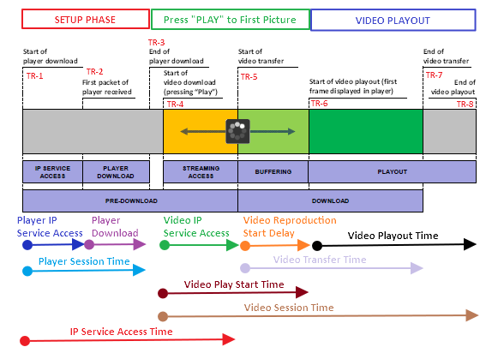
KPI Name | Abbrev. | Unit | Direction | Definition | Abstract Equation | Start Trigger Event | Stop Trigger Event
Tests started in LTE count | tsLTE | [#] | Downlink / Uplink | Number of all valid data test attempts started in 4G as technology
Tests executed only in LTE Count | tLTE | [#] | Downlink / Uplink | Number of all valid data test attempts started in 4G as technology and InteRAT handover was not performed during the test
Tests Total Count | TT | [#] | Downlink / Uplink | Number of all valid tests executed in campaing.
Tests LTE Ratio | tsLTEr | [%] | Downlink / Uplink | The fraction of tests that started in LTE technology. This fraction is usually measured as a percentage of all Test attempts made. | tsLTE / TT

 |  |  |  | FDFS testing is intended to provide Data Transfer Service availability and accessibility.

http Transfer KPIs FDFS
KPI Name | Abbrev. | Unit | Direction | Definition | Abstract Equation | Start Trigger Event | Stop Trigger Event
FDFS DL Attempt Count | dlFDFSa | [#] | Downlink | This KPI is the count of FDFS tests.
FDFS DL Transfer Cutoff | dlFDFSc | [#] | Downlink | This KPI is count of FDFS DL Tests where Service usage phase was reached but was not ended with Intentional End.
FDFS DL Transfer Success | dlFDFSs | [#] | Downlink | This KPI is count of FDFS DL Tests where Service usage phase was reached but was ended with Intentional End.
FDFS DL Access Failure | dlFDFSaf | [#] | Downlink | This KPI is count of FDFS DL Tests where Service Usage phase was not reached.
FDFS DL Access Success | dlFDFSas | [#] | Downlink | This KPI is count of FDFS DL Tests where Service Usage phase was reached.
FDFS DL Access Failure Ratio | dlFDFSafr | [%] | Downlink | This KPI is represents fraction of FDFS DL Tests where Service Usage phase was reached. This fraction is usually represented in percent of all FDFS DL Test Attempts. | dlFDFSaf / dlFDFSa
FDFS DL Transfer Cutoff Ratio | dlFDFScr | [%] | Downlink | This KPI represent fraction of FDFS DL Tests where Service usage phase was reached but was not ended with Intentional End. This fraction is usually represented in percent of all FDFS DL Test Attemtps that reached Service Usage Phase. | dlFDFSc / dlFDFSas
FDFS DL Success Ratio | dlFDFSsr | [%] | Downlink | This KPI represent fraction of FDFS DL Tests where Service usage phase ended with Intentional End. This fraction is usually represented in percent of all FDFS DL Test Attemtps. | dlFDFSs / dlFDFSa
FDFS UL Attempt Count | ulFDFSa | [#] | Uplink | Number of HTTP Transfer Test upload file to the server within defined time (FDFS) is intended to provide Data Transfer Service availability and accessibility. This KPI measures count of FDFS UL Attempts.
FDFS UL Transfer Cutoff | ulFDFSc | [#] | Uplink | This KPI is the count of FDFS UL Tests where Service usage phase was reached but was not ended with Intentional End.
FDFS UL Transfer Success | ulFDFSs | [#] | Uplink | This KPI is the count of FDFS UL Tests where Service usage phase was reached but was ended with Intentional End.
FDFS UL Access Failure | ulFDFSaf | [#] | Uplink | This KPI is count of FDFS UL Tests where Service Usage phase was not reached.
FDFS UL Access Success | ulFDFSas | [#] | Uplink | This KPI is count of FDFS UL Tests where Service Usage phase was reached.
FDFS UL Access Failure Ratio | ulFDFSafr | [%] | Uplink | This KPI is represents fraction of FDFS UL Tests where Service Usage phase was reached. This fraction is usually represented in percent of all FDFS UL Test Attempts. | ulFDFSafr / ulFDFSa
FDFS UL Transfer Cutoff Ratio | ulFDFScr | [%] | Uplink | This KPI represent fraction of FDFS UL Tests where Service usage phase was reached but was not ended with Intentional End. This fraction is usually represented in percent of all FDFS UL Test Attemtps that reached Service Usage Phase. | ulFDFSc / ulFDFSas
FDFS UL Success Ratio | ulFDFSsr | [%] | Uplink | This KPI represent fraction of FDFS UL Tests where Service usage phase ended with Intentional End. This fraction is usually represented in percent of all FDFS UL Test Attemtps. | ulFDFSs / ulFDFSa
FDFS Success Ratio | FDFSsr | [%] | Uplink Downlink | This KPI represent fraction of FDFS (both UL and DL)Tests where Service usage phase ended with Intentional End. This fraction is usually represented in percent of all FDFS Test Attemtps. | ( ulFDFSs + dlFDFSs ) / (ulFDFSa + dlFDFSa)

 |  |  |  | FDTT testing is intended to provide stress test for network and to test throughput.

KPI Name | Abbrev. | Unit | Direction | Definition | Abstract Equation | Start Trigger Event | Stop Trigger Event
FDTT DL Attempt Count | dlMDRc | [Mbit/s] | Downlink | This KPI is showing the count of all http FDTT dl attempts made. |  | - | -
FDTT DL Min Data Rate | dlMDRmin | [Mbit/s] | Downlink | This KPI represents the minimum measured Mean Data Rate for tests where Service usage was reached |  | First HTTP Continuation or 200Ok containing Content Data< | Last HTTP Continuation <
FDTT DL 10 PCTL Data Rate | dlMDRp10 | [Mbit/s] | Downlink | MDR value below which 10% of the measured samples in a sorted array of MDR-s for tests where Service usage was reached. |  | First HTTP Continuation or 200Ok containing Content Data< | Last HTTP Continuation <
FDTT DL Average Data Rate | dlMDRavg | [Mbit/s] | Downlink | This KPI is represents average measured Mean Data Rate for tests where Service usage was reached. |  | First HTTP Continuation or 200Ok containing Content Data< | Last HTTP Continuation <
FDTT DL Median Data Rate | dlMDRp50 | [Mbit/s] | Downlink | MDR value below which 50% of the measured samples in a sorted array of MDR-s for tests where Service usage was reached. |  | First HTTP Continuation or 200Ok containing Content Data< | Last HTTP Continuation <
FDTT DL 90 PCTL Data Rate | dlMDRp90 | [Mbit/s] | Downlink | MDR value below which 90% of the measured samples in a sorted array of MDR-s for tests where Service usage was reached. |  | First HTTP Continuation or 200Ok containing Content Data< | Last HTTP Continuation <
FDTT DL Max Data Rate | dlMDRmax | [Mbit/s] | Downlink | This KPI represents maximum measured Mean Data Rate for tests where Service usage was reached. |  | First HTTP Continuation or 200Ok containing Content Data< | Last HTTP Continuation <
FDTT UL Attempt Count | ulMDRc | [Mbit/s] | Uplink | This KPI is showing the count of all http FDTT dl attempts made.
FDTT UL Min Data Rate | ulMDRmin | [Mbit/s] | Uplink | This KPI represents the minimum measured Mean Data Rate for tests where Service usage was reached |  | First HTTP Continuation or 200Ok containing Content Data< | Last HTTP Continuation <
FDTT UL 10 PCTL Data Rate | ulMDRp10 | [Mbit/s] | Uplink | MDR value below which 10% of the measured samples in a sorted array of MDR-s for tests where Service usage was reached. |  | First HTTP Continuation or 200Ok containing Content Data< | Last HTTP Continuation <
FDTT UL Average Data Rate | ulMDRavg | [Mbit/s] | Uplink | This KPI is represents average measured Mean Data Rate for tests where Service usage was reached. |  | First HTTP Continuation or 200Ok containing Content Data< | Last HTTP Continuation <
FDTT UL Median Data Rate | ulMDRp50 | [Mbit/s] | Uplink | MDR value below which 50% of the measured samples in a sorted array of MDR-s for tests where Service usage was reached. |  | First HTTP Continuation or 200Ok containing Content Data< | Last HTTP Continuation <
FDTT UL 90 PCTL Data Rate | ulMDRp90 | [Mbit/s] | Uplink | MDR value below which 90% of the measured samples in a sorted array of MDR-s for tests where Service usage was reached. |  | First HTTP Continuation or 200Ok containing Content Data< | Last HTTP Continuation <
FDTT UL Max Data Rate | ulMDRmax | [Mbit/s] | Uplink | This KPI is represents maximum measured Mean Data Rate for tests where Service usage was reached. |  | First HTTP Continuation or 200Ok containing Content Data< | Last HTTP Continuation <

http Transfer KPIs (FDTT+ FDFS)
KPI Name | Abbrev. | Unit | Direction | Definition | Abstract Equation | Start Trigger Event | Stop Trigger Event
httpTransfer DL in LTE | dlhttpLTEc | [#] | Downlink | This KPI represents the count of all DL http Transfers that were started and completed in 4G (LTE). No iRAT HO was done during the test | - | First HTTP Continuation or 200Ok containing Content Data< | Last HTTP Continuation <
httpTransfer DL 256QUAM > 10% Count | dlhttpLTE256c | [#] | Downlink | This KPI represents the count of all DL http Transfers that were started and completed in 4G (LTE) and where 256QAM modulation was used more then 10% of time in DL. | - | First HTTP Continuation or 200Ok containing Content Data< | Last HTTP Continuation <
httpTransfer DL 256QUAM > 10% Ratio | dlhttpLTE256r | [%] | Downlink | This KPI represents the fraction of all DL http Transfers that were started and completed in 4G (LTE) and where 256QAM modulation was used more then 10% of time in DL. | dlhttpLTE256c / dlhttpLTEc | First HTTP Continuation or 200Ok containing Content Data< | Last HTTP Continuation <
httpTransfer UL in LTE | ulhttpLTEc | [#] | Upnlink | This KPI represents the count of all UL http Transfers that were started and completed in 4G (LTE). No iRAT HO was done in test execution. | - | First HTTP Continuation or 200Ok containing Content Data< | Last HTTP Continuation <
httpTransfer UL 64QAM > 30% Count | ulhttpLTE64c | [#] | Upnlink | This KPI represents the count of all UL http Transfers that were started and completed in 4G (LTE) and where 64QAM modulation was used more then 30% of time in UL. | - | First HTTP Continuation or 200Ok containing Content Data< | Last HTTP Continuation <
httpTransfer UL 64QAM > 30% Ratio | ulhttpLTE64r | [%] | Downlink | This KPI represents the fraction of all UL http Transfers that were started and completed in 4G (LTE) and where 64QAM modulation was used more then 30% of time in UL. | httpLTE256c / httpLTEc | First HTTP Continuation or 200Ok containing Content Data< | Last HTTP Continuation <

 |  |  |  | The HTTP Browser test is used to download a complete web page using the HTTP protocol.

KPI Name | Abbrev. | Unit | Direction | Definition | Abstract Equation | Start Trigger Event | Stop Trigger Event
HTTP Browsing Attempt Count | BWa | [#] | Downlink | This KPI counts attempts of HTTP Browsing Test.
HTTP Browsing Transfer Cutoff | BWc | [#] | Downlink | This KPI counts attempts of HTTP Browsing Test that reached Service Usage Phase but did not finished with Intentional end
HTTP Browsing Success Count | BWs | [#] | Downlink | This KPI counts attempts of HTTP Browsing Test that reached Service Usage Phase but did finished with Intentional end
HTTP Browsing Access Failure | BWaf | [#] | Downlink | This KPI counts attempts of HTTP Browsing Test that did not completed Service Access Phase.
HTTP Browsing Access Success | BWas | [#] | Downlink | This KPI counts attempts of HTTP Browsing Test that did completed Service Access Phase
HTTP Browsing Access Failure Ratio | BWafr | [%] | Downlink | This KPI represent fraction of HTTP Browsing Test that did not completed Service Access Phase. This fraction is usually represented in percent of all HTTP Browsing Test Attemtps. | BWaf / BWa
HTTP Browsing Transfer Cutoff Ratio | BWcr | [%] | Downlink | This KPI represent fraction of HTTP Browsing Test that reached Service Usage Phase but did not completed test with Intentional end. This fraction is usually represented in percent of all HTTP Browsing Test Attemtps which reached Service Usage Phase. | BWc / BWas
HTTP Browsing Success Ratio | BWsr | [%] | Downlink | This KPI represent fraction of HTTP Browsing Test that completed test with Intentional end. This fraction is usually represented in percent of all HTTP Browsing Test Attemtps. | BWs / BWa
HTTP Browsing Min Transfer Time [s] | minBWTT | [s] | Downlink | The HTTP Browser test is used to download a complete web page using the HTTP protocol. This KPI is represents minimum measured Content Transfer Time for tests where Test completed with Intentional end. |  | First HTTP Continuation or 200Ok containing Content Data< | Last HTTP Continuation <
HTTP Browsing 10 PCTL Transfer Time [s] | p10BWTT | [s] | Downlink | This KPI is represents 10 percentile measured Content Transfer Time for tests where Test completed with Intentional end. |  | First HTTP Continuation or 200Ok containing Content Data< | Last HTTP Continuation <
HTTP Browsing Average Transfer Time [s] | avgBWTT | [s] | Downlink | This KPI is represents average measured Content Transfer Time for tests where Test completed with Intentional end |  | First HTTP Continuation or 200Ok containing Content Data< | Last HTTP Continuation <
HTTP Browsing Median Transfer Time [s] | p50BWTT | [s] | Downlink | This KPI represents 50 percentile measured Content Transfer Time for tests where Test completed with Intentional end |  | First HTTP Continuation or 200Ok containing Content Data< | Last HTTP Continuation <
HTTP Browsing 90 PCTL Transfer Time [s] | p90BWTT | [s] | Downlink | This KPI represents 90 percentile measured Content Transfer Time for tests where Test completed with Intentional end. |  | First HTTP Continuation or 200Ok containing Content Data< | Last HTTP Continuation <
HTTP Browsing Max Transfer Time [s] | maxBWTT | [s] | Downlink | This KPI represents maximum measured Content Transfer Time for tests where Test completed with Intentional end. |  | First HTTP Continuation or 200Ok containing Content Data< | Last HTTP Continuation <
HTTP Browsing Min RTT [ms] | minBWRTT | [ms] | Downlink | This KPI represents minimum measured initial RTT (Round Trip Time) for tests where Test completed with Intentional end. RTT is measured between initial TCP SYN and TCP SYN ACK 1st session three way handshake. |  | TCP SYN > | TCP SYN ACK >
HTTP Browsing 10 PCTL RTT [ms] | p10BWRTT | [ms] | Downlink | This KPI represents 10 percentile initial RTT (Round Trip Time) for tests where Test completed with Intentional end. RTT is measured between initial TCP SYN and TCP SYN ACK in 1st session three way handshake. |  | TCP SYN > | TCP SYN ACK >
HTTP Browsing Average RTT [ms] | avgBWRTT | [ms] | Downlink | This KPI represents average measured initial RTT (Round Trip Time) for tests where Test completed with Intentional end. RTT is measured between initial TCP SYN and TCP SYN ACK in 1st session three way handshake |  | TCP SYN > | TCP SYN ACK >
HTTP Browsing Median RTT [ms] | p50BWRTT | [ms] | Downlink | This KPI represents 50 percentile initial RTT (Round Trip Time) for tests where Test completed with Intentional end. RTT is measured between initial TCP SYN and TCP SYN ACK in 1st session three way handshake. |  | TCP SYN > | TCP SYN ACK >
HTTP Browsing 90 PCTL RTT [ms] | p90BWRTT | [ms] | Downlink | This KPI represents 90 percentile initial RTT (Round Trip Time) for tests where Test completed with Intentional end. RTT is measured between initial TCP SYN and TCP SYN ACK in 1st session three way handshake. |  | TCP SYN > | TCP SYN ACK >
HTTP Browsing Max RTT [ms] | maxBWRTT | [ms] | Downlink | This KPI represents maximum measured initial RTT (Round Trip Time) for tests where Test completed with Intentional end. RTT is measured between initial TCP SYN and TCP SYN ACK in 1st session three way handshake. |  | TCP SYN > | TCP SYN ACK >

 |  |  |  | Streaming refers to the ability of an application to play synchronized media streams, such as audio and video streams, in a continuous manner while the streams are being transmitted to the client over a data network. The software client plays the incoming multimedia stream in real time as the data is received (Adaptive live video stream is used by Net Check).

Video Streaming KPI-s
KPI Name | Abbrev. | Unit | Direction | Definition | Abstract Equation | Start Trigger Event | Stop Trigger Event
Video Stream Attempt Count | VSac | [#] | Downlink | This KPI refers to count of all Video Streaming attempts made by SwissQual system | - | - | -
Video Stream Failure Count | VSfc | [#] | Downlink | This KPI refers to the count of all Video Streaming attempts made by SwissQual system which did not reached Intentional en | - | - | -
Video Stream Success Count | VSsc | [#] | Downlink | This KPI refers to the count of all Video Streaming attempts made by SwissQual system which did reached Intentional end
Video Stream Success Ratio | VSsr | [%] | Downlink | This KPI refers to the fraction of all Video Streaming attempts made by SwissQual system which did reached Intentional end This fraction is usually represented in percent of all Video Streaming Test Attemtps Count. | VSsc / VSac
Video Stream Irritating Playout Count | Vsipc | [#] | Downlink | This KPI refers to the count of all Video Streaming attempts made by SwissQual system where sum of intteruptions in playout phase was more then 15% of the playout durration. Playout intterruptions that generate irritating user expirince are: - black frames - freezings - skippings This particular KPI counts all tests that were classified as Completed, but had interruprions for more then 15% of the playout time. | - | - | - | -
Video Stream Irritating Playout Ratio | Vsipc | [#] | Downlink | This KPI refers to the count of all Video Streaming attempts made by SwissQual system where sum of intteruptions in playout phase was more then 15% of the playout durration. Playout intterruptions that generate irritating user expirince are: - black frames - freezings - skippings This particular KPI is an ratio of all tests that were classified as Completed, but had interruprions for more then 15% of the playout time in regards to all tests classified as Completed! | - | - | - | -
Video Stream Min Mean vMOS | vMOSmin | [vMOS] | Downlink | SwissQual has integrated a real visual quality measure that combines bitstream information with image information to consider what the viewer actually sees. The implemented measure is the ITU-T J.343.1 standard from 2014, which is the first image based no reference model that has been standardized in ITU-T. This KPI represents minimum measured Video MOS avereged for successfully completed test as per aghorithm described in ITU-T J343.1 and for tests that reached Intentional End. vMOS is measured between during playout duration.
Video Stream 10 PCTL Mean vMOS | vMOSp10 | [vMOS] | Downlink | This KPI is represents 10 percentile measured Video MOS avereged for successfully completed test as per aghorithm described in ITU-T J343.1 and for tests that reached Intentional End
Video Stream Average Mean vMOS | vMOSavg | [vMOS] | Downlink | This KPI represents average measured Video MOS avereged for successfully completed test as per aghorithm described in ITU-T J343.1 and for tests that reached Intentional End.
Video Stream Median Mean vMOS | vMOSp50 | [vMOS] | Downlink | This KPI is represents 50 percentile measured Video MOS avereged for successfully completed test as per aghorithm described in ITU-T J343.1 and for tests that reached Intentional End
Video Stream 90 PCTL Mean vMOS | vMOSp90 | [vMOS] | Downlink | This KPI is represents 90 percentile measured Video MOS avereged for successfully completed test as per aghorithm described in ITU-T J343.1 and for tests that reached Intentional End
Video Stream Max Mean vMOS | vMOSmax | [vMOS] | Downlink | This KPI represents maximum measured Video MOS avereged for successfully completed test as per aghorithm described in ITU-T J343.1 and for tests that reached Intentional End
Mean vMOS < 1.6 Count | vMOSlc | [#] | Downlink | This KPI represents count of measured Video MOS avereged for successfully completed test as per aghorithm described in ITU-T J343.1 and for tests that reached Intentional End where measured vMOS value was lower then 1.6
Mean vMOS >= 1.6 Count | vMOShc | [#] | Downlink | This KPI represents count of measured Video MOS avereged for successfully completed test as per aghorithm described in ITU-T J343.1 and for tests that reached Intentional End where measured vMOS value was higher or equal then 1.6
Mean vMOS < 1.6 Ratio | vMOSlr | [%] | Downlink | This KPI represents fraction of measured Video MOS avereged for successfully completed test as per aghorithm described in ITU-T J343.1 and for tests that reached Intentional End where measured vMOS value was lower then 1.6.This fraction is usually represented in percent of all measured vMOS values for all Video Stream Tests reached Intentional End. | vMOSlc / ( vMOSlc + vMOShc )
Video Stream Min TTFP [s] | TTFPmin | [s] | Downlink | Time to First Picture (TTFS) is defined as Time between Start of player download (TR1) and Start of video playout (TR6) triggers . This KPI represents minimum measured TTFP for Video Streaming test reached Playout phase. |  | Start of player download | Start of video playout
Video Stream 10 PCTL TTFP [s] | TTFPp10 | [s] | Downlink | This KPI is represents 10 percentile measured TTFP for Video Streaming test reached Playout phase . |  | Start of player download | Start of video playout
Video Stream Average TTFP [s] | TTFPavg | [s] | Downlink | This KPI represents average measured TTFP for Video Streaming test reached Playout phase. |  | Start of player download | Start of video playout
Video Stream Median TTFP [s] | TTFPp50 | [s] | Downlink | This KPI is represents 50 percentile measured TTFP for Video Streaming test reached Playout phase . |  | Start of player download | Start of video playout
Video Stream 90 PCTL TTFP [s] | TTFPp90 | [s] | Downlink | This KPI is represents 90 percentile measured TTFP for Video Streaming test reached Playout phase . |  | Start of player download | Start of video playout
Video Stream Max TTFP [s] | TTFPmax | [s] | Downlink | This KPI represents maximum measured TTFP for Video Streaming test reached Playout phase. |  | Start of player download | Start of video playout
TTFP < 10 [s] Count | TTFPlc | [#] | Downlink | This KPI represents count of tests where measured TTFP was below 10 seconds for Video Streaming test reached Playout phase. |  | Start of player download | Start of video playout
TTFP >= 10 [s] Count | TTFPhc | [#] | Downlink | This KPI represents count of tests where measured TTFP was above or equal 10 seconds for Video Streaming test reached Playout phase. |  | Start of player download | Start of video playout
TTFP >= 10 [s] Ratio | TTFPhr | [%] | Downlink | This KPI represents fraction of tests where measured TTFP was above or equal 10 seconds for Video Streaming test reached Playout phase. This fraction is usually represented in percent of all measured Video Streaming test reached Playout phase. | TFTPhc / ( TFTPc + TFTPhc ) | Start of player download | Start of video playout

 |  |  |  | Application testing for applications like facebook is also being tested. By nature, this test is very similar to HTTP transfer test. NET CHECK posts picture to facebook in UL and we can consider we execute FDFS test by using facebook app. Intentional end is that picture is successfully posted in facebook.

KPI Name | Abbrev. | Unit | Direction | Definition | Abstract Equation | Start Trigger Event | Stop Trigger Event
Application Attempt Count | SMac | [#] | Uplink | This KPI represent count all facebook app POST attempts.
Application Failure Count | SMfc | [#] | Uplink | This KPI represent count all facebook app POST attempts which did not reached service usage phase
Application Transfer Cutoff | SMcc | [#] | Uplink | This KPI represent count all facebook app POST attempts which did reach service usage phase but test did not completed with defined intentional end
Application Success Count | SMsc | [#] | Uplink | This KPI represent count all facebook app POST attempts which completed with defined intentional end.
Application Success Ratio | SMsr | [%] | Uplink | This KPI represents fraction all facebook app POST attempts which completed with defined intentional end
Application Min Transfer Time [s] | SMCTTmin | [s] | Uplink | This KPI is represents minimum measured Content Transfer Time for tests where Test completed with Intentional end. Content Transfer Time is measured between initial content transferred and last data content recieved trigger.
Application 10 PCTL Transfer Time [s] | SMCTTp10 | [s] | Uplink | This KPI represents 10 percentile measured Content Transfer Time for tests where Test completed with Intentional end.
Application Average Transfer Time [s] | SMCTTavg | [s] | Uplink | This KPI represents average measured Content Transfer Time for tests where Test completed with Intentional end.
Application Median Transfer Time [s] | SMCTTp50 | [s] | Uplink | This KPI represents 50 percentile measured Content Transfer Time for tests where Test completed with Intentional end.
Application 90 PCTL Transfer Time [s] | SMCTTp90 | [s] | Uplink | This KPI represents 90 percentile measured Content Transfer Time for tests where Test completed with Intentional end.
Application Max Transfer Time [s] | SMCTTmax | [s] | Uplink | This KPI represents maximum measured Content Transfer Time for tests where Test completed with Intentional end.

http DL Transaction

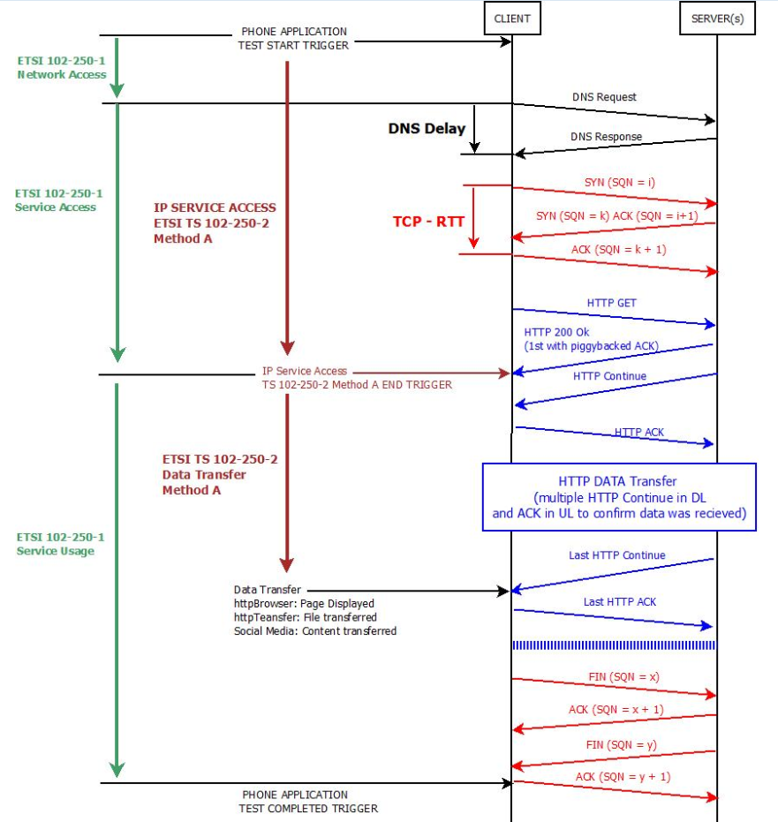

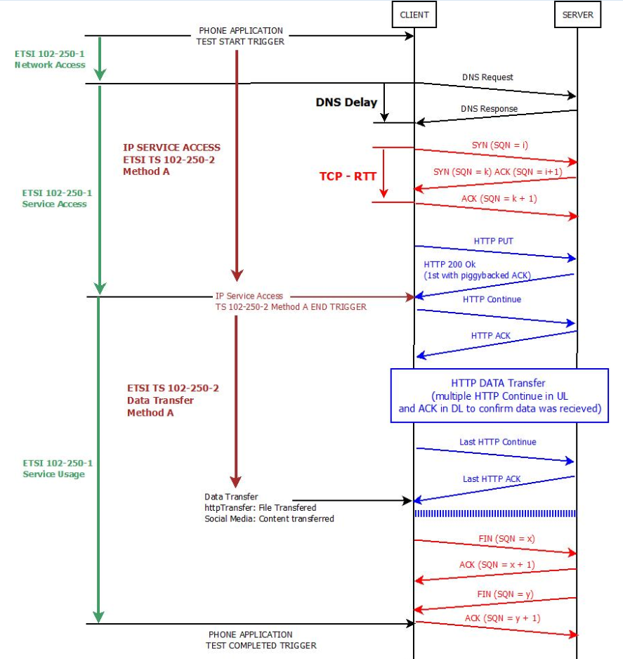

Youtube Timers

