1. Title Page
[Project Name]

Project Name: Instacart Grocery Basket Analysis
Date: 8th September 2023
Analyst Name: Blessing Archibong

Contents:
Population Flow
Consistency checks
Wrangling steps
Column derivations
Visualizations
Recommendations

2. Population Flow
 | Title page

Population flow

Exclusion flag
Condition: max_order <
Obervations to be removed:
Final total count of order_products_all:

Orders_prod8ucts_combined
Orders_products_merged
Orders_products_all

Total:
Total:
Total:
181,134kb

1.) The grey boxes in the first row of the population flow represent the original data sets as they were when you downloaded them. In the Total fields you need to add the count of the rows when you imported the data set into Jupyter.
2.) The second row of boxes (coloured) represents the data sets after you manipulated them, e.g., removed missing values and duplicates. In the Total fields you need to add the count of the rows after conducting these operations. This offers a visual oveview of how the data flows throughout the data consistency checks.
3.) The third row, where also the arrows are coloured, represents the merges you performed between the datasets. In the Total fields you need to add the count of the rows in the merged datasets, so that you end up with the final dataset (in the red box). Keep in mind the final dataset should be without exclusions (based on the exclusion flag).

3. Consistency checks
 |  |  |  | Title page
Consistency checks

Dataset | Missing values | Missing values treatment | Duplicates
orders | Yes | Mean was used to replace missing values | None
products | Yes | missing values was removed Yes- Duplicates was removed | Duplicates were removed
orders_products_prior | None
customers | None

4. Wrangling steps
 |  |  |  | Title page
Wrangling steps

Columns dropped | Columns renamed | Columns' type changed | Comment/Reason
Eval set |  |  | Was not required for analysis
 | dow to orders_day_of_the_week |  | For readability

 | fam_status to marital_status |  | For Readability

 |  | order-id from 'str' to '0' | Discrete variable

5. Column derivations
 |  |  |  | Title page

Column derivations and aggregations

In this tab you should add tables below that the frequences of flags/label variables that you produced after deriving them. NB: don't do this for continuous variables, only for flags.
Dataset | New column | Column/s it was derived from | Conditions
ords_prods_merged | price_label | Prices | mid,low and high range
ords_prods_merged | busiest day of the week | order_day_of_week | busiest day, least day and regularly busy
ords_prods_merged | busiest days | order_day_of_week | two busiest days of the week
ords_prods_merged | slowest days | order_day_of_week | two slowest days of the week
ords_prods_merged | busiest hour of the day | order_hour_of_day | busiest hour
ords_prods_merged | busiest period of day | order_hour_of_day | most orders,average orders,fewer orders

6. Visualizations
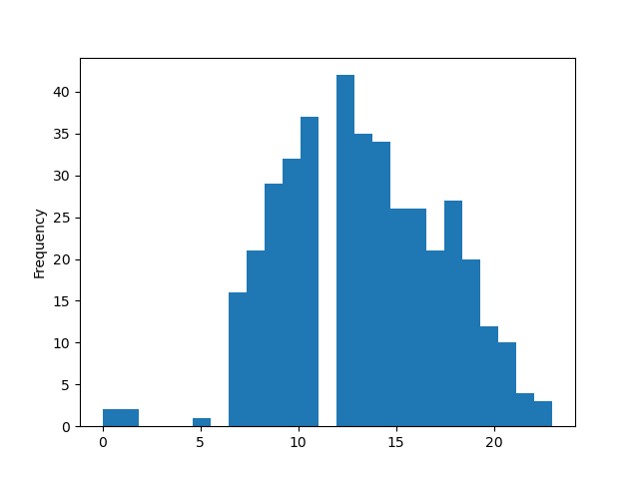
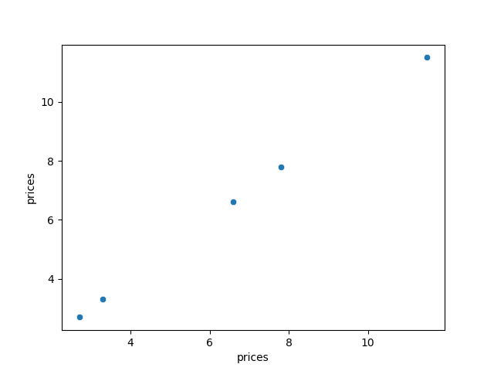
Title page

Visualisations

In this tab you should include all the visualtions from Exercises 4.9 and 4.10, alongside the questions from the project brief that they answer. Include any commentary on the relationship between different variables.

7. Recommendations
 |  | Title page

Recommendations

In this tab you should include any recommendations you would made to Instcart in terms of their marketing strategy based on the questions posed in the brief. Every key question has been covered in the Tasks of the Exercises - here you need to add an item - a visualisation or table/crosstable that is showing the answer in the data, acompanied by a comment from you. Please, list the questions below and add the answer underneath.

Question | Answer
Key Question 1 | Saturdays and Sundays at 10:00,11:00 are the days are times with most orders
Key Question 2 | I would say betweeen 10:00-11:00 are particular times of day when people spend the most money as most orders are done these times.
Key Question 3 | Most Products are mid-range between $7-$15 and high ranged between $15-$24 while a few are low range between $0-$5
Key Question 4 | The department with an ID of 4(produce) in the subset has a mean of around 17. Conversely, the department with an ID of 17(household), only has a mean of 15. The insight from this is that produce sells considerably more on an average than household goods.
Key Question 5 | Most Instacart customers are regular and new customers as per royalty flag conditions.
Key Question 6 | Most Instacart customers are low spenders according to the spending flag conditions.
Key Question 7

