Dashboard
Retail Orders Dashboard

Profi by Category
 | Total
Furniture | 66480.7
Office Supplies | 62254.5
Technology | 76433.5
Sale Trends over time
 | 2022 Sales | 2023 Sales
Jan | 94712.5 | 88632.6
Feb | 90091 | 128124.2
Mar | 80106 | 82512.3
Apr | 95451.6 | 111568.6
May | 79448.3 | 86447.9
Jun | 94170.5 | 68976.5
Jul | 78652.2 | 90563.8
Aug | 104808 | 87733.6
Sep | 79142.2 | 76658.6
Oct | 118912.7 | 121061.5
Nov | 84225.3 | 75432.8
Dec | 95869.9 | 102556.1
Segment Profit
 | Total
Consumer | 101586
Corporate | 65637.7
Home Office | 37945

Price sold by Shipping Mode
 | Total
Unavailable | 2828
Same Day | 123747.2
First Class | 339242.3
Second Class | 442976.1
Standard Class | 1307065.1
Filters and Slicers

 | Total
2 | 563500
3 | 563482.7
4 | 538560
5 | 550316

Discount

 | Total
2 | 59380
3 | 54992.7
4 | 48820
5 | 41976
Sales

Profit

Data Analysis
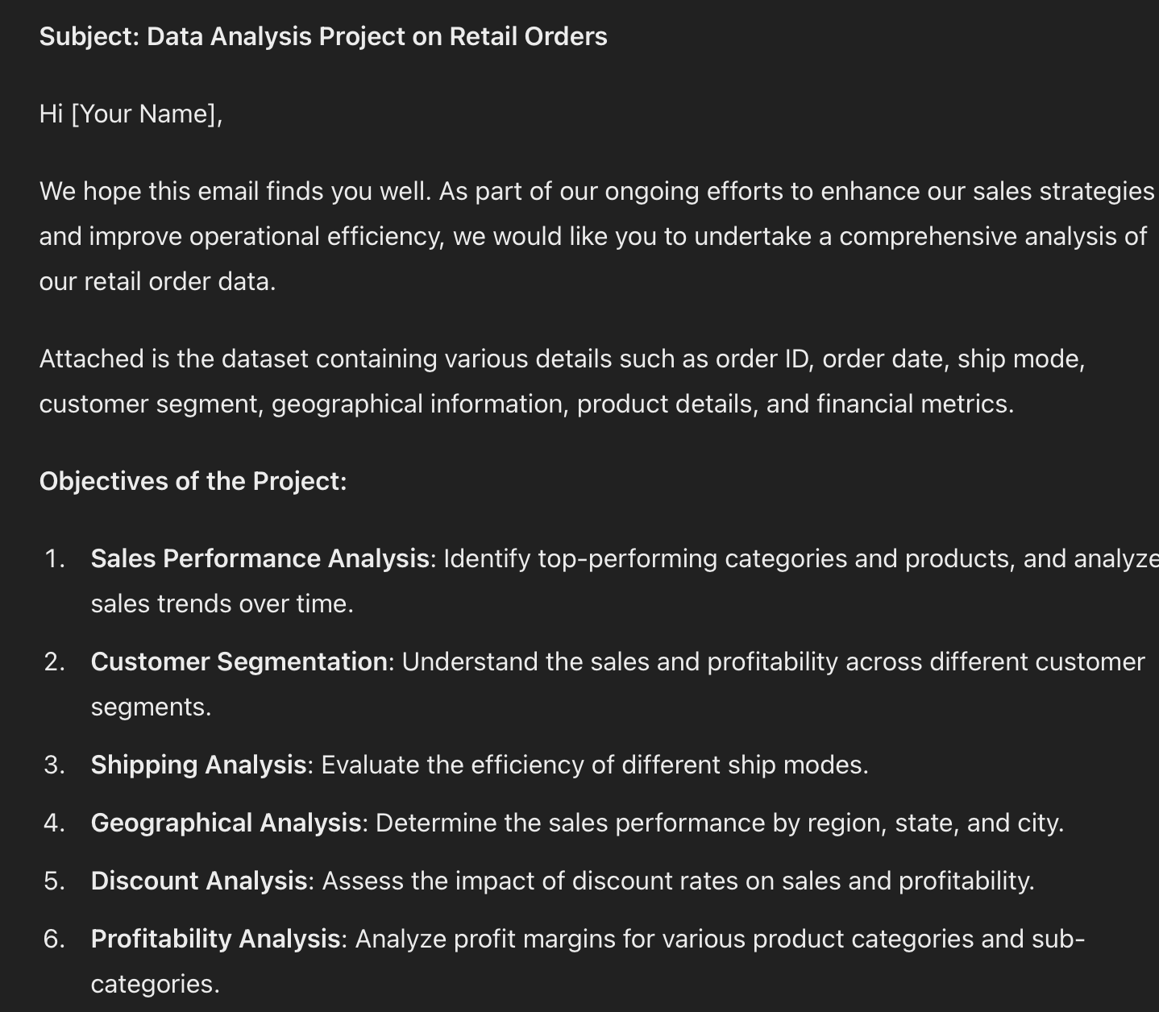
Profi by Category
 |  | categories
 |  | Row Labels | Sum of profit
 |  | Furniture | 66480.7
 |  | Office Supplies | 62254.5
 |  | Technology | 76433.5
 |  | Grand Total | 205168.7

 |  | sales trend
 |  | year | 2022 | year | 2023

Sale Trends over time
 |  | Row Labels | Sum of sale_price | Row Labels | Sum of sale_price | Month | 2022 Sales | 2023 Sales
 |  | Jan | 94712.5 | Jan | 88632.6 | Jan | 94712.5 | 88632.6
 |  | Feb | 90091 | Feb | 128124.2 | Feb | 90091 | 128124.2
 |  | Mar | 80106 | Mar | 82512.3 | Mar | 80106 | 82512.3
 |  | Apr | 95451.6 | Apr | 111568.6 | Apr | 95451.6 | 111568.6
 |  | May | 79448.3 | May | 86447.9 | May | 79448.3 | 86447.9
 |  | Jun | 94170.5 | Jun | 68976.5 | Jun | 94170.5 | 68976.5
 |  | Jul | 78652.2 | Jul | 90563.8 | Jul | 78652.2 | 90563.8
 |  | Aug | 104808 | Aug | 87733.6 | Aug | 104808 | 87733.6
 |  | Sep | 79142.2 | Sep | 76658.6 | Sep | 79142.2 | 76658.6
 |  | Oct | 118912.7 | Oct | 121061.5 | Oct | 118912.7 | 121061.5
 |  | Nov | 84225.3 | Nov | 75432.8 | Nov | 84225.3 | 75432.8
 |  | Dec | 95869.9 | Dec | 102556.1 | Dec | 95869.9 | 102556.1
 |  | Grand Total | 1095590.2 | Grand Total | 1120268.5

Segment Profit
 |  | Customer
 |  | Row Labels | Sum of profit
 |  | Consumer | 101586
Primary KPI: |  | Corporate | 65637.7
 |  | Home Office | 37945
KPI's: | Categories | Grand Total | 205168.7
 | products
 | Sales trend
Price sold by Shipping Mode
Additional: | customer segments | Shipping
 | shipping | Row Labels | Sum of sale_price
 | geographical | Unavailable | 2828
 | discount | Same Day | 123747.2
 | profit | First Class | 339242.3
 |  | Second Class | 442976.1
 |  | Standard Class | 1307065.1
 |  | Grand Total | 2215858.7

 |  | Geographical

 |  | Sum of sale_price | Column Labels
 |  | Row Labels | Central | East | South | West | Grand Total |  | State | Central | East | South | West | State | Sale Price
 |  | Alabama |  |  | 18844 |  | 18844 |  | Alabama | 0.0K | 0.0K | 18.8K | 0.0K | Alabama | 18.8K
 |  | Arizona |  |  |  | 34002.2 | 34002.2 |  | Arizona | 0.0K | 0.0K | 0.0K | 34.0K | Arizona | 34.0K
 |  | Arkansas |  |  | 11247.1 |  | 11247.1 |  | Arkansas | 0.0K | 0.0K | 11.2K | 0.0K | Arkansas | 11.2K
 |  | California |  |  |  | 441657 | 441657 |  | California | 0.0K | 0.0K | 0.0K | 441.7K | California | 441.7K
 |  | Colorado |  |  |  | 30899.3 | 30899.3 |  | Colorado | 0.0K | 0.0K | 0.0K | 30.9K | Colorado | 30.9K
 |  | Connecticut |  | 12901.6 |  |  | 12901.6 |  | Connecticut | 0.0K | 12.9K | 0.0K | 0.0K | Connecticut | 12.9K
 |  | Delaware |  | 26427.3 |  |  | 26427.3 |  | Delaware | 0.0K | 26.4K | 0.0K | 0.0K | Delaware | 26.4K
 |  | District of Columbia |  | 2789.3 |  |  | 2789.3 |  | District of Columbia | 0.0K | 2.8K | 0.0K | 0.0K | District of Columbia | 2.8K
 |  | Florida |  |  | 86071.1 |  | 86071.1 |  | Florida | 0.0K | 0.0K | 86.1K | 0.0K | Florida | 86.1K
 |  | Georgia |  |  | 47398.4 |  | 47398.4 |  | Georgia | 0.0K | 0.0K | 47.4K | 0.0K | Georgia | 47.4K
 |  | Idaho |  |  |  | 4225.2 | 4225.2 |  | Idaho | 0.0K | 0.0K | 0.0K | 4.2K | Idaho | 4.2K
 |  | Illinois | 77164.8 |  |  |  | 77164.8 |  | Illinois | 77.2K | 0.0K | 0.0K | 0.0K | Illinois | 77.2K
 |  | Indiana | 51746.5 |  |  |  | 51746.5 |  | Indiana | 51.7K | 0.0K | 0.0K | 0.0K | Indiana | 51.7K
 |  | Iowa | 4413.1 |  |  |  | 4413.1 |  | Iowa | 4.4K | 0.0K | 0.0K | 0.0K | Iowa | 4.4K
 |  | Kansas | 2815.5 |  |  |  | 2815.5 |  | Kansas | 2.8K | 0.0K | 0.0K | 0.0K | Kansas | 2.8K
 |  | Kentucky |  |  | 35391.6 |  | 35391.6 |  | Kentucky | 0.0K | 0.0K | 35.4K | 0.0K | Kentucky | 35.4K
 |  | Louisiana |  |  | 8931.5 |  | 8931.5 |  | Louisiana | 0.0K | 0.0K | 8.9K | 0.0K | Louisiana | 8.9K
 |  | Maine |  | 1239.9 |  |  | 1239.9 |  | Maine | 0.0K | 1.2K | 0.0K | 0.0K | Maine | 1.2K
 |  | Maryland |  | 22832.5 |  |  | 22832.5 |  | Maryland | 0.0K | 22.8K | 0.0K | 0.0K | Maryland | 22.8K
 |  | Massachusetts |  | 27606.4 |  |  | 27606.4 |  | Massachusetts | 0.0K | 27.6K | 0.0K | 0.0K | Massachusetts | 27.6K
 |  | Michigan | 73519.5 |  |  |  | 73519.5 |  | Michigan | 73.5K | 0.0K | 0.0K | 0.0K | Michigan | 73.5K
 |  | Minnesota | 28929.2 |  |  |  | 28929.2 |  | Minnesota | 28.9K | 0.0K | 0.0K | 0.0K | Minnesota | 28.9K
 |  | Mississippi |  |  | 10397.4 |  | 10397.4 |  | Mississippi | 0.0K | 0.0K | 10.4K | 0.0K | Mississippi | 10.4K
 |  | Missouri | 21468 |  |  |  | 21468 |  | Missouri | 21.5K | 0.0K | 0.0K | 0.0K | Missouri | 21.5K
 |  | Montana |  |  |  | 5340.5 | 5340.5 |  | Montana | 0.0K | 0.0K | 0.0K | 5.3K | Montana | 5.3K
 |  | Nebraska | 7228.5 |  |  |  | 7228.5 |  | Nebraska | 7.2K | 0.0K | 0.0K | 0.0K | Nebraska | 7.2K
 |  | Nevada |  |  |  | 16158.2 | 16158.2 |  | Nevada | 0.0K | 0.0K | 0.0K | 16.2K | Nevada | 16.2K
 |  | New Hampshire |  | 7024.5 |  |  | 7024.5 |  | New Hampshire | 0.0K | 7.0K | 0.0K | 0.0K | New Hampshire | 7.0K
 |  | New Jersey |  | 34437.3 |  |  | 34437.3 |  | New Jersey | 0.0K | 34.4K | 0.0K | 0.0K | New Jersey | 34.4K
 |  | New Mexico |  |  |  | 4619 | 4619 |  | New Mexico | 0.0K | 0.0K | 0.0K | 4.6K | New Mexico | 4.6K
 |  | New York |  | 299597.5 |  |  | 299597.5 |  | New York | 0.0K | 299.6K | 0.0K | 0.0K | New York | 299.6K
 |  | North Carolina |  |  | 53701.4 |  | 53701.4 |  | North Carolina | 0.0K | 0.0K | 53.7K | 0.0K | North Carolina | 53.7K
 |  | North Dakota | 877.7 |  |  |  | 877.7 |  | North Dakota | 0.9K | 0.0K | 0.0K | 0.0K | North Dakota | 0.9K
 |  | Ohio |  | 75531.4 |  |  | 75531.4 |  | Ohio | 0.0K | 75.5K | 0.0K | 0.0K | Ohio | 75.5K
 |  | Oklahoma | 18956.2 |  |  |  | 18956.2 |  | Oklahoma | 19.0K | 0.0K | 0.0K | 0.0K | Oklahoma | 19.0K
 |  | Oregon |  |  |  | 16842.7 | 16842.7 |  | Oregon | 0.0K | 0.0K | 0.0K | 16.8K | Oregon | 16.8K
 |  | Pennsylvania |  | 112417.4 |  |  | 112417.4 |  | Pennsylvania | 0.0K | 112.4K | 0.0K | 0.0K | Pennsylvania | 112.4K
 |  | Rhode Island |  | 21716.4 |  |  | 21716.4 |  | Rhode Island | 0.0K | 21.7K | 0.0K | 0.0K | Rhode Island | 21.7K
 |  | South Carolina |  |  | 8192.5 |  | 8192.5 |  | South Carolina | 0.0K | 0.0K | 8.2K | 0.0K | South Carolina | 8.2K
 |  | South Dakota | 1276.8 |  |  |  | 1276.8 |  | South Dakota | 1.3K | 0.0K | 0.0K | 0.0K | South Dakota | 1.3K
 |  | Tennessee |  |  | 29538 |  | 29538 |  | Tennessee | 0.0K | 0.0K | 29.5K | 0.0K | Tennessee | 29.5K
 |  | Texas | 164276.9 |  |  |  | 164276.9 |  | Texas | 164.3K | 0.0K | 0.0K | 0.0K | Texas | 164.3K
 |  | Utah |  |  |  | 10798.8 | 10798.8 |  | Utah | 0.0K | 0.0K | 0.0K | 10.8K | Utah | 10.8K
 |  | Vermont |  | 8627.9 |  |  | 8627.9 |  | Vermont | 0.0K | 8.6K | 0.0K | 0.0K | Vermont | 8.6K
 |  | Virginia |  |  | 68298.5 |  | 68298.5 |  | Virginia | 0.0K | 0.0K | 68.3K | 0.0K | Virginia | 68.3K
 |  | Washington |  |  |  | 133779.7 | 133779.7 |  | Washington | 0.0K | 0.0K | 0.0K | 133.8K | Washington | 133.8K
 |  | West Virginia |  | 1170.6 |  |  | 1170.6 |  | West Virginia | 0.0K | 1.2K | 0.0K | 0.0K | West Virginia | 1.2K
 |  | Wisconsin | 30995.9 |  |  |  | 30995.9 |  | Wisconsin | 31.0K | 0.0K | 0.0K | 0.0K | Wisconsin | 31.0K
 |  | Wyoming |  |  |  | 1536 | 1536 |  | Wyoming | 0.0K | 0.0K | 0.0K | 1.5K | Wyoming | 1.5K
 |  | Grand Total | 483668.6 | 654320 | 378011.5 | 699858.6 | 2215858.7

Discount percent

 |  | discount
 |  | Row Labels | Sum of sale_price |  | Row Labels | Sum of profit
 |  | 2 | 563500 |  | 2 | 59380
 |  | 3 | 563482.7 |  | 3 | 54992.7
 |  | 4 | 538560 |  | 4 | 48820
 |  | 5 | 550316 |  | 5 | 41976
 |  | Grand Total | 2215858.7 |  | Grand Total | 205168.7

Profit

 |  | slicers/timelines

