tablo
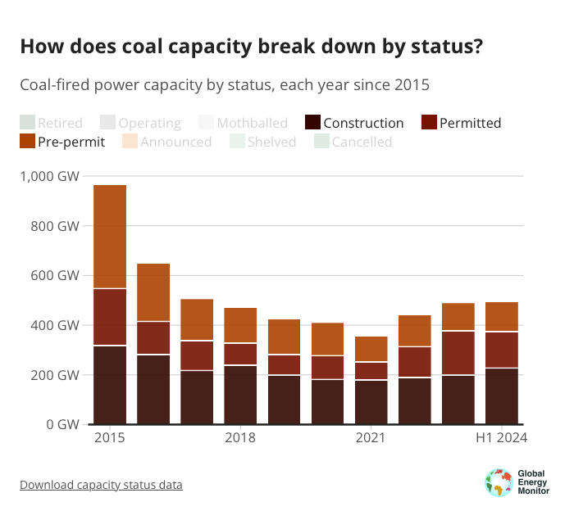
Row Labels | Sum of Pre-permit | Sum of Permitted | Sum of Construction | Sum of Operating
Grand Total | 451.678 | 564.8752 | 876.28 | 8527.7515
Global | 118.942 | 146.1338 | 227.4985 | 2125.5271 | 11%
G20 | 107.267 | 136.3038 | 215.559 | 1968.1992 | 11%
BRICS | 103.094 | 133.3838 | 204.329 | 1472.0884 | 14%
China | 68.898 | 114.9488 | 173.484 | 1147.231 | 15%
India | 32.93 | 16.38 | 29.48 | 239.6452 | 12%
Indonesia | 1.64 | 0 | 9.815 | 52.3166 | 19%
Vietnam | 0.65 | 2 | 4.043 | 27.239 | 15%
Bangladesh | 1.05 | 0 | 3.24 | 5.435 | 60%
OECD | 2.533 | 2.92 | 1.295 | 442.9242 | 0%
South Korea | 0 | 0 | 1.05 | 41.184 | 3%
South Africa | 0 | 1.455 | 0.8 | 44.2241 | 2%
Pakistan | 1.32 | 1.29 | 0.7315 | 7.638 | 10%
Laos | 0.35 | 3.8 | 0.66 | 1.878 | 35%
Iran | 0 | 0 | 0.65 | 0
Nigeria | 0 | 0 | 0.6 | 0.2845
Philippines | 1.689 | 0.27 | 0.585 | 12.2324
Russia | 0.54 | 0 | 0.565 | 37.8111
Mongolia | 0.45 | 0.45 | 0.35 | 0.995
Serbia | 0 | 0 | 0.35 | 4.435
Zimbabwe | 0.75 | 1.12 | 0.27 | 1.67
Cambodia | 0 | 0 | 0.265 | 1.455
Kazakhstan | 1.872 | 0 | 0.195 | 12.976
Türkiye | 0.688 | 2.92 | 0.145 | 20.4732
Argentina | 0 | 0 | 0.12 | 0.495
EU27 | 0 | 0 | 0.1 | 97.4918
Poland | 0 | 0 | 0.1 | 28.457

 |  |  |  |  |  |  |  |  | construction | izin | önizin
 |  |  |  |  |  |  |  | H! | 227.5 | 146.1 | 118.9

 |  |  | Önizindekiler | İzin Alınan | İnşaatta Olan | Mevcut Kapasite | İnşaattakilerin Oranı | İzindekilerin Oran
 |  | Toplam | 451.678 | 564.8752 | 876.28 | 8527.7515 | 10% | 7%
 |  | Küresel | 118.942 | 146.1338 | 227.4985 | 2125.5271 | 11% | 7%
 |  | G20 | 107.267 | 136.3038 | 215.559 | 1968.1992 | 11% | 7%
 |  | BRICS | 103.094 | 133.3838 | 204.329 | 1472.0884 | 14% | 9%
 |  | Çin | 68.898 | 114.9488 | 173.484 | 1147.231 | 15% | 10%
 |  | Hindistan | 32.93 | 16.38 | 29.48 | 239.6452 | 12% | 7%
 |  | Endonezya | 1.64 | 0 | 9.815 | 52.3166 | 19% | 0% |  | 220.062
 |  | Vietnam | 0.65 | 2 | 4.043 | 27.239 | 15% | 7%
 |  | Bangladeş | 1.05 | 0 | 3.24 | 5.435 | 60% | 0%
 |  | OECD | 2.533 | 2.92 | 1.295 | 442.9242 | 0% | 1%
 |  | Kore | 0 | 0 | 1.05 | 41.184 | 3% | 0%
 |  | Güney Afrika | 0 | 1.455 | 0.8 | 44.2241 | 2% | 3%
 |  | Pakistan | 1.32 | 1.29 | 0.7315 | 7.638 | 10% | 17%
 |  | Laos | 0.35 | 3.8 | 0.66 | 1.878 | 35% | 202%
 |  | İran | 0 | 0 | 0.65 | 0
 |  | Nijerya | 0 | 0 | 0.6 | 0.2845 | 211% | 0%
 |  | Filipinler | 1.689 | 0.27 | 0.585 | 12.2324 | 5% | 2%
 |  | Rusya | 0.54 | 0 | 0.565 | 37.8111 | 1% | 0%
 |  | Moğolistan | 0.45 | 0.45 | 0.35 | 0.995 | 35% | 45%
 |  | Sırbistan | 0 | 0 | 0.35 | 4.435 | 8% | 0%
 |  | Zimbabve | 0.75 | 1.12 | 0.27 | 1.67 | 16% | 67%
 |  | Kamboçya | 0 | 0 | 0.265 | 1.455 | 18% | 0%
 |  | Kazakistan | 1.872 | 0 | 0.195 | 12.976 | 2% | 0%
 |  | Türkiye | 0.688 | 2.92 | 0.145 | 20.4732 | 1% | 14%
 |  | Arjantin | 0 | 0 | 0.12 | 0.495 | 24% | 0%
 |  | EU27 | 0 | 0 | 0.1 | 97.4918 | 0% | 0%
 |  | Polonya | 0 | 0 | 0.1 | 28.457 | 0% | 0%

