Sheet3
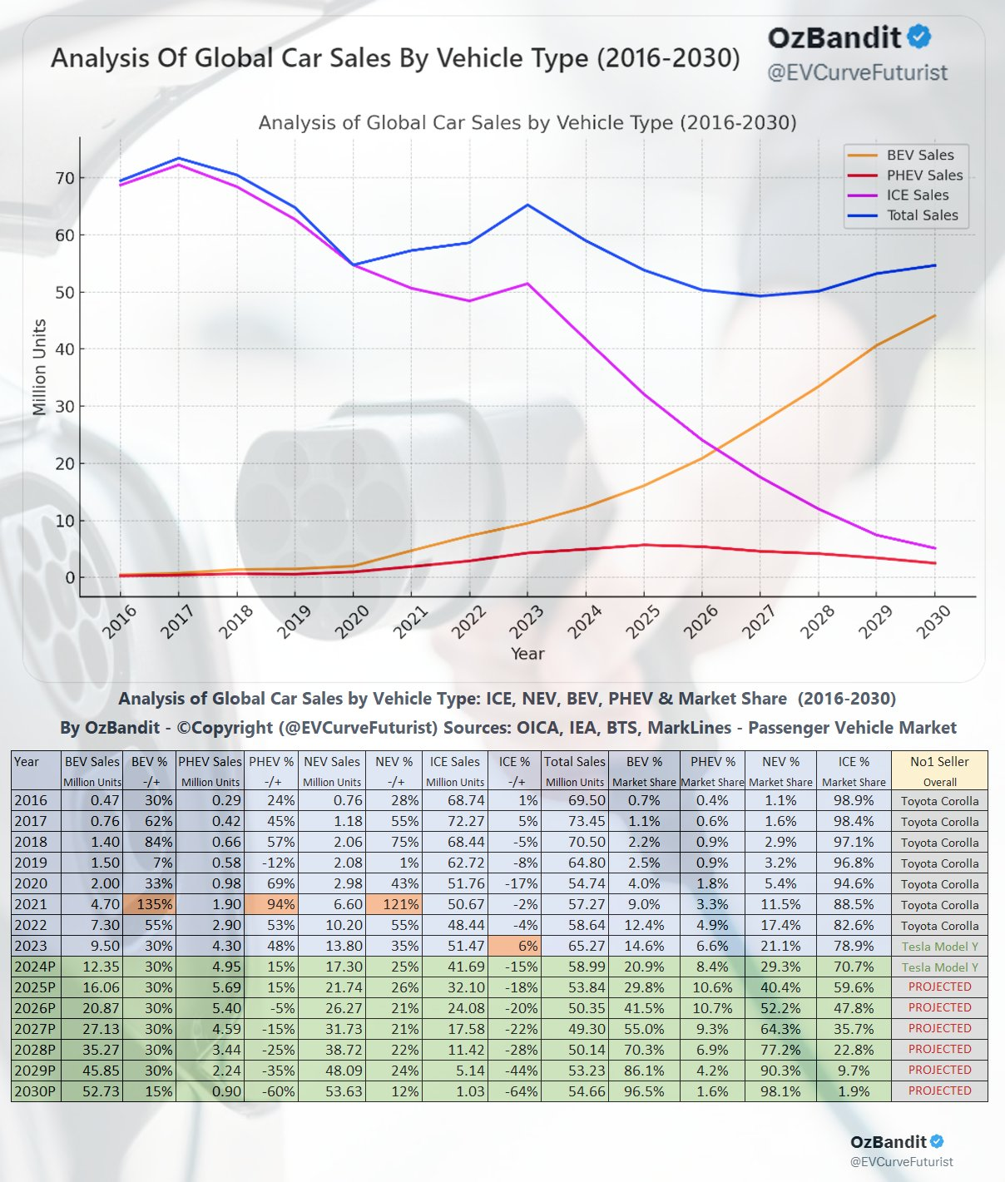
https://x.com/EVCurveFuturist/status/1847961703537074487/photo/1

