Init
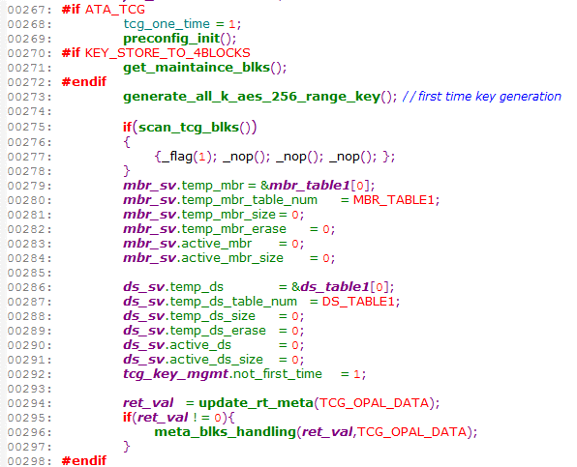
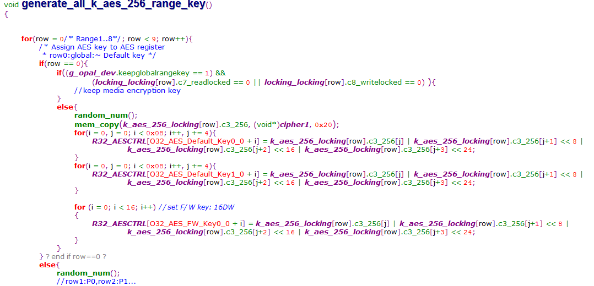
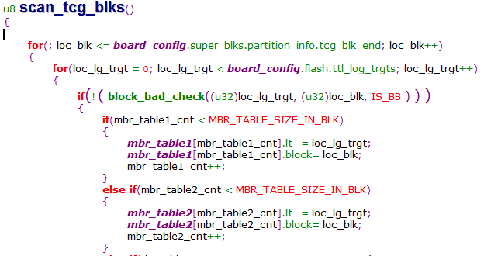
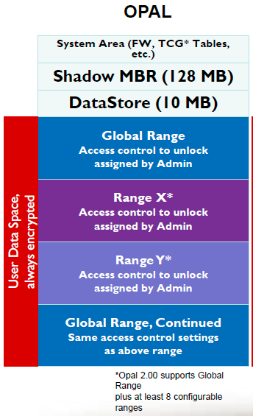
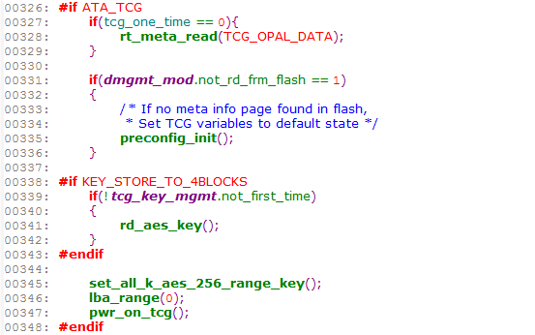
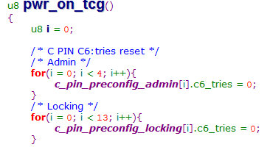
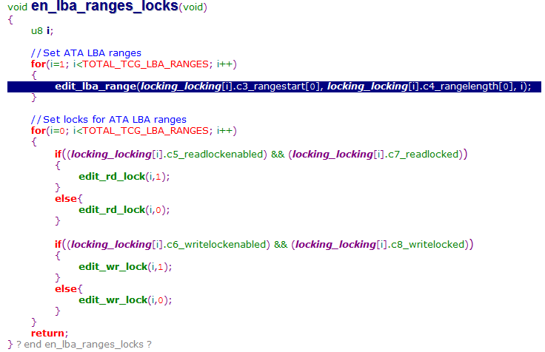
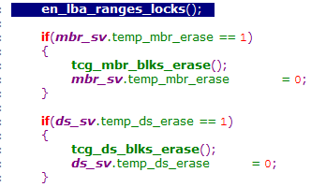
 | 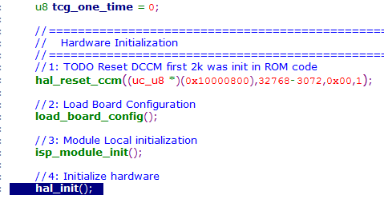 | 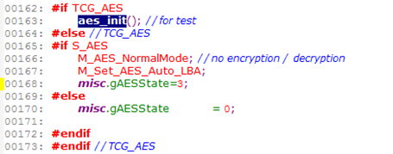 | 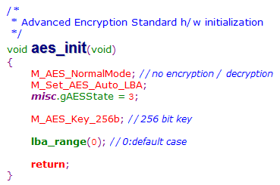 | 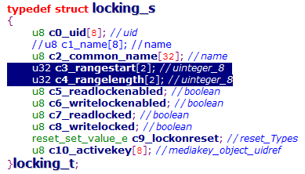
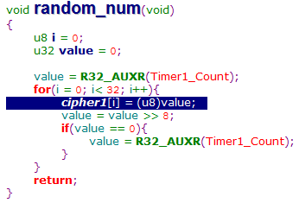
h

ReadWrite
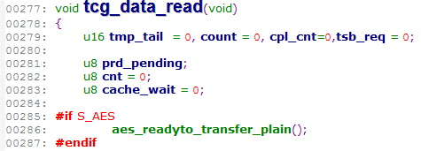
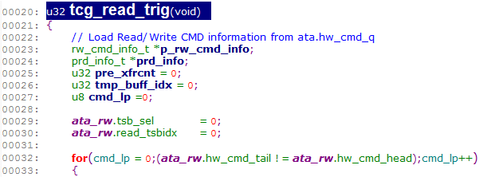
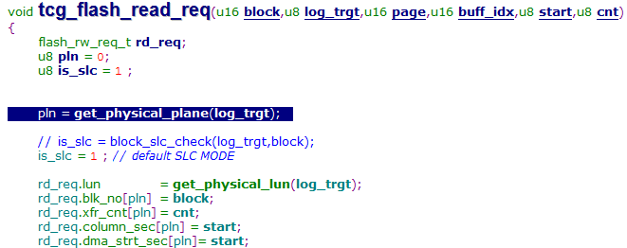

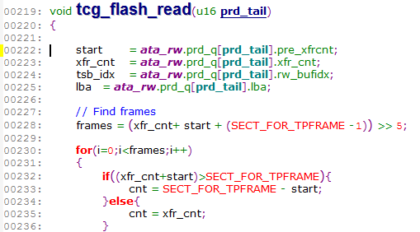

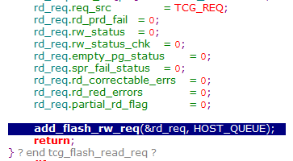

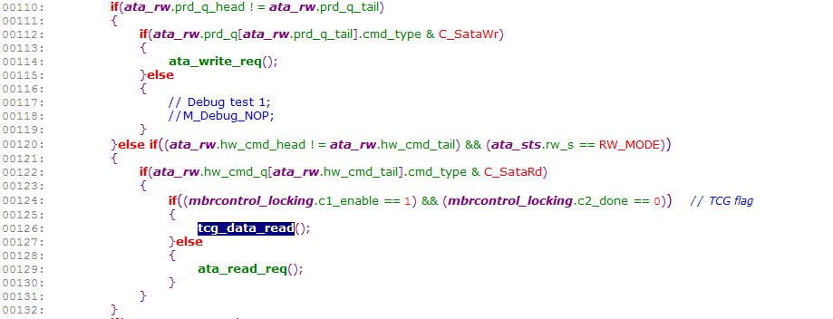

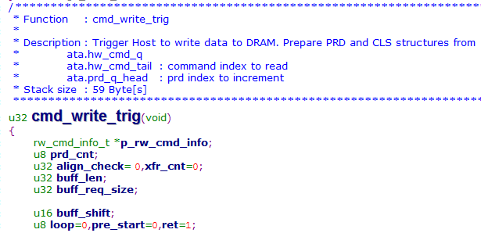

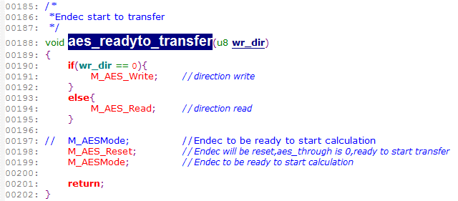

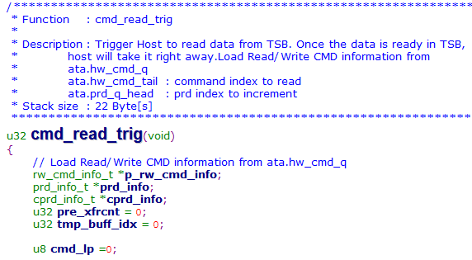

Flow
main()

dgmgt_module_init()
rt_meta_rd[TCG_OPAL_DATA].tag_check = rt_meta_wr[TCG_OPAL_DATA].tag_write = TCGD; rt_meta_wr[TCG_OPAL_DATA].tcg_key_seq_no = 1; tcg_key_mgmt.tag_write = TKEY; tcg_key_mgmt.seq_no = 1; tcg_key_mgmt.is_prog_done = 1; tcg_key_mgmt.av_blk_cnt = 0;

find_rt_blocks(TCG_OPAL_DATA)
 | block = board_config.super_blks.log_blk[MAX_COPIES]; log_trgt = board_config.super_blks.log_tgt[MAX_COPIES]; rt_meta_rd[TCG_OPAL_DATA].blk_info[MAX_COPIES].rt_blk = block; rt_meta_rd[TCG_OPAL_DATA].blk_info[MAX_COPIES].rt_tgt = log_trgt; SET_BIT(idx_bitmap,MAX_COPIES); rt_meta_rd[TCG_OPAL_DATA].idx++; rt_meta_wr[TCG_OPAL_DATA].ava_blks_cnt++; rt_meta_rd[TCG_OPAL_DATA].valid_offset = idx_bitmap; rt_meta_wr[TCG_OPAL_DATA].valid_offset = idx_bitmap;

get_rt_meta_info(TCG_OPAL_DATA)
 | size = TCGD_DRAM_SIZE; dmgmt_mod.dir_flag = TCG_OPAL_DATA; rt_meta_rd[meta_dir].rotation = MAX_COPIES; if ( find_latest_seq_no(TCG_OPAL_DATA, rt_meta_rd[TCG_OPAL_DATA].valid_offset) ) //If no latest info is found return with '0'. if(! (rd_data_handler(rt_meta_rd[TCG_OPAL_DATA].valid_offset, TCG_OPAL_DATA) ) ) //it will return with '1' of there an error.

FIRST_TIME_POWERON

Y
preconfig_init()
 | var_init(); tabletablepreconfig_admin[i] tabletablepreconfig_locking[i]

get_maintaince_blks()
 | if(!(block_bad_check(log_trgt, tcg_key_mgmt.working_blk, IS_BB))) { tcg_key_mgmt.saving_blks[index] = tcg_key_mgmt.working_blk; tcg_key_mgmt.saving_lt[index++] = log_trgt; tcg_key_mgmt.av_blk_cnt++; }

generate_all_k_aes_256_range_key()
rt_meta_read(TCG_OPAL_DATA)
 |  |  |  |  |  | rd_data_handler(rt_meta_rd[TCG_OPAL_DATA].valid_offset, TCG_OPAL_DATA);
 | random_num(); [O32_AES_Default_Key0_0 + i] = k_aes_256_locking[row].c3_256[j] update_rt_meta(TCG_OPAL_DATA); meta_blks_handling(ret_val,TCG_OPAL_DATA); prog_entire_blk();

N
scan_tcg_blks()
Debug_NOP
block_bad_check((u32)loc_lg_trgt, (u32)loc_blk, IS_BB )

Y
rd_aes_key()
 |  |  |  |  | find_key_mgmt_blks(); |  | tcg_key_mgmt.saving_blks[tcg_key_mgmt.blk_idx] = block; tcg_key_mgmt.saving_lt[tcg_key_mgmt.blk_idx] = log_trgt; tcg_key_mgmt.av_blk_cnt++;

update_rt_meta(TCG_OPAL_DATA)

meta_blks_handling(ret_val,TCG_OPAL_DATA)

set_all_k_aes_256_range_key()
 |  |  | [O32_AES_Default_Key0_0 + i] = k_aes_256_locking[row].c3_256[j]

lba_range(0)
 |  | [O8_AES_P_EN] = g_opal_dev.aes_partion_enable; [O32_AES_FW_P0_LBA_Start] = locking_locking[1].c3_rangestart[0]; [O32_AES_FW_P0_LBA_End] = locking_locking[1].c4_rangelength[0];

pwr_on_tcg()
 |  | session_var_reset();
 |  | en_lba_ranges_locks(); |  | edit_lba_range edit_rd_lock edit_wr_lock | c3_rangestart , c4_rangelength c5_readlockenabled && c7_readlocked c6_writelockenabled && c8_writelocked

while(1)

ata_module_handler()

CFATA_TCG_CMD
Y
tcg_cmd_service()

N

Command
 | 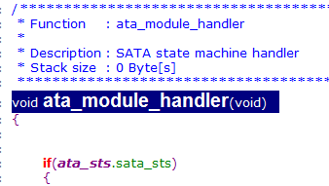 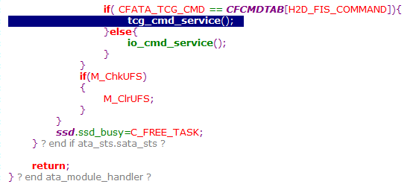 |  |  | 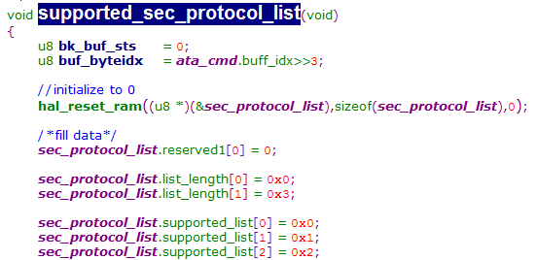 |  | 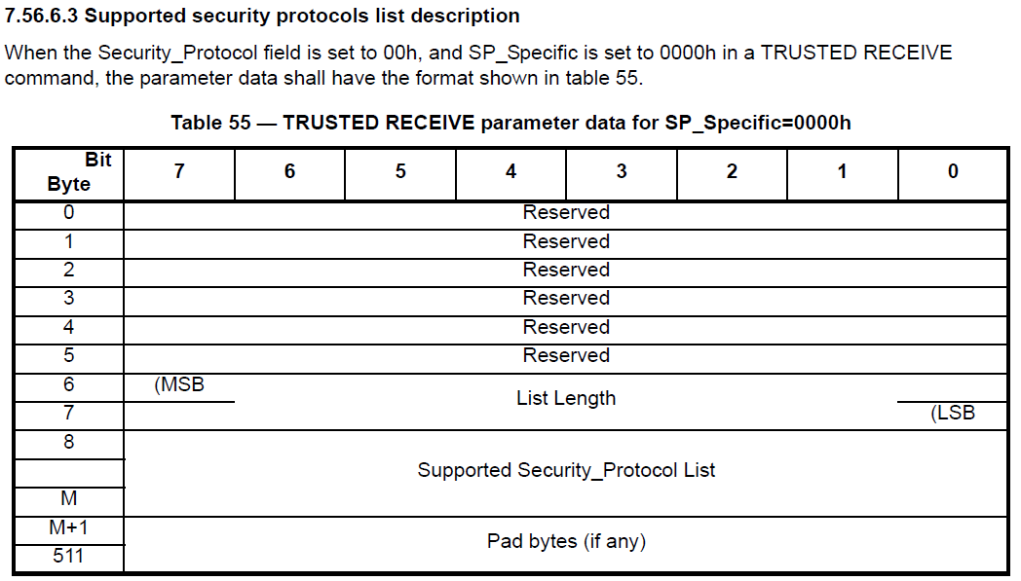
tcg_trusted_receive.c |  | 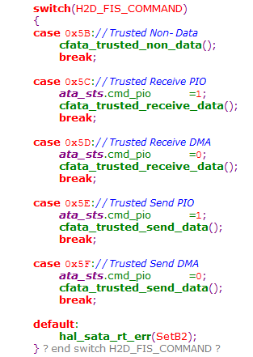 | 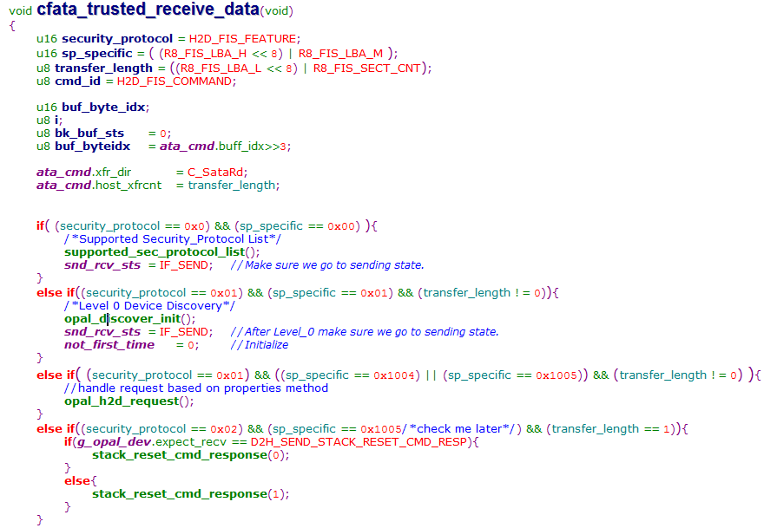 | 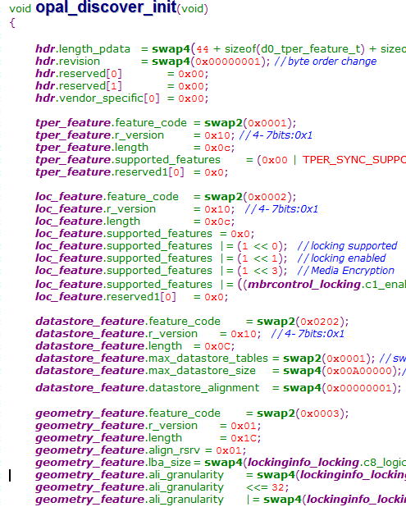 | 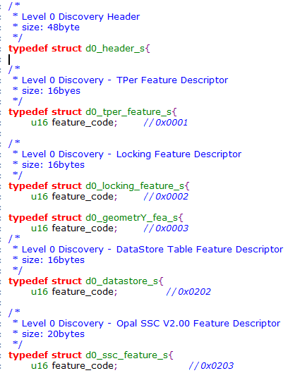 | 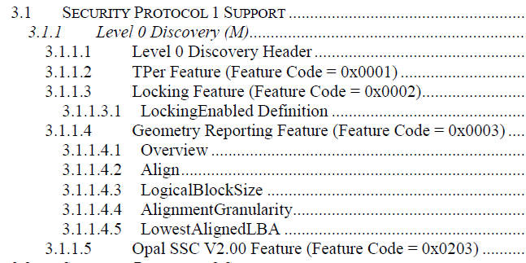
 | 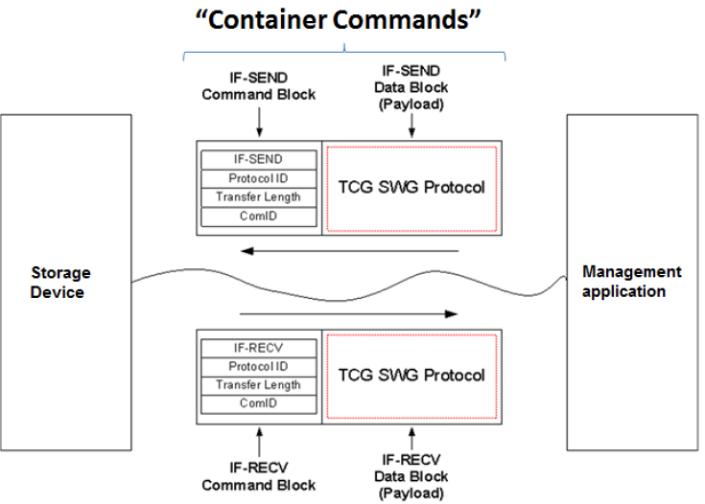 |  |  | 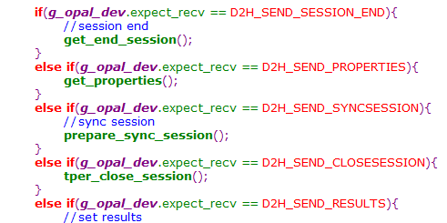 | 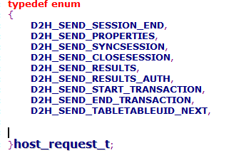
 |  |  |  | 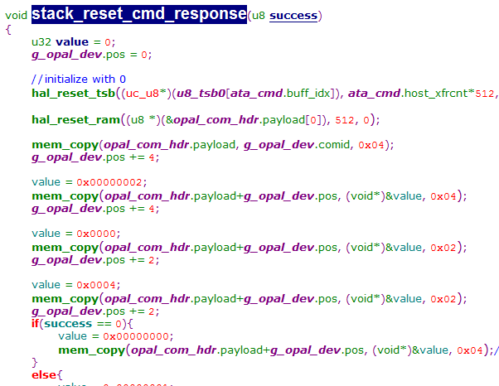 | 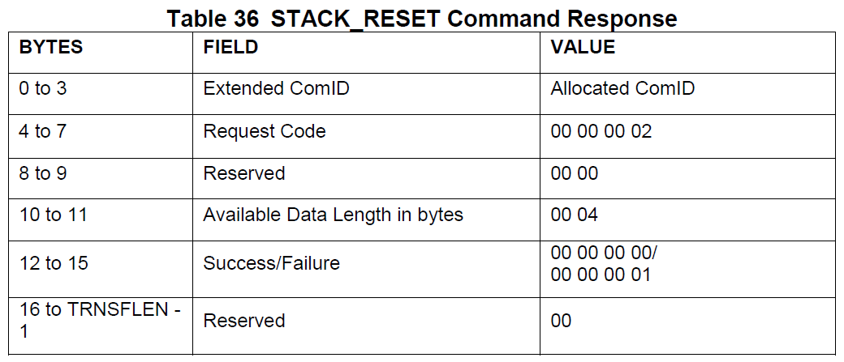
tcg_trusted_send.c
 |  |  | 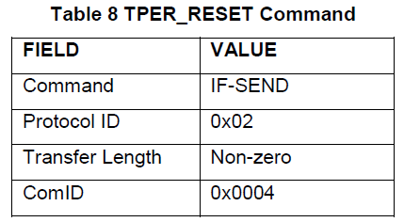 | 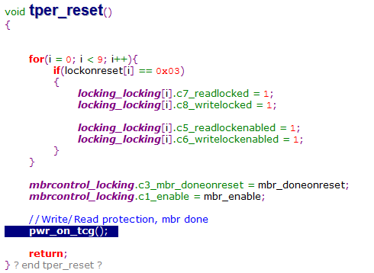 | 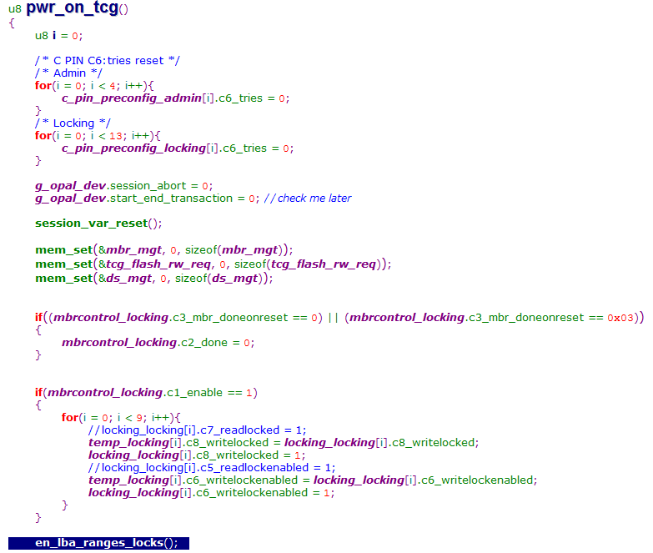 | 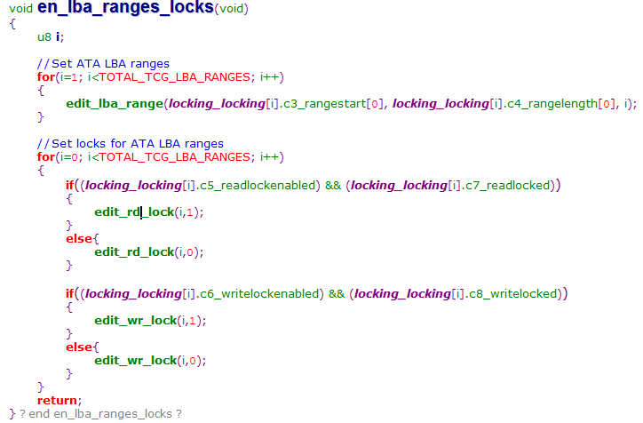 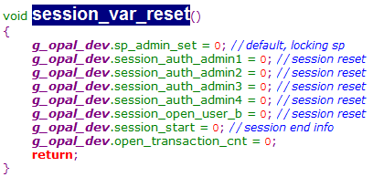
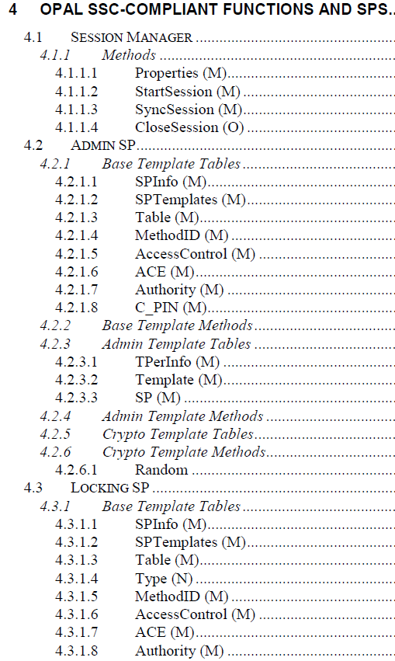
 |  |  | 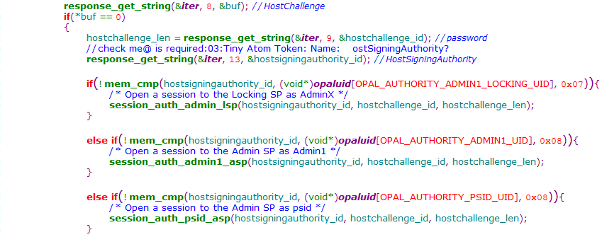
 |  |  | 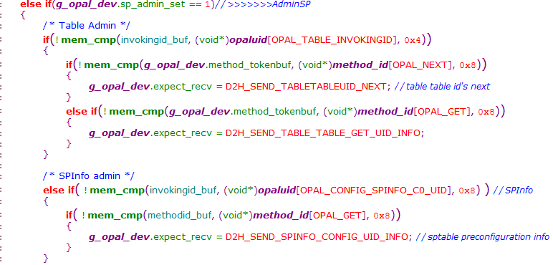
 |  |  | 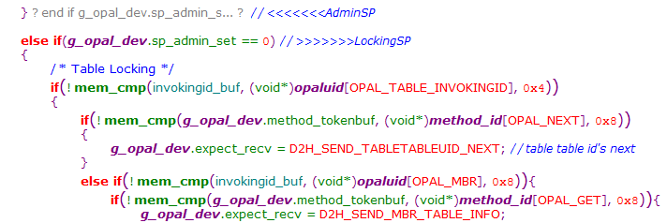

UCT01
*** UCT-01: Level 0 Discovery
SubCase 1: DMA: IF-RECV(Level 0 Discovery) with SP=01h; Spcf=01h; Xfer=01h: Pass

SubCase 2: Check the returned values from Level 0 Discovery
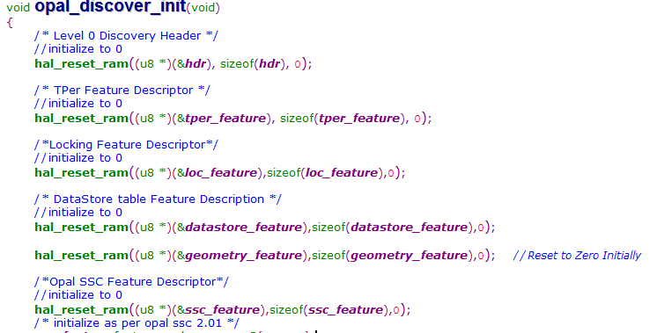
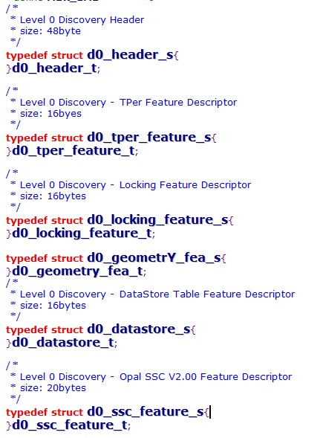
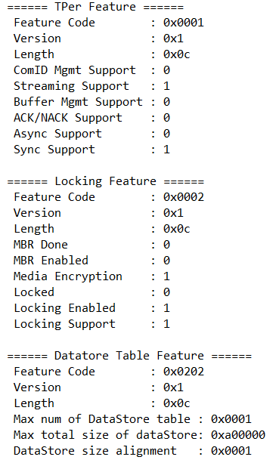

The SD returns the following values for Level 0 Discovery:
a. TPer Feature
i. Feature Code = 0x0001
ii. Streaming Supported = 1
iii. Sync Supported = 1
b. Locking Feature
i. Feature Code = 0x0002
ii. For Opal 1.00, Opal 2.00, Opal 2.01, Opalite 1.00, and Ruby 1.00, Media Encryption = 1
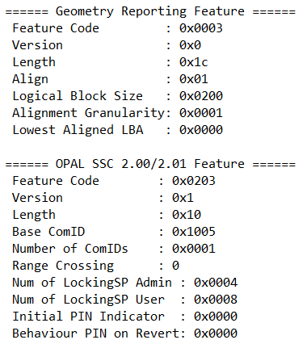
iii. For Pyrite 1.00 and Pyrite 2.00, Media Encryption = 0
iv. Locking Supported = 1
The SD returns the following values for Opal SSC 2.00 or 2.01:
a. Opal SSC 2.00 and 2.01 Feature
i. Feature Code = 0x0203
ii. Number of ComIDs >= 1
iii. Number of Locking SP Admin Authorities >= 4
iv. Number of Locking SP User Authorities >= 8
b. Geometry Reporting Feature
i. Feature Code = 0x0003
c. Additional DataStore Table Feature
i. Feature Code = 0x0202
ii. Maximum number of DataStore Tables >= 1
iii. Maximum total size of DataStore Tables >= 0xA0000
iv. DataStore Table size alignment >= 1

UCT02
*** UCT-02: Properties
SubCase 1: DMA: Properties with Host properties; Response - Pass

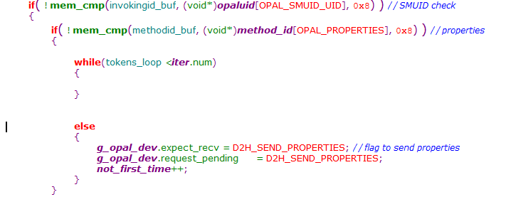

 | ******** Data Payload ******** F8h : Token - Call A8h Invoking UID : 00000000000000FFh ( SMUID ) A8h Method UID : 000000000000FF01h ( Properties ) F0h : Token - Start List F2h : Token - Start Name 00h F0h : Token - Start List F2h : Token - Start Name D0h 10h 0052 4D 61 78 43 6F 6D 50 61 63 6B 65 74 53 69 7A 65 MaxComPacketSize ( 4D6178436F6D5061636B657453697A65|| MaxComPacketSize ) 82h 0063 10 00 ( 1000h ) F3h : Token - End Name |  | ******** Data Payload ******** F8h : Token - Call A8h Invoking UID : 00000000000000FFh ( SMUID ) A8h Method UID : 000000000000FF01h ( Properties ) F0h : Token - Start List F0h : Token - Start List F2h : Token - Start Name D0h 10h 0050 4D 61 78 43 6F 6D 50 61 63 6B 65 74 53 69 7A 65 MaxComPacketSize ( 4D6178436F6D5061636B657453697A65|| MaxComPacketSize ) 82h 0061 20 00 ( 2000h ) F3h : Token - End Name

 | 007B 4D 61 78 49 6E 64 54 6F 6B 65 6E 53 69 7A 65 MaxIndTokenSize ( 4D6178496E64546F6B656E53697A65|| MaxIndTokenSize ) 82h 008B 0F C8 ( FC8h ) F3h : Token - End Name F1h : Token - End List F3h : Token - End Name F1h : Token - End List F9h : Token - End Data F0h : Token - Start List 00h ( SUCCESS ) 00h 00h F1h : Token - End List ====== End ====== |  | 01CE F3 F2 AA 4D 61 78 4D 65 74 68 6F 64 73 01 F3 ...MaxMethods.. ( F3F2AA4D61784D6574686F647301F3|| óòªMaxMethodsó ) F1h : Token - End List F3h : Token - End Name F1h : Token - End List F9h : Token - End Data F0h : Token - Start List 00h ( SUCCESS ) 00h 00h F1h : Token - End List ====== End ====== * Method Status Code (00h) - Success ----- PASS

SubCase 2: Check the returned Host and TPer properties from Properties method
 | 
The SD returns the following values for Host Properties:
a. MaxComPacketSize >= 2048 bytes and <= 4096 bytes
b. MaxPacketSize >= 2028 bytes and <= 4076 bytes
c. MaxIndTokenSize >= 1992 bytes and <= 4040 bytes

UCT03
*** UCT-03: Taking Ownership of an SD
SubCase 1: StartSession - Admin SP; Sync Session: Pass



******** Data Payload ********
F8h : Token - Call
A8h |  | ******** Data Payload ********
Invoking UID : 00000000000000FFh ( SMUID ) |  | F8h : Token - Call
A8h |  | A8h
Method UID : 000000000000FF02h ( StartSession ) |  | Invoking UID : 00000000000000FFh ( SMUID )
F0h : Token - Start List |  | A8h
01h |  | Method UID : 000000000000FF03h ( SyncSession )
A8h |  | F0h : Token - Start List
004E 00 00 02 05 00 00 00 01 ........ |  | 84h
( 0000020500000001|| ) |  | 004D 00 00 00 01
01h |  | ( 1h )
F1h : Token - End List |  | 84h

F9h : Token - End Data |  | 0052 00 00 00 03
F0h : Token - Start List |  | ( 3h )
00h |  | F1h : Token - End List
( SUCCESS ) |  | F9h : Token - End Data
00h | * HostSessionID : 00000001h | F0h : Token - Start List
00h | * SPSessionID : 00000003h | 00h
F1h : Token - End List |  | ( SUCCESS )
====== End ====== |  | 00h
 |  | 00h
 |  | F1h : Token - End List
 |  | ====== End ======

SubCase 2: Get Request - C_PIN_MSID; Get Response: Pass


 |  | ******** Data Payload ********
******** Data Payload ******** |  | F0h : Token - Start List
F8h : Token - Call |  | F0h : Token - Start List
A8h |  | F2h : Token - Start Name
Invoking UID : 0000000B00008402h ( C_PIN_MSID ) |  | 03h
A8h |  | D0h
Method UID : 0000000600000016h ( Get(OPAL) ) |  | 12h

F0h : Token - Start List |  | 003E 6F 70 61 6C 5F 74 65 73 74 5F 70 61 73 73 77 6F opal_test_passwo
F0h : Token - Start List |  | 004E 72 64 rd
F2h : Token - Start Name |  | ( 6F70616C5F746573745F70617373776F7264|| opal_test_password )
03h |  | F3h : Token - End Name
03h |  | F1h : Token - End List
F3h : Token - End Name |  | F1h : Token - End List
F2h : Token - Start Name |  | F9h : Token - End Data
04h |  | F0h : Token - Start List
03h |  | 00h
F3h : Token - End Name |  | ( SUCCESS )
F1h : Token - End List | ColAddr = 3 | 00h
F1h : Token - End List | Val (HEX Byte) = 6F70616C5F746573745F70617373776F7264 | 00h
F9h : Token - End Data | Val (ASCII str) = opal_test_password | F1h : Token - End List
F0h : Token - Start List |  | ====== End ======
00h
( SUCCESS )
00h
00h
F1h : Token - End List
====== End ======

SubCase 3: End Request - Admin SP; End Response: Pass


******** Data Payload ********
FAh : Token - End Session
====== End ======

 |  | ******** Data Payload ********
 |  | FAh : Token - End Session
 |  | ====== End ======

SubCase 4: StartSession with MSID's PIN as SID - Admin SP; Sync Session: Pass




 |  | ******** Data Payload ********
 |  | F8h : Token - Call
 |  | A8h
******** Data Payload ******** |  | Invoking UID : 00000000000000FFh ( SMUID )
F8h : Token - Call |  | A8h
A8h |  | Method UID : 000000000000FF03h ( SyncSession )
Invoking UID : 00000000000000FFh ( SMUID ) |  | F0h : Token - Start List
A8h |  | 84h
Method UID : 000000000000FF02h ( StartSession ) |  | 004D 00 00 00 01
F0h : Token - Start List |  | ( 1h )
01h |  | 84h
A8h |  | 0052 00 00 00 04
004E 00 00 02 05 00 00 00 01 ........ |  | ( 4h )
( 0000020500000001|| ) |  | F1h : Token - End List
01h |  | F9h : Token - End Data
F2h : Token - Start Name |  | F0h : Token - Start List
00h |  | 00h
D0h |  | ( SUCCESS )
12h |  | 00h
005B 6F 70 61 6C 5F 74 65 73 74 5F 70 61 73 73 77 6F opal_test_passwo |  | 00h
006B 72 64 rd |  | F1h : Token - End List
( 6F70616C5F746573745F70617373776F7264|| opal_test_password ) |  | ====== End ======
F3h : Token - End Name | * HostSessionID : 00000001h
F2h : Token - Start Name | * SPSessionID : 00000004h
03h
A8h
0071 00 00 00 09 00 00 00 06 ........
( 0000000900000006|| )
F3h : Token - End Name
F1h : Token - End List
F9h : Token - End Data
F0h : Token - Start List
00h
( SUCCESS )
00h
00h
F1h : Token - End List
====== End ======

SubCase 5: Set the password for SID as <SID_password>; Set Response: Pass




 |  | ******** Data Payload ********
 |  | FAh : Token - End Session
 |  | ====== End ======
******** Data Payload ******** |  | * Method Status Code (00h) - Success
F8h : Token - Call |  | ----- PASS
A8h
Invoking UID : 0000000B00000001h ( C_PIN_SID )
A8h
Method UID : 0000000600000017h ( Set(OPAL) )

F0h : Token - Start List
F2h : Token - Start Name
01h
F0h : Token - Start List
F2h : Token - Start Name
03h
D0h
12h
0053 6F 70 61 6C 5F 74 65 73 74 5F 70 61 73 73 77 6F opal_test_passwo
0063 72 64 rd
( 6F70616C5F746573745F70617373776F7264|| opal_test_password )
F3h : Token - End Name
F1h : Token - End List
F3h : Token - End Name
F1h : Token - End List
F9h : Token - End Data
F0h : Token - Start List
00h
( SUCCESS )
00h
00h
F1h : Token - End List
====== End ======

SubCase 6: End Request - Admin SP; End Response: Pass



******** Data Payload ********
FAh : Token - End Session
====== End ======

 |  | ******** Data Payload ********
 |  | FAh : Token - End Session
 |  | ====== End ======

SubCase 7: StartSession with <SID_password> as SID - Admin SP; Sync Session: Pass



 |  | ******** Data Payload ********
******** Data Payload ******** |  | F8h : Token - Call
F8h : Token - Call |  | A8h
A8h |  | Invoking UID : 00000000000000FFh ( SMUID )
Invoking UID : 00000000000000FFh ( SMUID ) |  | A8h
A8h |  | Method UID : 000000000000FF03h ( SyncSession )
Method UID : 000000000000FF02h ( StartSession ) |  | F0h : Token - Start List
F0h : Token - Start List |  | 84h
01h |  | 004D 00 00 00 01
A8h |  | ( 1h )
004E 00 00 02 05 00 00 00 01 ........ |  | 84h
( 0000020500000001|| ) |  | 0052 00 00 00 05
01h |  | ( 5h )
F2h : Token - Start Name |  | F1h : Token - End List
00h | * HostSessionID : 00000001h | F9h : Token - End Data
D0h | * SPSessionID : 00000005h | F0h : Token - Start List
12h |  | 00h
005B 6F 70 61 6C 5F 74 65 73 74 5F 70 61 73 73 77 6F opal_test_passwo |  | ( SUCCESS )
006B 72 64 rd |  | 00h
( 6F70616C5F746573745F70617373776F7264|| opal_test_password ) |  | 00h
F3h : Token - End Name |  | F1h : Token - End List
F2h : Token - Start Name |  | ====== End ======
03h
A8h
0071 00 00 00 09 00 00 00 06 ........
( 0000000900000006|| )
F3h : Token - End Name
F1h : Token - End List
F9h : Token - End Data
F0h : Token - Start List
00h
( SUCCESS )
00h
00h
F1h : Token - End List
====== End ======

SubCase 8: Set the password for Admin1 as <AdminSP_Admin1_password>; Set Response: Pass



 |  | ******** Data Payload ********
 |  | FAh : Token - End Session
******** Data Payload ******** |  | ====== End ======
F8h : Token - Call
A8h
Invoking UID : 0000000B00000201h ( C_PIN_Admin1 )
A8h
Method UID : 0000000600000017h ( Set(OPAL) )
F0h : Token - Start List
F2h : Token - Start Name
01h
F0h : Token - Start List
F2h : Token - Start Name
03h
D0h
20h
0053 3C 41 64 6D 69 6E 53 50 5F 41 64 6D 69 6E 31 5F <AdminSP_Admin1_
0063 70 61 73 73 77 6F 72 64 3E 5F 55 4C 49 4E 4B 31 password>_ULINK1
( 3C41646D696E53505F41646D696E315F70617373776F72643E5F554C494E4B31|| <AdminSP_Admin1_password>_ULINK1 )
F3h : Token - End Name
F1h : Token - End List
F3h : Token - End Name
F1h : Token - End List
F9h : Token - End Data
F0h : Token - Start List
00h
( SUCCESS )
00h
00h
F1h : Token - End List
====== End ======

SubCase 9: Set 'Enabled' to True for Admin1; Set Response: Pass


 |  | ******** Data Payload ********
 |  | FAh : Token - End Session
 |  | ====== End ======

******** Data Payload ********
F8h : Token - Call
A8h
Invoking UID : 0000000900000201h ( Admin1 )
A8h
Method UID : 0000000600000017h ( Set(OPAL) )
F0h : Token - Start List
F2h : Token - Start Name
01h
F0h : Token - Start List
F2h : Token - Start Name
05h
01h
F3h : Token - End Name
F1h : Token - End List
F3h : Token - End Name
F1h : Token - End List
F9h : Token - End Data
F0h : Token - Start List
00h
( SUCCESS )
00h
00h
F1h : Token - End List
====== End ======

SubCase 10: End Request - Admin SP; End Response: Pass



******** Data Payload ********
FAh : Token - End Session
====== End ======

 |  | ******** Data Payload ********
 |  | FAh : Token - End Session
 |  | ====== End ======

UCT04
*** UCT-04: Activate Locking SP
SubCase 1: StartSession to the Admin SP as SID; Sync Session: Pass




SubCase 2: Activate Request - Locking SP; Activate Response: Pass






******** Data Payload ********
F8h : Token - Call
A8h
Invoking UID : 0000020500000002h ( Locking SP(OPAL) )

A8h
Method UID : 0000000600000203h ( Activate(OPAL) )
F0h : Token - Start List
F1h : Token - End List
F9h : Token - End Data
F0h : Token - Start List
00h
( SUCCESS )
00h
00h
F1h : Token - End List
====== End ======

SubCase 3: End Request - Admin SP; End Response: Pass

SubCase 4: StartSession to the Locking SP as Admin1 ; Sync Session: Pass






SubCase 5: End Request - Locking SP; End Response: Pass

