Init
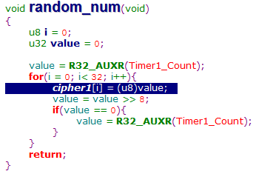
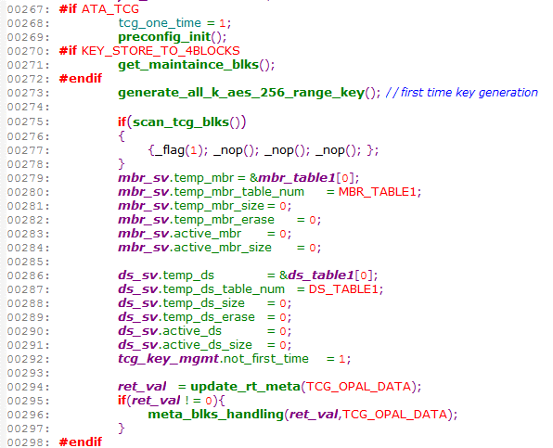
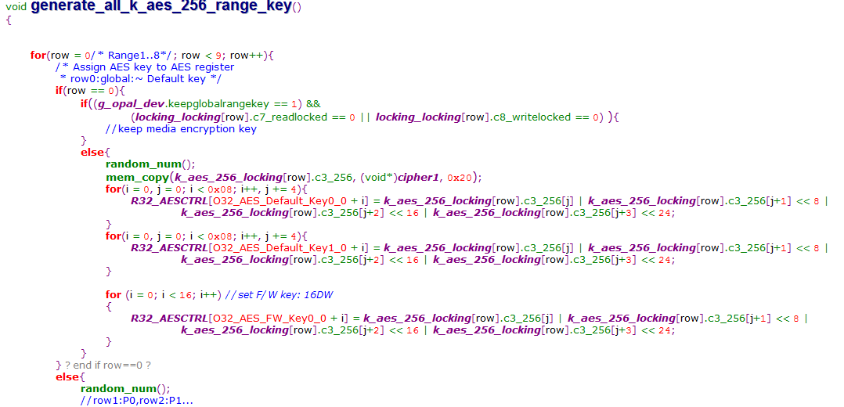
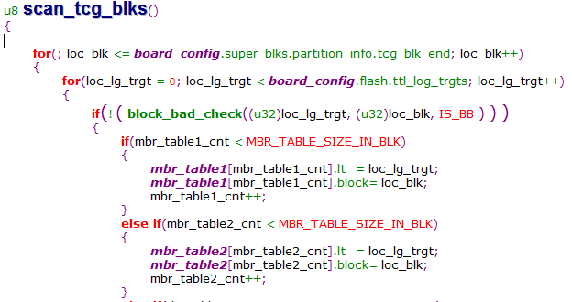
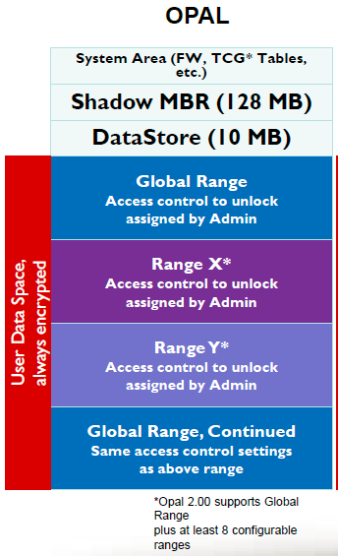
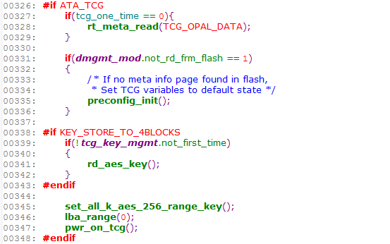
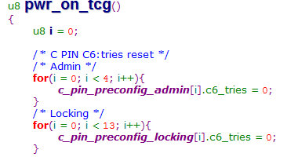
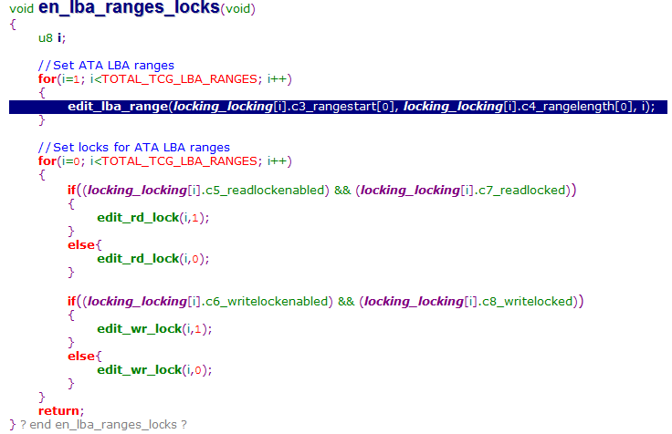
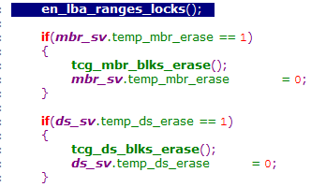
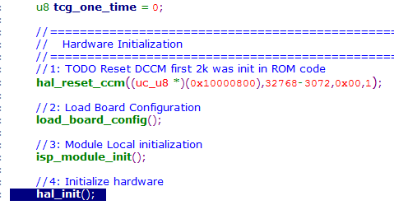 | 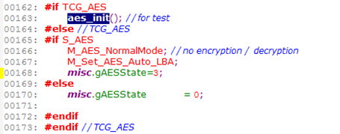 | 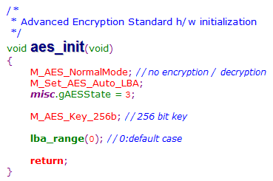 | 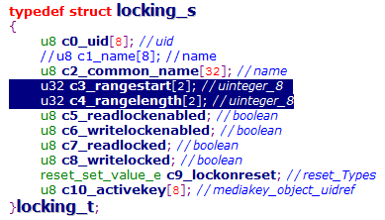

TCG read
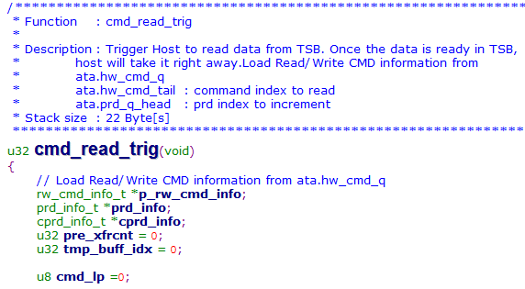
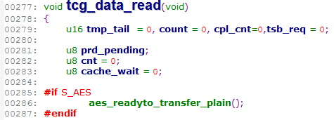
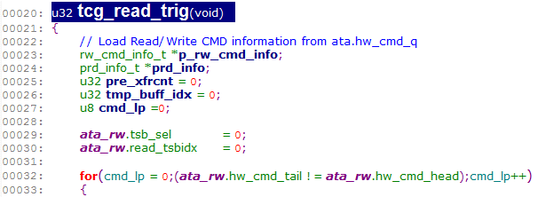
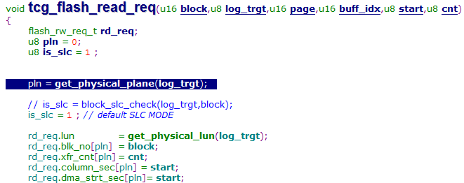

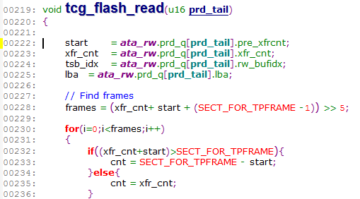

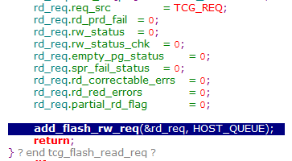

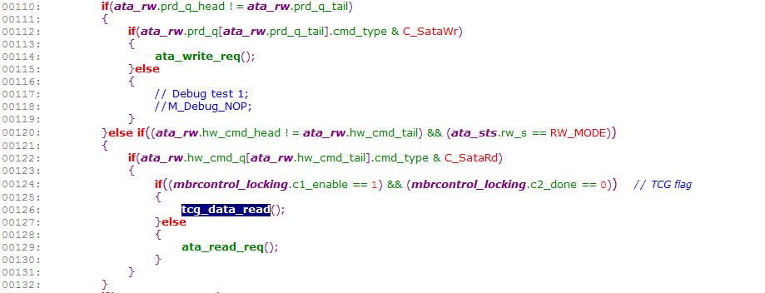

void rw_cmd_service(void) void _Interrupt1 sys_isr_ncq_not_empty(void)
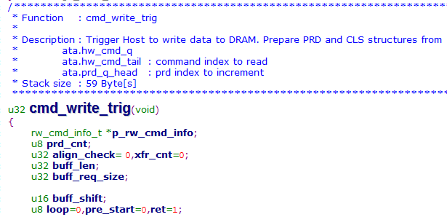

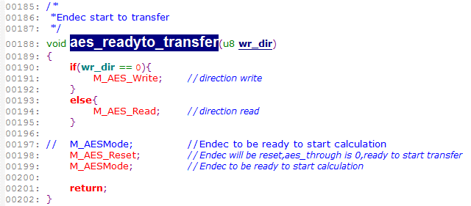

void ata_read_req(void)

Command
 | 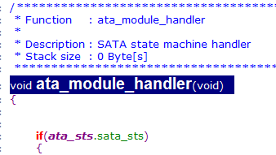 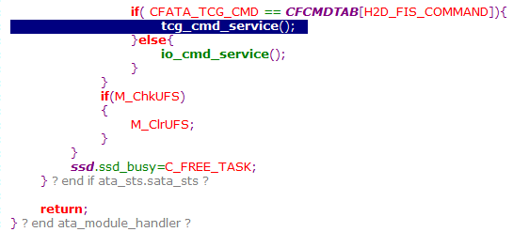 |  |  | 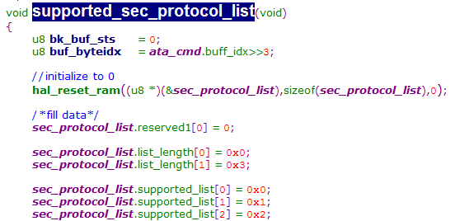 |  | 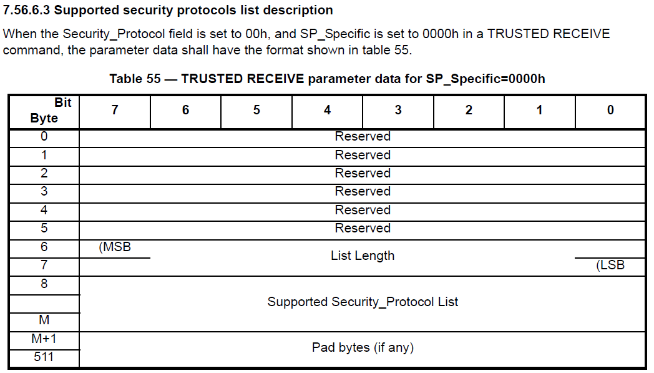
tcg_trusted_receive.c |  | 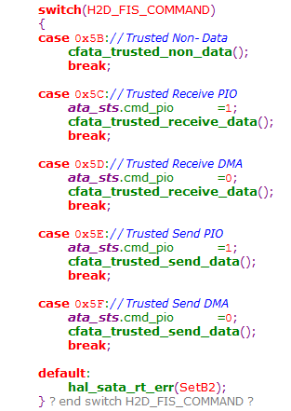 | 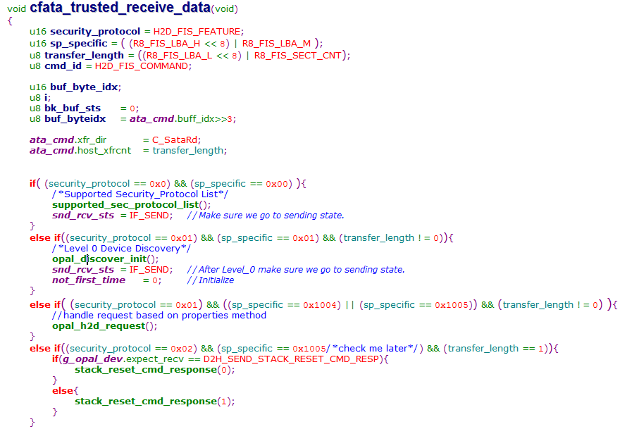 | 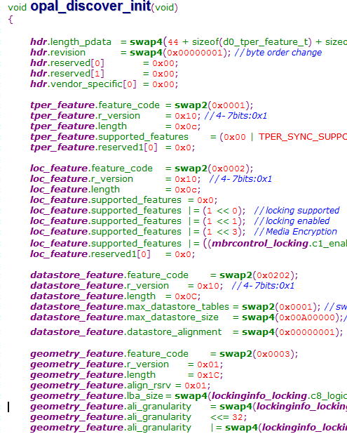 | 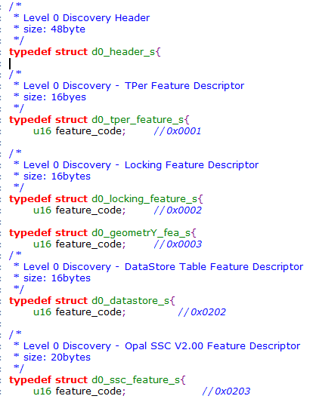 | 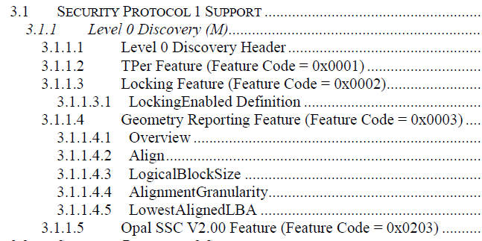
 | 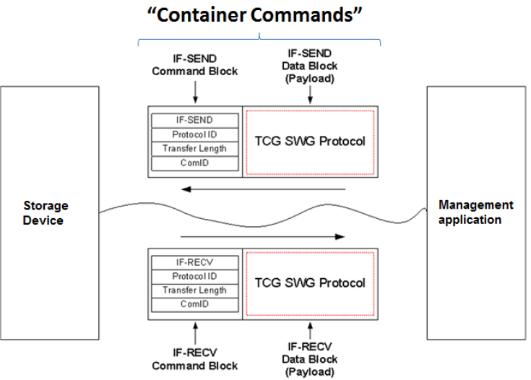 |  |  | 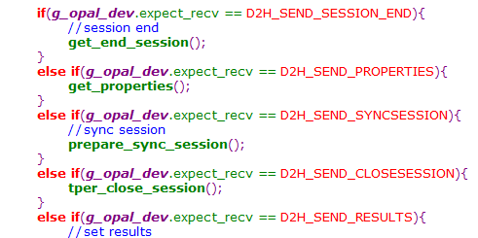 | 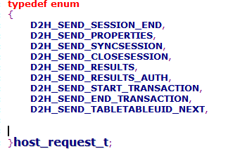
 |  |  |  | 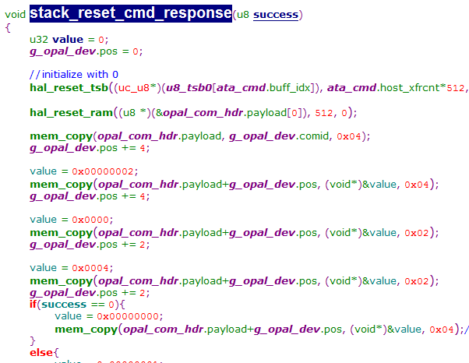 | 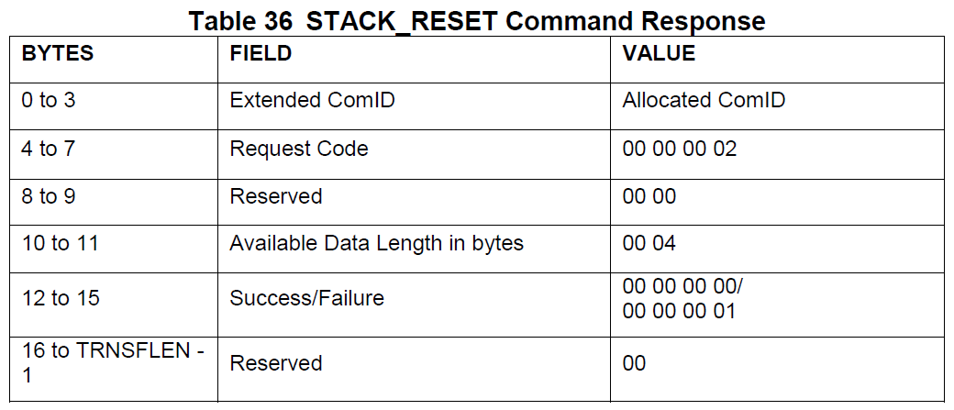
tcg_trusted_send.c
 |  |  | 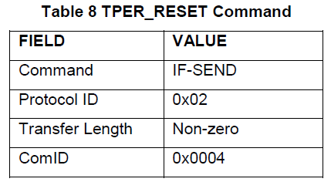 | 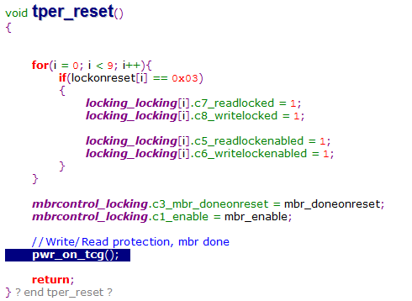 | 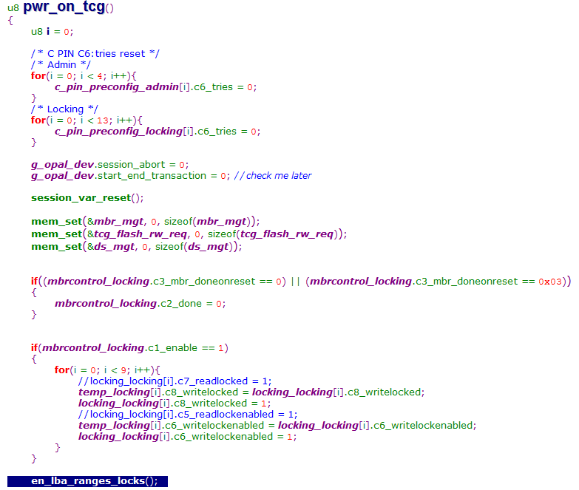 | 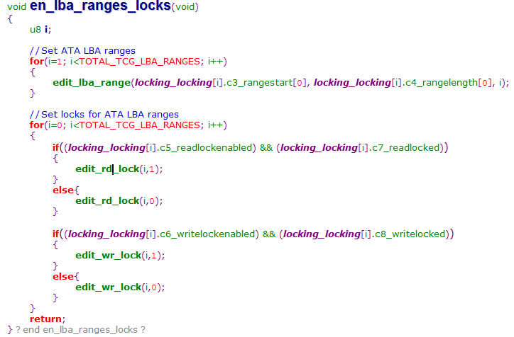 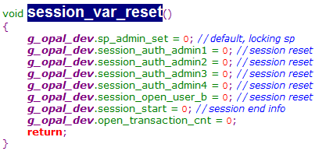
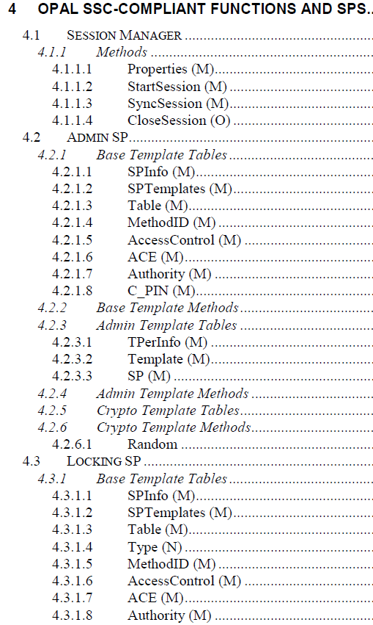
 |  |  | 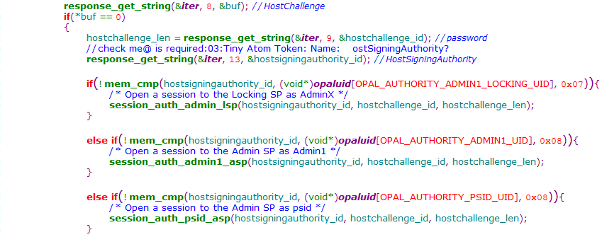
 |  |  | 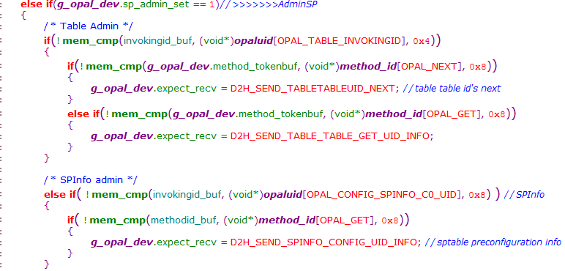
 |  |  | 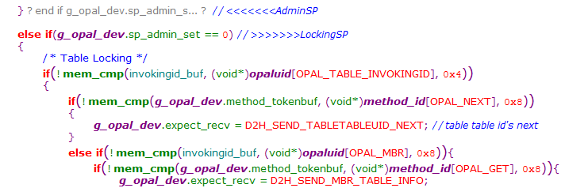

2258_AES
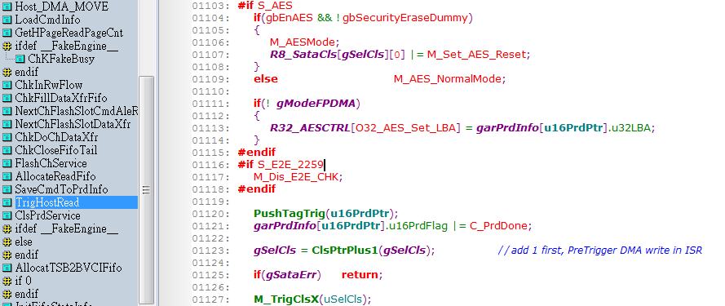

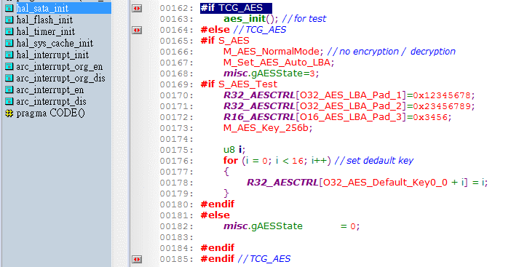

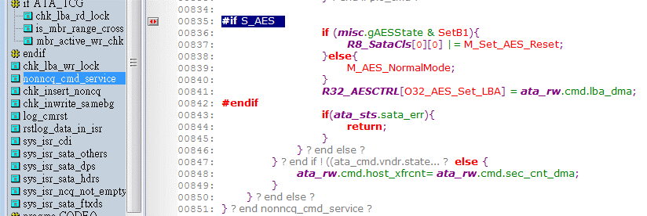
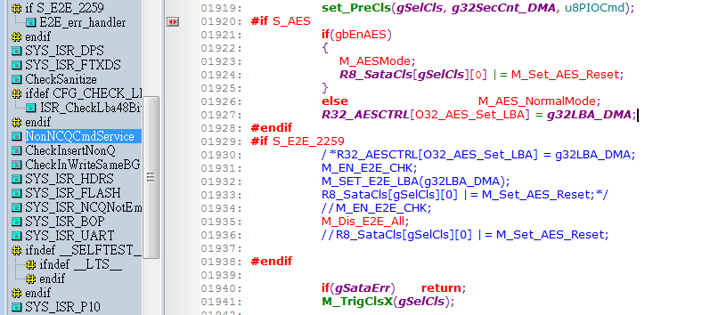

2246_AES
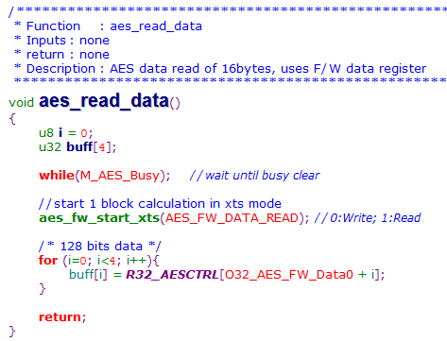

 | CFCmd.c

 | CFCmd_Security.c

 | Core.c

 | ECCHandler.c

 | ISR.c

 | System.c

 | LinkTable.c | FDE.c | FDE.c



 | NcqWrite.c

 | Read.c

 | Wpro.c

 | Vendor.c

In India FW:

2246_KEY





2246_Test






(1) XTS mode from FW




(2) VU from ReadFlashCmd

2259_Test



(1) XTS mode from FW




(2) VU from ReadFlashCmd

SM2259(1113)-AES
SM2259 master branch 11/13的FW, 開啟AES, 測試BurnInTest前:

----------------------------------------------------------------------- | ----------------------------------------------------------------------- | -----------------------------------------------------------------------
CrystalDiskMark 3.0.1 x64 (C) 2007-2010 hiyohiyo | CrystalDiskMark 3.0.1 x64 (C) 2007-2010 hiyohiyo | CrystalDiskMark 3.0.1 x64 (C) 2007-2010 hiyohiyo
Crystal Dew World : http://crystalmark.info/ | Crystal Dew World : http://crystalmark.info/ | Crystal Dew World : http://crystalmark.info/
----------------------------------------------------------------------- | ----------------------------------------------------------------------- | -----------------------------------------------------------------------
* MB/s = 1,000,000 byte/s [SATA/300 = 300,000,000 byte/s] | * MB/s = 1,000,000 byte/s [SATA/300 = 300,000,000 byte/s] | * MB/s = 1,000,000 byte/s [SATA/300 = 300,000,000 byte/s]

Sequential Read : 529.317 MB/s | Sequential Read : 532.118 MB/s | Sequential Read : 534.460 MB/s
Sequential Write : 457.627 MB/s | Sequential Write : 456.962 MB/s | Sequential Write : 448.183 MB/s
Random Read 512KB : 361.878 MB/s | Random Read 512KB : 367.769 MB/s | Random Read 512KB : 353.296 MB/s
Random Write 512KB : 432.762 MB/s | Random Write 512KB : 448.719 MB/s | Random Write 512KB : 426.109 MB/s
Random Read 4KB (QD=1) : 25.286 MB/s [ 6173.3 IOPS] | Random Read 4KB (QD=1) : 25.553 MB/s [ 6238.6 IOPS] | Random Read 4KB (QD=1) : 25.432 MB/s [ 6209.0 IOPS]
Random Write 4KB (QD=1) : 79.927 MB/s [ 19513.5 IOPS] | Random Write 4KB (QD=1) : 79.818 MB/s [ 19486.8 IOPS] | Random Write 4KB (QD=1) : 79.378 MB/s [ 19379.4 IOPS]
Random Read 4KB (QD=32) : 203.829 MB/s [ 49763.0 IOPS] | Random Read 4KB (QD=32) : 204.512 MB/s [ 49929.6 IOPS] | Random Read 4KB (QD=32) : 198.843 MB/s [ 48545.6 IOPS]
Random Write 4KB (QD=32) : 162.312 MB/s [ 39627.0 IOPS] | Random Write 4KB (QD=32) : 161.915 MB/s [ 39530.1 IOPS] | Random Write 4KB (QD=32) : 153.983 MB/s [ 37593.5 IOPS]

Test : 1000 MB [E: 0.1% (0.1/149.0 GB)] (x5) | Test : 500 MB [E: 0.1% (0.1/149.0 GB)] (x3) | Test : 50 MB [E: 0.1% (0.1/149.0 GB)] (x5)
Date : 2020/11/16 17:22:57 | Date : 2020/11/16 17:33:49 | Date : 2020/11/16 17:39:52
OS : Windows NT 6.2 [6.2 Build 9200] (x64) | OS : Windows NT 6.2 [6.2 Build 9200] (x64) | OS : Windows NT 6.2 [6.2 Build 9200] (x64)

BurnInTest in Random data with random seeking: 16hours Pass



SM2259 master branch 11/13的FW, 開啟AES, 測試BurnInTest後:

----------------------------------------------------------------------- | ----------------------------------------------------------------------- | -----------------------------------------------------------------------
CrystalDiskMark 3.0.1 x64 (C) 2007-2010 hiyohiyo | CrystalDiskMark 3.0.1 x64 (C) 2007-2010 hiyohiyo | CrystalDiskMark 3.0.1 x64 (C) 2007-2010 hiyohiyo
Crystal Dew World : http://crystalmark.info/ | Crystal Dew World : http://crystalmark.info/ | Crystal Dew World : http://crystalmark.info/
----------------------------------------------------------------------- | ----------------------------------------------------------------------- | -----------------------------------------------------------------------
* MB/s = 1,000,000 byte/s [SATA/300 = 300,000,000 byte/s] | * MB/s = 1,000,000 byte/s [SATA/300 = 300,000,000 byte/s] | * MB/s = 1,000,000 byte/s [SATA/300 = 300,000,000 byte/s]

Sequential Read : 530.387 MB/s | Sequential Read : 530.809 MB/s | Sequential Read : 535.517 MB/s
Sequential Write : 466.933 MB/s | Sequential Write : 472.119 MB/s | Sequential Write : 482.579 MB/s
Random Read 512KB : 353.531 MB/s | Random Read 512KB : 365.418 MB/s | Random Read 512KB : 368.504 MB/s
Random Write 512KB : 450.234 MB/s | Random Write 512KB : 449.091 MB/s | Random Write 512KB : 455.599 MB/s
Random Read 4KB (QD=1) : 25.298 MB/s [ 6176.4 IOPS] | Random Read 4KB (QD=1) : 25.164 MB/s [ 6143.6 IOPS] | Random Read 4KB (QD=1) : 25.463 MB/s [ 6216.4 IOPS]
Random Write 4KB (QD=1) : 79.781 MB/s [ 19477.8 IOPS] | Random Write 4KB (QD=1) : 79.805 MB/s [ 19483.6 IOPS] | Random Write 4KB (QD=1) : 80.135 MB/s [ 19564.1 IOPS]
Random Read 4KB (QD=32) : 203.242 MB/s [ 49619.5 IOPS] | Random Read 4KB (QD=32) : 203.483 MB/s [ 49678.6 IOPS] | Random Read 4KB (QD=32) : 199.369 MB/s [ 48674.0 IOPS]
Random Write 4KB (QD=32) : 159.219 MB/s [ 38871.8 IOPS] | Random Write 4KB (QD=32) : 160.766 MB/s [ 39249.5 IOPS] | Random Write 4KB (QD=32) : 159.061 MB/s [ 38833.3 IOPS]

Test : 1000 MB [E: 0.1% (0.1/149.0 GB)] (x5) | Test : 500 MB [E: 0.1% (0.1/149.0 GB)] (x3) | Test : 50 MB [E: 0.1% (0.1/149.0 GB)] (x5)
Date : 2020/11/17 10:42:47 | Date : 2020/11/17 10:47:32 | Date : 2020/11/17 10:54:02
OS : Windows NT 6.2 [6.2 Build 9200] (x64) | OS : Windows NT 6.2 [6.2 Build 9200] (x64) | OS : Windows NT 6.2 [6.2 Build 9200] (x64)

1211
UCT-01: Level 0 Discovery
DMA: IF-RECV(Level 0 Discovery) with SP=01h; Spcf=01h; Xfer=01h: Pass
Check the returned values from Level 0 Discovery






UCT-02: Properties
DMA: Properties with Host properties; Response - Pass
Check the returned Host and TPer properties from Properties method




UCT-03: Taking Ownership of an SD | UCT-04: Activate Locking SP | UCT-05: Configuring Authorities
StartSession - Admin SP; Sync Session: Pass | StartSession to the Admin SP as SID; Sync Session: Pass | StartSession to the Locking SP as Admin1 ; Sync Session: Pass
Get Request - C_PIN_MSID; Get Response: Pass | Activate Request - Locking SP; Activate Response: Pass | Set the password for Admin1 as <Admin1_password>; Set Response: Pass
End Request - Admin SP; End Response: Pass | End Request - Admin SP; End Response: Pass | Set 'Enabled' to True for User1; Set Response: Pass
StartSession with MSID's PIN as SID - Admin SP; Sync Session: Pass | StartSession to the Locking SP as Admin1 ; Sync Session: Pass | Set the password for User1 as <User1_password>; Set Response: Pass
Set the password for SID as <SID_password>; Set Response: Pass | End Request - Locking SP; End Response: Pass | Set 'Enabled' to True for User8; Set Response: Pass
End Request - Admin SP; End Response: Pass |  | Set the password for User8 as <User8_password>; Set Response: Pass
StartSession with <SID_password> as SID - Admin SP; Sync Session: Pass |  | End Request - Locking SP; End Response: Pass
Set the password for Admin1 as <AdminSP_Admin1_password>; Set Response: Pass |  | StartSession with <Admin1_password> as Admin1 - Locking SP; Sync Session: Pass
Set 'Enabled' to True for Admin1; Set Response: Pass |  | End Request - Locking SP; End Response: Pass
End Request - Admin SP; End Response: Pass |  | StartSession with <User1_password> as User1 - Locking SP; Sync Session: Pass

 |  | End Request - Locking SP; End Response: Pass
 |  | StartSession with <User8_password> as User8 - Locking SP; Sync Session: Pass
 |  | End Request - Locking SP; End Response: Pass

