constTemp.js
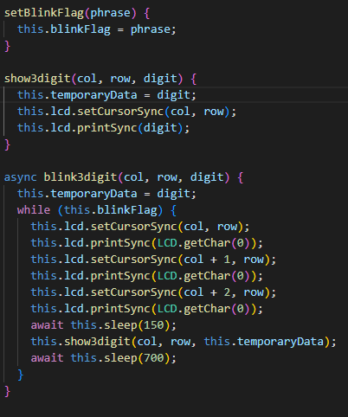
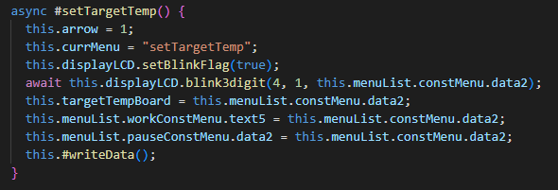
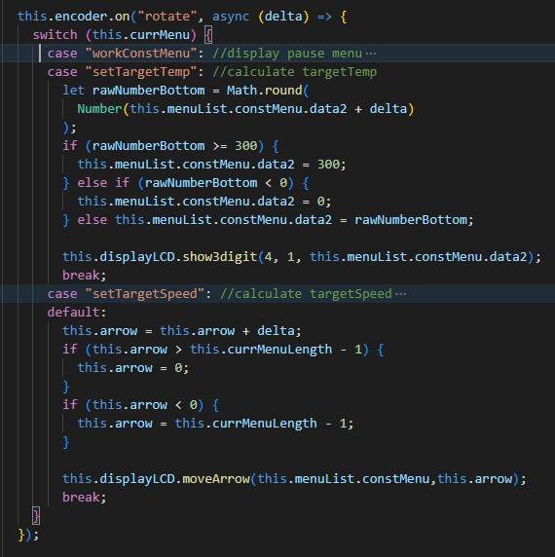
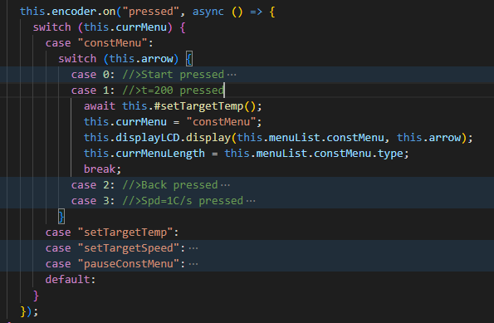
 | 0 | 1 | 2 | 3 | 4 | 5 | 6 | 7 | 8 | 9 | 10 | 11 | 12 | 13 | 14 | 15 | constMenu.js
0 |  | P | r | o | f | i | l | > | C | o | n | s | t |  |  | T
1 |  | P | I | D |  |  |  |  | D | i | m | m | e | r |  | S

 | 0 | 1 | 2 | 3 | 4 | 5 | 6 | 7 | 8 | 9 | 10 | 11 | 12 | 13 | 14 | 15
0 |  | S | t | a | r | t |  |  | B | a | c | k
1 | > | t | = |  | 3 | 3 |  |  | S | p | d | = | 1 | . | 1

 | 0 | 1 | 2 | 3 | 4 | 5 | 6 | 7 | 8 | 9 | 10 | 11 | 12 | 13 | 14 | 15
0 |  | S | t | a | r | t |  |  | B | a | c | k
1 | > | t | = |  | 3 | 3 |  |  | S | p | d | = | 1 | . | 1

 | displayLCD.js

profile logic
Bottom heater
this.tempBoard < this.temp1
&&
this.peakAchiv === false
{
"name": "pr-001",
"status": "current",
"temp1": 160,
"speed1": 0.8,
"temp2": 180,
"speed2": 0.8,
"temp3": 210,
"speed3": 1
},
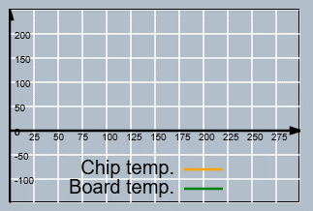
"temp1": 160
"temp2": 180
"temp3": 210

YES
NO

this.stage = 1;
this.targetTempBoard = Number(
this.tempBoard + this.speed1 * this.measuredTime
).toFixed(2);
this.pidBottom.setTarget(
this.targetTempBoard,
this.PBottom,
this.IBottom,
this.DBottom
);
this.powerBottom = Math.round(
Number(this.pidBottom.update(this.tempBoard))
);
this.tempBoard >= this.temp1
&&
this.tempBoard < this.temp2-5
&&
this.peakAchiv === false
&&
this.stage != 3

YES
NO

this.stage = 2;
this.targetTempBoard = Number(
this.tempBoard + this.speed2 * this.measuredTime
).toFixed(2);
this.pidBottom.setTarget(
this.targetTempBoard,
this.PBottom,
this.IBottom,
this.DBottom
);
this.powerBottom = Math.round(
Number(this.pidBottom.update(this.tempBoard))
);
this.tempBoard >= this.temp2-5
&&
this.tempBoard < this.temp3
&&
this.peakAchiv === false

YES
NO

this.stage = 3;
this.pidBottom.setTarget(
this.temp2,
this.PBottom,
this.IBottom,
this.DBottom
);
this.powerBottom = Math.round(
Number(this.pidBottom.update(this.tempBoard))
);
this.peakAchiv === true

YES
NO

this.powerBottom = 0;
this.stage = 3;
this.pidBottom.setTarget(
this.temp2,
this.PBottom,
this.IBottom,
this.DBottom
);
this.powerBottom = Math.round(
Number(this.pidBottom.update(this.tempBoard))
);

Top heater
this.tempChip < this.temp1
&&
this.peakAchiv === false

YES
NO

this.pidTop.setTarget(
this.targetTempBoard,
this.PTop,
this.ITop,
this.DTop
);
this.powerTop = Math.round(
Number(this.pidTop.update(this.tempChip))
);
this.tempChip >= this.temp1
&&
this.tempChip < this.temp2
&&
this.peakAchiv === false

YES
NO

this.targetTempChip = Number(
this.tempChip + this.speed2 * this.measuredTime
).toFixed(2);
this.pidTop.setTarget(
this.targetTempChip,
this.PTop,
this.ITop,
this.DTop
);
this.powerTop= Math.round(
Number(this.pidTop.update(this.tempChip))
);
this.tempChip >= this.temp2
&&
this.tempChip < this.temp3
&&
this.peakAchiv === false

YES
NO

this.targetTempChip = Number(
this.tempChip + this.speed3 * this.measuredTime
).toFixed(2);
this.pidTop.setTarget(
this.targetTempChip,
this.PTop,
this.ITop,
this.DTop
);
this.powerTop = Math.round(Number(this.pidTop.update(this.tempChip)));
this.tempChip >= this.temp3

YES
NO

this.stage = 4;
this.led.redLed(true);
this.peakAchiv = true;
this.powerTop = 0;

