Journal.Pic
 |  |  | YEAR |  | ACCOUNT
 |  |  | 2024 |  | 15,000
MONTH | DATE | NUMBER |  | PICTURE |  | COMMENTS

NOVEMBER | 14 | 1 |  |  |  | COMMENTS | -

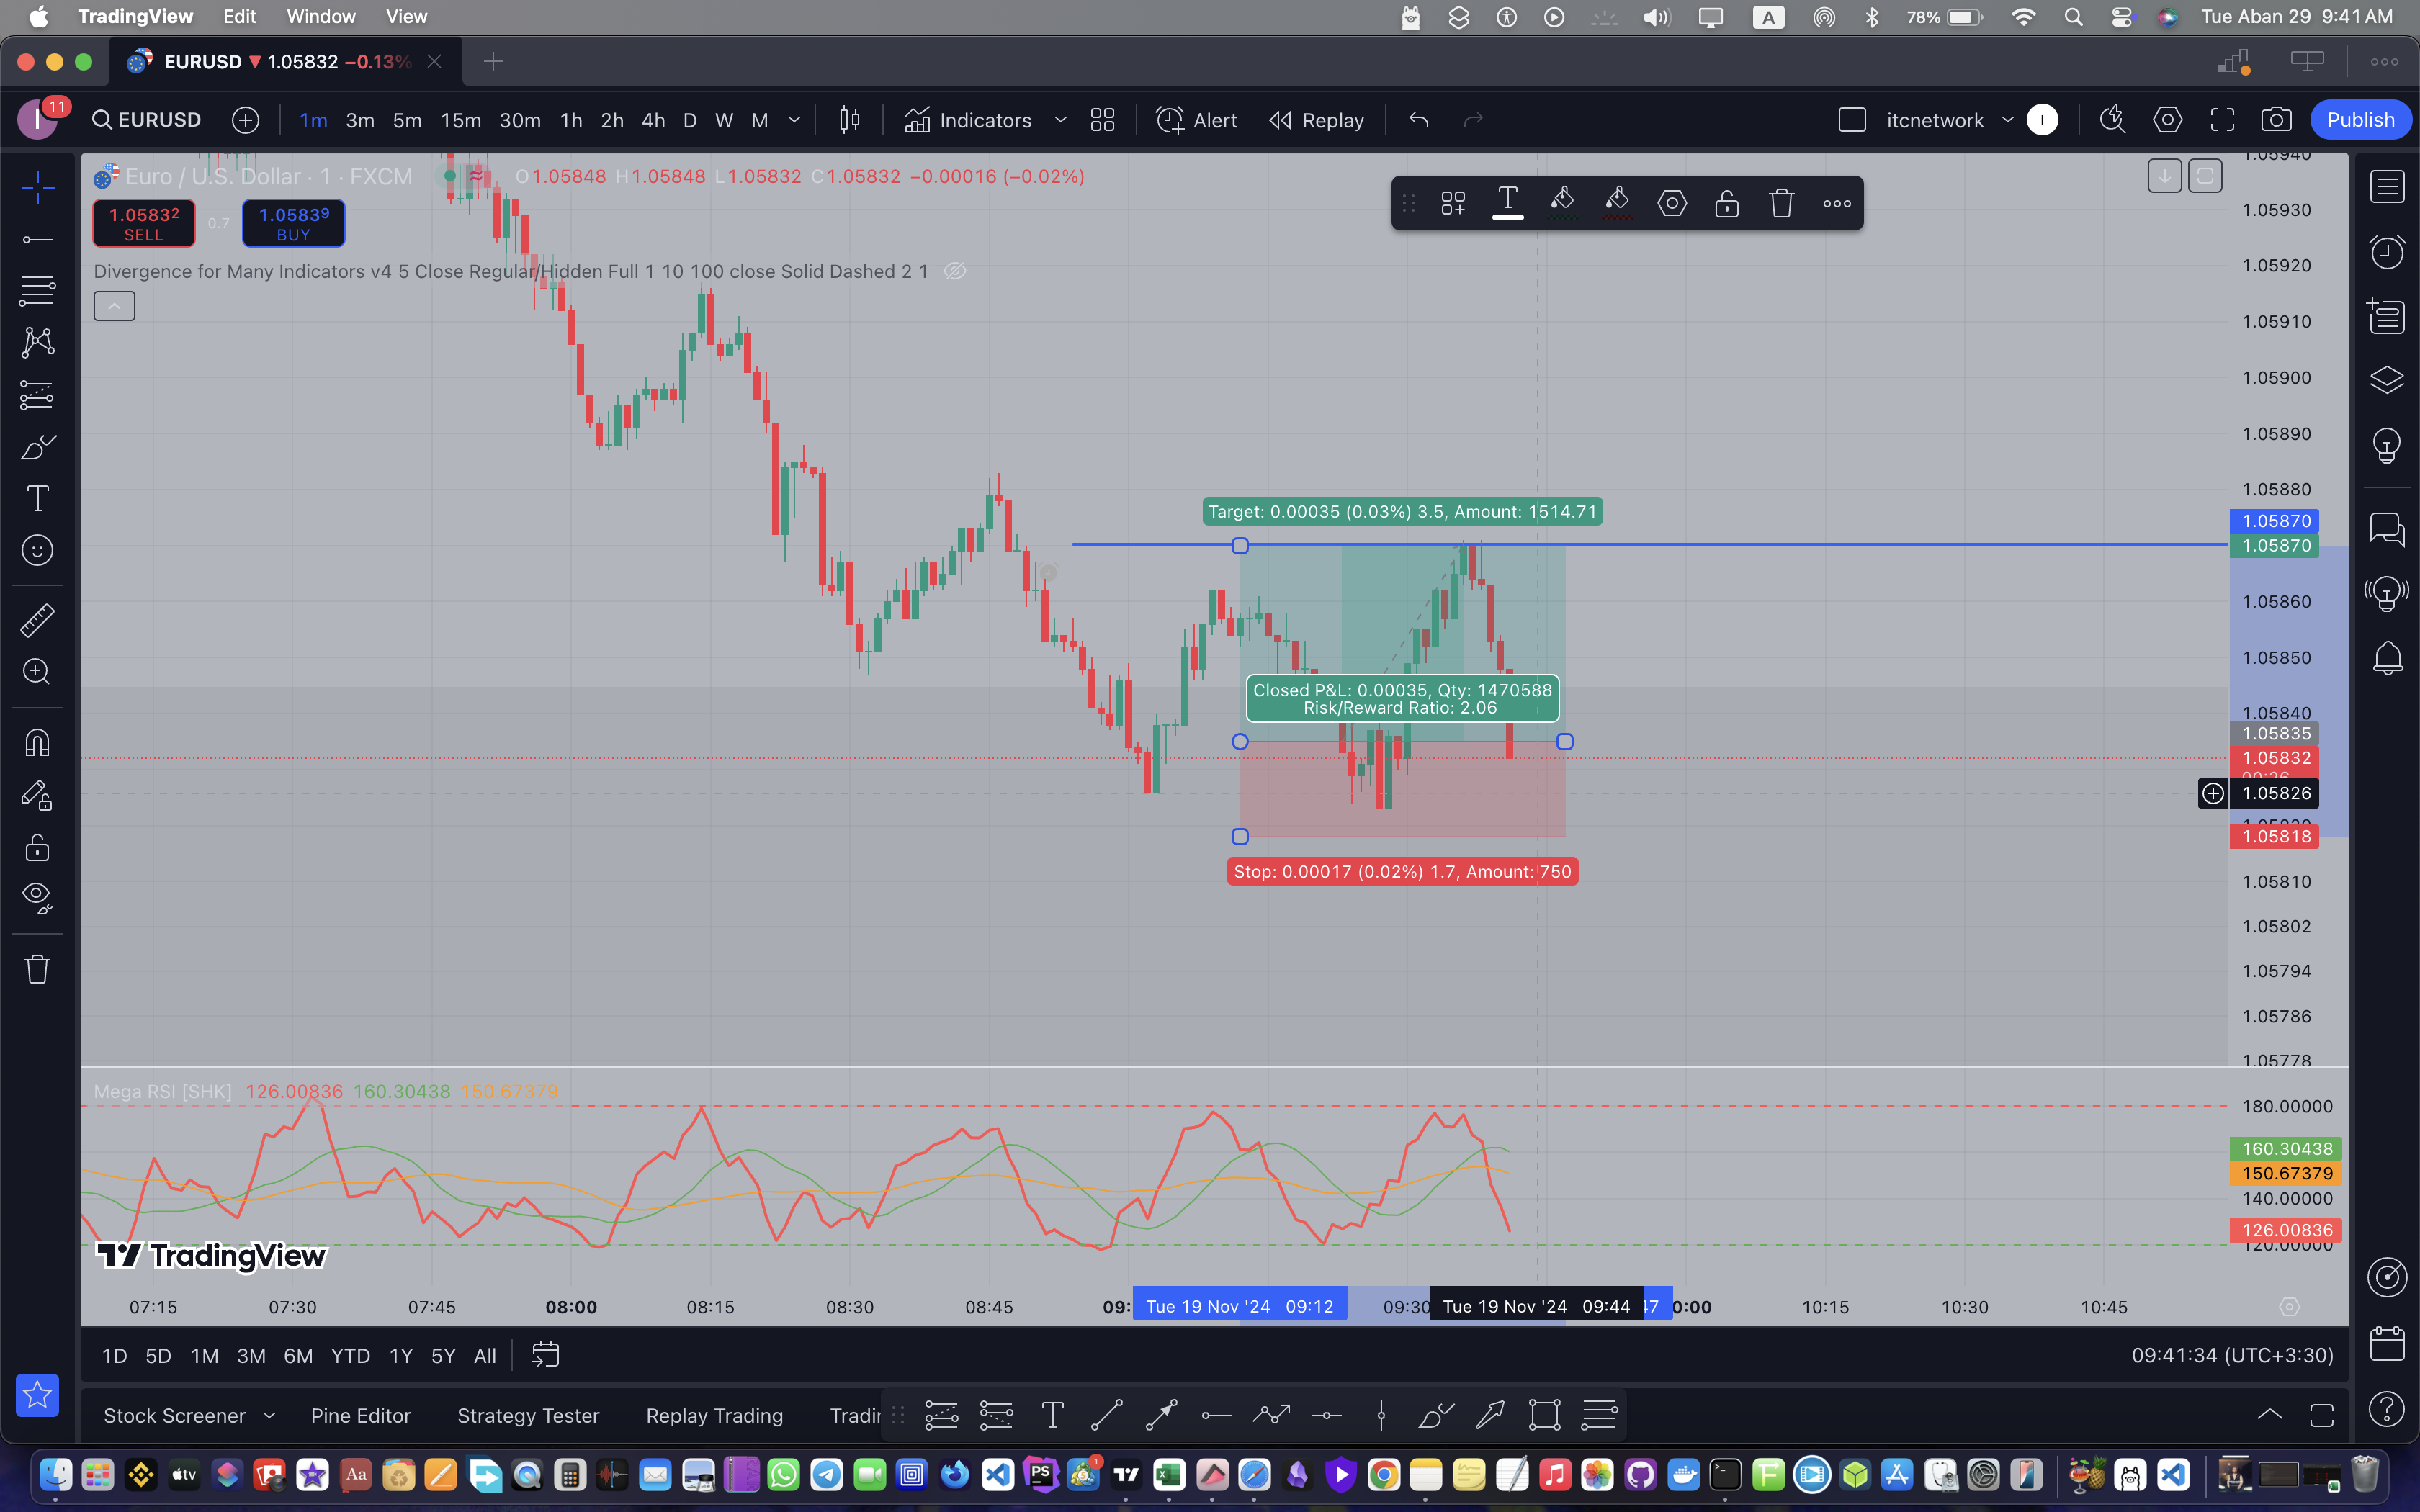

OCTOBER | 2 |  |  |  |  |  | -

 |  |  |  |  |  | COMMENTS

