Journal.Pic
 |  | YEAR |  | ACCOUNT
 |  | SELECT |  | SELECT
MONTH | POSITION NUMBER |  | PICTURE |  | COMMENTS

OCTOBER | 1 |  |  |  | COMMENTS | -

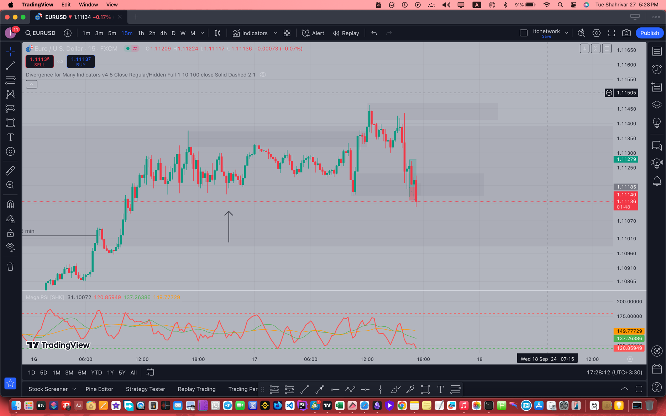

OCTOBER | 2 |  |  |  |  | -

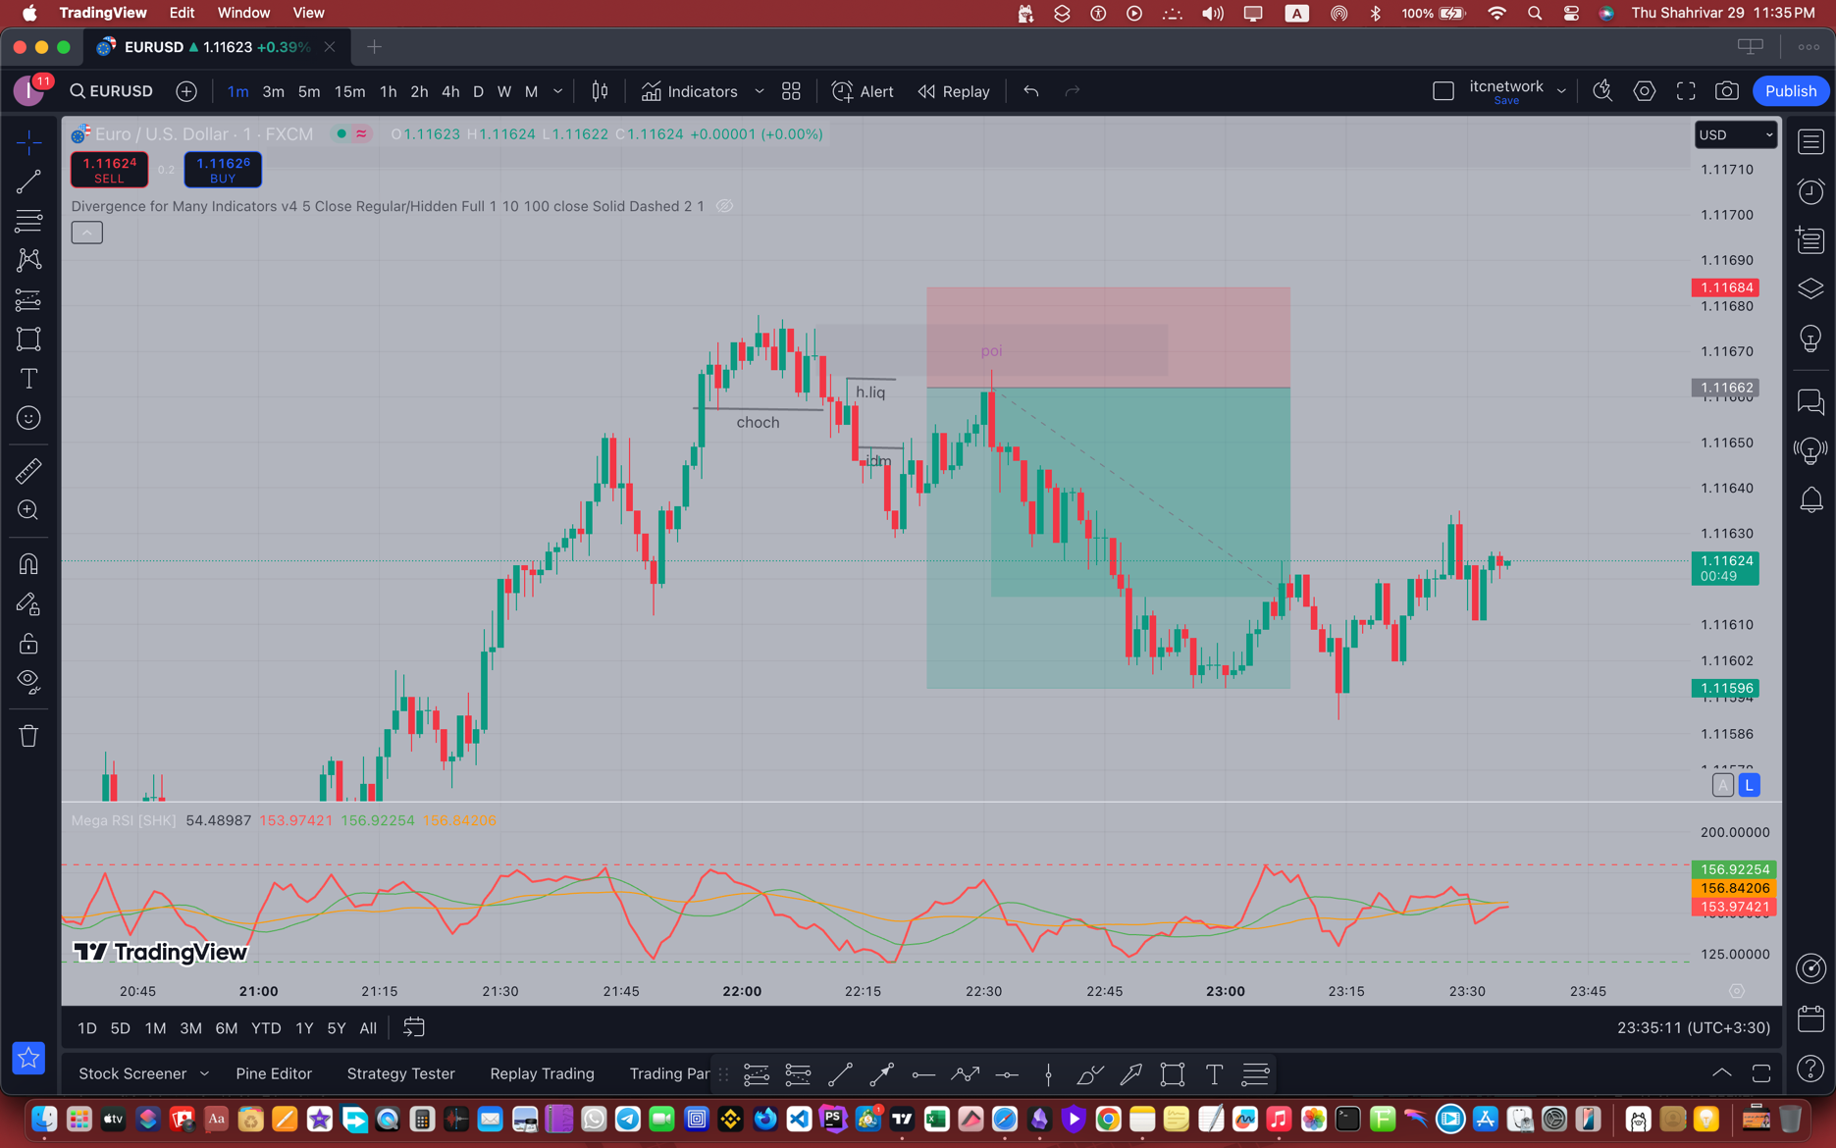
 |  |  |  |  | COMMENTS

