Monthly Summary
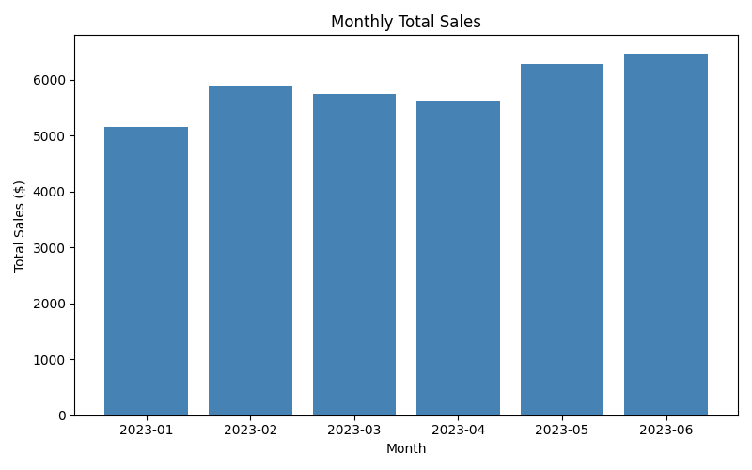
Month | Sales
2023-01 | 5150
2023-02 | 5900
2023-03 | 5750
2023-04 | 5625
2023-05 | 6275
2023-06 | 6475

Region Breakdown
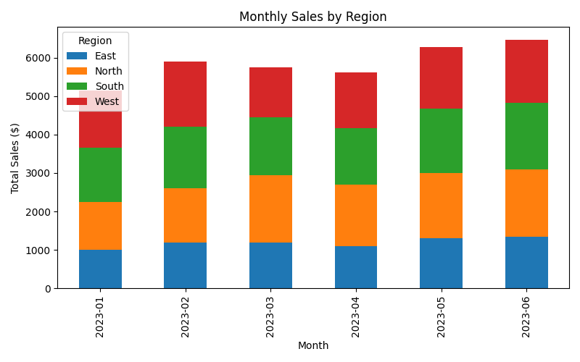
Month | East | North | South | West
2023-01 | 1000 | 1250 | 1400 | 1500
2023-02 | 1200 | 1400 | 1600 | 1700
2023-03 | 1200 | 1750 | 1500 | 1300
2023-04 | 1100 | 1600 | 1475 | 1450
2023-05 | 1300 | 1700 | 1675 | 1600
2023-06 | 1350 | 1750 | 1725 | 1650

Product Breakdown
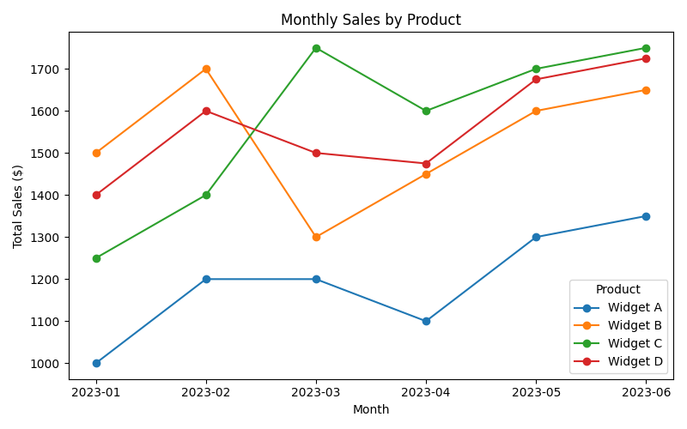
Month | Widget A | Widget B | Widget C | Widget D
2023-01 | 1000 | 1500 | 1250 | 1400
2023-02 | 1200 | 1700 | 1400 | 1600
2023-03 | 1200 | 1300 | 1750 | 1500
2023-04 | 1100 | 1450 | 1600 | 1475
2023-05 | 1300 | 1600 | 1700 | 1675
2023-06 | 1350 | 1650 | 1750 | 1725

Forecast
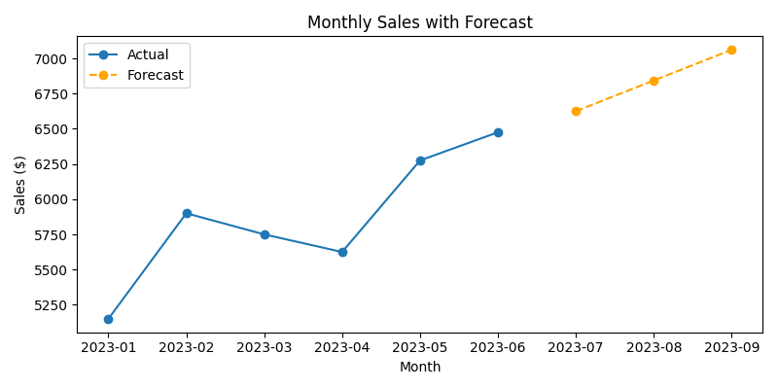
Month | Sales | Forecast
2023-01 | 5150 | FALSE
2023-02 | 5900 | FALSE
2023-03 | 5750 | FALSE
2023-04 | 5625 | FALSE
2023-05 | 6275 | FALSE
2023-06 | 6475 | FALSE
2023-07 | 6625 | TRUE
2023-08 | 6843 | TRUE
2023-09 | 7061 | TRUE

