Sheet1
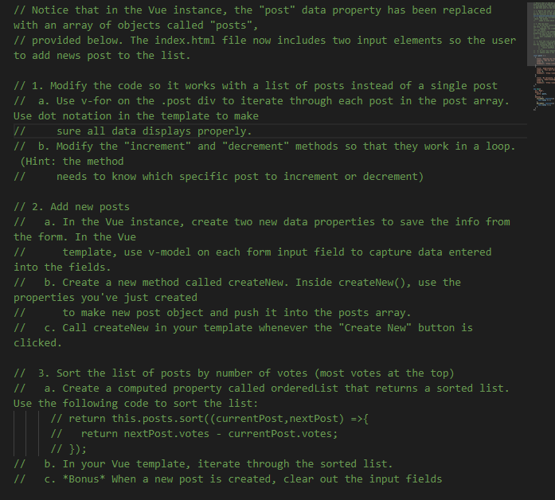
OK

OK

DONE
Done

Done

DONE
Done

Done

Done

DONE
Done

Done
Done

