xlookup
Country | Abr | Prefix
China | CN | +86 | Brazil | +55
India | IN | +91
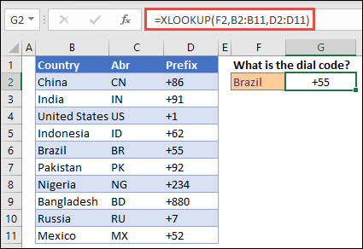
United States | US | +1
Indonesia | ID | +62
Brazil | BR | +55

