Sheet1
12312312 | 12312312 | 12312312 | 12312312
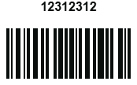
4353453453 | 4353453453 | 4353453453 | 4353453453
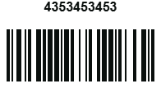
fghxbfgbxcvb | fghxbfgbxcvb | fghxbfgbxcvb | fghxbfgbxcvb

76856785678567 | 76856785678567 | 76856785678567 | 76856785678567
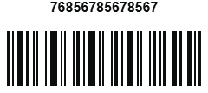
ABCDEF-123123 | ABCDEF-123123 | ABCDEF-123123 | ABCDEF-123123

12312312

4353453453

fghxbfgbxcvb

76856785678567

ABCDEF-123123

12312312

4353453453

fghxbfgbxcvb

76856785678567

ABCDEF-123123

