Figure 1J
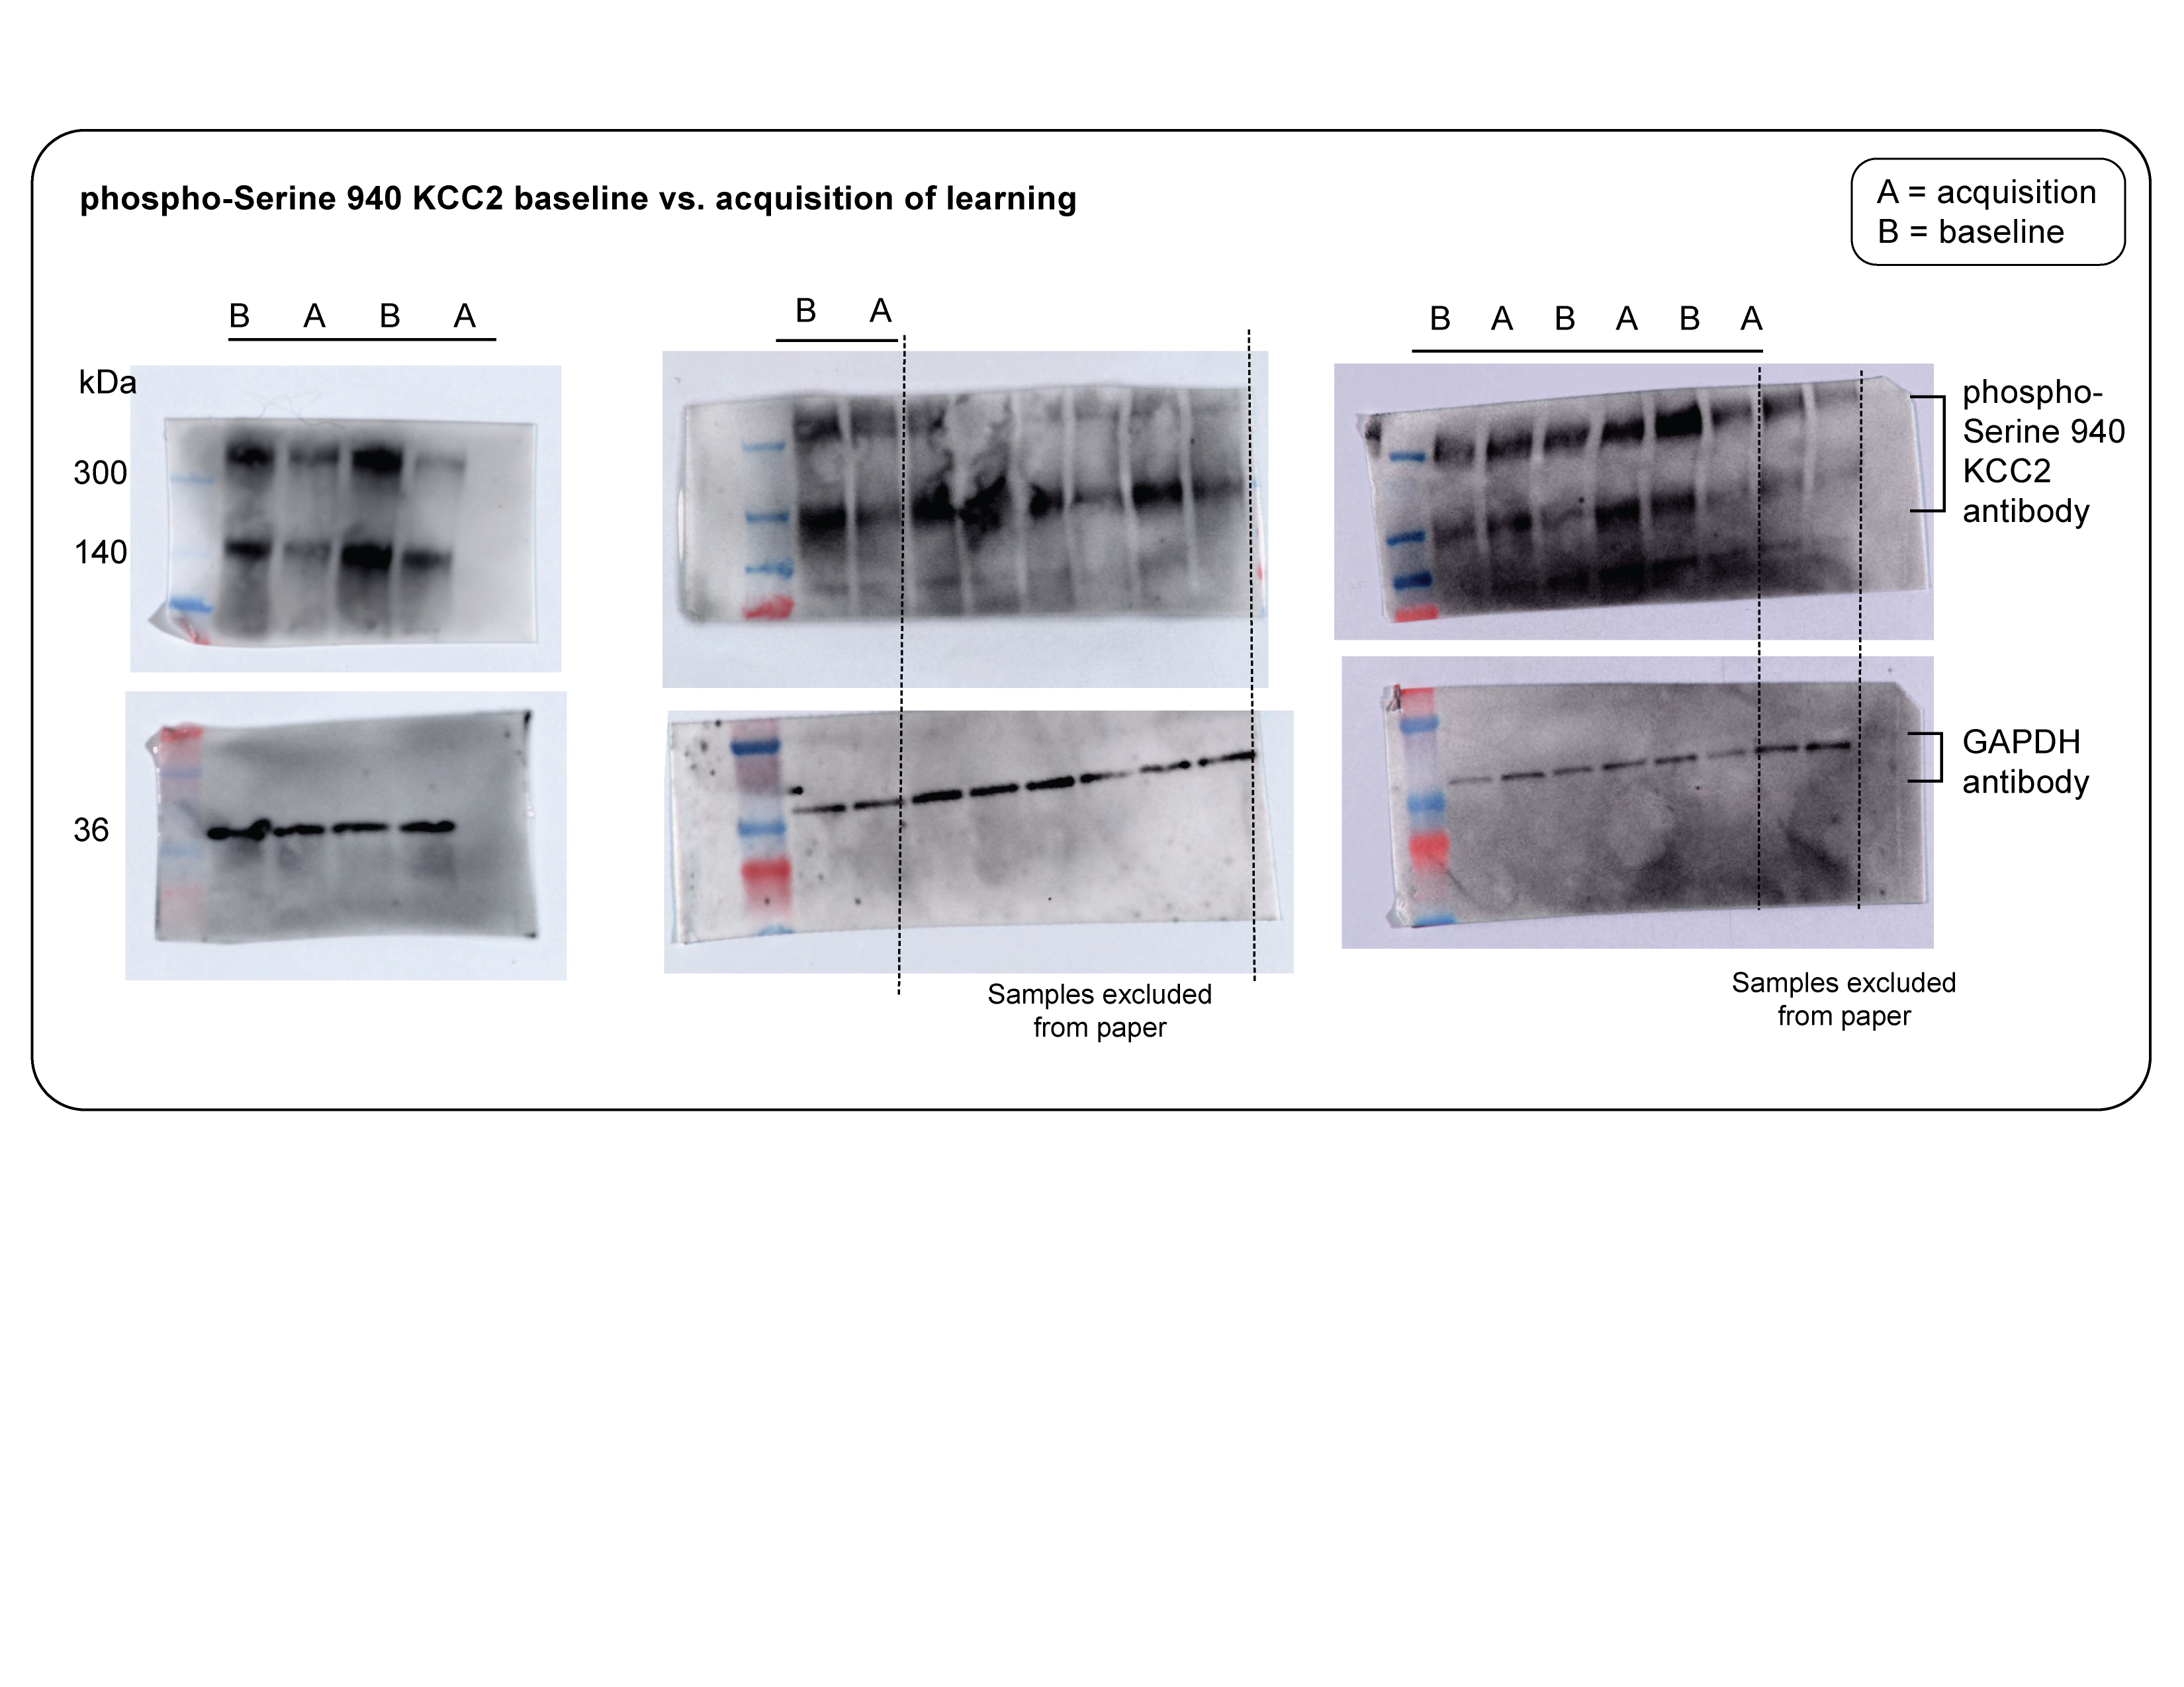
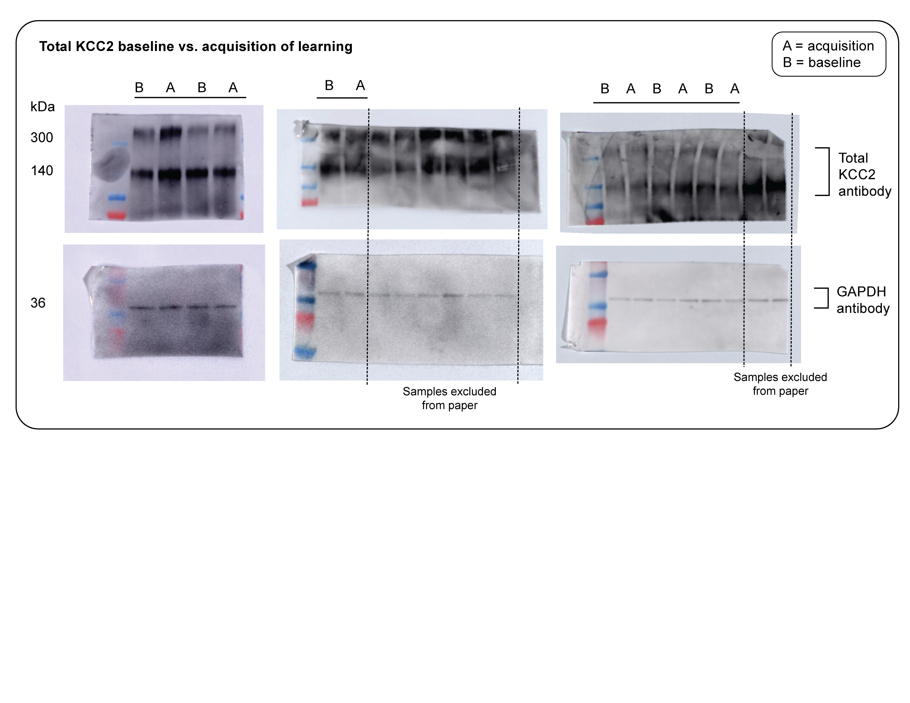
Day 7 vs. Day 1 | (pKCC2/GAPDH) / (Total/GAPDH) |  | Day 7/ Day 1 |  | dimer | monomer
Animal ID | Dimer | Monomer | Dimer | Monomer | % day 7/ day 1 | % day 7/ day 1
406.8 | 88.46379707 | 97.9555933
406.6 | 64.94998912 | 74.01312403 | 0.73419852269 | 0.75557833439 | 73.41985227 | 75.55783344
408.4 | 85.26703035 | 64.48124175
408.2 | 55.11134172 | 60.21100371 | 0.64633823289 | 0.93377549929 | 64.63382329 | 93.37754993
391.7 | 66.0669521 | 61.04633054
391.3 | 43.88776772 | 38.66478251 | 0.66429230235 | 0.63336783993 | 66.42923024 | 63.33678399
191.1 | 46.09222438 | 49.84407575
191.3 | 20.50037647 | 11.98637148 | 0.44476865124 | 0.24047735462 | 44.47686512 | 24.04773546
176.6 | 83.16945014 | 36.20005599
178.4 | 10.93385382 | 18.36249706 | 0.13146478426 | 0.50725051544 | 13.14647842 | 50.72505155
395.3 | 75.75976877 | 62.90267667
397.5 | 25.56545332 | 25.86964045 | 0.33745421528 | 0.41126454103 | 33.74542153 | 41.12645411

Figure1L
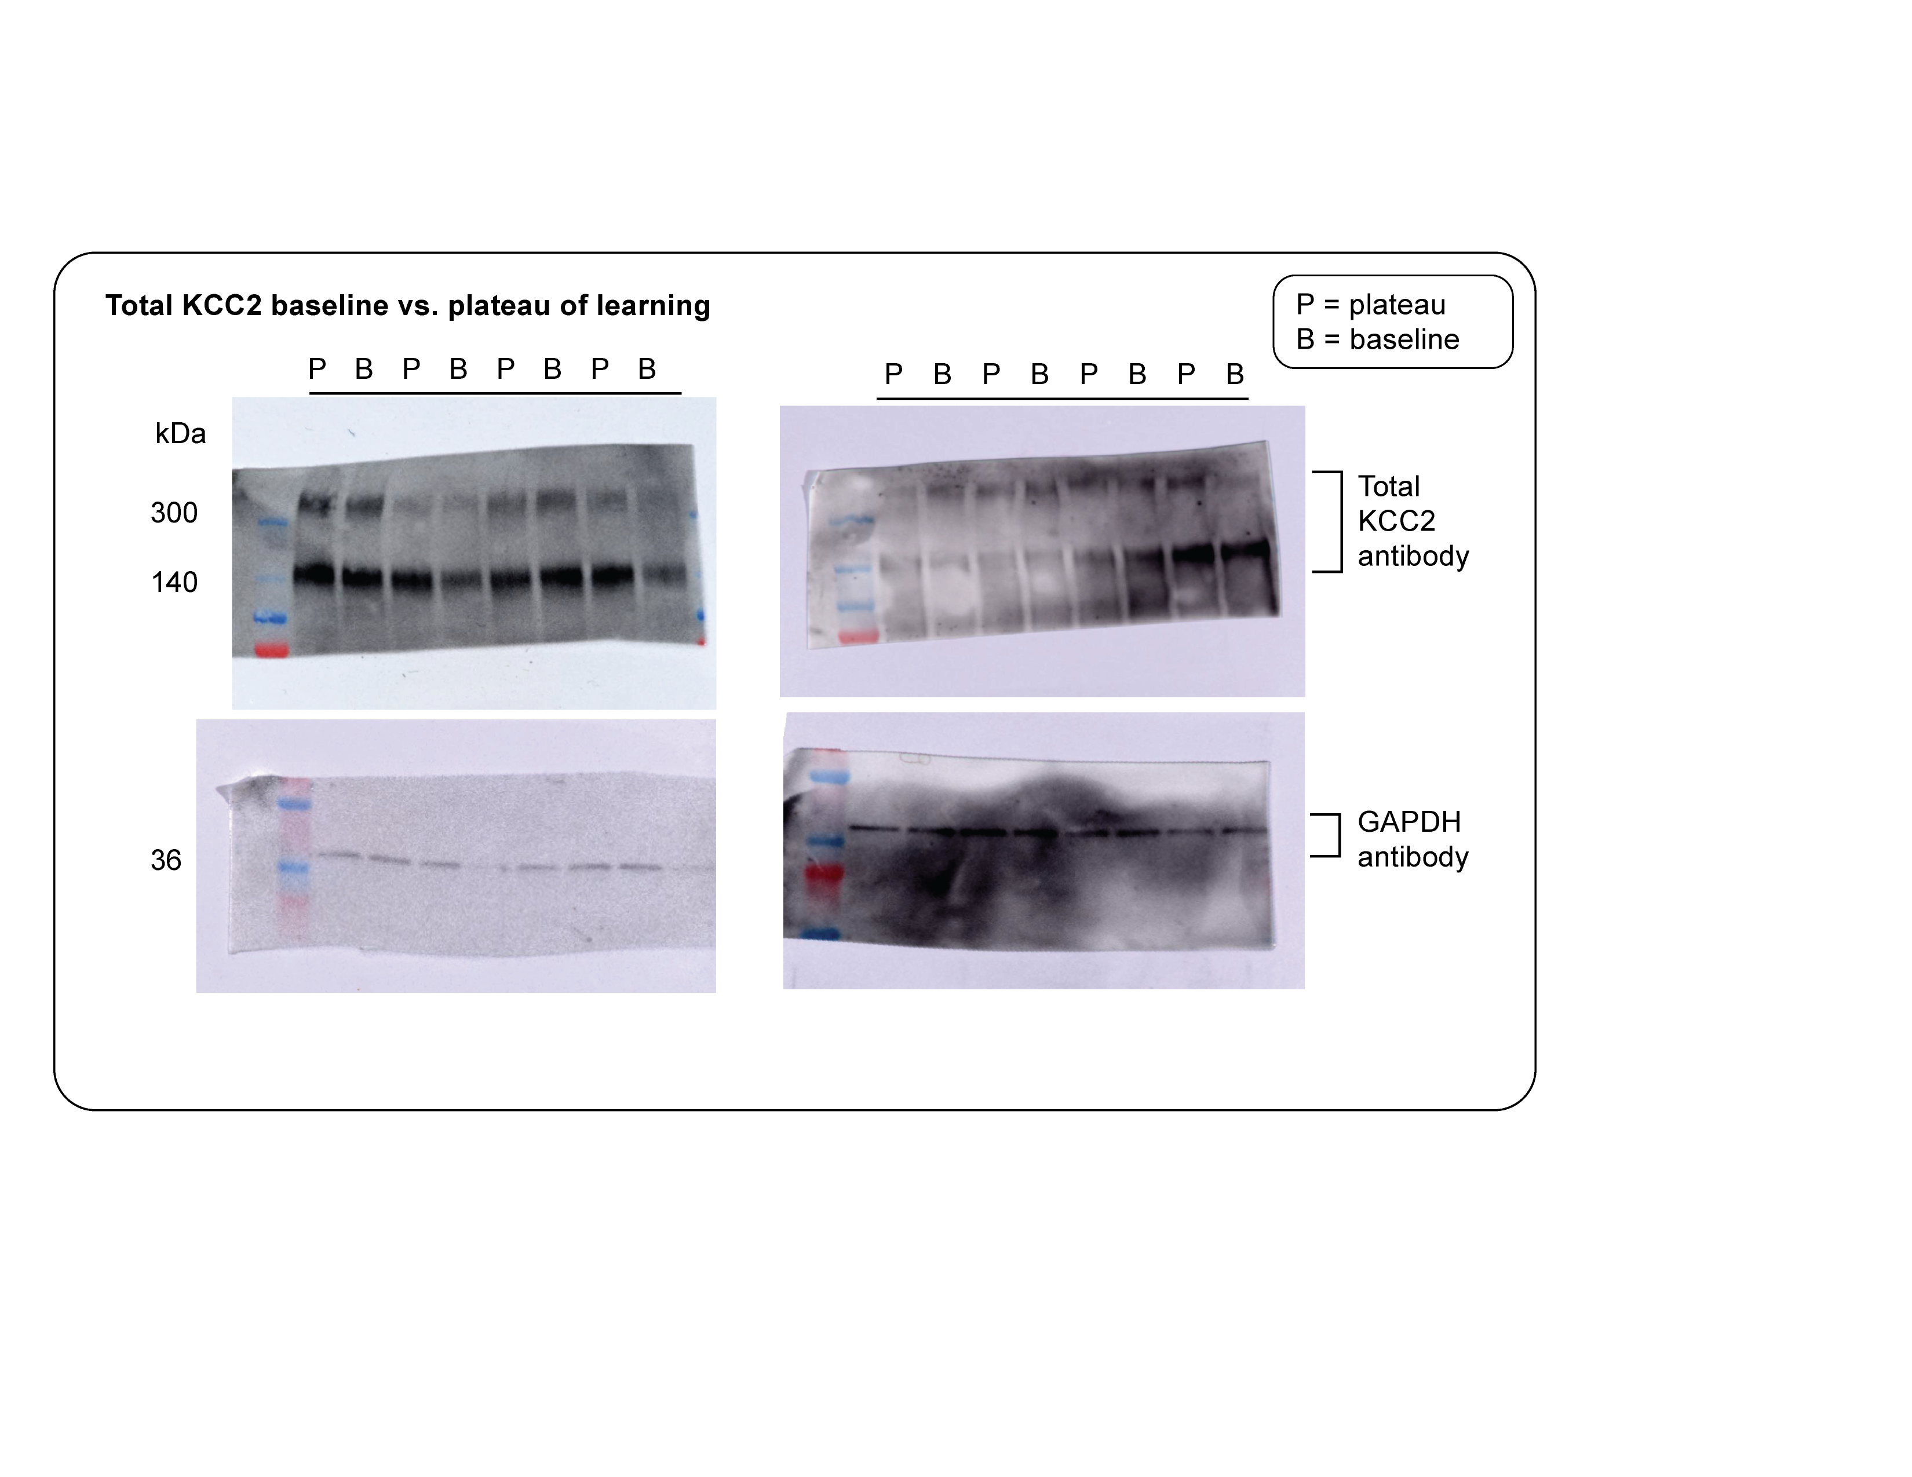
Day 13 vs. Day 1 | (pKCC2/GAPDH) / (Total/GAPDH) |  |  |  | dimer | monomer
Animal ID | Dimer | Monomer | Day 13/ Day 1 |  | % day 13/ day 1 | % day 13/ day 1
441.5 | 81.02390409 | 49.47241829
443.1 | 42.01672653 | 44.05260088 | 1.928372598 | 1.123030588 | 192.8372598 | 112.3030588
196.2 | 62.51282162 | 55.6690914
196.6 | 69.32443713 | 52.50163421 | 0.9017429381 | 1.06033064 | 90.17429381 | 106.033064
191.5 | 39.49231372 | 38.62386861
191.7 | 70.02319315 | 43.61713504 | 0.5639890433 | 0.8855205317 | 56.39890433 | 88.55205317
456.6 | 48.59834378 | 37.66568952
456.1 | 88.40201522 | 48.02760374 | 0.5497424879 | 0.7842508597 | 54.97424879 | 78.42508597
185.5 | 92.2306846 | 72.10419918
185.11 | 94.76048677 | 57.56284915 | 0.9733031957 | 1.252616926 | 97.33031957 | 125.2616926
450.2 | 79.81233962 | 59.92463986
450.4 | 74.89701485 | 55.69017243 | 1.065627779 | 1.07603617 | 106.5627779 | 107.603617
175.3 | 100.0973236 | 69.7531797
175.5 | 68.12008137 | 68.92167874 | 1.469424605 | 1.012064433 | 146.9424605 | 101.2064433
454.8 | 85.15188198 | 71.7299266
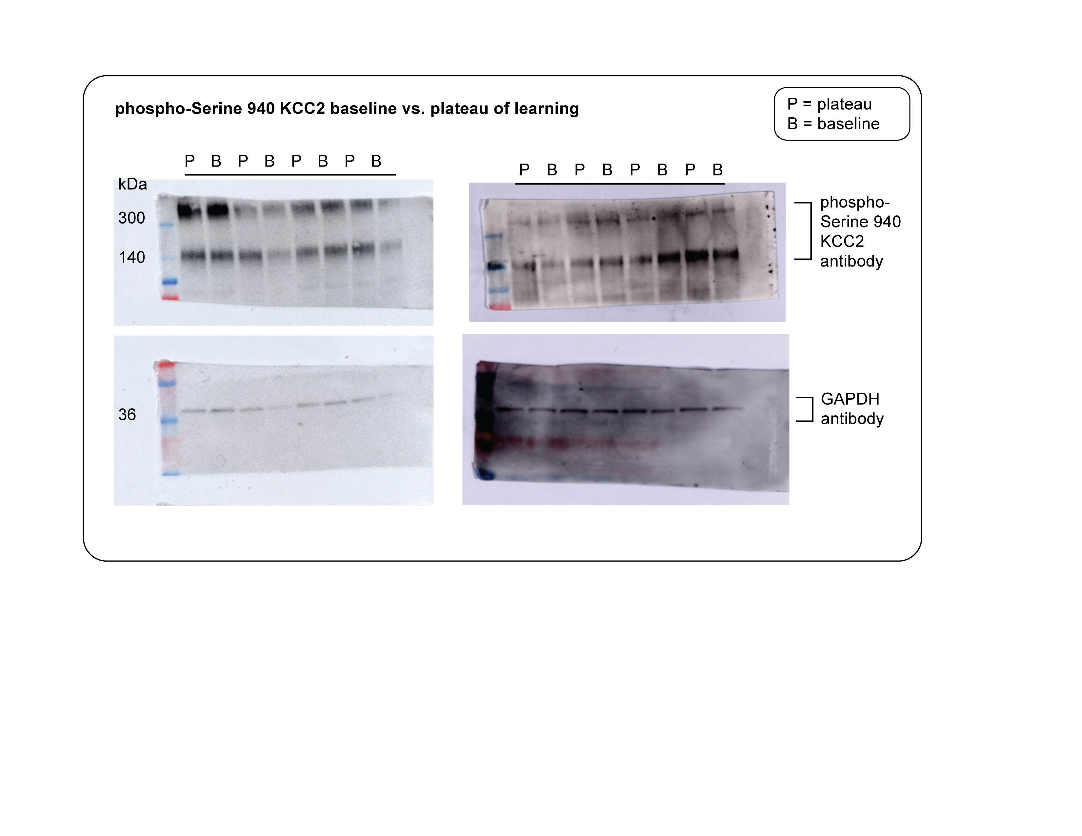
454.1 | 62.96529988 | 58.0797486 | 1.352362049 | 1.235024743 | 135.2362049 | 123.5024743

Figure S1N
 | gapdh 1 min 2025.02.04_14.13.25_Ch+Marker.jpg |  |  | nkcc1 gapdh 1 min 2025.02.04_14.16.27_Ch+Marker.jpg |  |  |  | NKCC1/GAPDH
G-296.4 (VTA 1) | 1 | 50117.706 | 1 | 50790.768 |  |  | G-296.4 (VTA 1) | 1.013429625
G-296.2 (VTA 1) | 2 | 50821.948 | 2 | 50458.647 |  |  | G-296.2 (VTA 1) | 0.992851494
G-622.10 (VTA 1) | 3 | 50116.827 | 3 | 51533.475 |  |  | G-622.10 (VTA 1) | 1.028266913
G-297.2 (VTA 1) | 4 | 51302.676 | 4 | 49248.454 |  |  | G-297.2 (VTA 1) | 0.9599587749
G+ 391.7 (VTA 3) | 5 | 49085.149 | 5 | 48430.04 |  |  | G+ 391.7 (VTA 3) | 0.986653621
G+ 391.3 (VTA 1) | 6 | 48697.907 | 6 | 50301.404 |  |  | G+ 391.3 (VTA 1) | 1.032927432
G- 625.5 (VTA 1) | 7 | 53390.576 | 7 | 49553.99 |  |  | G- 625.5 (VTA 1) | 0.9281411386
G- 625.1 (VTA 1) | 8 | 53794.99 | 8 | 50970.182 |  |  | G- 625.1 (VTA 1) | 0.9474893852
 | nkcc1 5s 2025.03.08_18.44.05_Ch |  |  | nkcc1 5s 2025.03.08_18.44.05_Ch |  |  |  | NKCC1/GAPDH
G-620.2 | 1 | 45556.383 | 1 | 28244.035 |  |  | G-620.2 | 0.6199797512
G-620.4 | 2 | 47286.333 | 2 | 27820.186 |  |  | G-620.4 | 0.588334604
G-623.3 | 3 | 45197.07 | 3 | 24282.65 |  |  | G-623.3 | 0.5372615968
G-623.5 | 4 | 45818.969 | 4 | 24905.014 |  |  | G-623.5 | 0.543552475
G-408.2 | 5 | 46568.676 | 5 | 28656.328 |  |  | G-408.2 | 0.6153562966
G-408.4 | 6 | 47097.404 | 6 | 28052.964 |  |  | G-408.4 | 0.5956371608
T-175.3 | 7 | 45547.333 | 7 | 30343.278 |  |  | T-175.3 | 0.6661922005
T-175.5 | 8 | 46348.626 | 8 | 28755.964 |  |  | T-175.5 | 0.6204275398

 |  |  | Day 1 |  |  | Day 7
 |  | G-296.4 (VTA 1) | 1.013429625 |  | G-296.2 (VTA 1) | 0.992851494
 |  | G-622.10 (VTA 1) | 1.028266913 |  | G-297.2 (VTA 1) | 0.9599587749
 |  | G+ 391.7 (VTA 3) | 0.986653621 |  | G+ 391.3 (VTA 1) | 1.032927432
 |  | G- 625.5 (VTA 1) | 0.9281411386 |  | G- 625.1 (VTA 1) | 0.9474893852
 |  | G-620.4 | 0.588334604 |  | G-620.2 | 0.6199797512
 |  | G-623.5 | 0.543552475 |  | G-623.3 | 0.5372615968
 |  | G-408.4 | 0.5956371608 |  | G-408.2 | 0.6153562966
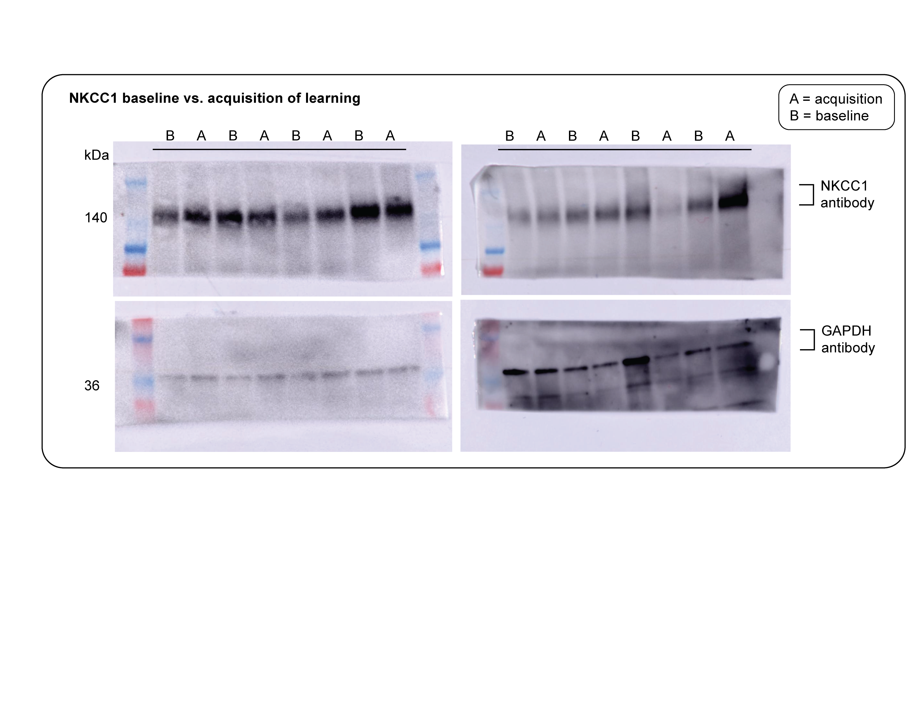
 |  | T-175.5 | 0.6204275398 |  | T-175.3 | 0.6661922005

