Blad1
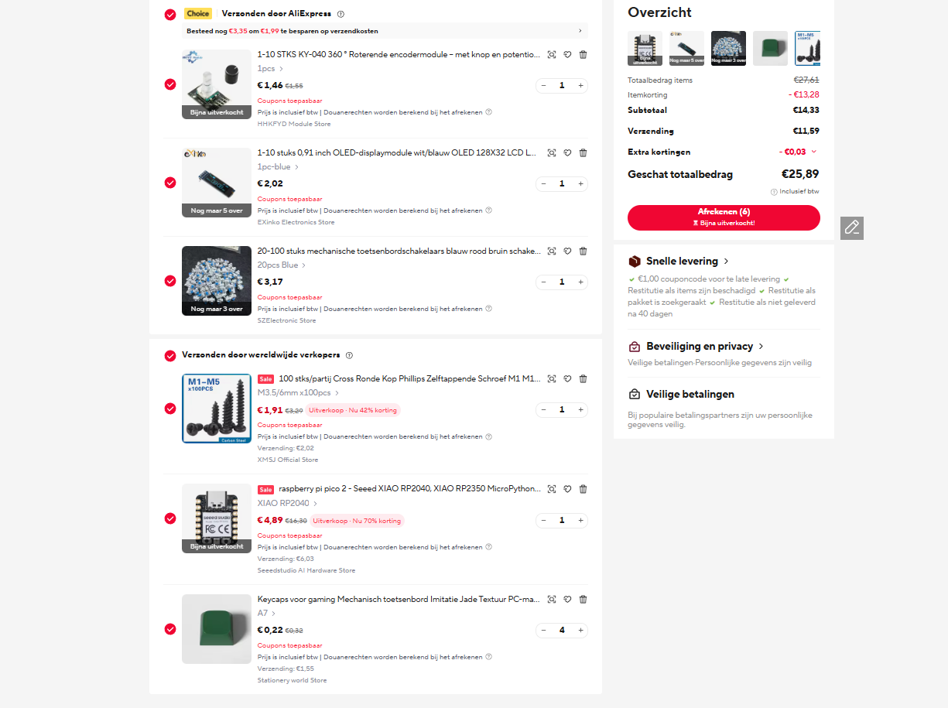
keycaps green €2,45 link: |  | https://l1nk.dev/9ejw5r6 | 2.45
Rotary Encoder link 1,51€ : |  | https://nl.aliexpress.com/item/1005009040530746.html?spm=a2g0o.detail.pcDetailTopMoreOtherSeller.1.1db4558e43bH4y&gps-id=pcDetailTopMoreOtherSeller&scm=1007.40050.354490.0&scm_id=1007.40050.354490.0&scm-url=1007.40050.354490.0&pvid=965e7608-7613-401e-9cb9-9341b9a8d61a&_t=gps-id%3ApcDetailTopMoreOtherSeller%2Cscm-url%3A1007.40050.354490.0%2Cpvid%3A965e7608-7613-401e-9cb9-9341b9a8d61a%2Ctpp_buckets%3A668%232846%238112%231997&pdp_ext_f=%7B%22order%22%3A%221130%22%2C%22eval%22%3A%221%22%2C%22sceneId%22%3A%2230050%22%2C%22fromPage%22%3A%22recommend%22%7D&pdp_npi=6%40dis%21EUR%211.55%211.46%21%21%2111.76%2111.08%21%400b5e1a3817842308815388367e11a9%2112000047680595869%21rec%21NL%214712872211%21XZ%211%210%21n_tag%3A-29919%3Bd%3A28f57637%3Bm03_new_user%3A-29895%3BpisId%3A5000000212172017&utparam-url=scene%3ApcDetailTopMoreOtherSeller%7Cquery_from%3A%7Cx_object_id%3A1005009040530746%7C_p_origin_prod%3A | 1.46
128x32 screen 2,02 € link: |  | https://a.aliexpress.com/_EJ4NFM8 | 2.02
switchs 20pc 3,18 link: |  | https://nl.aliexpress.com/item/1005011838889689.html?spm=a2g0o.cart.0.0.76a761d7tJaQGl&mp=1&pdp_npi=6%40dis%21EUR%21EUR+3.18%21EUR+3.18%21%21EUR+3.18%21%21%21%400b5e1a3817841492968122379e10a2%2112000056744509267%21ct%21NL%214712872211%21%211%210%21&gatewayAdapt=glo2nld | 3.18
seed rp2040 link: |  | https://a.aliexpress.com/_EQkfTBi | 10.94
screws |  | https://nl.aliexpress.com/item/1005008724193768.html?spm=a2g0o.detail.0.0.714c9XIc9XIcI3&mp=1&pdp_npi=6%40dis%21EUR%21EUR+3.29%21EUR+1.91%21%21EUR+1.91%21%21%21%400b1585c117842301345404836e11b8%2112000046404367013%21ct%21NL%214712872211%21%211%210%21&gatewayAdapt=glo2nld | 3.93
pcb | 3.65 €
fillement | free (i pay)
 |  |  | total aliexepres : | 23.98

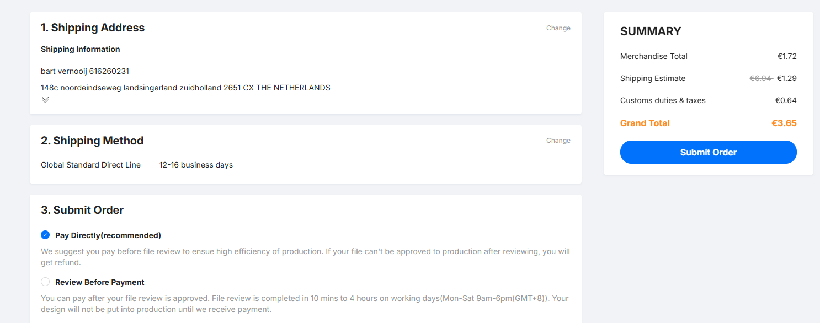
 | total compleet: | 27.63 €

