Sheet1
 | id | name | formula | MW | logp | charge | has_phosphate | has_furanose | has_pyranose | has_sterol | has_benzene | has_halide | has_sulfonate | has_DNA_base
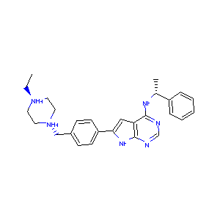 | AEE | 6-{4-[(4-ethylpiperazin-1-yl)methyl]phenyl}-n-[(1r)-1-phenylethyl]-7h-pyrrolo[2,3-d]pyrimidin-4-amine | C27 H32 N6 | 462.43989857 | 2.1013 | 2
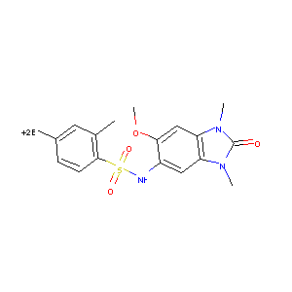 | 5XE | 4-bromanyl-~{n}-(6-methoxy-1,3-dimethyl-2-oxidanylidene-benzimidazol-5-yl)-2-methyl-benzenesulfonamide | C17 H18 Br N3 O4 S | 389.25195803 | 0.78862 | 0
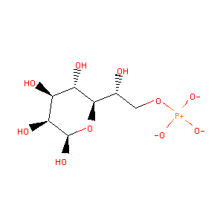 | M7B | 7-o-phosphono-d-glycero-beta-d-manno-heptopyranose | C7 H15 O10 P | 292.05593337 | -6.0777 | -2
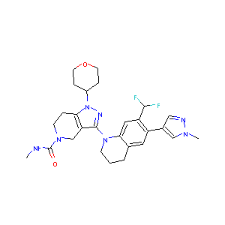 | 9U4 | 3-[7-(difluoromethyl)-6-(1-methyl-1h-pyrazol-4-yl)-3,4-dihydroquinolin-1(2h)-yl]-n-methyl-1-(oxan-4-yl)-1,4,6,7-tetrahydro-5h-pyrazolo[4,3-c]pyridine-5-carboxamide | C27 H33 F2 N7 O2 | 541.39158025 | 4.3545 | 0
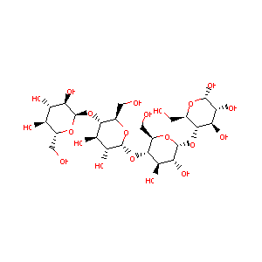 | MTT | maltotetraose | C24 H42 O21 | 666.22185836 | -9.7488 | 0
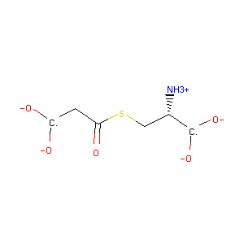 | MCS | malonyl cysteine | C6 H9 N O5 S | 214.07437003 | -5.6598 | -1
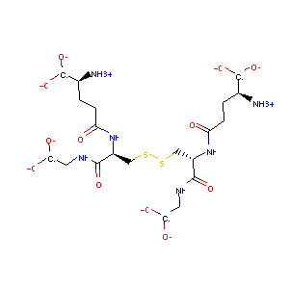 | GDS | oxidized glutathione disulfide | C20 H32 N6 O12 S2 | 630.29171588 | -13.462 | -2
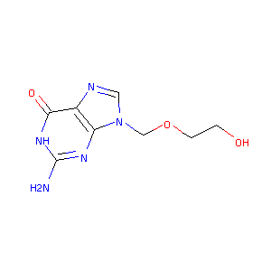 | AC2 | 9-hyroxyethoxymethylguanine | C8 H11 N5 O3 | 233.14878947 | -1.3318 | 0
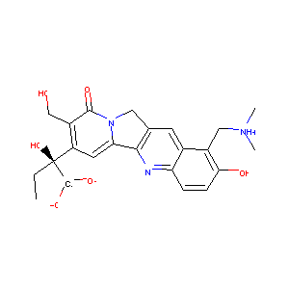 | TTG | 2-(1-dimethylaminomethyl-2-hydroxy-8-hydroxymethyl-9-oxo-9,11-dihydro-indolizino[1,2-b]quinolin-7-yl)-2-hydroxy-butyric acid | C23 H25 N3 O6 | 458.32246255 | -2.0881 | 0
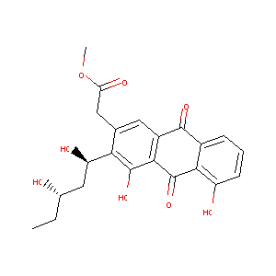 | AKV | {3-[(1r,3s)-1,3-dihydroxypentyl]-4,5,9,10-tetrahydroxy-2-anthryl}acetate | C22 H22 O8 | 432.27231824 | 1.7831 | 0
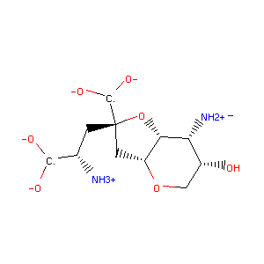 | DYH | (2r,3ar,6s,7r,7ar)-2-[(2s)-2-amino-2-carboxyethyl]-6-hydroxy-7-(methylamino)hexahydro-2h-furo[3,2-b]pyran-2-carboxylic acid | C12 H20 N2 O7 | 310.17290401 | -8.0704 | 0
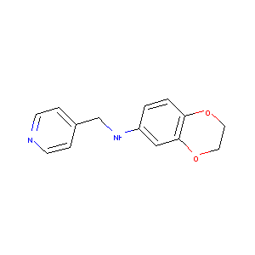 | F91 | n-(pyridin-4-ylmethyl)-2,3-dihydro-1,4-benzodioxin-6-amine | C14 H14 N2 O2 | 254.19942807 | 2.4649 | 0
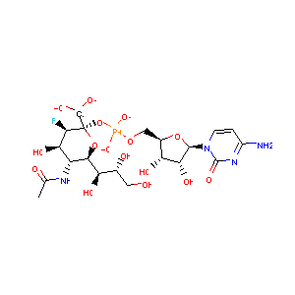 | CSF | cytidine-5'-monophosphate-3-fluoro-n-acetyl-neuraminic acid | C20 H30 F N4 O16 P | 644.23174611 | -9.0643 | -2
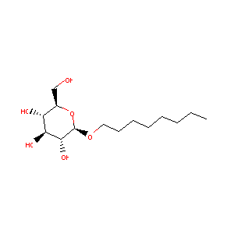 | BOG | b-octylglucoside | C14 H28 O6 | 292.18858862 | 0.1634 | 0
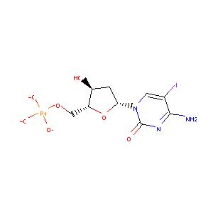 | C38 | 5-iodo-2'-deoxy-cytidine-5'-monophosphate | C9 H13 I N3 O7 P | 441.01618464 | -3.1464 | -2
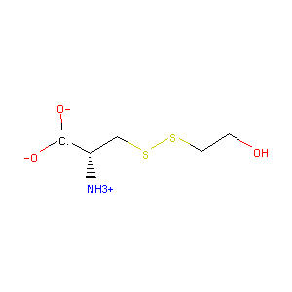 | CME | s,s-(2-hydroxyethyl)thiocysteine | C5 H11 N O3 S2 | 200.04096173 | -2.9827 | 0
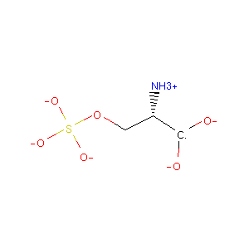 | OSE | o-sulfo-l-serine | C3 H7 N O6 S | 190.03798452 | -4.229 | -1
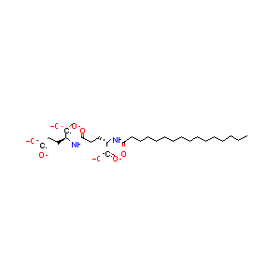 | EVT | (2~{s})-2-[[(4~{s})-4-(hexadecanoylamino)-5-oxidanyl-5-oxidanylidene-pentanoyl]amino]pentanedioic acid | C26 H46 N2 O8 | 524.40366675 | -1.8622 | -3
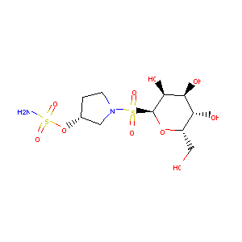 | 3J4 | (6s)-2,6-anhydro-6-{[(3r)-3-(sulfamoyloxy)pyrrolidin-1-yl]sulfonyl}-d-glucitol | C10 H20 N2 O10 S2 | 396.08723697 | -4.5895 | 0
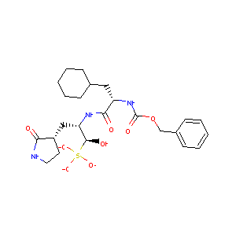 | M40 | (1r,2s)-2-({n-[(benzyloxy)carbonyl]-3-cyclohexyl-l-alanyl}amino)-1-hydroxy-3-[(3s)-2-oxopyrrolidin-3-yl]propane-1-sulfonic acid | C24 H35 N3 O8 S | 539.32403653 | 1.777 | -1
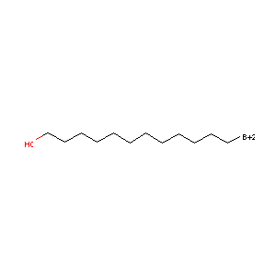 | BDD | bromo-dodecanol | C12 H25 Br O | 198.21549588 | 3.4665 | 0
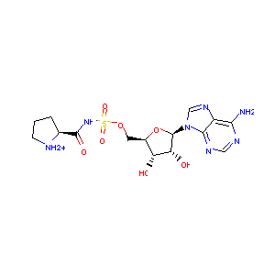 | P5A | '5'-o-(n-(l-prolyl)-sulfamoyl)adenosine | C15 H21 N7 O7 S | 456.22349385 | -3.8689 | 1
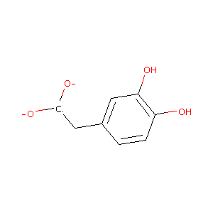 | DHY | 2-(3,4-dihydroxyphenyl)acetic acid | C8 H8 O4 | 176.10485899 | -1.313 | -1
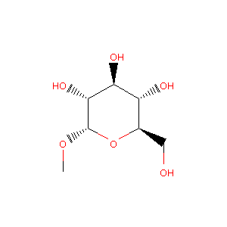 | GYP | methyl-alpha-d-glucopyranoside | C7 H14 O6 | 194.07903817 | -2.5673 | 0
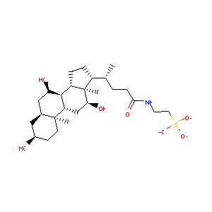 | TCH | taurocholic acid | C26 H45 N O7 S | 519.32297391 | 2.6761 | -1
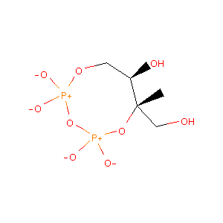 | CDI | 2c-methyl-d-erythritol 2,4-cyclodiphosphate | C5 H12 O9 P2 | 282.02695535 | -4.0419 | -2
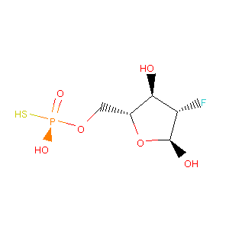 | 48Z | 2-deoxy-2-fluoro-5-o-thiophosphono-alpha-d-arabinofuranose | C5 H10 F O6 P S | 250.00762395 | -0.5506 | 0
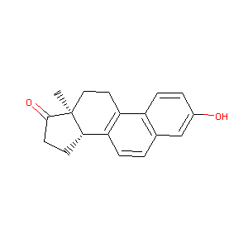 | EQU | equilenin | C18 H18 O2 | 278.2245802 | 3.9444 | 0
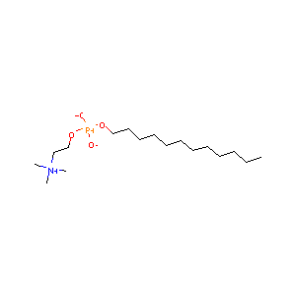 | DPV | dodecyl 2-(trimethylammonio)ethyl phosphate | C17 H38 N O4 P | 354.27677184 | 3.0449 | 0
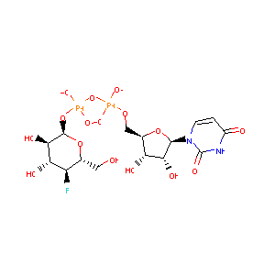 | UFG | uridine-5'-diphosphate-4-deoxy-4-fluoro-alpha-d-galactose | C15 H23 F N2 O16 P2 | 578.12893446 | -7.2209 | -2
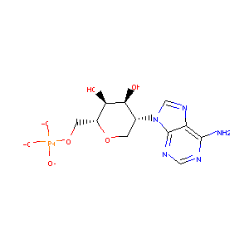 | A6A | 2-(6-amino-9h-purin-9-yl)-1,5-anhydro-2-deoxy-6-o-phosphono-d-altritol | C11 H16 N5 O7 P | 371.1569848 | -4.1547 | -2
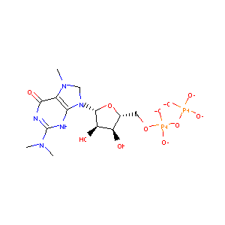 | M7M | n,n,7-trimethylguanosine 5'-(trihydrogen diphosphate) | C13 H23 N5 O11 P2 | 497.16518014 | -6.3138 | -3
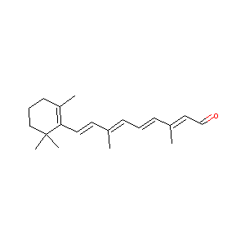 | RET | retinal | C20 H28 O | 296.3079159 | 5.7169 | 0
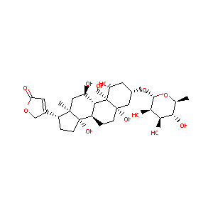 | OBN | ouabain | C29 H44 O12 | 588.31457698 | -1.515 | 0
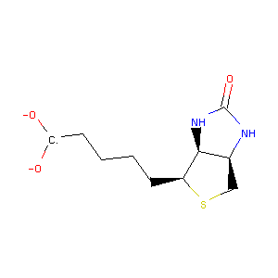 | BTN | biotin | C10 H16 N2 O3 S | 248.1194635 | -1.2411 | -1
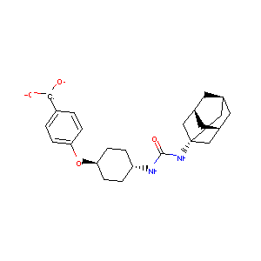 | AUB | 4-[(trans-4-{[(3s,5s,7s)-tricyclo[3.3.1.1~3,7~]dec-1-ylcarbamoyl]amino}cyclohexyl)oxy]benzoic acid | C24 H32 N2 O4 | 422.31445782 | 2.3638 | -1
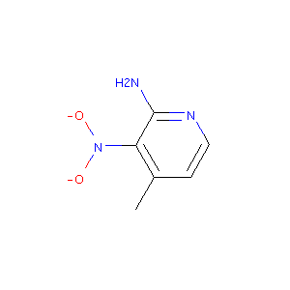 | 2ZV | 4-methyl-3-nitropyridin-2-amine | C6 H7 N3 O2 | 161.11642672 | 0.77422 | 0
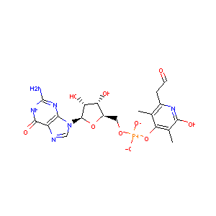 | I2C | 5'-o-[(s)-hydroxy{[2-hydroxy-3,5-dimethyl-6-(2-oxoethyl)pyridin-4-yl]oxy}phosphoryl]guanosine | C19 H23 N6 O10 P | 544.26217814 | -2.72636 | -1
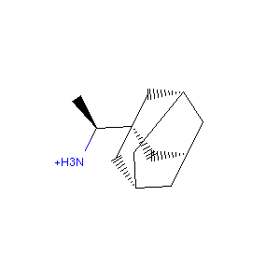 | EU7 | (1s)-1-[(3r,5r,7r)-tricyclo[3.3.1.1~3,7~]decan-1-yl]ethan-1-amine | C12 H21 N | 180.17467612 | 1.8332 | 1
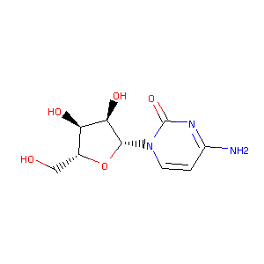 | CTN | 4-amino-1-beta-d-ribofuranosyl-2(1h)-pyrimidinone | C9 H13 N3 O5 | 249.13247071 | -2.563 | 0
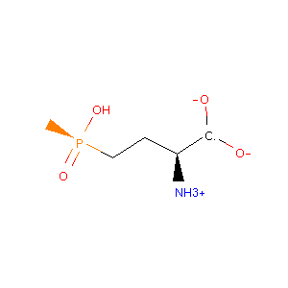 | PPQ | phosphinothricin | C5 H12 N O4 P | 186.08897107 | -3.0661 | 0
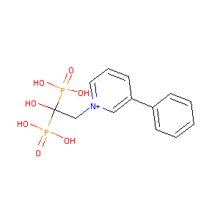 | P2H | 1-(2-hydroxy-2,2-diphosphonoethyl)-3-phenylpyridinium | C13 H16 N O7 P2 1 | 375.15757559 | 0.6426 | 1
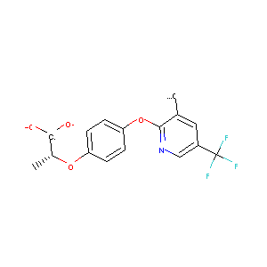 | H1L | (2r)-2-(4-{[3-chloro-5-(trifluoromethyl)pyridin-2-yl]oxy}phenoxy)propanoic acid | C15 H11 Cl F3 N O4 | 355.19704304 | 2.01512 | -1
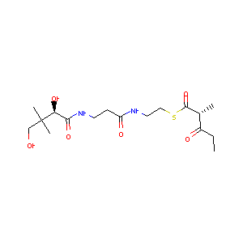 | 8H6 | s-[2-[3-[[(2r)-3,3-dimethyl-2,4-bis(oxidanyl)butanoyl]amino]propanoylamino]ethyl] (2r)-2-methyl-3-oxidanylidene-pentanethioate | C17 H30 N2 O6 S | 398.24505794 | -0.1367 | 0
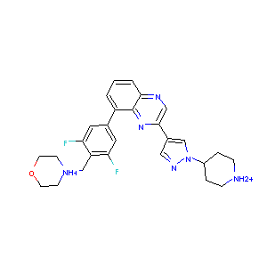 | DQX | 8-[3,5-difluoro-4-(morpholin-4-ylmethyl)phenyl]-2-(1-piperidin-4-yl-1h-pyrazol-4-yl)quinoxaline | C27 H28 F2 N6 O | 512.4003195 | 1.7519 | 2
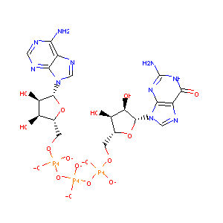 | G3A | guanosine-p3-adenosine-5',5'-triphosphate | C20 H27 N10 O17 P3 | 794.249 | -8.3767 | -3
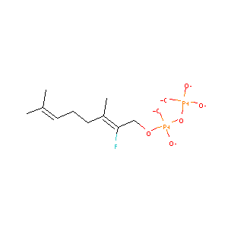 | 0FV | (2z)-2-fluoro-3,7-dimethylocta-2,6-dien-1-yl trihydrogen diphosphate | C10 H19 F O7 P2 | 340.12160468 | -0.8338 | -3
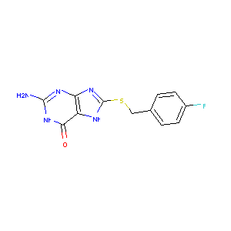 | 5RW | 2-azanyl-8-[(4-fluorophenyl)methylsulfanyl]-1,7-dihydropurin-6-one | C12 H10 F N5 O S | 305.16855961 | 1.6598 | 0
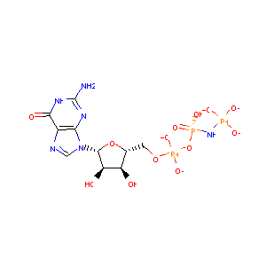 | GNP | phosphoaminophosphonic acid-guanylate ester | C10 H17 N6 O13 P3 | 536.11619494 | -6.7991 | -3
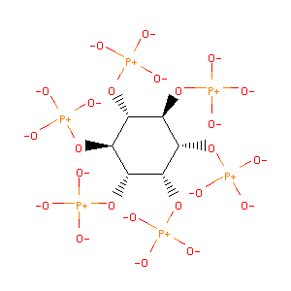 | IHP | inositol hexakisphosphate | C6 H18 O24 P6 | 671.95527162 | -17.1378 | -12

