Plan Work
Milestone |  | Missions | Finish date | Status
Step | topic
Start planning |  |  | 17/12/2023 | V | Learning technologies
1 | Planning the Subscription DB structure | According the Project characterization document, and adding another fiels like member image, summary movie etc… | 17/12/2023 | V
 | Learning technologies | Redux Toolkit with Redux Persist | 18-28/12/2023 | V | Milestone |  | Learning sources
 |  | Web Socket (socket.io) | 18-28/12/2023 | V | Step | topic | Topic / Article | Link
 |  | Recommendations with Collaborative Filtering methods | 18-28/12/2023 | V | 1 | Redux Toolkit with Redux Persist | Get rid of data consistency with the redux-persist | https://medium.com/@dharacharolap/get-rid-of-data-consistency-with-the-redux-persist-86559e96de32
 |  | Advanced programming with React | 18-28/12/2023 | V |  |  | PersiPersist state with Redux Persist using Redux Toolkit in React | https://blog.logrocket.com/persist-state-redux-persist-redux-toolkit-react/
 |  | React Context and useContext() Hook | 18-28/12/2023 | V | 2 | Web Socket (socket.io) | Building a chat app with Socket.io and React 🚀 | https://dev.to/novu/building-a-chat-app-with-socketio-and-react-2edj
 |  | Theming with Sass | 18-28/12/2023 | V |  |  | WebSockets tutorial: How to go real-time with Node and React | https://blog.logrocket.com/websocket-tutorial-real-time-node-react/
 | [screens & components] <=> [structure & design] | Planning the both structure and design of screens and components | 18-28/12/2023 | V | 3 | Recommendations system | Using OpenAI API for recommendation systems | https://medium.com/muthoni-wanyoike/using-openai-api-for-recommendation-systems-6f7fc90c371e
Start programing |  |  | 28/12/2023 | V |  |  | Predicting Likes: Inside A Simple Recommendation Engine’s Algorithms | https://www.toptal.com/algorithms/predicting-likes-inside-a-simple-recommendation-engine
2 | Build Subscription WS | Build the subscription WS to work against Movies WS and Members WS, then deploy the data into mongoDB collections | 28-31/12/2023 | V |  |  | collaborative-filter (npm i collaborative-filter) | https://www.npmjs.com/package/collaborative-filter
3 | Tests Subscription WS | Performing the subscription WS tests with a postman | 31/12/23 | V |  |  | Building a Recommendation System with Node.js and MongoDB: A Step-by-Step Guide | https://voskan.host/2023/03/04/building-a-recommendation-system-with-node-js-and-mongodb/
4 | Build Cinema WS | Build the cinema WS to work against users collection into mongoDB, users and permissions json files. And adding authentication with JWT | 1-4/1/2024 | V |  |  | A Simple Recommendation System with NodeJS and MongoDB | https://techimperialist.com/javascript/a-simple-recommendation-system-with-nodejs-and-mongodb/
5 | Tests Cinema WS | Performing the cinema WS tests with a postman | 2024-04-01 | V
6 | Build The Skeleton of the Client (React) | Build the client with react, and connect to the cinema WS | 5-8/1/2024 | V | 4 | Advanced programming with React | How To Structure React Projects From Beginner To Advanced | https://blog.webdevsimplified.com/2022-07/react-folder-structure/
7 | Programming movie model | Implementing User Interface for movie model | 9-12/1/2024 | V |  |  | What Are Pure Functions? | https://blog.webdevsimplified.com/2020-09/pure-functions/
8 | Programming subscription model | Implementing User Interface for subscription model | 13-16/1/2024 | V | 5 | React Context and useContext() Hook | A Guide to React Context and useContext() Hook | https://dmitripavlutin.com/react-context-and-usecontext/
9 | Programming member model | Implementing User Interface for member model | 17-18/2024 | V | 6 | Theming with Sass | How to Create Powerful Themes Using SCSS | https://www.turing.com/kb/how-to-create-powerful-themes-using-scss
10 | Programming user model | Implementing User Interface for user model | 19-22/1/2024 | V |  |  | Theming a React app with Sass modules: a step-by-step guide | https://medium.com/@thibaudbrault/theming-a-react-app-with-sass-modules-76aa0627297c
11 | First expansion of the system | Add dashboard screen for admin users (use web socket) | 23-25/1/2024 | V |  |  | Sass (Syntactically Awesome Style Sheets) | https://www.tutorialsteacher.com/sass
12 | Second expansion of the system | Add chat screen for messaging between the system users (use web socket) | 26/1-4/2/2024 | V
13 | Third expansion of the system (optional in the futue) | Add recommendation movies of members Page - using Collaborative Filtering methods (by the cosine similarity algorithm) | 5-7/2/2024 | V
14 | Improving code & design | Improving the code and the design of the system, adding alerts | 8-10/2/2024 | to do now
15 | Optimization | Optimize the use of the system using a memorization module | 2024-11-02
16 | DataBase Seeding | Seeding the desired members' and movies' database into our system | 2024-12-02
17 | Comprehensive tests of the system | Performing advanced and comprehensive tests of the system by working with all data sources and checking the various situations | 13/2/2024
18 | Readme file | Filling out the Readme file | 14/2/2024

 |  |  |  |  | gray | warning | success | error

 |  |  |  |  | gray | orange | success | error
 |  |  |  |  | #D2D2D2 | #F7BDA4 | #B5D5A7 | #FF9B9B

 |  |  |  |  | #B3B6B9 | #EC9762 | #479D6E | #9D476C | thirdly | secondary | primary

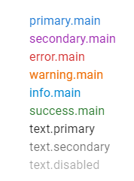
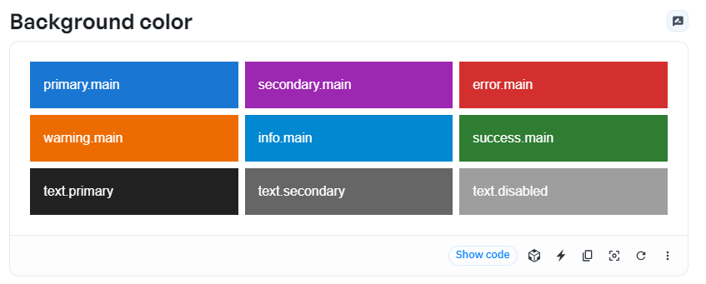
 |  |  |  |  |  |  |  |  |  |  |  |  | light
 |  |  |  |  |  |  |  |  | info | warning | secondary | primary | main
 |  |  |  |  |  |  |  |  | #ABEDEF | #FFDD9C | #D4B1E9 | #B1CBE9 | Dark
 |  |  |  |  |  |  |  |  |  |  |  |  | 200
 |  |  |  |  |  |  |  |  | #ABEDEF | #9D9347 | #6D4789 | #3B75A9 | 800

 |  |  |  |  |  |  |  |  |  | light | #e3f2fd
 |  |  |  |  |  |  |  |  |  | main | #2196f3
 |  |  |  |  |  |  |  |  |  | Dark | #1e88e5
 |  |  |  |  |  |  |  |  |  | 200 | #90caf9
 |  |  |  |  |  |  |  |  |  | 800 | #1565c0

Data Base Structure
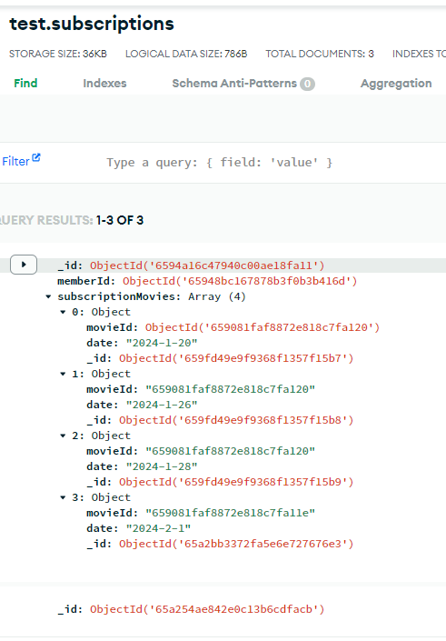
Designing a MongoDB schemas |  |  | Designing a MongoDB schemas

 | Subscriptions DB |  |  | Users DB

Collection | Document |  | Collection | Document
 | Field (type) | Validation (rules) |  | Field (type) | Validation (rules)
Members | _id :ObjectId('64f3210ec5dfffce0b02dab0') | required, uniqe | users | _id :ObjectId('64f3210ec5dfffce0b02dab0') | required, uniqe
 | name :{ type: String } | required |  | username :{ type: String } | required, uniqe
 | email :{ type: String } | required, uniqe |  | password :{ type: String } | required
 | city :{ type: String } | required
 | image :{ type: String, url of image } | required
 |  |  | Designing a Json Files
Collection | Document |  | file | Document
 | Field (type) | Validation (rules) |  | Field (type) | Validation (rules)
Movies | _id :ObjectId('64f3210ec5dfffce0b02dab0') | required, uniqe |  users.json | _id :ObjectId('64f3210ec5dfffce0b02dab0') | required, uniqe (The _id that created in the data base)
 | name :{ type: String } | required |  | firstName :{ type: String } | required
 | genres :[ type: Array of Strings ] | required |  | lastName :{ type: String } | required
 | image :{ type: String, url of image } | required |  | published :{ type: Date } | required
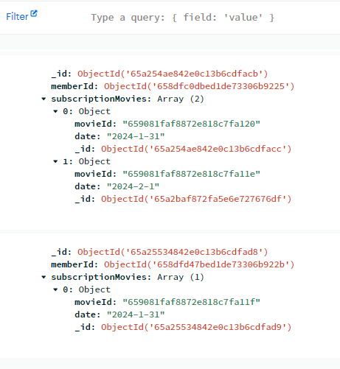
 | type :{ type: String } | required |  | sessionTimeOut :{ type: Number } | required (the duration in minutes a user can work on the system once he logged in)
 | language :{ type: String } | required |  | image :{ type: String, url of image } | required
 | summary :{ type: String } | required
 | premiered :{ type: Date } | required | file | Document
 |  |  |  | Field (type) | Validation (rules)
Collection | Document |  | permissions.json | _id :ObjectId('64f3210ec5dfffce0b02dab0') | required, uniqe (The _id that created in the data base)
 | Field (type) | Validation (rules) |  | permissions :[ type: Array of permissions] | required
Subscriptions | _id :ObjectId('64f3210ec5dfffce0b02dab0') | required, uniqe |  | { view subscriptions: boolean }, | required
 | memberId :{ type: ObjectId } | required |  | { create subscriptions: boolean }, | required
 | subscriptionMovies :[ type: Array of Json { movieId: ObjectId, date: Date.now() } ] | required |  | { update subscriptions: boolean }, | required
 |  |  |  | { delete subscriptions: boolean }, | required
 |  |  |  | { view movies: boolean }, | required
 |  |  |  | { create movies: boolean }, | required

 |  |  |  | { update movies: boolean }, | required
 |  |  |  | { delete movies: boolean } | required

Initial Data
"users": [
{
"_id": "ObjectId('64f3210ec5dfffce0b02dab0')",
"username": "DanaLevi",
"password": "123456"
}
]
Collection | Document
 | Field (type) | Validation (rules)
users | _id :ObjectId('64f3210ec5dfffce0b02dab0') | required, uniqe
 | username :{ type: String } | required, uniqe
 | password :{ type: String } | required

"users": [
{
"_id": "ObjectId('64f3210ec5dfffce0b02dab0')",
"firstName": "Dana",
"lastName": "Levi",
"published": "123456",
"sessionTimeOut": "1440",
"src": "https://source.unsplash.com/collection/9948714?32",
}
]
file | Document
 | Field (type) | Validation (rules)
users.json | _id :ObjectId('64f3210ec5dfffce0b02dab0') | required, uniqe (The _id that created in the data base)
 | firstName :{ type: String } | required
 | lastName :{ type: String } | required
 | published :{ type: Date } | required
 | sessionTimeOut :{ type: Number } | required (the duration in minutes a user can work on the system once he logged in)
 | src :{ type: String, url of image } | required

"users": [
{
"_id": "ObjectId('64f3210ec5dfffce0b02dab0')",
"permissions": [
{ "viewSubscriptions": "true" },
{ "createSubscriptions": "true" },
{ "updateSubscriptions": "true" },
{ "deleteSubscriptions": "true" },
{ "viewMovies": "true" },
{ "createMovies": "true" },
{ "updateMovies": "true" },
{ "deleteMovies": "true" }
]
}
]
file | Document
 | Field (type) | Validation (rules)
 permissions.json | _id :ObjectId('64f3210ec5dfffce0b02dab0') | required, uniqe (The _id that created in the data base)
 | permissions :[ type: Array of permissions] | required
 | { view subscriptions: boolean }, | required
 | { create subscriptions: boolean }, | required
 | { update subscriptions: boolean }, | required
 | { delete subscriptions: boolean }, | required
 | { view movies: boolean }, | required
 | { create movies: boolean }, | required
 | { update movies: boolean }, | required
 | { delete movies: boolean } | required

App Structure
App Structure

MinimalLayout
MainLayout

!isLoggedIn
isLoggedIn
AuthGuard
GuestGuard

No

Yes

LoginRoutes
MainRoutes

router

Dashboard Page
main.jsx
App.jsx
Login Page

Pages
 | Screen Design

Main Page (Dashboard)
Sign In Page
Subscription Movie

Cinema Managment
Cinema Managment
Hi, Welcome Back
Enter your credentials to continue
Username:
____________
Password:
____________
Sign In
Don't have an account? Sign Up
Search

 |  |  |  |  | Colors
Main (Dashboard)
 |  |  |  | Sign In | Bachground |  | Borders
 |  |  |  |  |  | #15162f
 |  |  |  |  |  |  |  | #eeeeee
Subscription
total subscribions
Online Users
total number of active users
Total Users
total number of users in the company
 |  |  |  |  |  | #e9ecec
Dashboard
icon
Number
Number
Number
Chat
icon
 |  |  |  |  |  | #b1daff
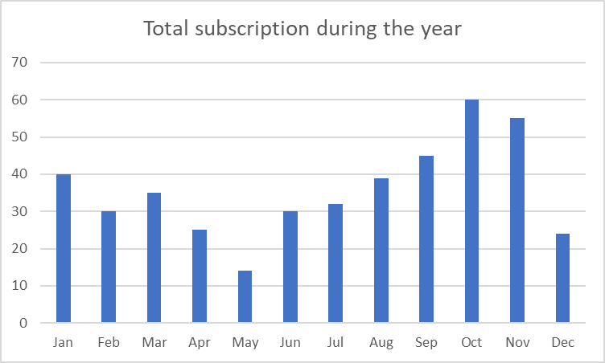
Cinema Managment

Recommend
Movies
icon
 |  |  |  |  |  | #1976D2

Movies
icon
Cinema Managment
Subscriptions
icon

User
Managment
icon
New users

Last movies subscribions
The Last members in ordering movies


Sign Up Page
Chat Page

Cinema Managment
Search
Chat
 |  |  |  | Sign Up

Users
Chating panel
Dashboard
icon
Cinema Managment
Chat
icon
Sign Up

Recommend
Movies
icon
Enter your credentials to continue

Movies
icon
Username:
____________

____________
Subscriptions
icon
Password:
Sign Up
User
Managment
icon
Already have an account?

Recommended Page

Cinema Managment
Recommendations
Search
Total subscription during the year
Collapsible Table
 |  | Jan | 40
 |  | Feb | 30
 |  | Mar | 35
Dashboard
icon
 |  | Apr | 25
Num Name Email City
 |  | May | 14
1 Leanne Graham Sincere@april.biz Gwenborough
 |  | Jun | 30
Chat
icon
 |  | Jul | 32
Num Icon Name Genres Type Premiered
 |  | Aug | 39
1
{ Under the Dome }
* Drama
* Science-Fiction
* Thriller
Scripted
2011-09-22
 |  | Sep | 45
Recommend
Movies
icon
 |  | Oct | 60
 |  | Nov | 55
 |  | Dec | 24
Movies
icon

Subscriptions
icon

User
Managment
icon

All Movies Page
Add Movie Page
Edit Movie Page

Cinema Managment
Cinema Managment
Search
Cinema Managment
Movies Model
Search
Search

Add Movie
Edit Movie
Dashboard
icon
Under the Dome, [Premiered: 2011-09-22]
Under the Dome is the story of a small town that is suddenly and inexplicably sealed off from the rest of the world by an enormous transparent dome. The town's inhabitants must deal with surviving the post-apocalyptic conditions while searching for answers about the dome, where it came from and if and when it will go away
Subscriptions watched
Dashboard
icon
Dashboard
icon
* Drama
* Science-Fiction
* Thriller

Genres
* Avi Cohen, 22/12/2023
* Dana Levy, 20/12/2023
Name:
_____________
_____________
Chat
icon
Chat
icon
Chat
icon
Name:
_[array strings]_
_[array strings]_
Type
Scripted
Genres:
Genres:
Recommend
Movies
icon
Language
English
Recommend
Movies
icon
Recommend
Movies
icon
Image Url:
_____________
Image Url:
_____________
Delete
Edit
Movies
icon
Movies
icon
Movies
icon
Premiered:
_____________
_____________
Person of Interest, [Premiered: 2011-09-22]
You are being watched. The government has a secret system, a machine that spies on you every hour of every day. I know because I built it. I designed the Machine to detect acts of terror but it sees everything.
Subscriptions watched
All Movies
All Movies
All Movies

* Crime
* Action
* Science-Fiction
* Avi Cohen, 22/12/2023
* Dana Levy, 20/12/2023
Add Movie
Genres
Add Movie
Cancel
Save
Add Movie

Type
Scripted
Subscriptions
icon
Language
English
Subscriptions
icon
Subscriptions
icon

Delete
Edit
User
Managment
icon
User
Managment
icon
User
Managment
icon

All Members Page
Add Member Page

Cinema Managment
Members Model
Search

Dashboard
icon

Chat
icon

Recommend
Movies
icon

Movies
icon

Subscriptions
icon

All Members

Add Member

User
Managment
icon

Users Model

8

