data base structure
Designing a Firestore schemas

Collection | Document ID | Document
 |  | Field (type) | Validation (rules)
Parent path = / | Parent path = /products | Parent path = /products/document ID
products | unique ID [Example: z29OQxg0r3RnfZgh2iY0] | name :{ type: String } | required
 |  | price :{ type: number } | required
 |  | quantity :{ type: number } | required
 |  | description :{ type: String } | required
 |  | src :{ type: String } | required
*.....*
 |  | published :{ type: Date } | required

Collection | Document ID | Document
 |  | Field (type) | Validation (rules)
Parent path = / | Parent path = /customers | Parent path = /customers/document ID
customers | unique ID [Example: z29OQxg0r3RnfZgh2iY0] | firstName :{ type: String } | required
 |  | lastName :{ type: String } | required
 |  | city :{ type: String } | required
*.....*
 |  | src :{ type: String } | required

Collection | Document ID | Document
 |  | Field (type) | Validation (rules)
Parent path = / | Parent path = /purchases | Parent path = /purchases/document ID
purchases | unique ID [Example: z29OQxg0r3RnfZgh2iY0] | customerID :{ type: String } | required
 |  | productID :{ type: String } | required
 |  | orderNumber :{ type: timestamp }
 |  | date :{ type: timestamp } | required

Collection | Document ID | Document
 |  | Field (type) | Validation (rules)
Parent path = / | Parent path = /users | Parent path = /users/document ID
users | unique ID [Example: z29OQxg0r3RnfZgh2iY0] | firstName :{ type: String } | required
 |  | lastName :{ type: String } | required
 |  | email :{ type: String } | required
 |  | role :{ type: String } | required { "admin", "regular" }

initial data
Collection | Document ID | Document
 |  | Field (type) | Value
Products | unique ID [Example: z29OQxg0r3RnfZgh2iY0] | name :{ type: String } | PC | Initial Data
 |  | price :{ type: number } | TV
 |  | quantity :{ type: number } | Watch
 |  | description :{ type: String }
 |  | src :{ type: String }
 |  | published :{ type: Date }
"Products": [
{
"name": "PC",
"price": "1169",
"quantity": "35",
"description": "laptop with a 15.6 inch screen, Intel® Core™ i7-1255U processor, 8GB internal memory, 512GB SSD drive and no operating system",
"src": "https://media.istockphoto.com/id/1040993610/photo/laptop-online-school.jpg?s=2048x2048&w=is&k=20&c=XyNyguD8VrbcPK_BbdS8HMTxOIlRK9_jxss3NZ1GrwQ="
"published": "20/11/2023"
},
{
"name": "TV",
"price": "999",
"quantity": "40"
"description": "LG UHD TVs upgrade your viewing experience. Enjoy vivid colors and breathtaking details in 4K resolution",
"src": "https://media.istockphoto.com/id/1408422160/photo/close-up-on-mans-hands-at-home-sitting-on-a-couch-in-stylish-loft-apartment-and-
playing.jpg?s=2048x2048&w=is&k=20&c=HGkUi30oWszOqS7975cn9F-MvTankvO7SMMq7YBgYRI=",
"published": "22/11/2023"
}
]

Collection | Document ID | Document
 |  | Field (type) | Value
Parent path = / | Parent path = /customers | Parent path = /customers/document ID
customers | unique ID [Example: z29OQxg0r3RnfZgh2iY0] | firstName :{ type: String }
 |  | lastName :{ type: String }
 |  | city :{ type: String }
 |  | src :{ type: String }

"Customers": [
{
"firstName": "Dana",
"lastName": "Live",
"city": "Haifa",
"src": "https://source.unsplash.com/collection/9948714?32"
},
{
"firstName": "Avi",
"lastName": "Cohen",
"city": "Tel Aviv",
"src": "https://source.unsplash.com/collection/9948714?32"
}
]

Pages
 | Screens' Design

Sign In Page

LOGIN
LOGIN
 |  | Colors
1
 |  | Bachground |  | Borders
 |  |  | #15162f
 |  |  |  |  | #eeeeee

Sign Up
 |  |  | #e9ecec
Sign In

________________________
 |  |  | #b1daff
First Name:

Email:
________________________
Last Name:
________________________
 |  |  | #1976D2

________________________
Email:
________________________
Password:
Password:
________________________
Sign In
Sign In
Don't have an account? Sign Up

Don't have an account? Sign In

Home Page

2
Hello, User Name

NEW PRODUCTS

{ Name }
{ Name }
{ Name }
{ Name }
Price
Price
Price
Price
Quentuty
Quentuty
Quentuty
Quentuty
Description
Description
Description
Description
Add
Add
Add
Add

TOP SELLING

{ Name }
{ Name }
{ Name }
{ Name }
Price
Price
Price
Price
Quentuty
Quentuty
Quentuty
Quentuty
Description
Description
Description
Description

Add
Add
Add
Add

Products Page

3

Hello, User Name

Amount
total amount of
purchased products
Number
1
Number of Products
Products on store
Number

<div class: "slick-track">
</div>

2
Redirect ------> "Edit Product's Customers"

{ Name }
Purchased date
Save
+
3

{ Name }
{ Name }
Save
Price
Purchased date
Quentuty
Description
Redirect ----------> "Add Producr Page"

Add
Redirect ----------> "Edit Product Page"
All Products

Redirect ---> "Combobox With All Product"
4
Save

Edit Product Page
New Product Page

4
Hello, User Name
Hello, User Name

Add Product
1
Edit Or Delete Product
2
Customers that bought this product

Name:
________________________
Name:
________________________
{ Name }
Purchased date
Price:
________________________
Price:
________________________

{ Name }
Purchased date
Quentity:
________________________
Quentity:
________________________
Description:
________________________
Description:
________________________
Redirect ----------> "Edit Customer"
{ Name }
Purchased date
Src:
________________________

Cancel
Delete
Update
Cancel
Add

Redirect ----------> "Edit Customer Page"

Edit Customer Page
New Customer Page

5
Hello, User Name
Hello, User Name

Add Customer
1
2
Edit Or Delete Customer
Products that purchased by this customer
Firdt Name:
________________________
Firdt Name:
________________________
{ Name }
Purchased date
Last Name:
________________________
Redirect ----------> "Edit Product"
Last Name:
________________________
City:
________________________
City:
________________________
{ Name }
Purchased date
Src:
________________________

{ Name }
Purchased date
Cancel
Delete
Update

Cancel
Add

Customers Page

6
Hello, User Name

1
Number of Customers
Customers that bought certain product
Number

Redirect ----------> "Edit Product Page"

2
{ Name }

Save

Buy Product
3
+
All Products

Redirect ----------> "Add Customer Page"
Buy

Purchases Page

7

Hello, User Name

All Users
All Products
Choosen Date
Search

Users Page

8
Hello, User Name

First Name
Last Name
City
isAdmin

First Name
Last Name
City
isAdmin

Components hierarchy
 | Components hierarchy

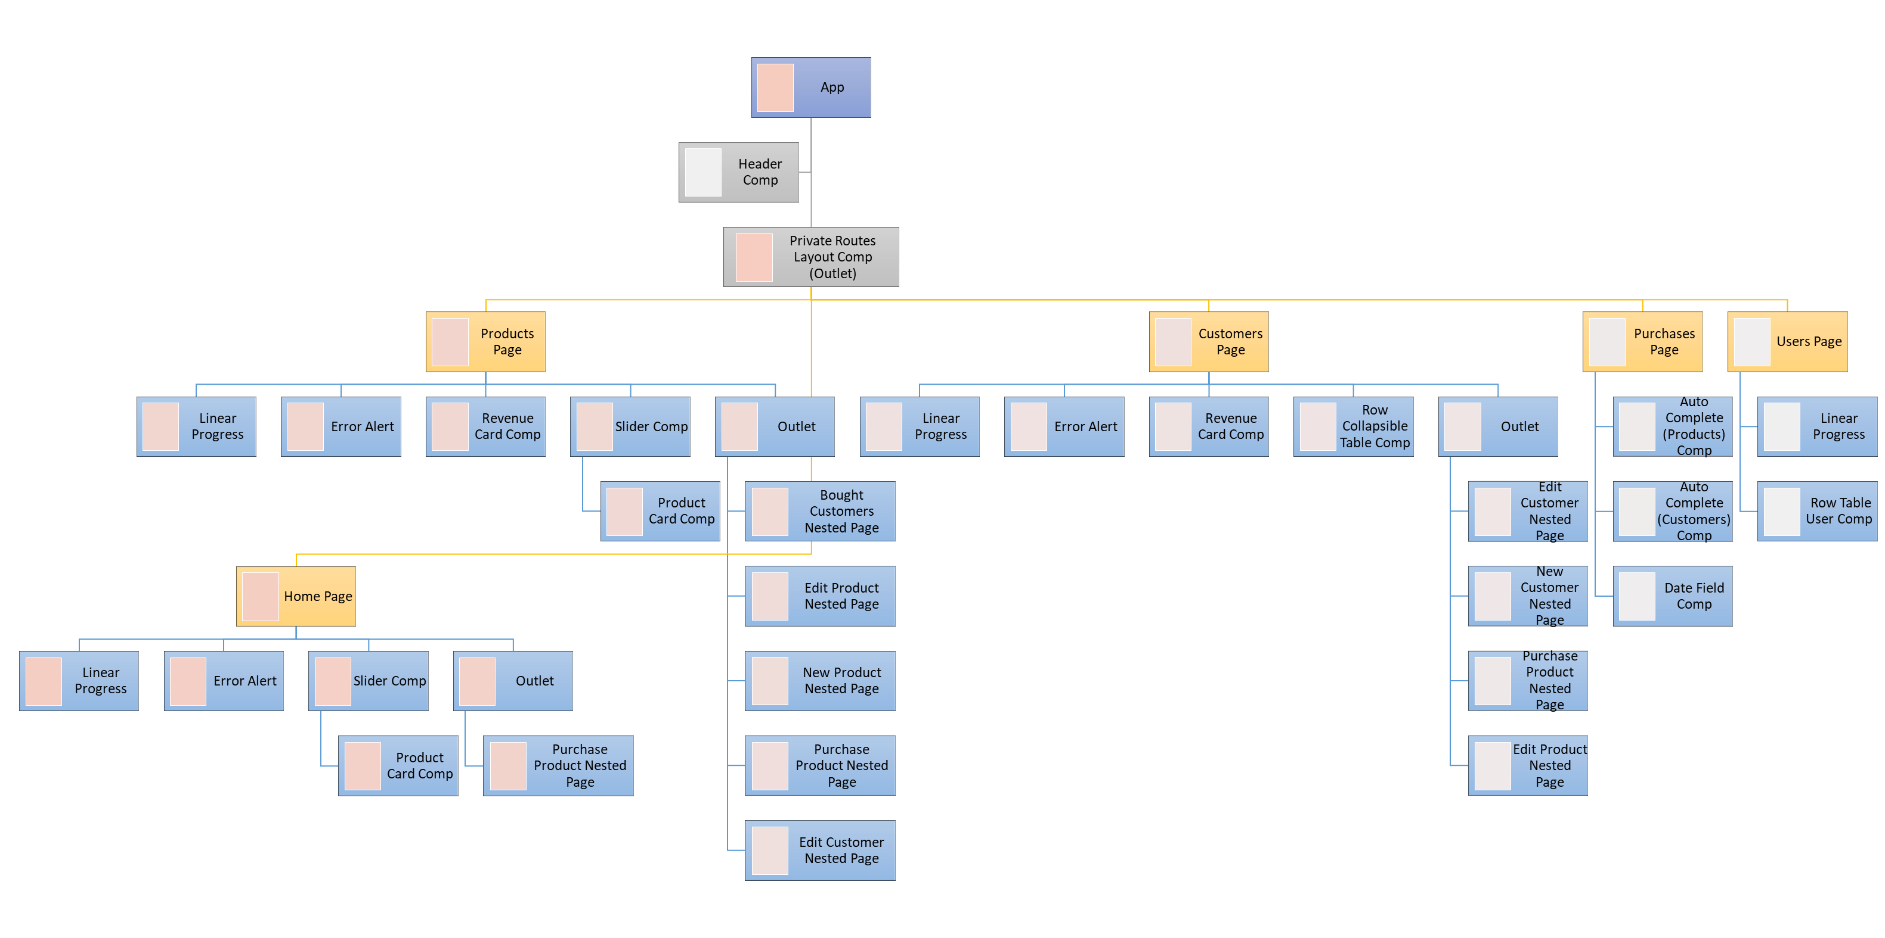

Pages Component | Components | Models | WS - jsonplaceorder [users] | localStorage | Firebase |  | Redux
 |  |  |  |  | Auth Firebase | FireStore DB | reduce name | initialState | actions | task
App child - [Header] All Routes
LoginPage | LoginPage | usersWS (jsonplaceholder), users (firestore) userLogin (localStorage) | getUserByEmail = { name, username, email, city } | localStorage .setItem("userInfo", name, username, email, city) | createUserWithEmailAndPassword / once signInWithEmailAndPassword | Add a document(await addDoc(collection(db, "users"), obj)) / once | usersReducer | { } | dispatch(login(obj_user)); | store the userLogin into the usersReducer
 | Header | userLogin (localStorage) |  | When login: localStorage .setItem("userInfo", name, username, email, city) when logout: localStorage.removeItem('userInfo') |  |  | usersReducer | { } | When login: dispatch(login(obj_user)) dispatch({ type: USER_LOGIN_SUCCESS, payload: user }) When logout: dispatch(logout()) dispatch({ type: USER_LOGOUT }) | store the userLogin into the usersReducer
ProductsPage child - [CardProduct] child - [CardCustomer]
 | CardProduct
 | CardCustomer
EditProductPage
CustomersPage
EditCustomerPage
PurchasesPage
UsersPage
HomePage

