Daily Individual PM Report
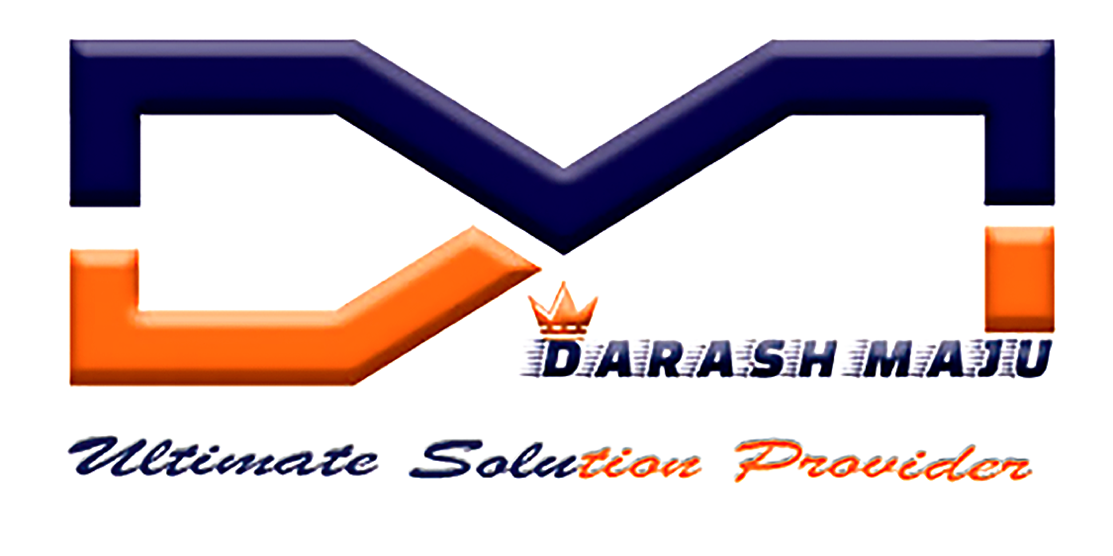 |  | DAILY INDIVIDUAL PM REPORT |  |  |  | DM MAINTENANCE

Date |  | Tuesday, February, 18, 2020
S.No | Equipment | Sl.no | Status |  | Location | PIC | Remarks | Manager
1 | ENGRAVING MACHINE | SN321540 | 1 . Okay 2 . Okay 3 . Okay 4 . Okay 5 . Not Okay |  | 1 |  |  | MOHAN RAJ

Prepared by: |  | Checked by: |  | Acknowledged by:
Name: | Hisyam | Name: | MOHAN RAJ | Name:
Position: | Technician | Position: | Engineer | Position: | Assistant Manager
 | DM Maintenance |  | DM Maintenance |  | MBM PEP

