BreakDown Individual Report
 |  |  | BREAKDOWN REPORT LIST |  |  | DM MAINTENANCE
Equipment or Instruction
Equipment Name |  | Location |  | Model | Ref.no | Finish And Final Line: | Root Cause
EC TOOLS |  | 2 |  | 123 | 568945 |  | Method
Failure |  | Reporting |  | Maintenance Start |  | Maintenance End
18-02-2020 | 08:12 pm | 18-02-2020 | 08:12 pm | 18-02-2020 | 08:15 pm | 18-02-2020 | 10:15 pm
Date | Time | Date | Time | Date | Time | Date | Time
 | Request Period |  | Waiting Period |  | Maintenance Period
 | 1 Hr(s) 1 min(s) |  | 1 Hr(s) 6 min(s) |  | 1 Hr(s) 17 min(s)
 |  |  | Total Downtime
 |  |  | 1 Hr(s) 14 min(s)
Problem |  |  |  |  | Sketch Photo
A |  |  |  |  | 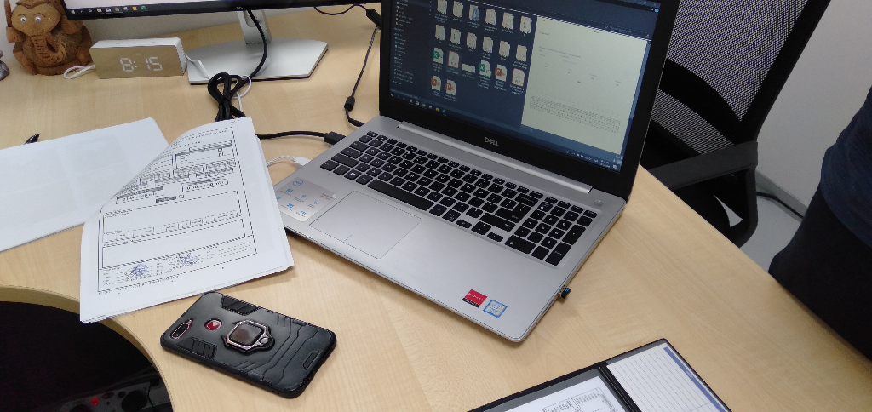
Action Taken |  |  |  |  | Sketch Photo
B |  |  |  |  | 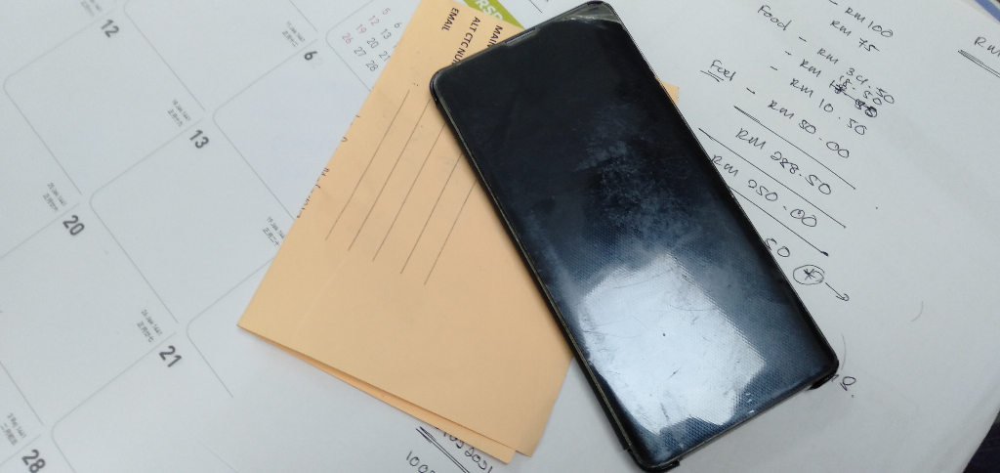
Prevention Countermeasure |  |  |  |  | Sketch Photo
C |  |  |  |  | 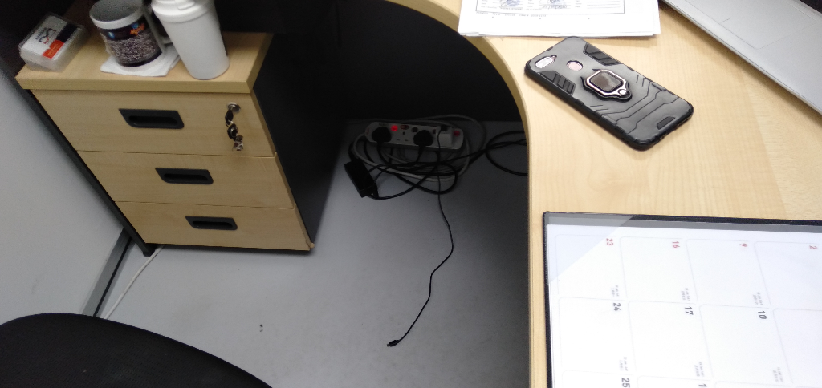
Prepared By: |  |  | Verified By: |  | Acknowledged By:
Manager, DM Maintenance |  |  | Manager, Production Engineering and Planning,Mercedes-Benzmalaysia |  | Assistant Manager, Production Engineering and Planning,Mercedes-Benzmalaysia
Name: Hisyam |  |  | Name: Azmadi |  | Name:
Date: |  |  | Date: |  | Date:

