PM Report List
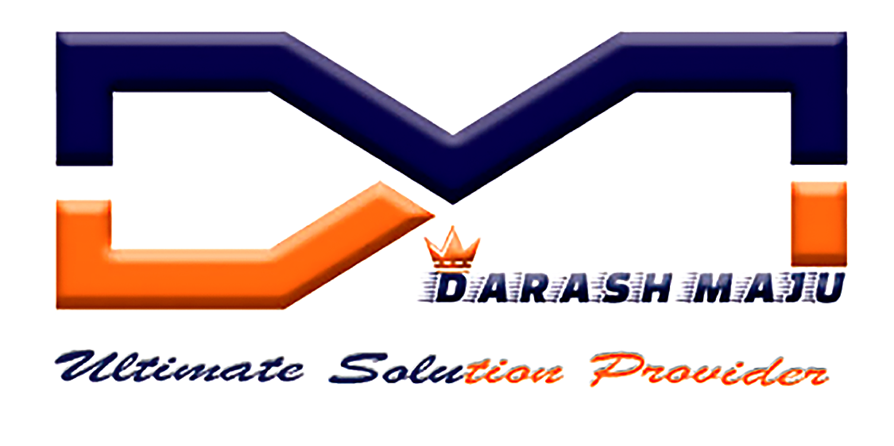 |  |  | PM REPORT LIST |  |  |  |  | DM MAINTENANCE
S.No | Equipment | Sl.no | Line | Station | Technician | Manager | Approval Status | Date | Status
1 | ENGRAVING MACHINE | SN321540 | 1 | ENGRAVING | Shriram | MOHAN RAJ | Completed | 18-02-2020 | Active
2 | ENGRAVING MACHINE | SN321540 | 1 | ENGRAVING | Hisyam | MOHAN RAJ | Completed | 18-02-2020 | Active

