PM Report List
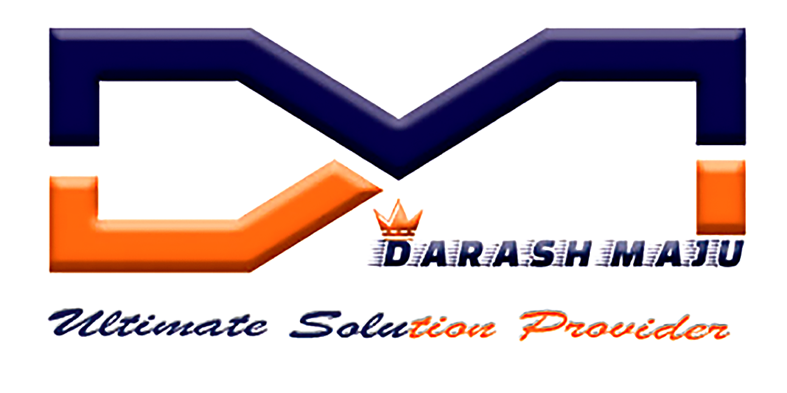 |  |  | PM REPORT LIST |  |  |  |  | DM MAINTENANCE
S.No | Equipment | Sl.no | Line | Station | Technician | Manager | Approval Status | Date | Status
1 | ENGRAVING MACHINE | SN321540 | 1 | ENGRAVING | Hisyam | MOHAN RAJ | Completed | 18-02-2020 | Active
2 | BATTERY MANIPULATOR | 123 | 1 | 5 | Hafiz Rahim | MOHAN RAJ | Completed | 19-02-2020 | Active
3 | AIR COND FILLING MACHINE | 123 | 1 | 17 | Hafizuddin Bito | MOHAN RAJ | Completed | 19-02-2020 | Active
4 | EC TOOLS | 123 | 1 | 6 | Sazali | MOHAN RAJ | Completed | 19-02-2020 | Active
5 | TIRE LIFTER 1 | 123 | 2 | 15 | Low Khai Wen | MOHAN RAJ | Completed | 19-02-2020 | Active
6 | SCISSOR LIFTER | 123 | 1 | 15 | Hafiz Rahim | MOHAN RAJ | Completed | 19-02-2020 | Active
7 | AUTO VOLTAGE STABILIZER 1 | 123 | 2 | 17 | Hisyam | MOHAN RAJ | Completed | 19-02-2020 | Active
8 | SEALANT HEATER KVG-4 | 123 | 2 | 0 | Sobirin | MOHAN RAJ | Completed | 19-02-2020 | Active
9 | ISTK | 123 | 1 | 10 | Low Khai Wen | SARINDRAN RAMAYES | Reject | 19-02-2020 | Active
10 | ENGRAVING MACHINE | SN321540 | 1 | ENGRAVING | Shriram | Subash | Pending | 21-02-2020 | Active
11 | SEALANT HEATER KVG-4 | 123 | 1 | 1 | SARINDRAN RAMAYES | MOHAN RAJ | Pending | 24-02-2020 | Active

