Schedule List
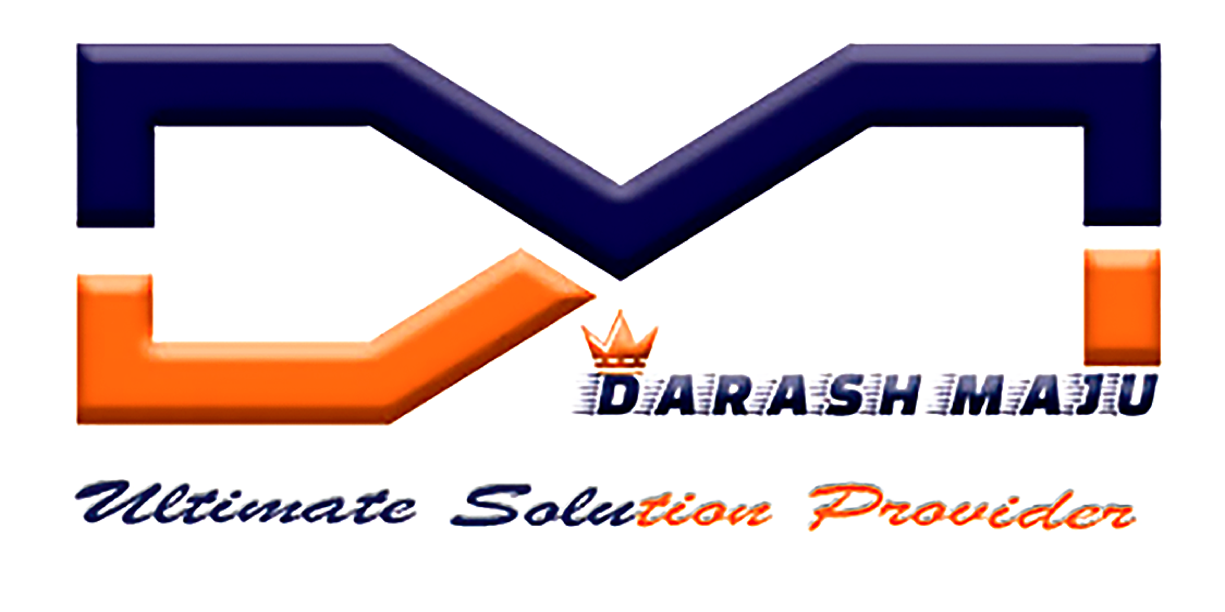 |  |  | SCHEDULE LIST |  |  |  |  | DM MAINTENANCE
S.No | Equipment | Sl.no | Line | Station | Technician | Engineer | Manager | Schedule Status | Maintenance Type | Schedule Date
1 | ENGRAVING MACHINE | SN321540 | 1 | ENGRAVING | Hisyam | Azmadi | MOHAN RAJ | Completed | PM | 18-02-2020

