Bus
DATA FOR IEEE 118 BUS SYSTEM
This IEEE 118 bus system data are taken from
http://www.ee.washington.edu/research /pstca.
The bus data, line data and the generator real power and reactive power limits are shown separately.
Bus Number | Type of Bus | V (p.u.) | Pd (MW) | Qd (MVAr) | Pg (MW) | Qg (MVAr)
1 | PQ | 1.0 | 51 | 27 | 0 | 0
2 | PQ | 1.1 | 20 | 9 | 0 | 0
3 | PQ | 1.0 | 39 | 10 | 0 | 0
4 | PQ | 1.0 | 39 | 12 | 0 | 0
5 | PQ | 1.0 | 0 | 0 | 0 | 0
6 | PQ | 1.0 | 52 | 22 | 0 | 0
7 | PQ | 1.0 | 19 | 2 | 0 | 0
8 | PQ | 1.0 | 28 | 0 | 0 | 0
9 | PQ | 1.0 | 0 | 0 | 0 | 0
10 | PV | 1.050 | 0 | 0 | 450 | -
11 | PQ | 1.0 | 70 | 23 | 0 | 0
12 | PV | 0.990 | 47 | 10 | 85 | -
13 | PQ | 1.0 | 34 | 16 | 0 | 0
14 | PQ | 1.0 | 14 | 1 | 0 | 0
15 | PQ | 1.0 | 90 | 30 | 0 | 0
16 | PQ | 1.0 | 25 | 10 | 0 | 0
17 | PQ | 1.0 | 11 | 3 | 0 | 0
18 | PQ | 1.0 | 60 | 34 | 0 | 0
19 | PQ | 1.0 | 45 | 25 | 0 | 0
20 | PQ | 1.0 | 18 | 3 | 0 | 0
21 | PQ | 1.0 | 14 | 8 | 0 | 0
22 | PQ | 1.0 | 10 | 5 | 0 | 0
23 | PQ | 1.0 | 7 | 3 | 0 | 0
24 | PQ | 1.0 | 13 | 0 | 0 | 0
25 | PV | 1.050 | 0 | 0 | 220 | -
26 | PV | 1.015 | 0 | 0 | 314 | -
27 | PQ | 1.0 | 71 | 13 | 0 | 0
28 | PQ | 1.0 | 17 | 7 | 0 | 0
29 | PQ | 1.0 | 24 | 4 | 0 | 0
30 | PQ | 1.0 | 0 | 0 | 0 | 0
31 | PV | 0.967 | 43 | 27 | 7 | -
32 | PQ | 1.0 | 59 | 23 | 0 | 0
33 | PQ | 1.0 | 23 | 9 | 0 | 0
34 | PQ | 1.0 | 59 | 26 | 0 | 0
35 | PQ | 1.0 | 33 | 9 | 0 | 0
36 | PQ | 1.0 | 31 | 17 | 0 | 0
37 | PQ | 1.0 | 0 | 0 | 0 | 0
38 | PQ | 1.0 | 0 | 0 | 0 | 0
39 | PQ | 1.0 | 27 | 11 | 0 | 0
40 | PQ | 1.0 | 66 | 23 | 0 | 0
41 | PQ | 1.0 | 37 | 10 | 0 | 0
42 | PQ | 1.0 | 96 | 23 | 0 | 0
43 | PQ | 1.0 | 18 | 7 | 0 | 0
44 | PQ | 1.0 | 16 | 8 | 0 | 0
45 | PQ | 1.0 | 53 | 22 | 0 | 0
46 | PV | 1.005 | 28 | 10 | 19 | -
47 | PQ | 1.0 | 34 | 0 | 0 | 0
48 | PQ | 1.0 | 20 | 11 | 0 | 0
49 | PV | 1.025 | 87 | 30 | 204 | -
50 | PQ | 1.0 | 17 | 4 | 0 | 0
51 | PQ | 1.0 | 17 | 8 | 0 | 0
52 | PQ | 1.0 | 18 | 5 | 0 | 0
53 | PQ | 1.0 | 23 | 11 | 0 | 0
54 | PV | 0.955 | 113 | 32 | 48 | -
55 | PQ | 1.0 | 63 | 22 | 0 | 0
56 | PQ | 1.0 | 84 | 18 | 0 | 0
57 | PQ | 1.0 | 12 | 3 | 0 | 0
58 | PQ | 1.0 | 12 | 3 | 0 | 0
59 | PV | 0.985 | 277 | 113 | 155 | -
60 | PQ | 1.0 | 78 | 3 | 0 | 0
61 | PV | 0.995 | 0 | 0 | 160 | -
62 | PQ | 1.0 | 77 | 14 | 0 | 0
63 | PQ | 1.0 | 0 | 0 | 0 | 0
64 | PQ | 1.0 | 0 | 0 | 0 | 0
65 | PV | 1.005 | 0 | 0 | 391 | -
66 | PV | 1.050 | 39 | 18 | 392 | -
67 | PQ | 1.0 | 28 | 7 | 0 | 0
68 | PQ | 1.0 | 0 | 0 | 0 | 0
69 | SLACK | 1.035 | 0 | 0 | - | -
70 | PQ | 1.0 | 66 | 20 | 0 | 0
71 | PQ | 1.0 | 0 | 0 | 0 | 0
72 | PQ | 1.0 | 12 | 0 | 0 | 0
73 | PQ | 1.0 | 6 | 0 | 0 | 0
74 | PQ | 1.0 | 68 | 27 | 0 | 0
75 | PQ | 1.0 | 47 | 11 | 0 | 0
76 | PQ | 1.0 | 68 | 36 | 0 | 0
77 | PQ | 1.0 | 61 | 28 | 0 | 0
78 | PQ | 1.0 | 71 | 26 | 0 | 0
79 | PQ | 1.0 | 39 | 32 | 0 | 0
80 | PV | 1.040 | 130 | 26 | 477 | -
81 | PQ | 1.0 | 0 | 0 | 0 | 0
82 | PQ | 1.0 | 54 | 27 | 0 | 0
83 | PQ | 1.0 | 20 | 10 | 0 | 0
84 | PQ | 1.0 | 11 | 7 | 0 | 0
85 | PQ | 1.0 | 24 | 15 | 0 | 0
86 | PQ | 1.0 | 21 | 10 | 0 | 0
87 | PV | 1.015 | 0 | 0 | 4 | -
88 | PQ | 1.0 | 48 | 10 | 0 | 0
89 | PV | 1.005 | 0 | 0 | 607 | -
90 | PQ | 1.0 | 163 | 48 | 0 | 0
91 | PQ | 1.0 | 10 | 0 | 0 | 0
92 | PQ | 1.0 | 65 | 10 | 0 | 0
93 | PQ | 1.0 | 12 | 7 | 0 | 0
94 | PQ | 1.0 | 30 | 16 | 0 | 0
95 | PQ | 1.0 | 42 | 31 | 0 | 0
96 | PQ | 1.0 | 38 | 15 | 0 | 0
97 | PQ | 1.0 | 15 | 9 | 0 | 0
98 | PQ | 1.0 | 34 | 8 | 0 | 0
99 | PQ | 1.0 | 42 | 0 | 0 | 0
100 | PV | 1.017 | 37 | 18 | 252 | -
101 | PQ | 1.0 | 22 | 15 | 0 | 0
102 | PQ | 1.0 | 5 | 3 | 0 | 0
103 | PV | 1.010 | 23 | 16 | 40 | -
104 | PQ | 1.0 | 38 | 25 | 0 | 0
105 | PQ | 1.0 | 31 | 26 | 0 | 0
106 | PQ | 1.0 | 43 | 16 | 0 | 0
107 | PQ | 1.0 | 50 | 12 | 0 | 0
108 | PQ | 1.0 | 2 | 1 | 0 | 0
109 | PQ | 1.0 | 8 | 3 | 0 | 0
110 | PQ | 1.0 | 39 | 30 | 0 | 0
111 | PV | 0.98 | 0 | 0 | 36 | -
112 | PQ | 1.0 | 68 | 13 | 0 | 0
113 | PQ | 1.0 | 6 | 0 | 0 | 0
114 | PQ | 1.0 | 8 | 3 | 0 | 0
115 | PQ | 1.0 | 22 | 7 | 0 | 0
116 | PQ | 1.0 | 184 | 0 | 0 | 0
117 | PQ | 1.0 | 20 | 8 | 0 | 0
118 | PQ | 1.0 | 33 | 15 | 0 | 0

network_pic
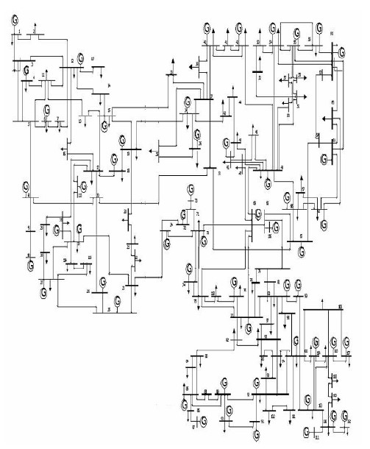

Figure A2.1 Single line diagram IEEE-118 bus systems

