RAW
Model + features | Epochs | batch size | Test set - Accuracy | Loss
Base model provided with course | 10 | 128 |  | 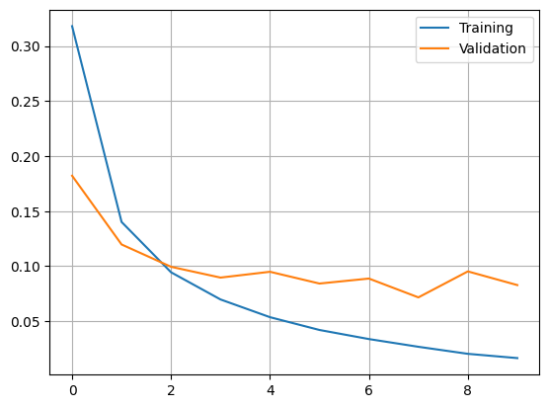
Base model provided with course | 100 | 128
Base model + dropout

HOG
Model + features | Epochs | batch size | Test set - Accuracy | Loss
Base model provided with course | 5 | 128 | 97.8 | 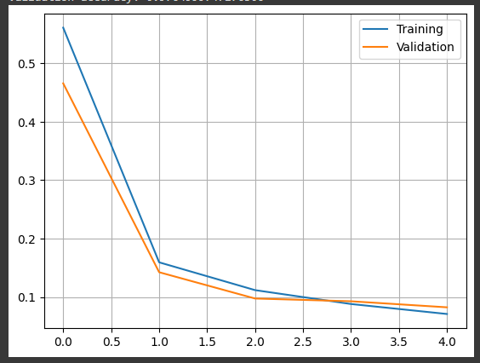
Base model provided with course | 50 | 128 | 99.02 | 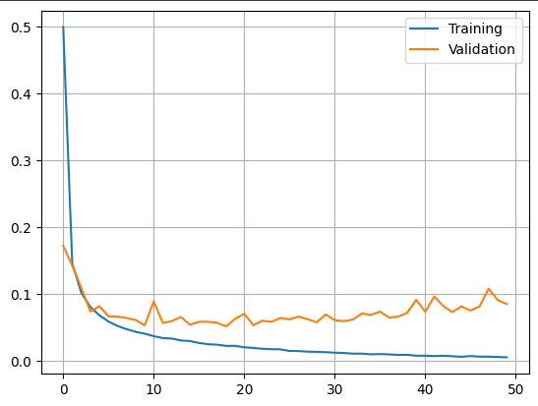
Base model + dropout | 50 | 128 | 98.73 | 