Probability density
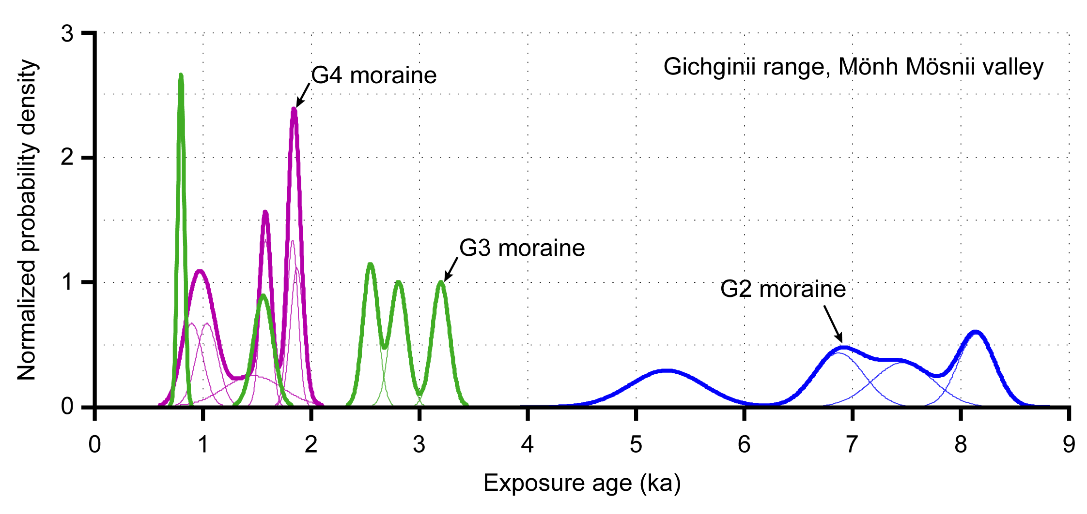
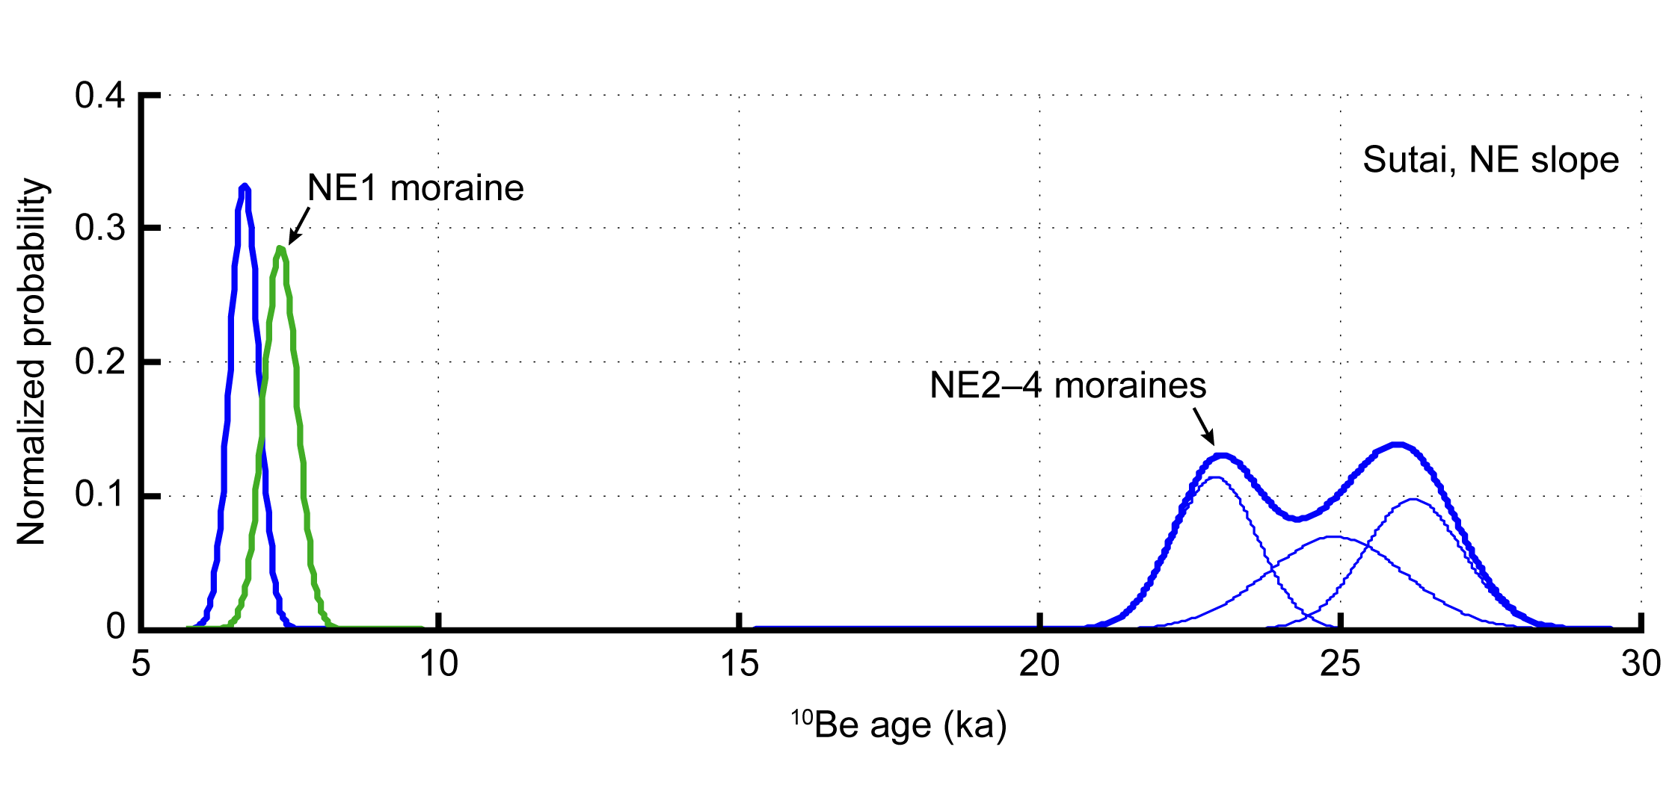
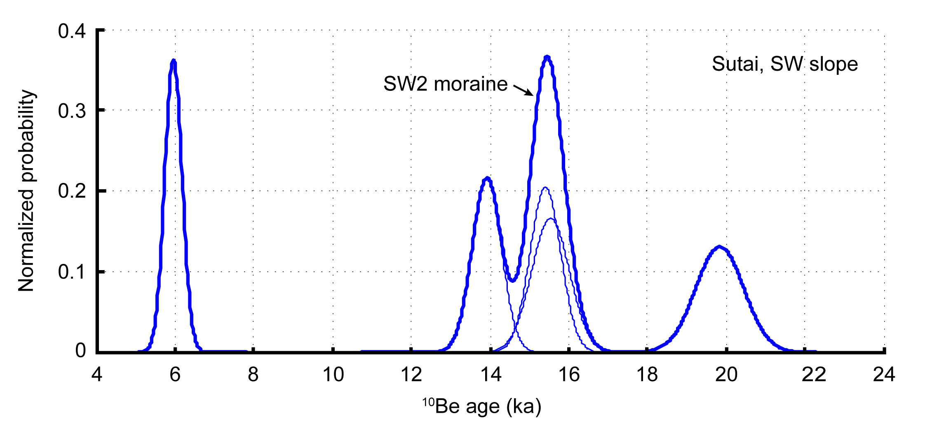
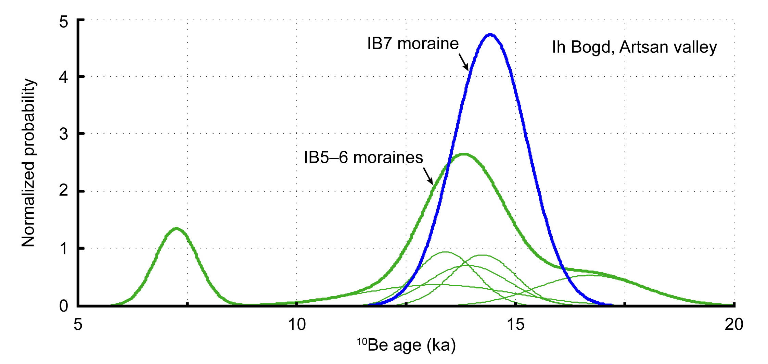
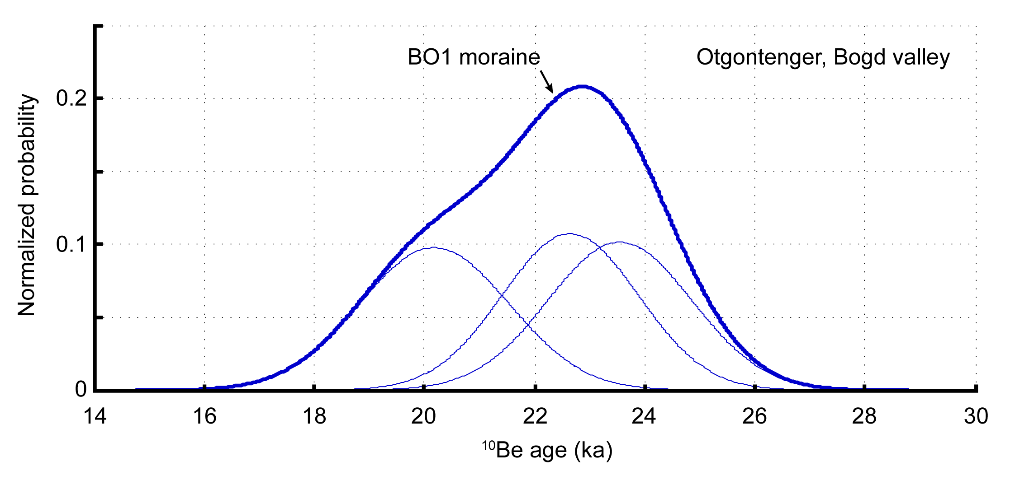
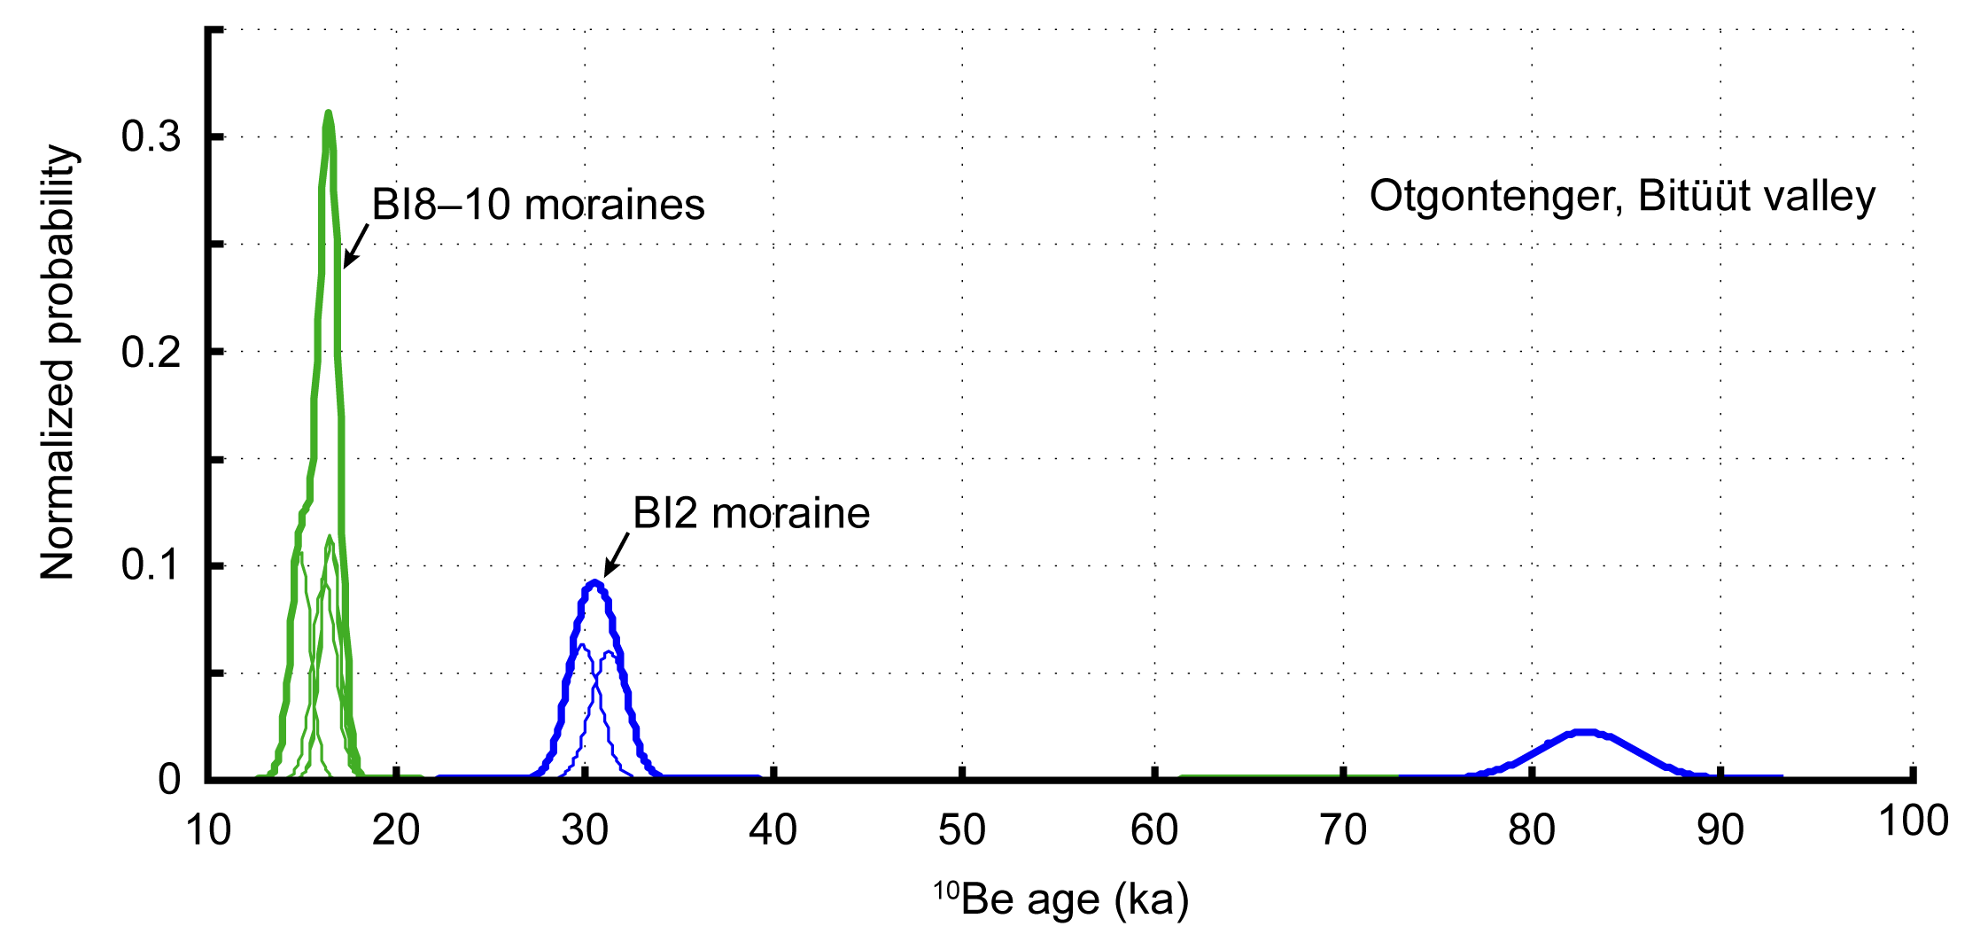
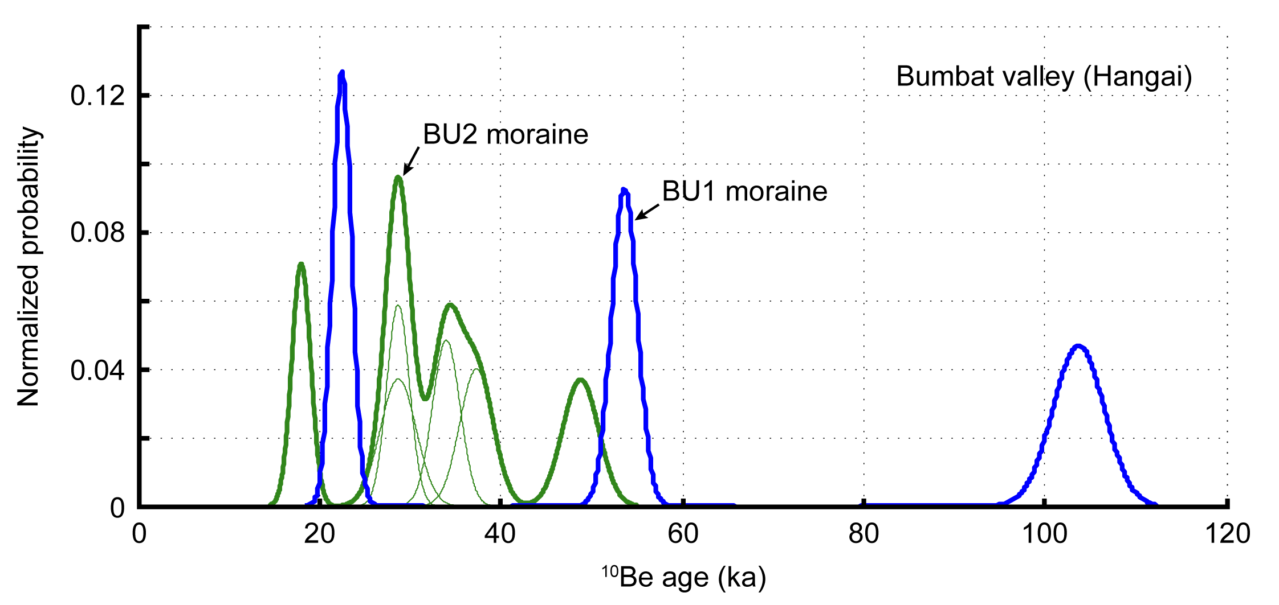
Online Supplement 2 for
Asynchronous glaciations in arid continental climates (https://doi.org/10.1016/j.quascirev.2017.12.001)
J. Batbaatar, A.R. Gillespie, D. Fink, A. Matmon, T. Fujioka

Probablity density functions for all 10Be glacial boulder and bedrock ages calculated using 1σ internal uncertainty
The probabilities were calculated by the Matlab code of Greg Balco (http://depts.washington.edu/cosmolab/pubs/gb_pubs/camelplot.m).

The thin lines are probabilities of individual samples from the same moraine.
The thick lines are sum of the probabilities of individual samples. Ages corresponding to an isolated thick lines are inferred to be outliers.

Outlier- Deviation & Strat.
Online Supplement 2 for
Asynchronous glaciations in arid continental climates (https://doi.org/10.1016/j.quascirev.2017.12.001)
J. Batbaatar, A.R. Gillespie, D. Fink, A. Matmon, T. Fujioka

Outlier evaluation using normalized 1σ deviation from the excluded mean and stratigraphic principles
The samples are sorted from young to old within the moraine group

Gichginii, G2
Gichginii, G3
Gichginii, G4
Site | Group | Sample ID | Age, xi (ka) | 1σ internal uncertainty in age, σi (ka) | CONSIDERING ALL SAMPLES |  |  |  | 1σ normalized deviation from the excluded mean, δi | Reject if δi >2 | REVISED AFTER OUTLIER REJECTION |  |  |  | Comments (criteria* for rejection)
 |  |  |  |  | µ, mean of the group (ka) | σgroup, 1σ st. dev of the group (ka) | χ2 = ∑ (Xi − µ)2/σi2 | Rχ2 =χ2 / (n-1) |  |  | µ , mean of the group (ka) | 1σ st. dev of the group (ka) | χ2 = ∑ (Xi − µ)2/σi2 | Rχ2 =χ2 / (n-1) |  | 10Be ages with 1σ internal uncertainty (Open circles are outliers)
Gichginii (Gobi-Altai) | Moraine G2 | GN-JB-004 | 5.29 | 0.34 | 6.9 | 1.2 | 77.4 | 25.8 | 3.07 | Reject | 7.5 | 0.6 | 21.9 | 10.9 | 1/4 rejected (1)
 |  | GN-AG-10B | 6.88 | 0.23 |  |  |  |  | 0.06 | Accept
 |  | GN-JB-005 | 7.47 | 0.28 |  |  |  |  | 0.48 | Accept
 |  | GN-AG-11 | 8.15 | 0.17 |  |  |  |  | 1.41 | Accept
 | Moraine G3 | GN-AG-04 | 0.80 | 0.03 | 2.2 | 1.0 | 2426.2 | 606.6 | 2.47 | Reject | 2.5 | 0.7 | 198.6 | 66.2 | 1/5 rejected (1)
 |  | GN-AG-07 | 1.56 | 0.09 |  |  |  |  | 0.73 | Accept
 |  | GN-AG-06 | 2.55 | 0.07 |  |  |  |  | 0.41 | Accept
 |  | GN-AG-05 | 2.81 | 0.08 |  |  |  |  | 0.74 | Accept
 |  | GN-AG-08 | 3.20 | 0.08 |  |  |  |  | 1.37 | Accept
 | Moraine G4 | GN-JB-001 | 0.90 | 0.10 | 1.4 | 0.4 | 161.3 | 32.3 | 1.88 | Accept | 1.4 | 0.4 | 161.3 | 32.3 | All accepted
 |  | GN-JB-002 | 1.04 | 0.10 |  |  |  |  | 1.22 | Accept
 |  | GN-JB-003 | 1.47 | 0.27 |  |  |  |  | 0.05 | Accept
 |  | GN-AG-03 | 1.58 | 0.05 |  |  |  |  | 0.35 | Accept
 |  | GN-AG-01 | 1.83 | 0.05 |  |  |  |  | 1.14 | Accept
 |  | GN-AG-02 | 1.87 | 0.06 |  |  |  |  | 1.30 | Accept
Sutai (Gobi-Altai) | NE Slope, Moraine NE1 | DHC-98-12 | 7.35 | 0.28 | - | - | - | - | - | - |  |  |  |  | Rejected (2)
Sutai, NE2–4
Sutai, SW2
Ih Bogd, IB6–7
 | NE Slope, Moraine NE2-4 | DHC-98-15 | 6.75 | 0.24 | 20.2 | 9.1 | 3231.2 | 1077.1 | 10.69 | Reject | 24.7 | 1.7 | 9.9 | 5.0 | 1/4 rejected (1)
 |  | DHC-98-10 | 22.93 | 0.70 |  |  |  |  | 0.33 | Accept
 |  | DHC-98-11 | 24.93 | 1.15 |  |  |  |  | 0.60 | Accept
 |  | DHC-98-13 | 26.23 | 0.82 |  |  |  |  | 0.80 | Accept
 | Pass between ice caps #1 & 2 | MOT98-CS-11b | 13.22 | 0.60 |  |  |  |  |  |  |  |  |  |  | Excluded from outlier evaluation
 |  | MOT98-CS-12 | 24.78 | 0.16
 |  | MOT98-CS-11a | 44.98 | 1.16
 | Margin of ice cap #3 | SUT-JB-04A | 21.25 | 0.41
 |  | SUT-JB-04B | 41.57 | 1.00
 | SW Slope, Bedrock & erratic | MOT98-CS-22 | 22.15 | 0.80 | 47.3 | 35.5 | - | - | - | - | - | - | - | - | Not conclusive
 |  | MOT98-CS-23 | 72.41 | 2.61 |  |  |  |  | - | - |  |  |  |  | Rejected (2)
 | SW Slope, moraine remnant(?) | MOT98-CS-14 | 35.61 | 1.82 |  |  |  |  | - | - |  |  |  |  | Rejected (2)
 | SW Slope, Moraine SW2 | MOT98-CS-25 | 5.96 | 0.22 | 14.1 | 5.1 | 1487.6 | 371.9 | 3.99 | Reject | 16.2 | 2.5 | 78.9 | 26.3 | 1/5 rejected (1)
 |  | SUT-JB-02C | 13.92 | 0.37 |  |  |  |  | 0.05 | Accept
 |  | SUT-JB-02A | 15.41 | 0.39 |  |  |  |  | 0.27 | Accept
Otgontenger, BO1
Otgontenger, BI2
Otgontenger, BI9
 |  | SUT-JB-02D | 15.54 | 0.48 |  |  |  |  | 0.30 | Accept
 |  | SUT-JB-02B | 19.84 | 0.61 |  |  |  |  | 1.55 | Accept
Ih Bogd (Gobi-Altai) | Moraine IB5-6 | IB-JB-003A | 7.25 | 0.49 | 13.1 | 3.1 | 155.8 | 31.2 | 4.73 | Reject | 14.3 | 1.4 | 6.0 | 1.5 | 1/6 rejected (1)
 |  | IB-JB-003B | 13.22 | 1.76 |  |  |  |  | 0.03 | Accept
 |  | IB-JB-002 | 13.41 | 0.70 |  |  |  |  | 0.09 | Accept
 |  | IB-JB-003D | 13.93 | 0.93 |  |  |  |  | 0.27 | Accept
 |  | IB-JB-003C | 14.26 | 0.74 |  |  |  |  | 0.38 | Accept
 |  | IB-JB-003E | 16.72 | 1.23 |  |  |  |  | 1.36 | Accept
 | Moraine IB7 | IB-JB-001 | 14.44 | 0.84 | - | - |  |  | - | - |  |  |  |  | Accepted
Otgontenger (Hangai) | Bogd valley, Moraine BO1 | OT-AG-2 | 20.18 | 1.36 | 22.1 | 1.7 | 3.4 | 1.7 | 1.94 | Accept | 22.1 | 1.7 | 3.4 | 1.7 | All accepted
 |  | OT-AG-1 | 22.65 | 1.24 |  |  |  |  | 0.29 | Accept
 |  | OT-AG-3 | 23.55 | 1.31 |  |  |  |  | 0.98 | Accept
 | Bitüüt valley, Moraine BI2 | DHC-98-8 | 29.89 | 0.91 | 48.0 | 30.2 | 890.2 | 445.1 | 0.75 | Accept | 30.6 | 1.0 | 1.2 | 1.2 | 1/3 rejected (1)
 |  | DHC-98-5 | 31.30 | 0.95 |  |  |  |  | 0.67 | Accept
 |  | DHC-98-7 | 82.90 | 2.58 |  |  |  |  | 18.91 | Reject
Bumbat, BU1
Bumbat, BU2
 | Bitüüt valley, Moraine BI8 | MOT98-CS-02 | 16.25 | 0.61 | - | - |  |  |  |  |  |  |  |  | Accepted
 | Bitüüt valley, Moraine BI9 | DHC-98-3 | 14.99 | 0.54 | 16.0 | 0.9 | 6.0 | 3.0 | 2.92 | Reject | 16.6 | 0.04 | 0.01 | 0.01 | 1/3 rejected (1)
 |  | MOT98-CS-04 | 16.54 | 0.50 |  |  |  |  | 0.60 | Accept
 |  | MOT98-CS-05 | 16.60 | 0.51 |  |  |  |  | 0.69 | Accept
Bumbat (Hangai) | Moraine BU1 | HN-JB-01A | 22.50 | 1.05 | 60.0 | 41.0 | 1529.4 | 764.7 | 1.59 | Not conclusive |  | - | - |  | No cluster age
 |  | HN-JB-01C | 53.64 | 1.44 |  |  |  |  | 0.16 | Not conclusive
 |  | HN-JB-01B | 103.73 | 2.84 |  |  |  |  | 2.96 | Not conclusive
 | Moraine BU2 | HN-JB-02A | 22.16 | 0.94 | 35.3 | 9.3 | 281.2 | 56.2 | 2.09 | Reject | 34.9 | 3.8 | 20.0 | 6.7 | 2/6 rejected (1)
 |  | HN-JB-02C | 31.77 | 1.13 |  |  |  |  | 0.41 | Accept
 |  | HN-JB-03B | 31.78 | 1.79 |  |  |  |  | 0.41 | Accept
 |  | HN-JB-03A | 36.54 | 1.37 |  |  |  |  | 0.15 | Accept
 |  | HN-JB-02B | 39.54 | 1.66 |  |  |  |  | 0.50 | Accept
 |  | HN-JB-03C | 49.86 | 1.80 |  |  |  |  | 2.56 | Reject
Non-glacial deposits at Sutai (Gobi-Altai) |  | MOT98-CS-20 | 0.94 | 0.09 |  |  |  |  |  |  |  |  |  |  | Excluded from outlier evaluation
 |  | MOT98-CS-21 | 1.59 | 0.10
 |  | MOT98-CS-08 | 11.87 | 0.42
 |  | DHC-98-17 | 4.06 | 0.15
 |  | DHC-98-18 | 18.28 | 0.56
 |  | MOT98-CS-19 | 0.93 | 0.12
 |  | SUT-IM-01A | 2.61 | 0.10
 |  | SUT-IM-01B | 2.89 | 0.10
 |  | SUT-IM-01C | 2.78 | 0.11

* Criteria for identifying outliers:
1) Testing whether an individual sample was within the 1σ normalized distance from the arithmetic mean of the other ages in the cluster.
2) Stratigraphic consistency with other samples at higher or lower altitudes.

Outlier- Chauvenet & Peirce
Online Supplement 2 for
Asynchronous glaciations in arid continental climates (https://doi.org/10.1016/j.quascirev.2017.12.001)
J. Batbaatar, A.R. Gillespie, D. Fink, A. Matmon, T. Fujioka

Outlier evaluation using Chauvenet's and Peirce's criterion |  |  |  |  |  |  |  |  | Outlier evaluation by Chauvenet's criterion * |  |  |  |  | Outlier evaluation by Peirce's criterion **
 |  |  |  |  |  |  |  |  |  |  |  |  |  | (assume one doubtful observation first, then proceed to Step 2 only when a datum is "Reject" at Step 1)
 |  |  |  |  |  |  |  |  |  |  |  |  |  | Step 1. The case of one doubtful observation |  |  |  | Step 2. The case of two doubtful observations
Site | Group | Sample ID | Age, Xi (ka) | 1σ internal uncertainty in age (ka) | Number of samples within the group | µ , mean of the group (ka) | 1σ st.dev of the group (ka) | 1σ st.dev of the group (%) | Norm. Variance | normdist. (-inf < x) | normdist. (-x < x) | normdist. (tail) | Np: Chauvenet's criterion | |Xi - µ| | Peirce R value | (Xi - µ)max | Reject if: | Peirce R value | (Xi - µ)max | Reject if: | Mean of the group (ka) | 1σ st.dev of the mean (ka) | 1σ st.dev of the mean (%) | Comments
 |  |  |  |  |  |  |  |  | z = |Xi - µ|/σ | (integral) | (integral) | (integral) | (Reject if <0.5) |  | (cf. Peirce Criterion Table **) |  | |Xi - µ| > (Xi - µ)max | (cf. Peirce Criterion Table **) |  | |Xi - µ| > (Xi - µ)max | (RED = after excluding outliers) |  |  |  | Ages with 1σ internal uncertainty (Open circles are Reject ages via Peirce's criterion)
Gichginii, G2
Gichginii, G3
Gichginii, G4
Gichginii (Gobi-Altai) | Moraine G2 | GN-JB-004 | 5.3 | 0.3 | 4 | 6.9 | 1.2 | 18% | 1.4 | 0.087 | 0.825 | 0.175 | 0.70 | 1.657 | 1.383 | 1.688 | Accept |  |  |  | 6.9 | 1.2 | 18% | All data Accept.
 |  | GN-AG-10B | 6.9 | 0.2 |  |  |  |  | 0.1 | 0.478 | 0.044 | 0.956 | 3.82 | 0.067 | (1 out of 4) |  | Accept
 |  | GN-JB-005 | 7.5 | 0.3 |  |  |  |  | 0.4 | 0.666 | 0.331 | 0.669 | 2.67 | 0.523 |  |  | Accept
 |  | GN-AG-11 | 8.2 | 0.2 |  |  |  |  | 1.0 | 0.838 | 0.675 | 0.325 | 1.30 | 1.203 |  |  | Accept
 | Moraine G3 | GN-AG-04 | 0.8 | 0.0 | 5 | 2.2 | 1.0 | 45% | 1.4 | 0.080 | 0.841 | 0.159 | 0.80 | 1.384 | 1.509 | 1.483 | Accept |  |  |  | 2.5 | 0.7 | 28% | All data Accept.
 |  | GN-AG-07 | 1.6 | 0.1 |  |  |  |  | 0.6 | 0.263 | 0.475 | 0.525 | 2.63 | 0.624 | (1 out of 5) |  | Accept
 |  | GN-AG-06 | 2.6 | 0.1 |  |  |  |  | 0.4 | 0.645 | 0.290 | 0.710 | 3.55 | 0.366 |  |  | Accept
 |  | GN-AG-05 | 2.8 | 0.1 |  |  |  |  | 0.6 | 0.738 | 0.476 | 0.524 | 2.62 | 0.626 |  |  | Accept
 |  | GN-AG-08 | 3.2 | 0.1 |  |  |  |  | 1.0 | 0.849 | 0.699 | 0.301 | 1.51 | 1.016 |  |  | Accept
 | Moraine G4 | GN-JB-001 | 0.9 | 0.1 | 6 | 1.4 | 0.4 | 28% | 1.4 | 0.086 | 0.827 | 0.173 | 1.04 | 0.548 | 1.610 | 0.647 | Accept |  |  |  | 1.4 | 0.4 | 28% | All data Accept.
 |  | GN-JB-002 | 1.0 | 0.1 |  |  |  |  | 1.0 | 0.155 | 0.690 | 0.310 | 1.86 | 0.408 | (1 out of 6) |  | Accept
 |  | GN-JB-003 | 1.5 | 0.3 |  |  |  |  | 0.1 | 0.521 | 0.043 | 0.957 | 5.74 | 0.022 |  |  | Accept
 |  | GN-AG-03 | 1.6 | 0.1 |  |  |  |  | 0.3 | 0.628 | 0.257 | 0.743 | 4.46 | 0.132 |  |  | Accept
 |  | GN-AG-01 | 1.8 | 0.1 |  |  |  |  | 0.9 | 0.829 | 0.657 | 0.343 | 2.06 | 0.382 |  |  | Accept
 |  | GN-AG-02 | 1.9 | 0.1 |  |  |  |  | 1.0 | 0.853 | 0.706 | 0.294 | 1.77 | 0.422 |  |  | Accept
Sutai (Gobi-Altai) | NE Slope, Moraine NE1 | DHC-98-12 | 7.4 | 0.3 | Excluded from outlier evaluation.
Sutai, NE2–4
Sutai, SW2
 | NE Slope, Moraine NE2-4 | DHC-98-15 | 6.8 | 0.2 | 4 | 20.2 | 9.1 | 45% | 1.5 | 0.069 | 0.862 | 0.138 | 0.55 | 13.460 | 1.383 | 12.551 | Reject | 1.078 | 9.783 |  | 24.7 | 1.7 | 7% | 1 Reject per Peirce's criterion.
Ih Bogd, IB5–6
 |  | DHC-98-10 | 22.9 | 0.7 |  |  |  |  | 0.3 | 0.618 | 0.236 | 0.764 | 3.06 | 2.720 | (1 out of 4) |  | Accept | (2 out of 4) |  | Accept
 |  | DHC-98-11 | 24.9 | 1.2 |  |  |  |  | 0.5 | 0.698 | 0.397 | 0.603 | 2.41 | 4.720 |  |  | Accept |  |  | Accept
 |  | DHC-98-13 | 26.2 | 0.8 |  |  |  |  | 0.7 | 0.746 | 0.493 | 0.507 | 2.03 | 6.020 |  |  | Accept |  |  | Accept
 | Pass between ice caps #1 & 2 | MOT98-CS-11b | 13.2 | 0.6
 |  | MOT98-CS-12 | 24.8 | 0.2
 |  | MOT98-CS-11a | 45.0 | 1.2 | Excluded from outlier evaluation.
 | Margin of ice cap #3 | SUT-JB-04A | 21.3 | 0.4
 |  | SUT-JB-04B | 41.6 | 1.0
 | SW Slope, Bedrock & erratic | MOT98-CS-22 | 22.2 | 0.8
 |  | MOT98-CS-23 | 72.4 | 2.6
 | SW Slope, moraine remnant(?) | MOT98-CS-14 | 35.6 | 1.8
 | SW Slope, Moraine SW2 | MOT98-CS-25 | 6.0 | 0.2 | 5 | 14.1 | 5.1 | 36% | 1.6 | 0.054 | 0.893 | 0.107 | 0.54 | 8.174 | 1.509 | 7.658 | Reject | 1.200 | 6.090 |  | 16.2 | 2.5 | 16% | 1 Reject per Peirce's criterion.
 |  | SUT-JB-02C | 13.9 | 0.4 |  |  |  |  | 0.0 | 0.483 | 0.034 | 0.966 | 4.83 | 0.214 | (1 out of 5) |  | Accept | (2 out of 5) |  | Accept
 |  | SUT-JB-02A | 15.4 | 0.4 |  |  |  |  | 0.3 | 0.599 | 0.199 | 0.801 | 4.01 | 1.276 |  |  | Accept |  |  | Accept
 |  | SUT-JB-02D | 15.5 | 0.5 |  |  |  |  | 0.3 | 0.609 | 0.218 | 0.782 | 3.91 | 1.406 |  |  | Accept |  |  | Accept
 |  | SUT-JB-02B | 19.8 | 0.6 |  |  |  |  | 1.1 | 0.870 | 0.739 | 0.261 | 1.30 | 5.706 |  |  | Accept |  |  | Accept
Otgontenger, BO1
Otgontenger, BI2
Otgontenger, BI9
Ih Bogd (Gobi-Altai) | Moraine IB5-6 | IB-JB-003A | 7.3 | 0.5 | 6 | 13.1 | 3.1 | 24% | 1.9 | 0.031 | 0.939 | 0.061 | 0.37 | 5.882 | 1.610 | 5.064 | Reject | 1.299 | 4.086 |  | 14.3 | 1.4 | 10% | 1 Reject per both Chauvenet's and Peirce's criterion.
 |  | IB-JB-003B | 13.2 | 1.8 |  |  |  |  | 0.0 | 0.511 | 0.022 | 0.978 | 5.87 | 0.088 | (1 out of 6) |  | Accept | (2 out of 6) |  | Accept
 |  | IB-JB-002 | 13.4 | 0.7 |  |  |  |  | 0.1 | 0.535 | 0.071 | 0.929 | 5.58 | 0.278 |  |  | Accept |  |  | Accept
 |  | IB-JB-003D | 13.9 | 0.9 |  |  |  |  | 0.3 | 0.600 | 0.200 | 0.800 | 4.80 | 0.798 |  |  | Accept |  |  | Accept
 |  | IB-JB-003C | 14.3 | 0.7 |  |  |  |  | 0.4 | 0.640 | 0.280 | 0.720 | 4.32 | 1.128 |  |  | Accept |  |  | Accept
 |  | IB-JB-003E | 16.7 | 1.2 |  |  |  |  | 1.1 | 0.873 | 0.746 | 0.254 | 1.52 | 3.588 |  |  | Accept |  |  | Accept
 | Moraine IB7 | IB-JB-001 | 14.4 | 0.8 | Excluded from outlier evaluation.
Otgontenger (Hangai) | Bogd valley, Moraine BO1 | OT-AG-2 | 20.2 | 1.4 | 3 | 22.1 | 1.7 | 8% | 1.1 | 0.132 | 0.735 | 0.265 | 0.79 | 1.947 | 1.196 | 2.087 | Accept |  |  |  | 22.1 | 1.7 | 8% | All data Accept.
 |  | OT-AG-1 | 22.7 | 1.2 |  |  |  |  | 0.3 | 0.618 | 0.236 | 0.764 | 2.29 | 0.523 | (1 out of 3) |  | Accept
 |  | OT-AG-3 | 23.6 | 1.3 |  |  |  |  | 0.8 | 0.793 | 0.585 | 0.415 | 1.24 | 1.423 |  |  | Accept
 | Bitüüt valley, Moraine BI2 | DHC-98-8 | 29.9 | 0.9 | 3 | 48.0 | 30.2 | 63% | 0.6 | 0.274 | 0.452 | 0.548 | 1.64 | 18.140 | 1.196 | 36.127 | Accept |  |  |  | 48.0 | 30.2 | 63% | All data Accept (due to small sample number).
 |  | DHC-98-5 | 31.3 | 1.0 |  |  |  |  | 0.6 | 0.290 | 0.420 | 0.580 | 1.74 | 16.730 | (1 out of 3) |  | Accept
 |  | DHC-98-7 | 82.9 | 2.6 |  |  |  |  | 1.2 | 0.876 | 0.752 | 0.248 | 0.75 | 34.870 |  |  | Accept
 | Bitüüt valley, Moraine BI8 | MOT98-CS-02 | 16.3 | 0.6 | Excluded from outlier evaluation.
 | Bitüüt valley, Moraine BI9 | DHC-98-3 | 15.0 | 0.5 | 3 | 16.0 | 0.9 | 6% | 1.2 | 0.124 | 0.752 | 0.248 | 0.75 | 1.053 | 1.383 | 1.262 | Accept |  |  |  | 16.0 | 0.9 | 6% | All data Accept.
Bumbat, BU1
Bumbat, BU2
 |  | MOT98-CS-04 | 16.5 | 0.5 |  |  |  |  | 0.5 | 0.707 | 0.414 | 0.586 | 1.76 | 0.497 | (1 out of 3) |  | Accept
 |  | MOT98-CS-05 | 16.6 | 0.5 |  |  |  |  | 0.6 | 0.729 | 0.458 | 0.542 | 1.63 | 0.557 |  |  | Accept
Bumbat (Hangai) | Moraine BU1 | HN-JB-01A | 22.5 | 1.1 | 3 | 60.0 | 41.0 | 68% | 0.9 | 0.180 | 0.639 | 0.361 | 1.08 | 37.457 | 1.196 | 49.014 | Accept |  |  |  | 60.0 | 41.0 | 68% | All data Accept.
 |  | HN-JB-01C | 53.6 | 1.4 |  |  |  |  | 0.2 | 0.439 | 0.122 | 0.878 | 2.63 | 6.317 | (1 out of 3) |  | Accept
 |  | HN-JB-01B | 103.7 | 2.8 |  |  |  |  | 1.1 | 0.857 | 0.715 | 0.285 | 0.86 | 43.773 |  |  | Accept
 | Moraine BU2 | HN-JB-02A | 22.2 | 0.9 | 6 | 35.3 | 9.3 | 26% | 1.4 | 0.078 | 0.843 | 0.157 | 0.94 | 13.115 | 1.610 | 14.913 | Accept |  |  |  | 35.3 | 9.3 | 26% | All data Accept.
 |  | HN-JB-02C | 31.8 | 1.1 |  |  |  |  | 0.4 | 0.353 | 0.295 | 0.705 | 4.23 | 3.505 | (1 out of 6) |  | Accept
 |  | HN-JB-03B | 31.8 | 1.8 |  |  |  |  | 0.4 | 0.353 | 0.294 | 0.706 | 4.24 | 3.495 |  |  | Accept
 |  | HN-JB-03A | 36.5 | 1.4 |  |  |  |  | 0.1 | 0.554 | 0.109 | 0.891 | 5.35 | 1.265 |  |  | Accept
 |  | HN-JB-02B | 39.5 | 1.7 |  |  |  |  | 0.5 | 0.677 | 0.355 | 0.645 | 3.87 | 4.265 |  |  | Accept
 |  | HN-JB-03C | 49.9 | 1.8 |  |  |  |  | 1.6 | 0.942 | 0.885 | 0.115 | 0.69 | 14.585 |  |  | Accept
Non-glacial deposits at Sutai (Gobi-Altai) |  | MOT98-CS-20 | 0.9 | 0.1
 |  | MOT98-CS-21 | 1.6 | 0.1
 |  | MOT98-CS-08 | 11.9 | 0.4
 |  | DHC-98-17 | 4.1 | 0.2 | Excluded from outlier evaluation.
 |  | DHC-98-18 | 18.3 | 0.6
 |  | MOT98-CS-19 | 0.9 | 0.1
 |  | SUT-IM-01A | 2.6 | 0.1
 |  | SUT-IM-01B | 2.9 | 0.1
 |  | SUT-IM-01C | 2.8 | 0.1

* Chauvenet, W., 1960. Reprint of 1891, fifth ed.. A Manual of Spherical and Practical Astronomy V. II. 1863, pp. 474–566, Dover, N.Y.
** Ross, S.M. 2003. Peirce's criterion for the elimination of suspect experimental data. J. Eng. Technol., 20, 38–41.

ELA estimation
Online Supplement 2 for
Asynchronous glaciations in arid continental climates (https://doi.org/10.1016/j.quascirev.2017.12.001)
J. Batbaatar, A.R. Gillespie, D. Fink, A. Matmon, T. Fujioka

Site | Moraine group | Location (degrees) | Altitude (m asl) | Mean group age* (ka) | 1σ total uncertainty** of the group age (ka) | Toe altitude | Estimated ELA (m asl) | Normalized magnitude of local ELA lowering | ELA method | References
Gichginii range, Mönh Mösnii valley | Headwall | 45.40005/97.07027 | 3440 | - | - | - | - | -
 | Moraine G1 | 45.4031/97.0710 | 3290–3320 | ? | ? | 3290 | 3320 | 1.00 | MELM*** | This study
 | Moraine G2 | 45.4039/97.0703 | 3297–3330 | 7.5 | 0.8 | 3297 | 3330 | 0.92 | MELM | This study
 | Moraine G3 | 45.4015/97.0697 | 3310–3360 | 2.6 | 0.7 | 3310 | 3360 | 0.67 | MELM | This study
 | Moraine G4 | 45.4012/97.0697 | 3320–3365 | 1.5 | 0.4 | 3320 | 3365 | 0.63 | MELM | This study
 | Moraine G5 | 45.4018/97.0687 | 3335–3370 | ? | ? | 3335 | 3370 | 0.58 | MELM | This study
 |  |  |  |  |  | Minimum ELA corresponding the local LGM (m asl) ==> | 3320
Sutai range, NE slope | Headwall | 46.63358/93.55765 | 3800 | - | - | - | - | -
 | Moraine N1 | 46.6418/93.5710 | 3110–3220 | ? | ? | 3110 | 3510 | 1.00 | THAR **** | This study
 | Moraine NE2–4 | 46.6418/93.5659 | 3240–3315 | 24.7 | 2.4 | 3245 | 3567 | 0.80 | THAR | This study
 | Modern glacier | 46.6362/93.5540 | 3555–3920 | 0.0 | 0.0 | 3555 | 3697 | 0.36 | THAR | This study
 |  |  |  |  |  | Minimum ELA corresponding the local LGM (m asl) ==> | 3510
Sutai range, SW slope | Headwall | 46.62312/93.59323 | 4100 | - | - | - | - | -
 | Bedrock | 46.6012/93.5490 | 3105 | > 22 (?) | - | ? | ? | ? |  | This study
 | Moraine SW2 | 46.6132/93.5503 | 3238–3275 | 16.2 | 2.7 | - | 3275 | 1.00 | MELM | This study
 | Modern glacier | 46.6231/93.5932 | 3545–4100 | 0.0 | 0.0 | 3545 | 3867 | 0.28 | THAR | This study
 |  |  |  |  |  | Minimum ELA corresponding the local LGM (m asl) ==> | 3275
Ih Bogd range, Artsan valley | Headwall | 44.95975/100.26923 | 3500 | - | - | - | - | -
 | Moraine IB1 | 44.9559/100.2639 | 3325–3365 | ? | ? | 3325 | 3427 | 1.00 | THAR | This study
 | Moraine IB5-6 | 44.9563/100.2668 | 3380–3430 | 14.3 | 1.9 | 3380 | 3450 | 0.69 | THAR | This study
 |  |  |  |  |  | Minimum ELA corresponding the local LGM (m asl) ==> | 3427
Otgontenger, Bogd valley | Headwall | 47.60961/97.54489 | 3400 | - | - | - | - | -
 | Shuvuun hill (erratics) | 47.6835/97.2098 | 2140 | 37.5 | 2.5 | 2070 | 2841 | 1.00 | THAR | Rother et al., 2014
 | Moraine BO1 | 47.6833/97.2067 | 2070–2150 | 22.2 | 2.5 | 2070 | 2841 | 1.00 | THAR | This study
 | Recessional moraine | 47.6883/97.2496 | 2085–2150 | 18.4 | 3.3 | 2150 | 2875 | 0.94 | THAR | Rother et al., 2014
 | Modern ice cap | 47.6080/97.5523 | 4000–3645 | 0.0 | 0.0 | - | 3800 | -0.72 | THAR | This study
 |  |  |  |  |  | Minimum ELA corresponding the local LGM (m asl) ==> | 2841
Otgontenger, Bitüüt valley | Headwall | 47.65663/97.59901 | 3100 | - | - | - | - | -
 | Moraine BI1 | 47.5721/97.6751 | 2510–2555 | ? | ? | 2510 | 2852 | 1.00 | THAR | This study
 | Moraine BI2 | 47.5755/97.6677 | 2525–2610 | 30.6 | 2.2 | 2525 | 2859 | 0.97 | THAR | This study
 | Moraine BI9 | 47.6035/97.6405 | 2721–2730 | 16.6 | 1.1 | 2721 | 2941 | 0.64 | THAR | This study
 |  |  |  |  |  | Minimum ELA corresponding the local LGM (m asl) ==> | 2852
Bumbat valley | Headwall | 47.29765/100.46943 | 3080 | - | - | - | - | -
 | Moraine BU1 | 47.4355/100.3471 | 2110–2210 | >> 22 (?) | - | 2110 | 2673 | 1.00 | THAR | This study
 | Moraine BU2 | 47.4180/100.3525 | 2135–2220 | 34.9 | 4.5 | 2135 | 2683 | 0.97 | THAR | This study
 |  |  |  |  |  | Minimum ELA corresponding the local LGM (m asl) ==> | 2673

* Calculation of the mean age for the group does not include outliers.
** Total uncertainty compounds the 1σ standard deviation of the group and the average of 1σ external uncertainties of ages in the group
*** MELM stands for Maximum Elevation of Lateral Moraine.
**** THAR stands for Toe–Headwall Altitude Ratio. THAR of 0.58 was used (Gillespie et al., 2008).

Reference
Gillespie, A.R., Burke, R.M., Komatsu, G., Bayasgalan, A., 2008. Late Pleistocene glaciers in Darhad Basin, northern Mongolia. Quat. Res. 69, 169–187.
Rother, H., Lehmkuhl, F., Fink, D., Nottebaum, V., 2014. Surface exposure dating reveals MIS-3 glacial maximum in the Khangai Mountains of Mongolia. Quat. Res. 82, 297–308.

