summary
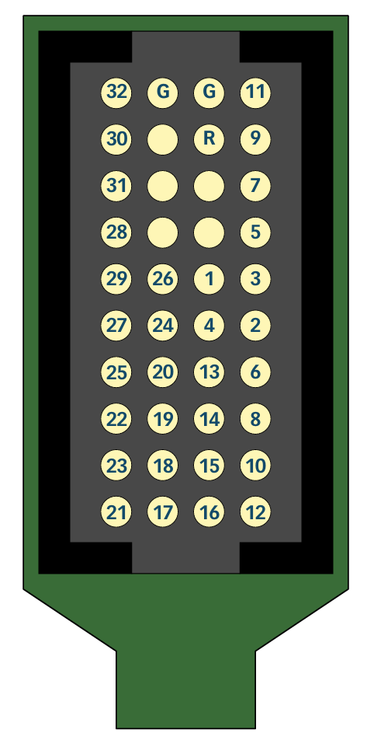
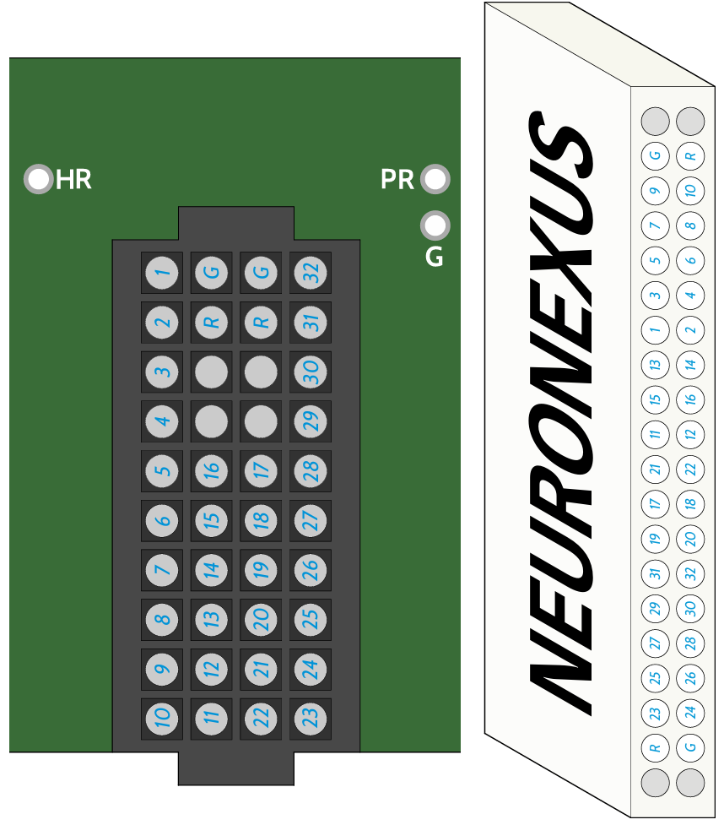
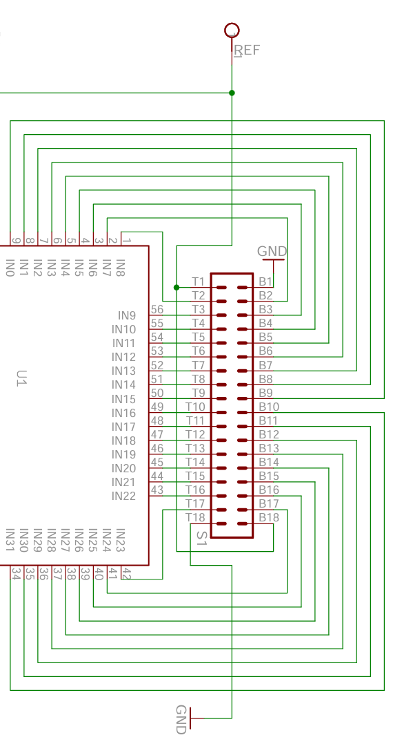
A1x32 Probe | -> | A32->O32 Adapter | -> | Intan Board (assuming T = top and B = bottom) | -> | Intan Input | A1x32 Probe | -> | A32->O32 Adapter | -> | Intan Board | -> | Intan Input | (true)Intan Input
 |  |  |  |  |  |  | 32 |  | 32 |  | T13 |  | 19 | IN19 | red = duplicate (messed up!!)
 |  |  |  |  |  |  | 31 |  | 30 |  | T14 |  | 20 | IN20
 |  |  |  |  |  |  | 30 |  | 31 |  | B13 |  | 28 | IN28
 |  |  |  |  |  |  | 29 |  | 28 |  | T15 |  | 21 | IN21
 |  |  |  |  |  |  | 28 |  | 29 |  | B14 |  | 27 | IN27
 |  |  |  |  |  |  | 27 |  | 27 |  | B15 |  | 26 | IN26
 |  |  |  |  |  |  | 26 |  | 17 |  | B11 |  | 30 | IN30
 |  |  |  |  |  |  | 25 |  | 26 |  | T16 |  | 22 | IN22
 |  |  |  |  |  |  | 24 |  | 18 |  | T11 |  | 17 | IN17
 |  |  |  |  |  |  | 23 |  | 24 |  | T17 |  | 23 | IN23
 |  |  |  |  |  |  | 22 |  | 25 |  | B16 |  | 25 | IN25
 |  |  |  |  |  |  | 21 |  | 23 |  | B17 |  | 24 | IN24
 |  |  |  |  |  |  | 20 |  | 19 |  | B12 |  | 29 | IN29
 |  |  |  |  |  |  | 19 |  | 20 |  | T12 |  | 18 | IN18
 |  |  |  |  |  |  | 18 |  | 21 |  | B10 |  | 31 | IN31
 |  |  |  |  |  |  | 17 |  | 22 |  | T10 |  | 16 | IN16
 |  |  |  |  |  |  | 16 |  | 11 |  | B9 |  | 0 | IN0
 |  |  |  |  |  |  | 15 |  | 12 |  | T9 |  | 15 | IN15
 |  |  |  |  |  |  | 14 |  | 13 |  | B7 |  | 2 | IN2
 |  |  |  |  |  |  | 13 |  | 14 |  | T7 |  | 13 | IN13
 |  |  |  |  |  |  | 12 |  | 10 |  | T2 |  | 8 | IN8
 |  |  |  |  |  |  | 11 |  | 1 |  | B6 |  | 3 | IN3
 |  |  |  |  |  |  | 10 |  | 9 |  | B2 |  | 7 | IN7
 |  |  |  |  |  |  | 9 |  | 2 |  | T6 |  | 12 | IN12
 |  |  |  |  |  |  | 8 |  | 8 |  | T3 |  | 9 | IN9
 |  |  |  |  |  |  | 7 |  | 3 |  | B5 |  | 4 | IN4
 |  |  |  |  |  |  | 6 |  | 7 |  | B3 |  | 6 | IN6
 |  |  |  |  |  |  | 5 |  | 4 |  | T5 |  | 11 | IN11
 |  |  |  |  |  |  | 4 |  | 15 |  | B8 |  | 1 | IN1
 |  |  |  |  |  |  | 3 |  | 5 |  | B4 |  | 5 | IN5
 |  |  |  |  |  |  | 2 |  | 6 |  | T4 |  | 10 | IN10
 |  |  |  |  |  |  | 1 |  | 16 |  | T8 |  | 14 | IN14

Intan
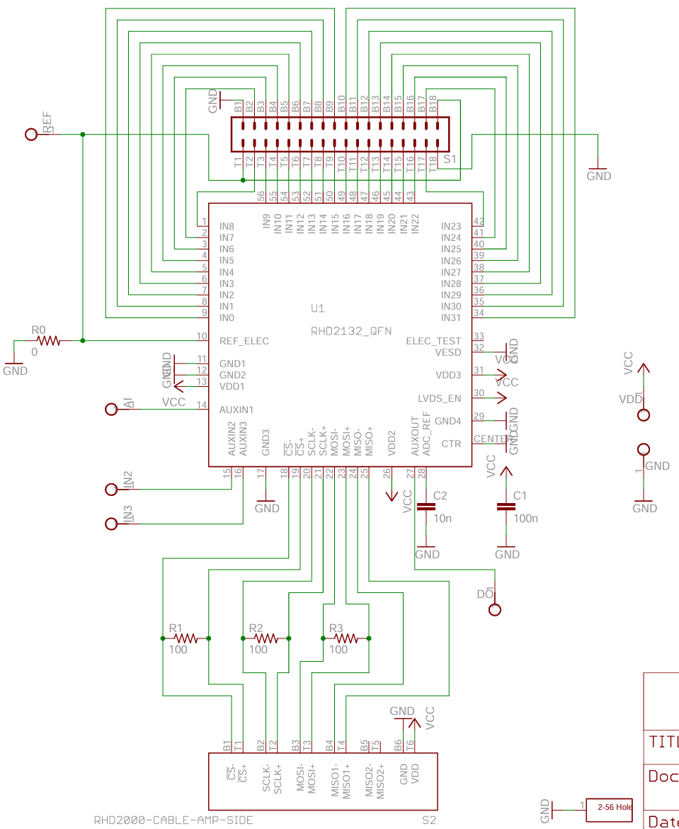
RHD 32ch headstage / | RHD 16ch bipolar-input headstage (C3313/C3314)

A32-O32 Adapter
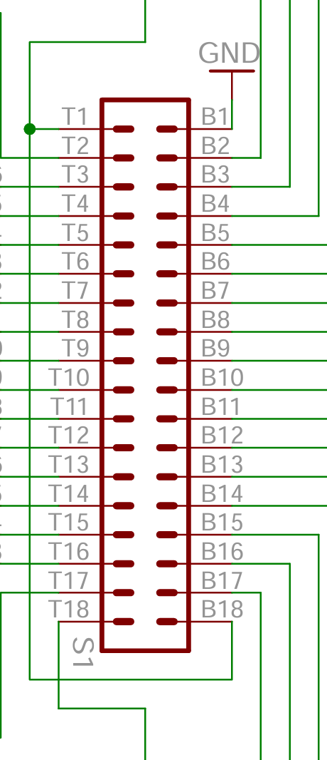
Adpt-A32-OM32.pdf
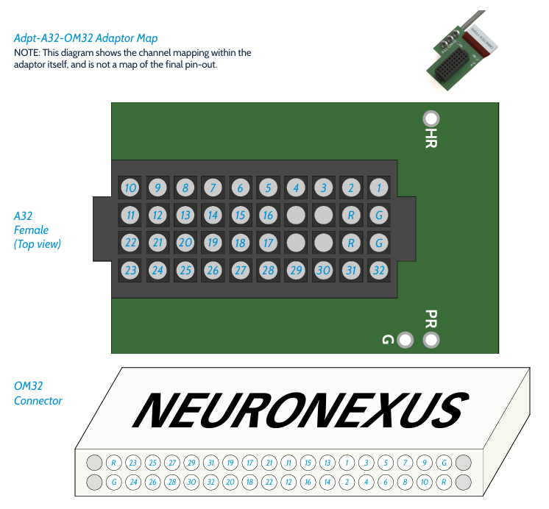

 | A32 Female

 | 10 | 9 | 8 | 7 | 6 | 5 | 4 | 3 | 2 | 1
 | 11 | 12 | 13 | 14 | 15 | 16 |  |  | R | G
 | 22 | 21 | 20 | 19 | 18 | 17 |  |  | R | G
 | 23 | 24 | 25 | 26 | 27 | 28 | 29 | 30 | 31 | 32

 | O32 Connector

 | R | 23 | 25 | 27 | 29 | 31 | 19 | 17 | 21 | 11 | 15 | 13 | 1 | 3 | 5 | 7 | 9 | G
 | G | 24 | 26 | 28 | 30 | 32 | 20 | 18 | 22 | 12 | 16 | 14 | 2 | 4 | 6 | 8 | 10 | R

A32 Male Connector
A32-Maps.pdf
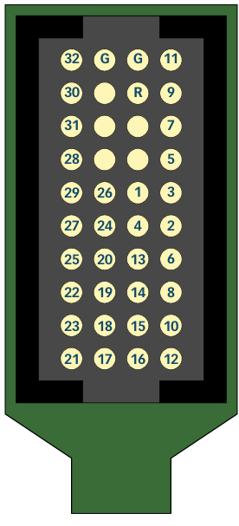
 | A32 Male

 | 32 | G | G | 11
 | 30 |  | R | 9
 | 31 |  |  | 7
 | 28 |  |  | 5
 | 29 | 26 | 1 | 3
 | 27 | 24 | 4 | 2
 | 25 | 20 | 13 | 6
 | 22 | 19 | 14 | 8
 | 23 | 18 | 15 | 10
 | 21 | 17 | 16 | 12

