Service Reception
xx Branch 5S Checklist: SR, IR, Customer Lounge, ASM, SM |  |  |  |  |  |  |  |  |  |  |  | Compliance:

SL | Location | Description | Y/N | Comments |  |  |  |  |  |  |  | Picture | Points

1 | Service Reception | Printer | y |  |  |  |  |  |  |  |  | 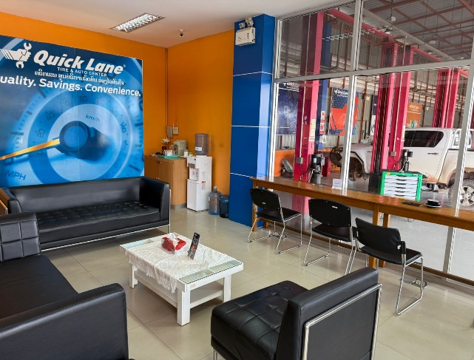 | 63%
 |  | Documents | n
 |  | Chairs | Y
 |  | Desk | n
 |  | Floor cleanliness | Y
 |  | Wall cleanliness | y | wall stain
 |  | Roof cleanliness | y
 |  | Bulb: Working | Y
 |  | Other | NA

2 | Service Reception | Service Advisor Desk Check Poins |  | 1 | 2 | 3 | 4 | 5 | 6 | 7 | 8 | 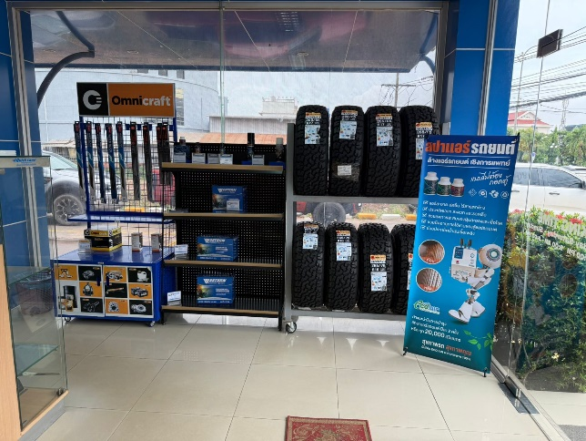 | 79%
 |  | Desk is well organised? | Y | n | y | Y | Y | Y | n
 |  | Less than 7 items kept on the desk? | Y | n | Y | Y | Y | Y | n
 |  | On desk is clean? | Y | n | n | Y | Y | Y | n
 |  | Under the desk is clean? | Y | Y | Y | Y | Y | Y | n
 |  | Less than 3 items kept under the desk? | Y | Y | Y | Y | Y | Y | n
 |  | Monitor is not blocking SA face | Y | Y | Y | Y | Y | Y | Y
 |  | Chair placement is correct? | Y | Y | Y | Y | Y | Y | Y

 |  |  |  |  |  |  |  |  |  |  |  |  |  | 71%

3 | Interactive reception | Fire Extingusher | n |  |  |  |  |  |  |  |  | 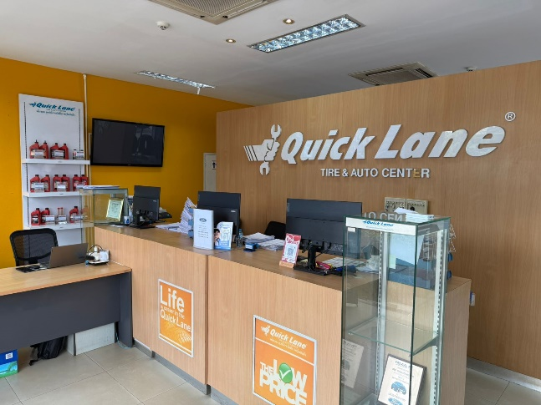 | 84%
 |  | Floor cleanliness | Y
 |  | Lift cleanliness | y | Dusty under lift
 |  | Free of Oil leaks/Spills/Trace | Y
 |  | Wall cleanliness | y | Dust near to the wall
 |  | Roof cleanliness | Y
 |  | Glass cleanliness | Y
 |  | TV | Y

 |  |  |  |  |  |  |  |  |  |  |  |  |  | 84%

4 | Customer Lounge | Bread Owen | Y |  |  |  |  |  |  |  |  | 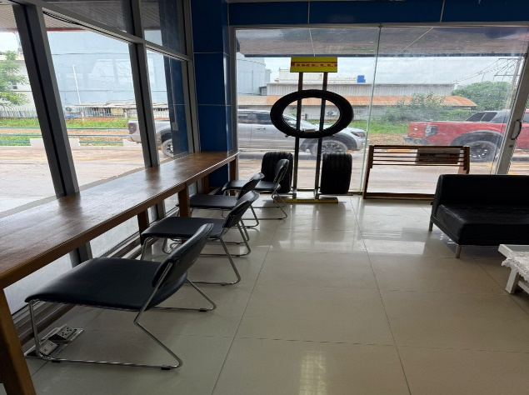 | 100%
 |  | Refridgerator cleanliness | Y
 |  | Café Machine | Y
 |  | Chairs | Y
 |  | Table | Y
 |  | Dust Bin | Y
 |  | Floor cleanliness | Y
 |  | Wall cleanliness | Y
 |  | Ceiling cleanliness | Y
 |  | Exit sign | Y
 |  | Break Glass(Fire Evacuation) | Y
 |  | Other | NA |  |  |  |  |  |  |  |  |  |  | 100%

5 | Aftersales Manager | Dust Bin : Placement | NA |  |  |  |  |  |  |  |  | 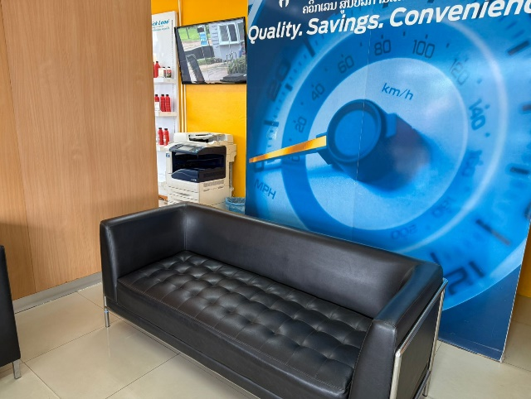 | 100%
 |  | Documents: Placement | Y
 |  | Chairs | Y
 |  | Desk:Cleanliness | Y
 |  | Door cleanliness | Y
 |  | Floor cleanliness | Y
 |  | Wall cleanliness | Y
 |  | Ceiling cleanliness | Y

 |  |  |  |  |  |  |  |  |  |  |  |  |  | 100%

6 | Service Manager | Dust Bin : Placement | n |  |  |  |  |  |  |  |  | 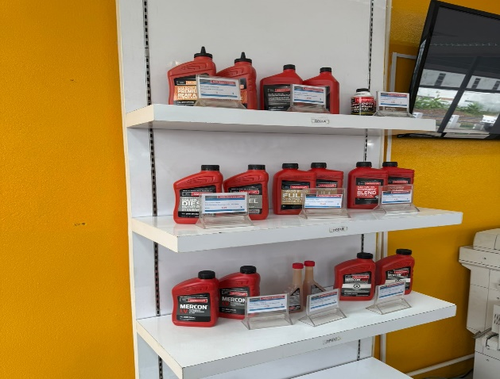 | 0%
 |  | Documents: Placement | n
 |  | Chairs | n
 |  | Desk:Cleanliness | n
 |  | Door cleanliness | n
 |  | Floor cleanliness | n
 |  | Wall cleanliness | n | Stain on pillar
 |  | Ceiling cleanliness | n

 |  |  |  |  |  |  |  |  |  |  |  |  |  | 0%

Canteen, Fm locker room
xx 5S Checklist: Canteen, Female locker room, Drive way |  |  |  |  | Compliance:

SL | Location | Description | Y/N | Comments | Picture | Points

1 | Canteen | Tables: Cleanliness | Y |  | 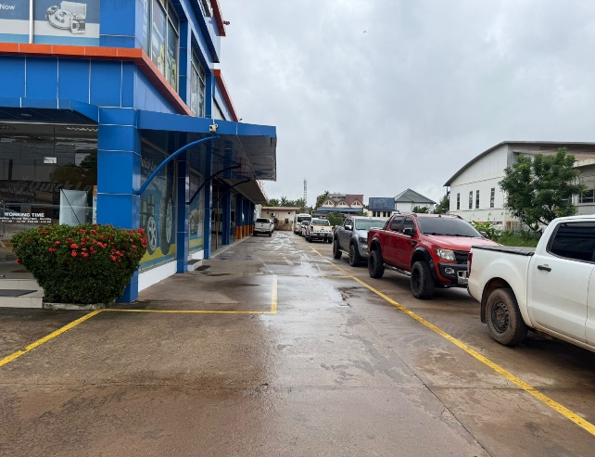 | 67%
 |  | Chairs: Cleanliness | Y
 |  | Window Cleanliness | N | dusty
 |  | Sink | Y
 |  | Door cleanliness | Y
 |  | Floor cleanliness | n
 |  | Wall cleanliness | n
 |  | Ceiling cleanliness | Y
 |  | Break glass | Y
 |  | Fire extinguisher:Cleanliness/Location | Y

 |  |  |  |  |  |  | 67%

2 | Female locker room | Chairs: Keep properly | Y |  | 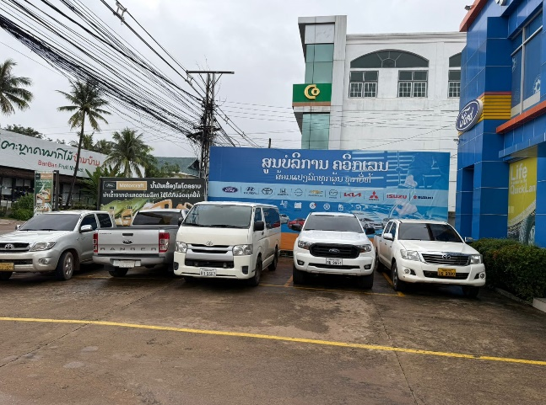 | 83%
 |  | Door cleanliness | Y
 |  | Floor cleanliness | Y
 |  | Wall cleanliness | N | stain
 |  | Ceiling cleanliness | Y
 |  | Window: Cleanliness | Y

 |  |  |  |  |  |  | 83%

3 | Outside | Free from Trash | n |  | 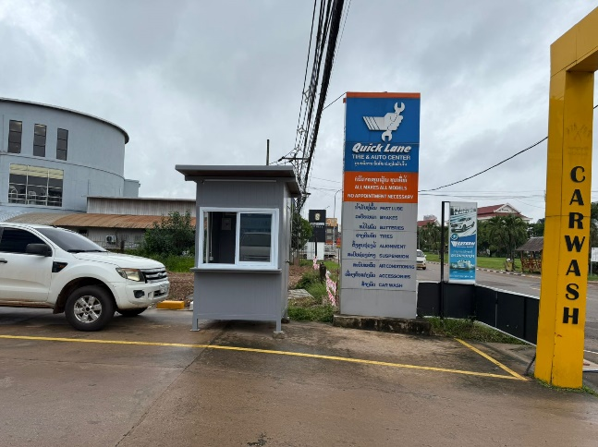 | 70%
 |  | Wall cleanliness | n
 |  | Pillar cleanliness | Y
 |  | Drive way: Clear from car | Y
 |  | Plants | Y
 |  | Trash bin: Placement/Cleanliness | Y

4 | Outside | Free from Trash | Y |  | 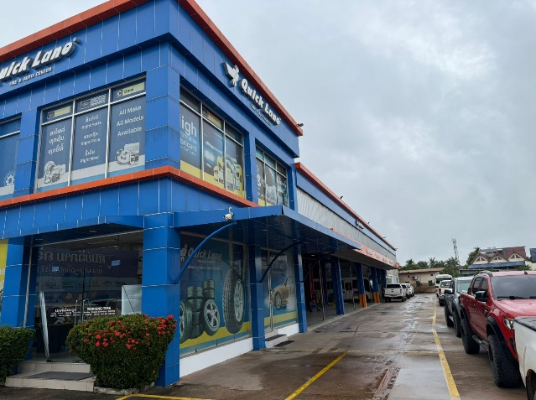 | 100%
 |  | Wall cleanliness | Y
 |  | Pillar cleanliness | Y
 |  | Smoking area cleanliness | Y
 |  | Plants | Y

 |  |  |  |  |  |  | 85%

Zone A
xx Branch 5S Checklist: Workshop Zone A |  |  |  |  | Compliance: | 68%

SL | Location | Description | Y/N | Comments | Picture | Points

1 | Wheel Alignment | Dust bin: Placement | NA |  | 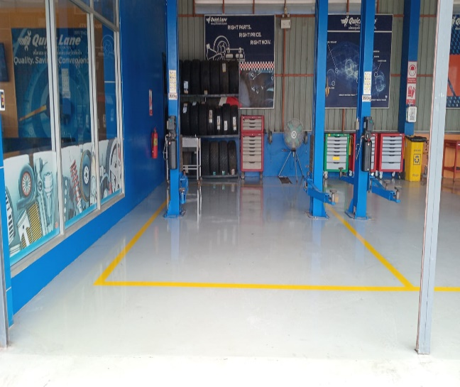 | 47%
 |  | Oil drainer: Cleanliness/Placement | NA
 |  | Tool box: Cleanliness/Placement | Y
 |  | Traffic pole | NA
 |  | Fire Extingusher: Cleanliness/Location | NA
 |  | Battery Charger | NA
 |  | Floor cleanliness | N | Dust near wall/stain
 |  | Lift cleanliness | Y
 |  | Oil leaks/Spills | Y
 |  | Wall cleanliness | N | paint off
 |  | Roof cleanliness | Y
 |  | Wheel allignment machine | N | Dust accumulated

2 | Bay No 1 | Dust bin: Placement | NA |  | 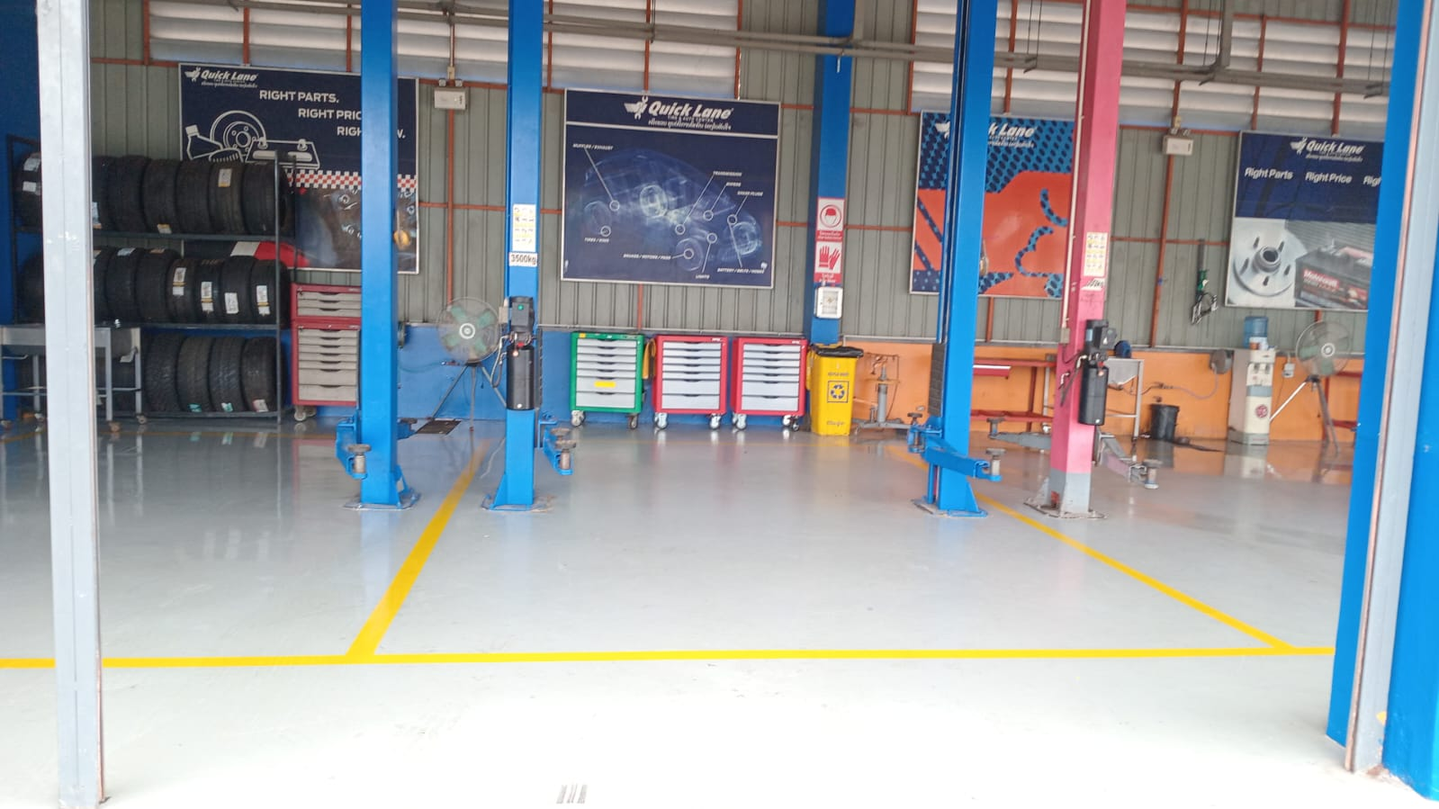 | 87%
 |  | Oil drainer: Cleanliness/Placement | Y
 |  | Tool box: Cleanliness/Placement | Y
 |  | Oil pump: Cleanliness/Placement | NA
 |  | Fire Extingusher: Cleanliness/Location | NA
 |  | Cleaning Kit: | NA
 |  | Floor cleanliness | Y
 |  | Lift cleanliness | Y
 |  | Free Oil leaks/Spills | Y
 |  | Wall cleanliness | N | Stain, paint off
 |  | Roof cleanliness | Y
 |  | Other | NA

3 | Bay No 2 | Dust bin: Placement | Y |  | 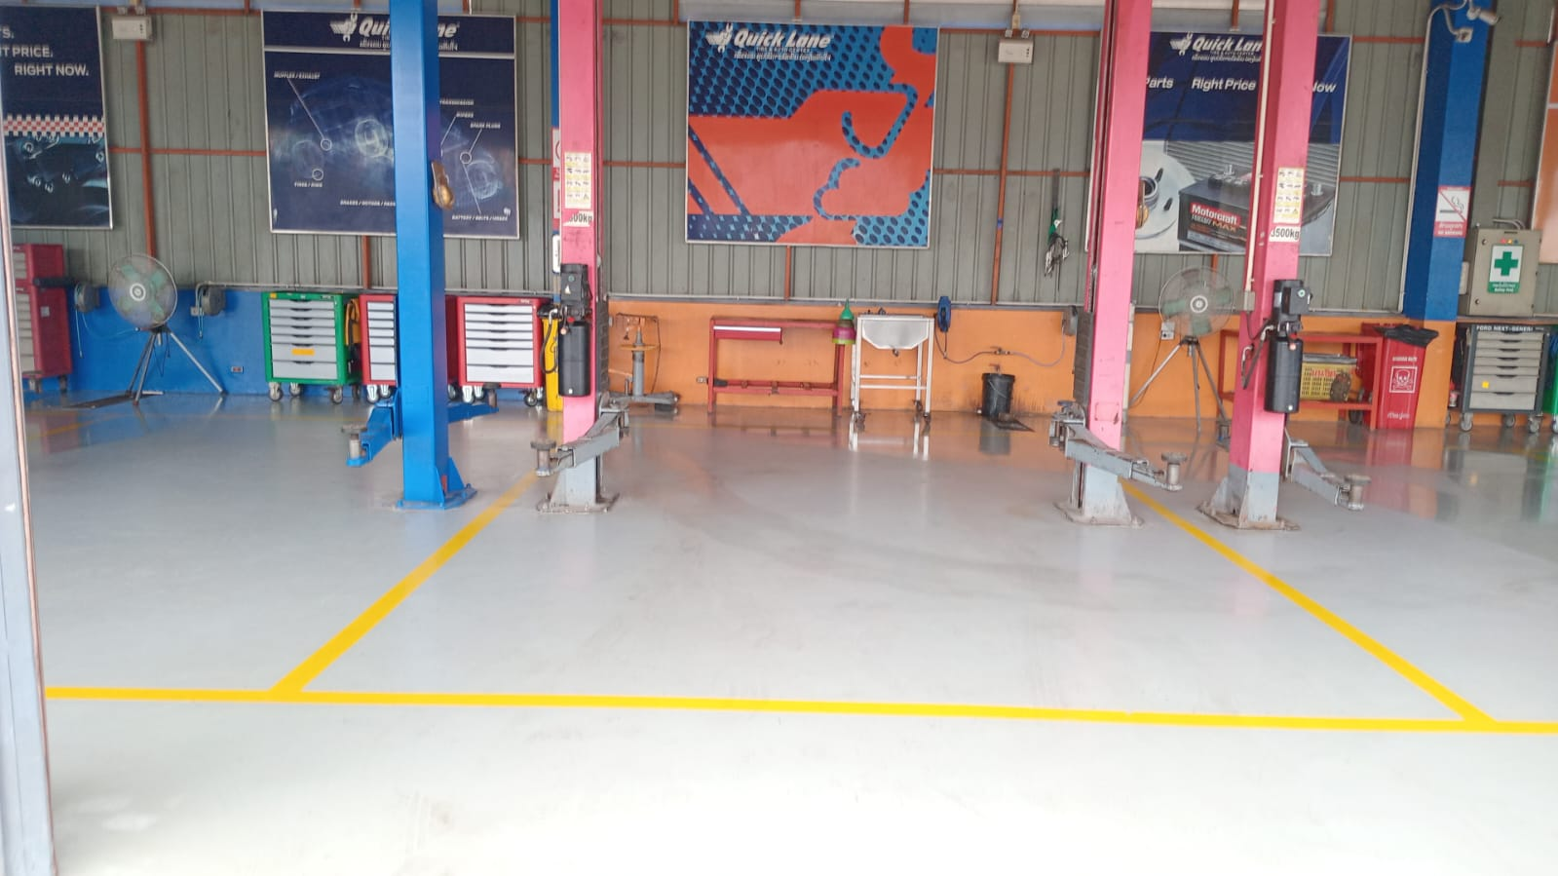 | 61%
 |  | Oil drainer: Cleanliness/Placement | NA
 |  | Tool box: Cleanliness/Placement | Y
 |  | Oil pump: Cleanliness/Placement | Y
 |  | Fire Extingusher: Cleanliness/Location | NA
 |  | Cleaning Kit: | NA
 |  | Floor cleanliness | N | Dust near to the wall/ stain
 |  | Lift cleanliness | N | Dust accumulated near the lift
 |  | Free oil leaks/Spills | Y
 |  | Wall cleanliness | N | Stain/paint off
 |  | Roof cleanliness | Y
 |  | Others | N | Oil can not kept in designated location

4 | Bay No 3 | Dust bin: Placement | NA |  | 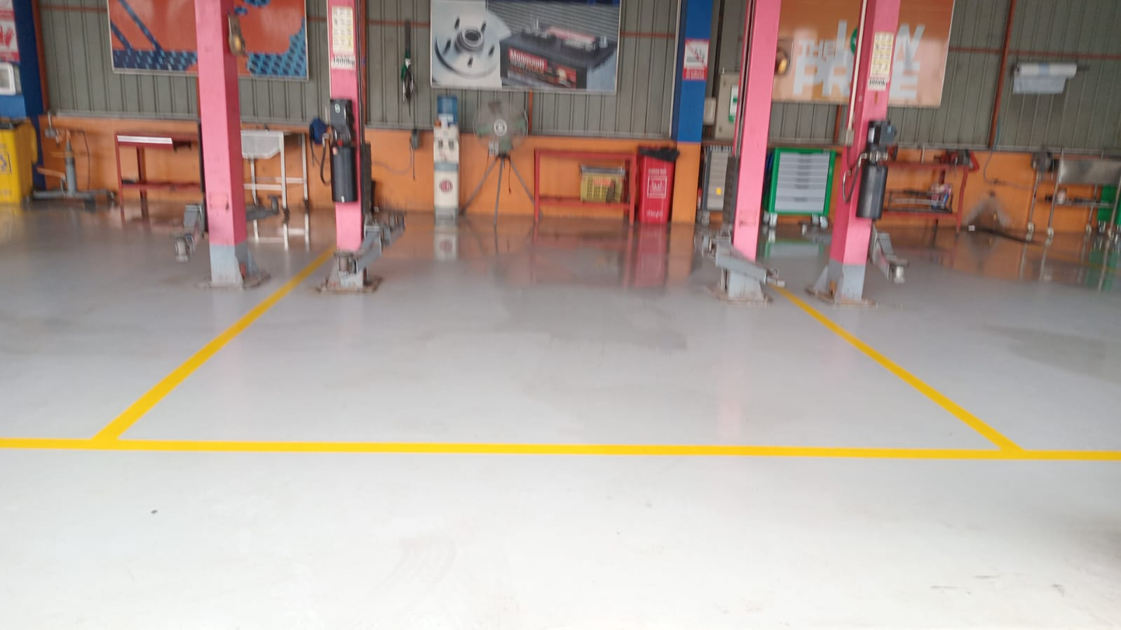 | 79%
 |  | Oil drainer: Cleanliness/Placement | NA
 |  | Tool box: Cleanliness/Placement | Y
 |  | Oil pump: Cleanliness/Placement | NA
 |  | Fire Extingusher: Cleanliness/Location | NA
 |  | Cleaning Kit: | NA
 |  | Floor cleanliness | Y
 |  | Lift cleanliness | N | Dust accumulated near the lift
 |  | Free oil leaks/Spills | Y
 |  | Wall cleanliness | N | Stain, paint off
 |  | Roof cleanliness | Y
 |  | Other | NA

5 | Bay No 4 | Dust bin: Placement | NA |  | 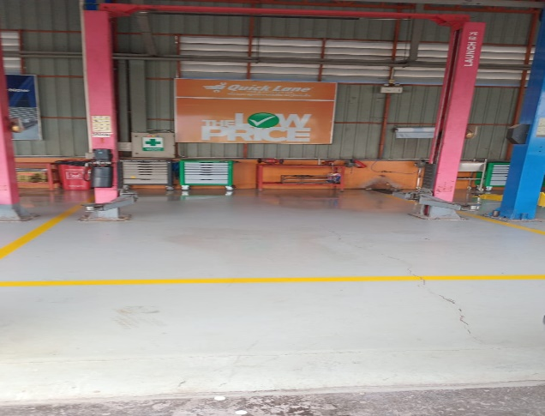 | 84%
 |  | Oil drainer: Cleanliness/Placement | NA
 |  | Tool box: Cleanliness/Placement | Y
 |  | Creeper: Cleanliness/Placement | Y
 |  | Fire Extingusher: Cleanliness/Location | Y
 |  | Cleaning Kit: | NA
 |  | Floor cleanliness | Y
 |  | Lift cleanliness | N | Dust accumulated near the lift
 |  | Free Oil leaks/Spills | Y
 |  | Wall cleanliness | N | Paint off,Stain
 |  | Roof cleanliness | Y
 |  | Other | NA

6 | Bay no 5 | Dust bin: Placement | Y |  | 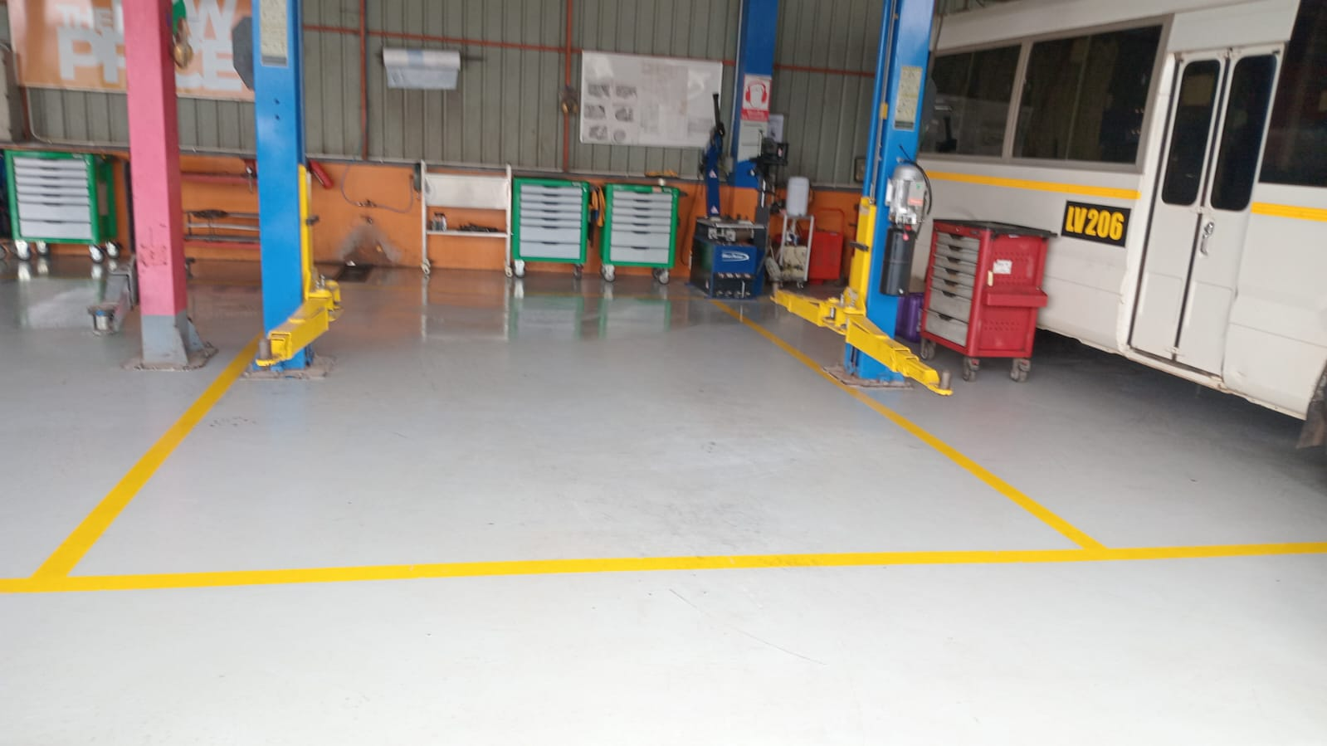 | 81%
 |  | Oil drainer: Cleanliness/Placement | Y
 |  | Tool box: Cleanliness/Placement | Y
 |  | Oil pump: Cleanliness/Placement | NA
 |  | Fire Extingusher: Cleanliness/Location | NA
 |  | Cleaning Kit: | NA
 |  | Floor cleanliness | Y
 |  | Lift cleanliness | N | Dust on the lift post
 |  | Free Oil leaks/Spills | Y
 |  | Wall cleanliness | N | Stain
 |  | Roof cleanliness | Y
 |  | Other

7 | Bay no 6 | Dust bin: Placement | NA |  | 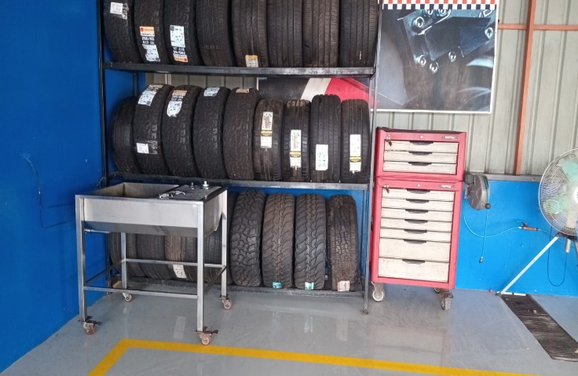 | 57%
 |  | Oil drainer: Cleanliness/Placement | NA
 |  | Tool box: Cleanliness/Placement | Y
 |  | Oil pump: Cleanliness/Placement | NA
 |  | Fire Extingusher: Cleanliness/Location | NA
 |  | Cleaning Kit: | NA
 |  | Floor cleanliness | N | Dust accumulated
 |  | Lift cleanliness | N | Dust accumulated
 |  | Free Oil leaks/Spills | Y
 |  | Wall cleanliness | N | Stain,paint off
 |  | Roof cleanliness | Y
 |  | Others | NA

8 | Bay no 7 | Dust bin: Placement | NA |  | 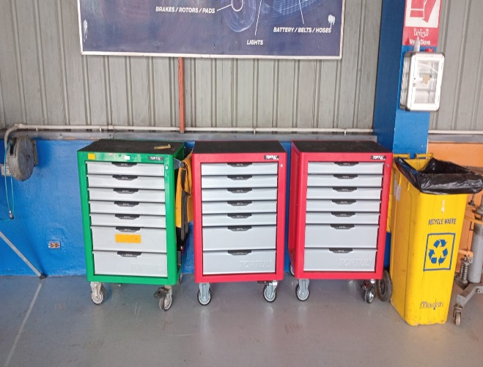 | 63%
 |  | Oil drainer: Cleanliness/Placement | Y
 |  | Tool box: Cleanliness/Placement | Y
 |  | Oil pump: Cleanliness/Placement | NA
 |  | Fire Extingusher: Cleanliness/Location | NA
 |  | Cleaning Kit: | NA
 |  | Floor cleanliness | N | Dust near to the wall
 |  | Lift cleanliness | Y
 |  | Free Oil leaks/Spills | Y
 |  | Wall cleanliness | N | Stain,paint off
 |  | Roof cleanliness | Y
 |  | Others | N | Dust on electrical socket

9 | Bay no 8 | Dust bin: Placement | Y |  | 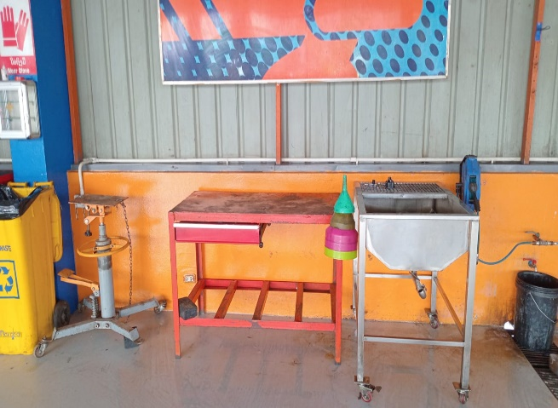 | 74%
 |  | Oil drainer: Cleanliness/Placement | NA
 |  | Tool box: Cleanliness/Placement | Y
 |  | Creeper: Cleanliness/Placement | Y
 |  | Fire Extingusher: Cleanliness/Location | NA
 |  | Cleaning Kit: | NA
 |  | Floor cleanliness | Y
 |  | Lift cleanliness | N | Dust accumulated
 |  | Free Oil leaks/Spills | Y
 |  | Wall cleanliness | N | Stain,paint off
 |  | Roof cleanliness | Y
 |  | Others | N | Oil can not kept in designated location

10 | Bay no 9 | Dust bin: Placement | NA |  | 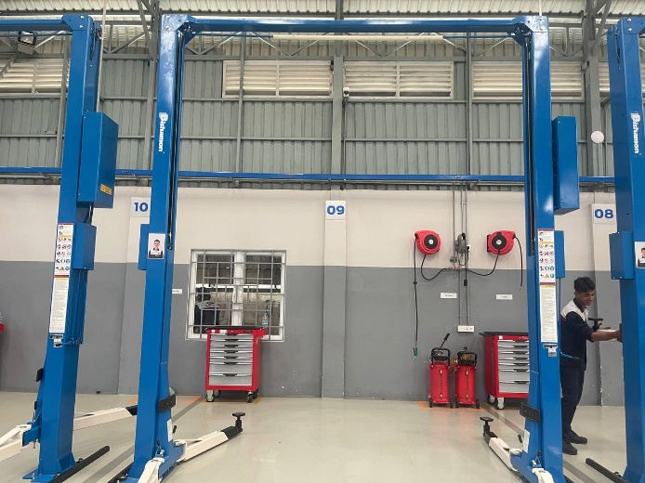 | 79%
 |  | Oil drainer: Cleanliness/Placement | NA
 |  | Tool box: Cleanliness/Placement | Y
 |  | Oil pump: Cleanliness/Placement | NA
 |  | Fire Extingusher: Cleanliness/Location | NA
 |  | Cleaning Kit: | NA
 |  | Floor cleanliness | Y
 |  | Lift cleanliness | N | Dust accumulated
 |  | Free Oil leaks/Spills | Y
 |  | Wall cleanliness | N | Stain, paint off
 |  | Roof cleanliness | Y
 |  | Others

11 | Bay no 10 | Dust bin: Placement | NA |  | 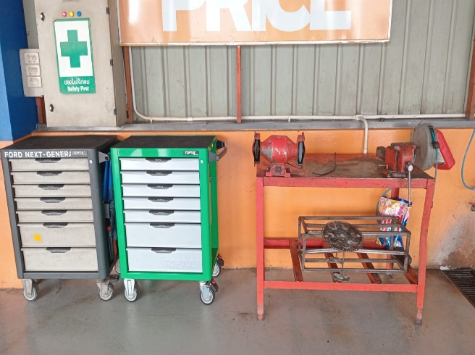 | 46%
 |  | Oil drainer: Cleanliness/Placement | NA
 |  | Tool box: Cleanliness/Placement | Y
 |  | Oil pump: Cleanliness/Placement | NA
 |  | Fire Extingusher: Cleanliness/Location | NA
 |  | Cleaning Kit: | Y
 |  | Floor cleanliness | N | Paint stain
 |  | Lift cleanliness | Y
 |  | Free Oil leaks/Spills | NA
 |  | Wall cleanliness | N | Stain
 |  | Roof cleanliness | N | Spider web on the roof corner
 |  | Others

12 | Bay no 11 | Dust bin: Placement | Y |  | 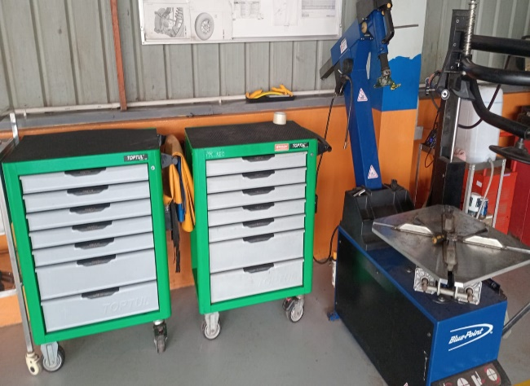 | 47%
 |  | Oil drainer: Cleanliness/Placement | NA
 |  | Tool box: Cleanliness/Placement | N | not in designated location
 |  | Oil pump: Cleanliness/Placement | NA
 |  | Fire Extingusher: Cleanliness/Location | NA
 |  | Cleaning Kit: | NA
 |  | Floor cleanliness | N | Dust accumulated/Stain
 |  | Lift cleanliness | N | Dust accumulated
 |  | Free Oil leaks/Spills | Y
 |  | Wall cleanliness | N | Crack/stain
 |  | Roof cleanliness | Y
 |  | Others | NA

13 | Bay no 12 | Dust bin: Placement | NA |  | 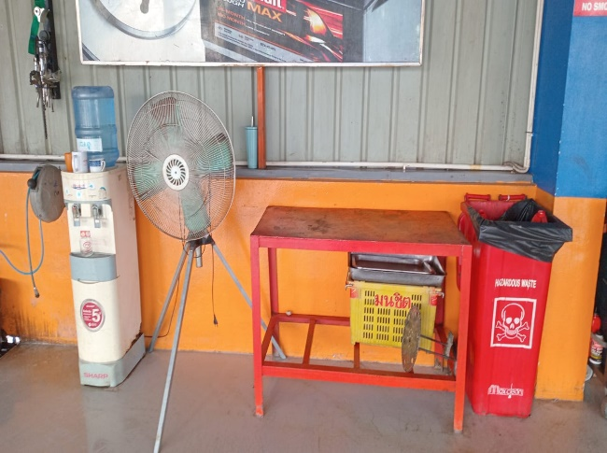 | 56%
 |  | Oil drainer: Cleanliness/Placement | NA
 |  | Tool box: Cleanliness/Placement | Y
 |  | Oil pump: Cleanliness/Placement | Y
 |  | Fire Extingusher: Cleanliness/Location | NA
 |  | Cleaning Kit: | NA
 |  | Floor cleanliness | N | dusty/stain
 |  | Lift cleanliness | Y
 |  | Free Oil leaks/Spills | Y
 |  | Wall cleanliness | N | Stain,paint off
 |  | Roof cleanliness | N | Spider web near CCTV
 |  | Others

14 | Bay no 13 | Dust bin: Placement | NA |  | 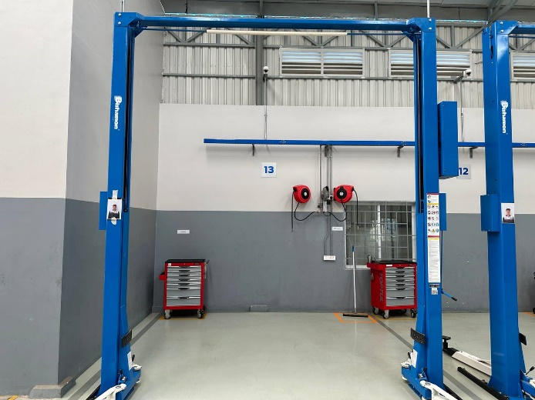 | 93%
 |  | Oil drainer: Cleanliness/Placement | NA
 |  | Tool box: Cleanliness/Placement | Y
 |  | Oil pump: Cleanliness/Placement | NA
 |  | Fire Extingusher: Cleanliness/Location | NA
 |  | Cleaning Kit: | NA
 |  | Floor cleanliness | Y
 |  | Lift cleanliness | N | Dust on the lift post
 |  | Free Oil leaks/Spills | Y
 |  | Wall cleanliness | Y
 |  | Roof cleanliness | Y
 |  | Others | NA

Zone B
xx Branch 5S Checklist: Workshop Zone B |  |  |  |  | Compliance: | 73%

SL | Location | Description | Y/N | Comments | Picture | Points

1 | Work Planner Board | Job Card Placement/Cleanliness | Y |  | 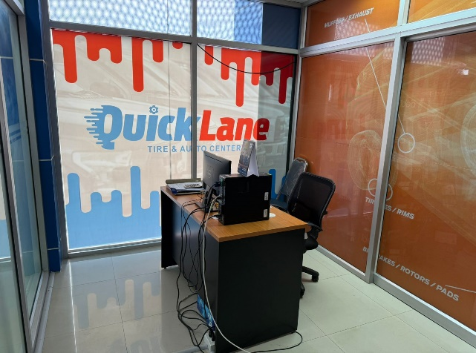 | 86%
 |  | Clocking Machine | Y
 |  | Monitor | N | dusty at the back of keyboard
 |  | Table | NA
 |  | Chairs | Y
 |  | Cleaning Kit: | NA
 |  | Floor cleanliness | Y
 |  | Wall cleanliness | Y
 |  | Roof cleanliness | Y
 |  | Others | NA

2 | Bay No 14 | Dust bin: Placement | NA |  | 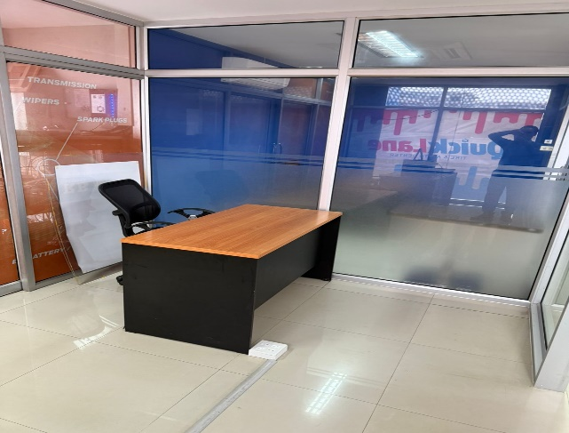 | 87%
 |  | Oil drainer: Cleanliness/Placement | Y
 |  | Tool box: Cleanliness/Placement | Y
 |  | Oil pump: Cleanliness/Placement | NA
 |  | Fire Extingusher: Cleanliness/Location | NA
 |  | Cleaning Kit: | NA
 |  | Floor cleanliness | Y
 |  | Lift cleanliness | Y
 |  | Free Oil leaks/Spills | Y
 |  | Wall cleanliness | N | Stain, paint off
 |  | Roof cleanliness | Y
 |  | Others

3 | Bay No 15 | Dust bin: Placement | Y |  | 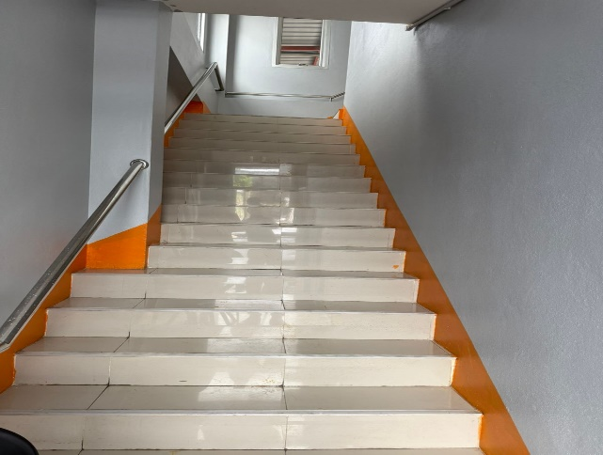 | 88%
 |  | Oil drainer: Cleanliness/Placement | NA
 |  | Tool box: Cleanliness/Placement | Y
 |  | Oil pump: Cleanliness/Placement | Y
 |  | Fire Extingusher: Cleanliness/Location | NA
 |  | Cleaning Kit: | NA
 |  | Floor cleanliness | Y
 |  | Lift cleanliness | Y
 |  | Free Oil leaks/Spills | Y
 |  | Wall cleanliness | N | Stain/paint off
 |  | Roof cleanliness | Y
 |  | Others

4 | Bay No 16 | Dust bin: Placement | Y |  | 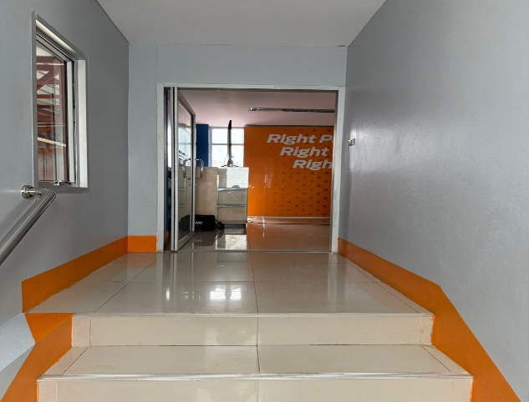 | 67%
 |  | Oil drainer: Cleanliness/Placement | NA
 |  | Tool box: Cleanliness/Placement | Y
 |  | Oil pump: Cleanliness/Placement | NA
 |  | Fire Extingusher: Cleanliness/Location | NA
 |  | Cleaning Kit: | NA
 |  | Floor cleanliness | N | dust near wall
 |  | Lift cleanliness | Y
 |  | Free Oil leaks/Spills | Y
 |  | Wall cleanliness | N | Stain
 |  | Roof cleanliness | Y
 |  | Others | NA

5 | Bay No 17 | Dust bin: Placement | NA |  | 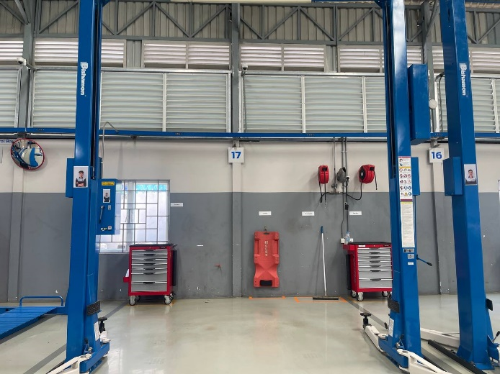 | 87%
 |  | Creeper: Cleanliness/Placement | Y
 |  | Tool box: Cleanliness/Placement | Y
 |  | Oil pump: Cleanliness/Placement | NA
 |  | Fire Extingusher: Cleanliness/Location | NA
 |  | Cleaning Kit: | NA
 |  | Floor cleanliness | Y
 |  | Lift cleanliness | Y
 |  | Free Oil leaks/Spills | Y
 |  | Wall cleanliness | N | oil stain
 |  | Roof cleanliness | Y
 |  | Others

6 | Bay No 18 | Dust bin: Placement | NA |  | 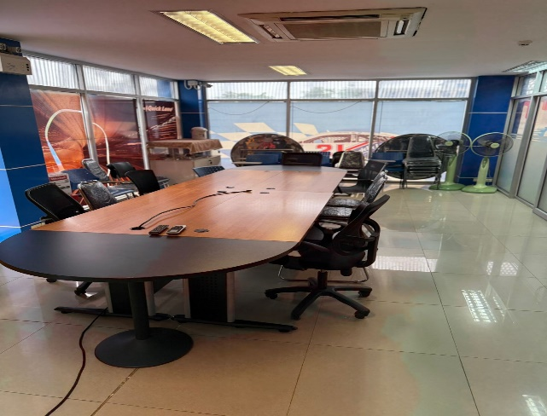 | 64%
 |  | Oil drainer: Cleanliness/Placement | NA
 |  | Tool box: Cleanliness/Placement | Y
 |  | Oil pump: Cleanliness/Placement | NA
 |  | Fire Extingusher: Cleanliness/Location | NA
 |  | Cleaning Kit: | NA
 |  | Floor cleanliness | N | dusty
 |  | Lift cleanliness | Y
 |  | Free Oil leaks/Spills | Y
 |  | Wall cleanliness | N | Stain, paint off
 |  | Roof cleanliness | Y
 |  | Others | NA

7 | Bay No 19 | Dust bin: Placement | NA |  | 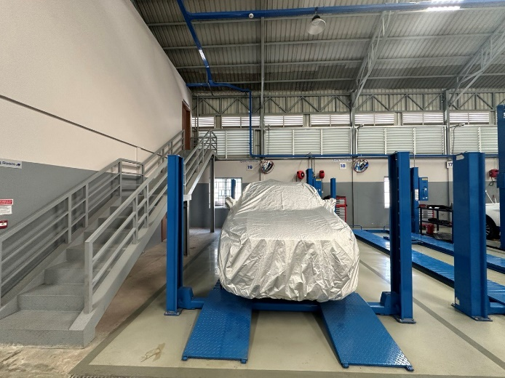 | 50%
 |  | Oil drainer: Cleanliness/Placement | NA
 |  | Tool box: Cleanliness/Placement | N | Not in designated location
 |  | Oil pump: Cleanliness/Placement | NA
 |  | Fire Extingusher: Cleanliness/Location | NA
 |  | Cleaning Kit: | NA
 |  | Floor cleanliness | N | water spread from window
 |  | Lift cleanliness | N | dusty/rust
 |  | Free Oil leaks/Spills | Y
 |  | Wall cleanliness | Y
 |  | Roof cleanliness | Y
 |  | Others | N

8 | Tools area | Hydraulic press: Cleanliness/Placement | N | dusty | 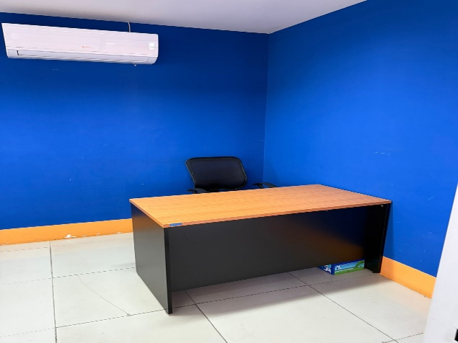 | 61%
 |  | Battery charger: Cleanliness/Placement | Y
 |  | Engine crance: cleanliness/Placement | Y
 |  | Trolley jack: cleanliness/Placement | Y
 |  | Vehicle stand: cleanliness/Placement | N | dusty
 |  | Engine stand:cleanliness/Placement | Y
 |  | Floor cleanliness | N | oil soak/stain/dusty
 |  | Free Oil leaks/Spills | Y
 |  | Wall cleanliness | N | stain
 |  | Roof cleanliness | Y
 |  | Window cleanliness | Y
 |  | Oil bleeder/Oil filler: Cleanliness | N | oil stain

9 | Workbench area | Wokbench:cleanliness | N | dusty | 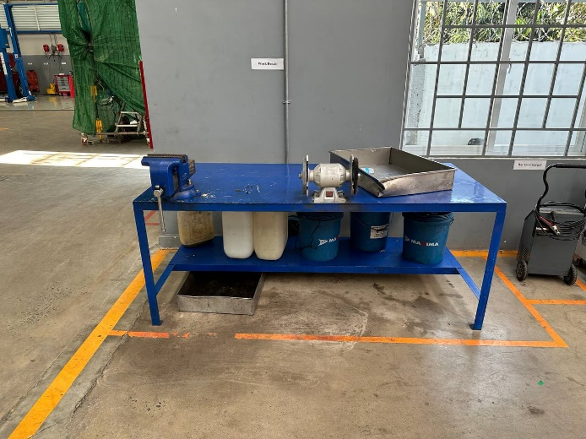 | 71%
 |  | Container keep properly | Y
 |  | Floor cleanliness | N | oil trace on floor
 |  | Free Oil leaks/Spills | Y
 |  | Wall cleanliness | Y
 |  | Roof cleanliness | Y
 |  | A/C Recycling Machine:Placement/Cleanliness | Y

Car washing, waste oil
xx 5S Checklist: Car washing , waste oil storage |  |  |  |  | Compliance:

SL | Location | Description | Y/N | Comments | Picture | Points

1 | Waste oil storage | Oil drum: ESMS/Cleanliness | Y |  | 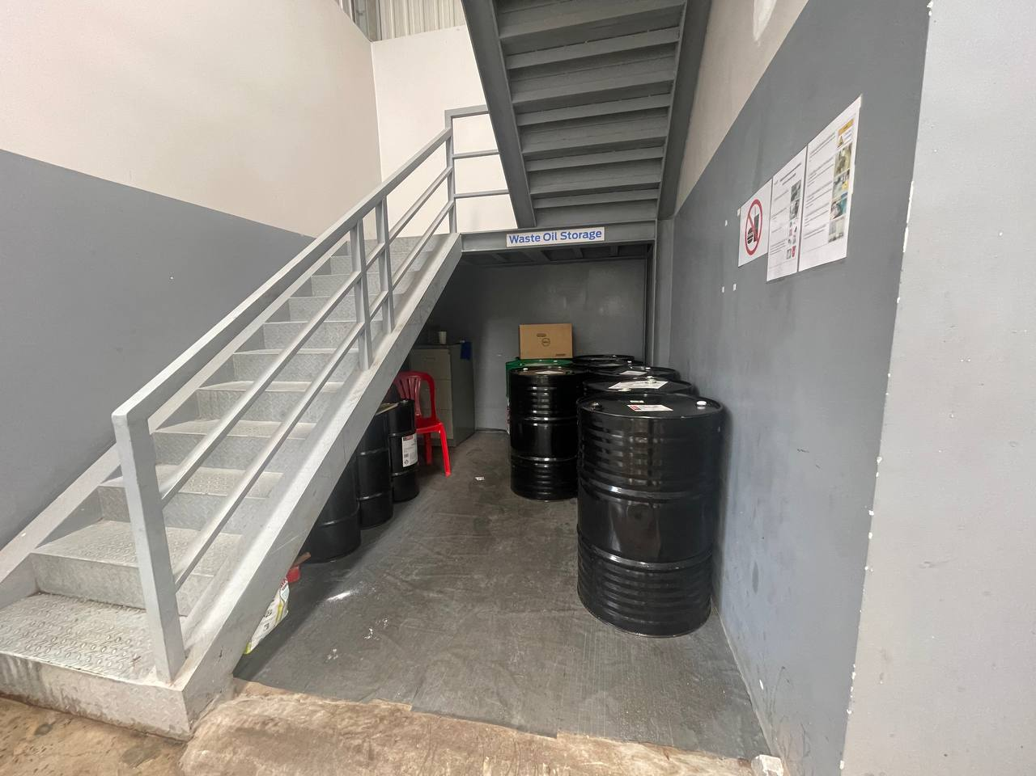 | 100%
 |  | Floor cleanliness | Y
 |  | Free of Oil leaks/Spills | Y
 |  | Wall cleanliness | Y
 |  | Ceiling cleanliness | Y
 |  | Other

 |  |  |  |  |  |  | 100%

2 | Males locker room | Locker: cleanliness | Y |  | 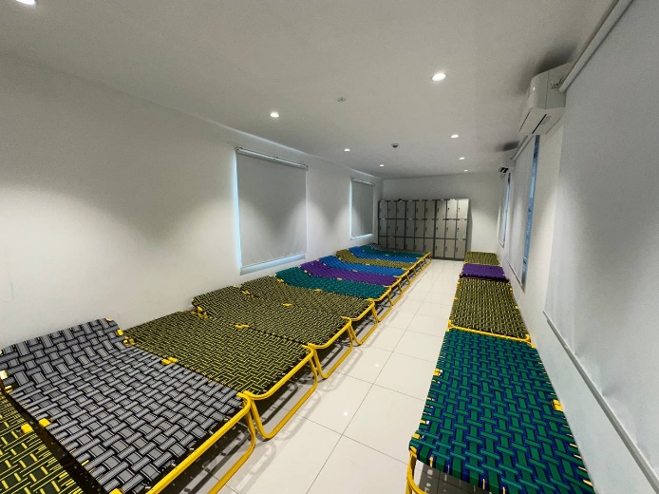 | 80%
 |  | Floor cleanliness | Y
 |  | Window: cleanliness | Y
 |  | Wall cleanliness | N | stain
 |  | Ceiling cleanliness | Y
 |  | Other

 |  |  |  |  |  |  | 80%

3 | Males rest room | Floor cleanliness | Y |  | 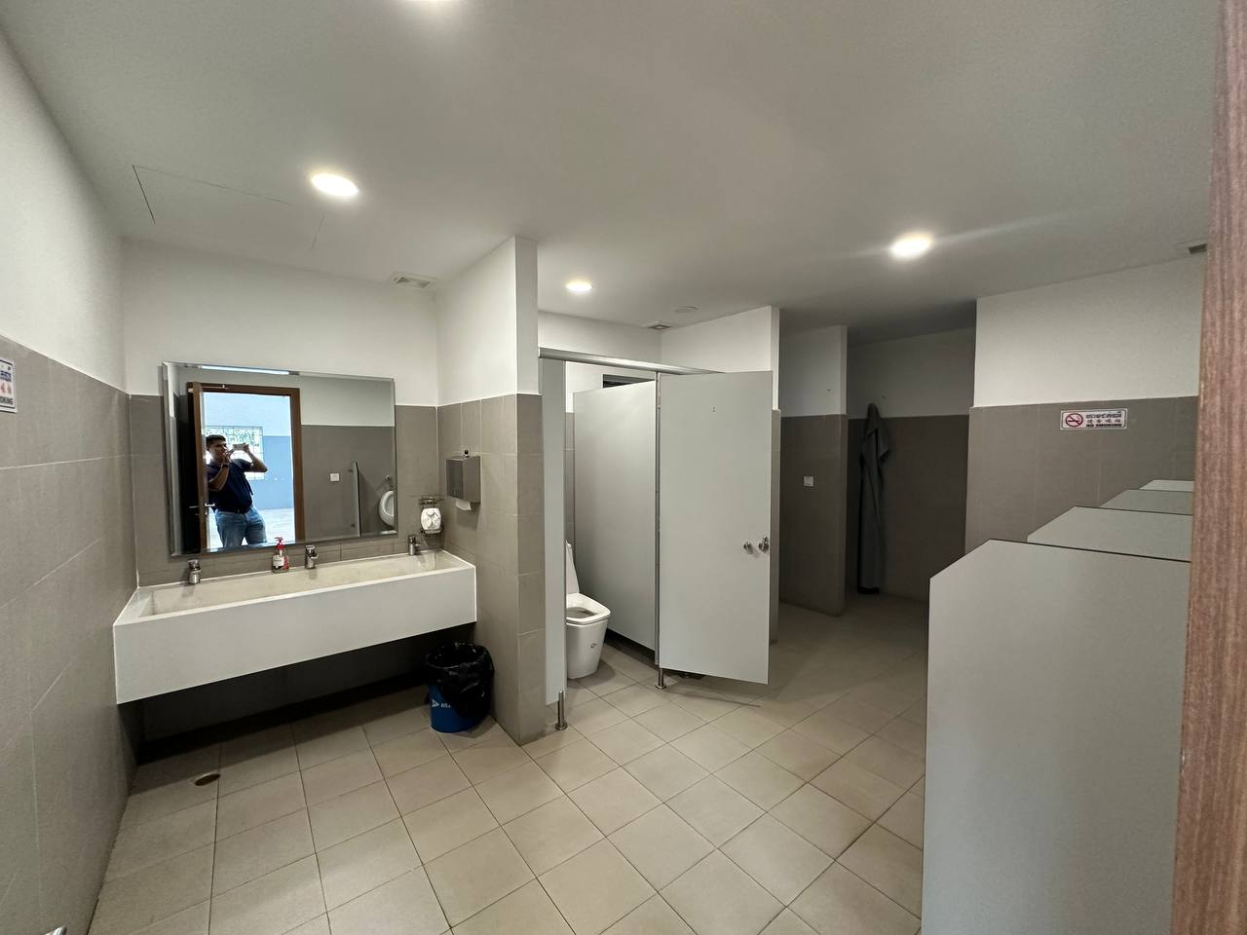 | 90%
 |  | Sink cleanliness | N | Stain
 |  | Wall cleanliness | Y
 |  | Ceiling cleanliness | Y
 |  | Mirror cleanliness | Y
 |  | Other

 |  |  |  |  |  |  | 90%

4 | Outside | Smoking area:Placement | Y |  | 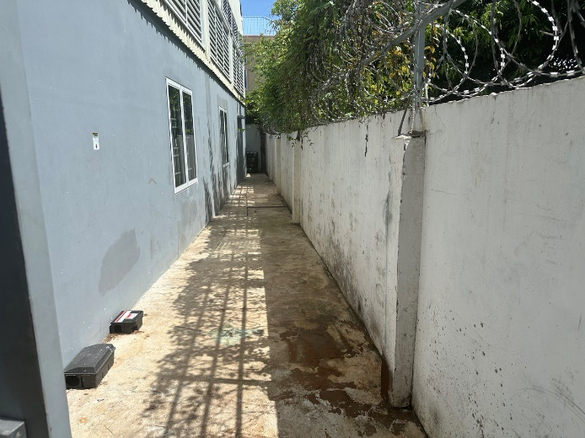 | 17%
 |  | Floor cleanliness | N | Rust stain on the floor
 |  | Wall cleanliness | N | stain
 |  | Other | NA

5 | Outside | Floor cleanliness | Y |  | 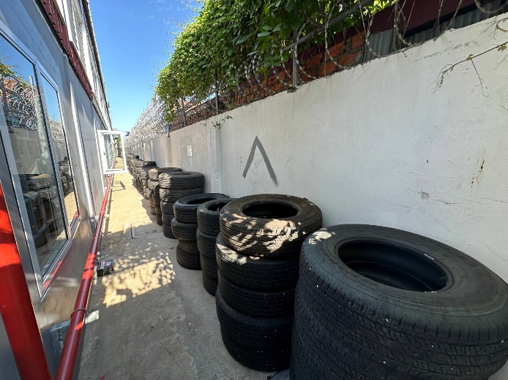 | 71%
 |  | Wall cleanliness | Y
 |  | Warranty Tire | N | No warranty label

6 | Outside (Near Water Tank) | Floor cleanliness | Y |  | 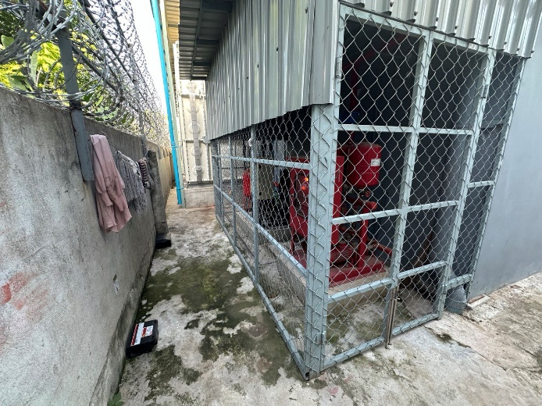 | 100%
 |  | Wall cleanliness | Y
 |  | Water tank: cleanliness | Y
 |  | Power distributor | Y

 |  |  |  |  |  |  | 63%

6 | Car washing | Washing machine:Placement | NA |  | 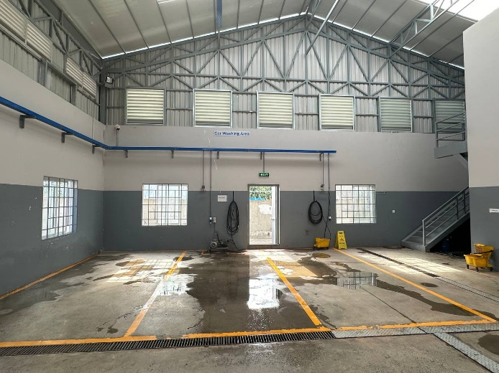 | 86%
 |  | Air hose: Placement | Y
 |  | Floor cleanliness | Y
 |  | Window cleanliness | Y
 |  | Wall cleanliness | N | paint stain/ dust stain
 |  | Roof cleanliness | Y
 |  | Table | Y

 |  |  |  |  |  |  | 86%

7 | Infront of Male Rest Room | Fire Extingusher:Placement | Y |  | 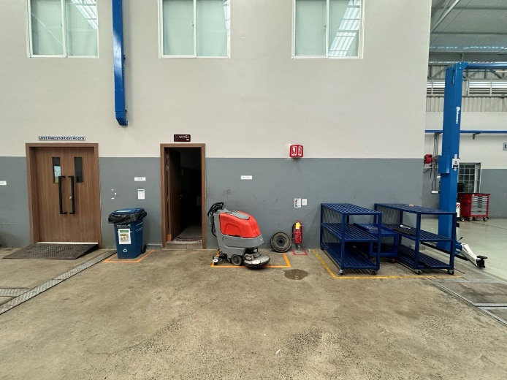 | 100%
 |  | Floor cleaner:Placement | Y
 |  | Parts rack:Placement | Y
 |  | Trash bin:Placement | Y
 |  | Floor cleanliness | Y
 |  | Wall cleanliness | Y
 |  | Roof cleanliness | Y
 |  | Other

WSC Room
xx Branch 5S Checklist: WSC, Unit Recondition, Power Room, Archive Room, Training Room |  |  |  |  | Compliance:

SL | Location | Description | Y/N | Comments | Picture | Points

1 | Workshop Control Room | Documents | Y |  | 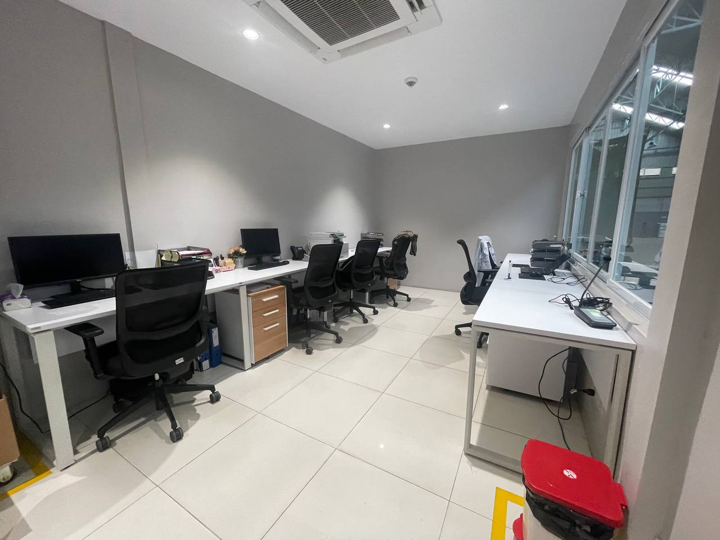 | 82%
 |  | Chairs | Y
 |  | Desk | Y
 |  | Door cleanliness | Y
 |  | Floor cleanliness | Y
 |  | Wall cleanliness | N | stain inside/outside
 |  | Ceiling cleanliness | Y
 |  | First aid box | Y
 |  | Other | N | Warranty parts kept in the room

 |  |  |  |  |  |  | 82%

2 | Unit recondition room | Workbench | Y |  | 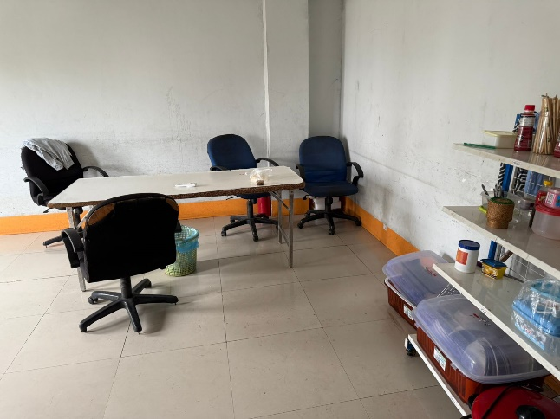 | 71%
 |  | Floor cleanliness | Y
 |  | Free of Oil leaks/Spills | Y
 |  | Unidentified parts | NA
 |  | Tools/equipment: Placement | NA
 |  | Tool racks | NA
 |  | Wall Cleanliness | Y
 |  | Ceiling cleanliness | Y
 |  | Power distributor | Y
 |  | Other | N | old clothes not in designated location

 |  |  |  |  |  |  | 71%

3 | Tool Room | Tool Preparation | Y |  | 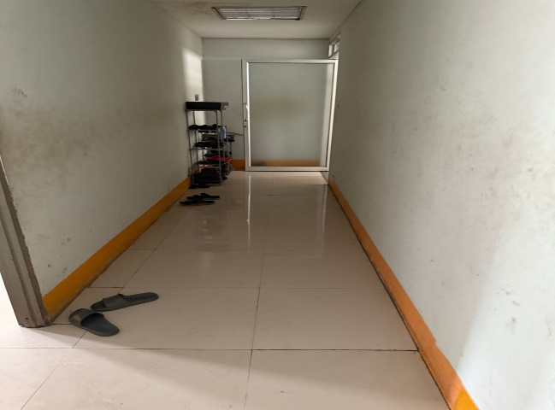 | 100%
 |  | Tool Inventory Check List | Y
 |  | Floor cleanliness | Y
 |  | Wall Cleanliness | Y
 |  | Ceiling cleanliness | Y

 |  |  |  |  |  |  | 100%

4 | Archive room | Document racks:Placement | Y |  | 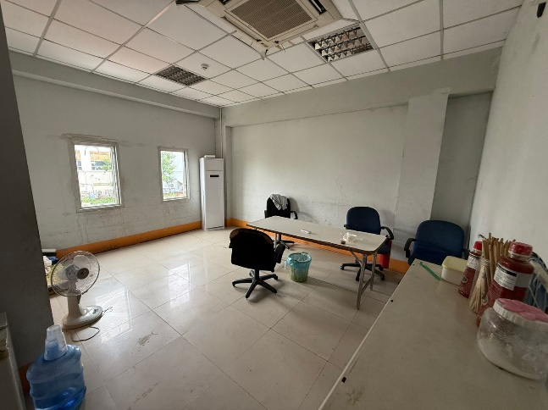 | 82%
 |  | Documents: Put properly | Y
 |  | Floor cleanliness | Y
 |  | Wall cleanliness | N | spider web
 |  | Ceiling cleanliness | Y

 |  |  |  |  |  |  | 82%

5 | Training room | Chairs: Put properly | N | put not properly | 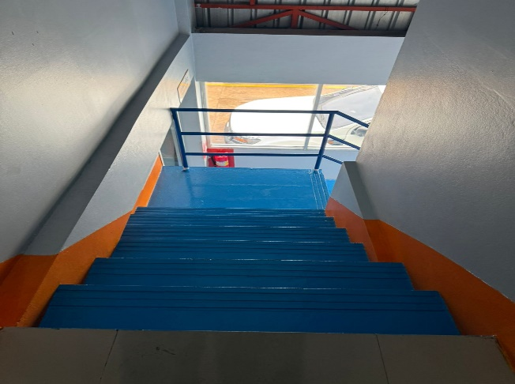 | 54%
 |  | Floor cleanliness | Y
 |  | Wall cleanliness | Y
 |  | Ceiling cleanliness | Y
 |  | Window cleanliness | N | dusty
 |  | Others | N | Being used as a store room

 |  |  |  |  |  |  | 54%

6 | Power room | Fire Extingusher | NA | Under construction | 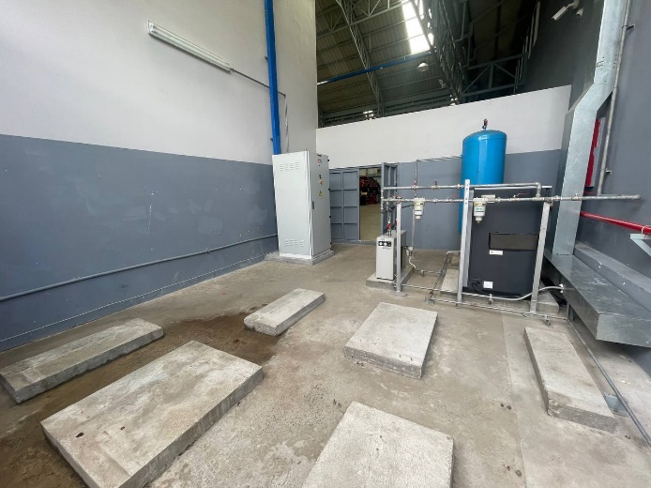 | #DIV/0!
 |  | Floor cleanliness | NA
 |  | Wall cleanliness | NA
 |  | Roof cleanliness | NA
 |  | Others

 |  |  |  |  |  |  | #DIV/0!

Parts, Warranty
xx Branch 5S Checklist: Parts Department, Warranty Room |  |  |  |  | Compliance: | 75%

SL | Location | Description | Y/N | Comments | Picture | Points

1 | Warehouse | Fire Extingusher: Cleanliness/Location | Y |  | 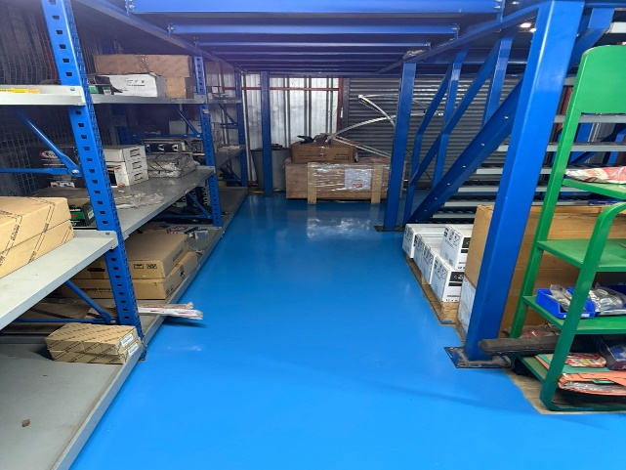 | 91%
 |  | Trolley Jack | Y
 |  | Floor cleanliness | Y
 |  | Wall cleanliness | Y
 |  | Roof cleanliness | Y
 |  | Drinking water | N | Dusty below it, at the back

2 | Oil drum area | Oil drum cleanliness | Y |  | 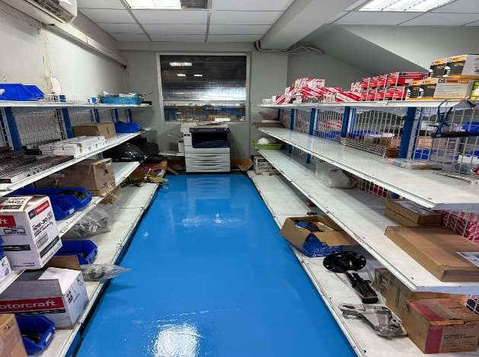 | 80%
 |  | Floor cleanliness | N | oil stain
 |  | Free Oil leaks/Spills | Y
 |  | Wall cleanliness | Y
 |  | Roof cleanliness | Y
 |  | Spill kit:Presence/Cleanliness | Y
 |  | Other | NA
 |  | Trash bin | Y
 |  | Tires | NA | Under construction site

3 | Warehouse | Fire Extingusher: Cleanliness/Location | Y |  | 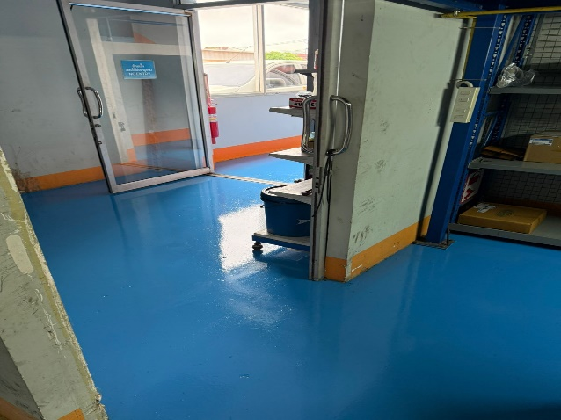 | 61%
 |  | Oil distributor | Y
 |  | Spill kit | Y
 |  | MSDS | Y
 |  | Free of Oil leaks/Spills/Trace | Y
 |  | Floor cleanliness | N | oil trace
 |  | Roof cleanliness | N | water leaking
 |  | Wall cleanliness | N | Stain, paint off
 |  | Oil racks | Y

 |  |  |  |  |  | 116%
4 | Parts Department | Documents:Put properly | Y |  |  | 77%
 |  | Chairs:Placement | Y
 |  | Desk | N | Not well orgarnized
 |  | Dust bin: Placement | Y
 |  | Parts rack:Placement | Y
 |  | Printer | Y
 |  | Floor cleanliness | Y
 |  | Ceiling/Window cleanliness | Y
 |  | Wall cleanliness | N | paint off

5 | Warranty Room | Warranty Part | Y |  |  | 100%
 |  | Warranty label | Y
 |  | Parts organize | Y
 |  | Warranty tires | Y
 |  | Floor cleanliness | Y
 |  | Wall Cleanliness | Y
 |  | Ceiling cleanliness | Y

 |  |  |  |  |  |  | 100%

ESMS-Water Quality
xx Workshop ESMS Checklist (Water Quality) |  |  |  |  | Complaence: | 50%

SL | Location | Description | Y/N | Comments | Picture | Points

1 | Waste oil storage area | Waste oil: In bunded area | N | no have bunded area |  | 4
 |  | Water doesn't mix with spill oil | Y
 |  | Water doesn't go into bunded area | Y
 |  | Spill kit placed near waste oil storage | Y
 |  | MSDS place near waste oil storage | Y
 |  | Used coolant | N | Not have proper place to keep it

2 | Oil Seperator | Fuel from fuel filter disposed properly | Y |  |  | 2
 |  | Maintain oil Separator regularly | N | Oil is in the drainage
 |  | Free from oil spill | Y

3 | Workshop drainages | Connect to oil seperator | Y |  |  | 1

4 | Car washing drainages | Connect to oil seperator | N | Doesn't connect to oil seperator |  | 0

5 | Tools & Equipment | Free of Oil leaks/Spills | N | Oil trace on the tools & Equipment |  | 0

6 | Unit recondition room | Free from oil leak | Y |  |  | 1

7 | Workshop floor | Free from oil leak | N | Oil Spill/traces found |  | 0

8 | Oil distribution area | Free from oil leak | Y |  |  | 3
 |  | Opend oil drum keep in bunded area | N | Not kept in bunded area
 |  | Spill kit placed near used oil drum | Y
 |  | MSDS placed near used oil drum | Y

ESMS-Waste segragation
xx Workshop ESMS Checklist - Waste Segregation |  |  |  |  | Compliance: | 69%

SL | Location | Description | Y/N | Comments | Picture | Points

1 | Waste segragation (Infront of Unit recondition) | Trash bins marked for type of waste | Y |  |  | 4
 |  | Trash: Placement/Cleanliness | Y
 |  | Trash bin sticker condition | Y
 |  | Correct trash placed in the bin | Y

2 | Waste segragation (bay 2) | Trash bins marked for type of waste | Y |  |  | 3
 |  | Trash: Placement/Cleanliness | N | dusty
 |  | Trash bin sticker condition | Y
 |  | Correct trash placed in the bin | Y

3 | Waste segragation (bay 5) | Trash bins marked for type of waste | Y |  |  | 2
 |  | Trash: Placement/Cleanliness | N | Dusty
 |  | Trash bin sticker condition | Y
 |  | Correct trash placed in the bin | N | still mix

4 | Waste segragation (Bay 8) | Trash bins marked for type of waste | Y |  |  | 3
 |  | Trash: Placement/Cleanliness | Y
 |  | Trash bin sticker condition | Y
 |  | Correct trash placed in the bin | N | still mix

5 | Waste segragation (near bay 11) | Trash bins marked for type of waste | Y |  |  | 2
 |  | Trash: Placement/Cleanliness | N | dusty
 |  | Trash bin sticker condition | Y
 |  | Correct trash placed in the bin | N | still mix

6 | Waste segragation (near warehouse) | Trash bins marked for type of waste | Y |  |  | 3
 |  | Trash: Placement/Cleanliness | Y
 |  | Trash bin sticker condition | Y
 |  | Correct trash placed in the bin | N | still mix

