Izveštaj
 | Sample SonarQube Report
 | Aplikacija | RealBookStore
 | Datum | 20.3.2025.

# | Ranjivost/Upozorenje | Dokaz | Rezultat | Komentar
1 | SQL injection | 1 | true positive | searchTerm unosi korisnik
2 | SQL injection | 2 | false positive | bookId je int
3 | SQL injection | 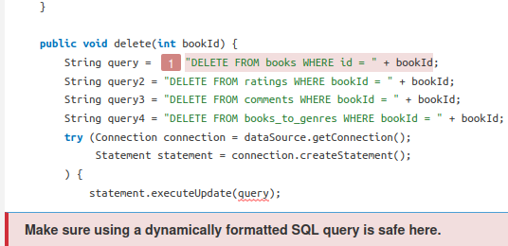 | false positive | bookId je int
4 | SQL injection | 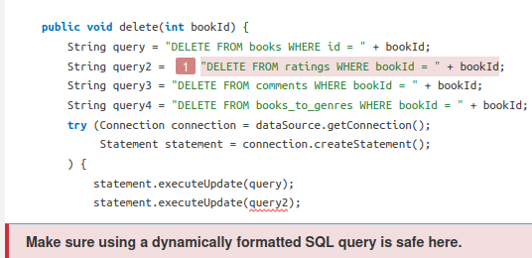 | false positive | bookId je int
 | SQL injection | 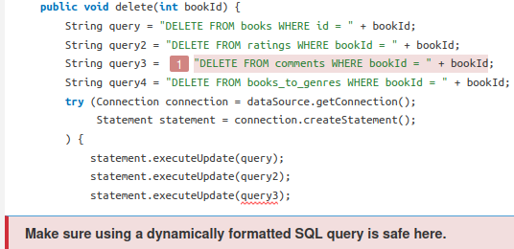 | false positive | bookId je int
 | SQL injection | 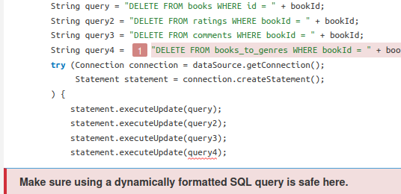 | false positive | bookId je int
 | SQL injection |  | false positive | bookId je int
 | SQL injection |  | false positive | bookId je int
 | SQL injection |  | false positive | roleId je int
 | SQL injection |  | true positive | searchTerm unosi korisnik
 | SQL injection |  | false positive | personId je int
 | SQL injection | 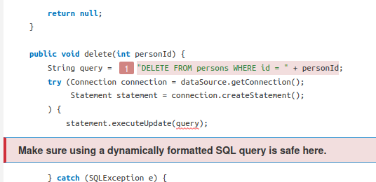 | false positive | personId je int
 | SQL injection |  | false positive | personUpdate.getLastName() i personUpdate.getId() su int
 | SQL injection |  | false positive | rating.getUserId() i rating.getBookId() su int
 | SQL injection |  | false positive | bookId je int
 | SQL injection |  | false positive | userId je int
 | SQL injection |  | true positive | username unosi korisnik
 | SQL injection |  | true positive | username I password unosi korisnik
 | SQL injection | 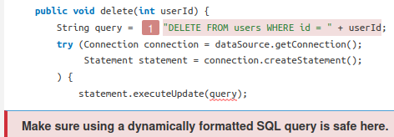 | false positive | userId je int

1
