Izveštaj
 | Sample SonarQube Report
 | Aplikacija | RealBookStore
 | Datum | 28.2.2024.

# | Ranjivost/Upozorenje | Dokaz | Rezultat
1 | SQL injection | 1 | true positive
2 | SQL injection | 2 | true positive
3 | SQL injection | 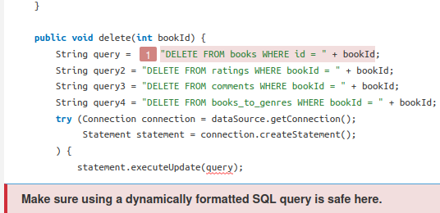 | true positive
4 | SQL injection | 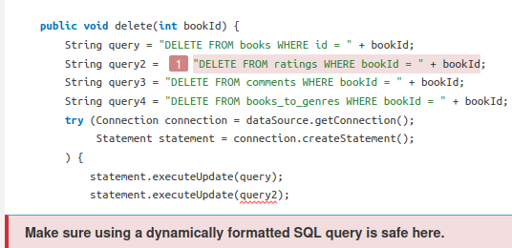 | true positive
 | SQL injection | 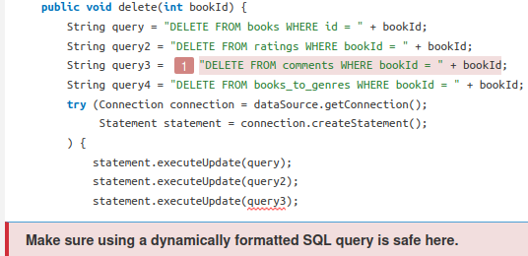 | true positive
 | SQL injection | 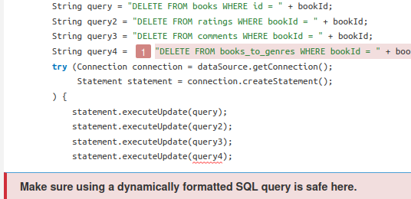 | true positive
 | SQL injection |  | true positive
 | SQL injection |  | true positive
 | SQL injection |  | true positive
 | SQL injection |  | true positive
 | SQL injection |  | true positive
 | SQL injection | 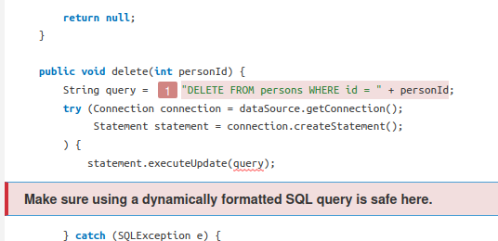 | true positive
 | SQL injection |  | true positive
 | SQL injection |  | true positive
 | SQL injection |  | true positive
 | SQL injection |  | true positive
 | SQL injection |  | true positive
 | SQL injection |  | true positive
 | SQL injection | 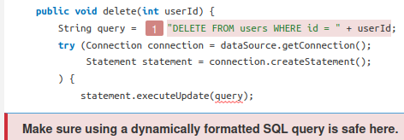 | true positive

1
