Sheet1
SYN FLOOD VERISETI – 31 Dakikalik trafik %25 Saldiri Orani
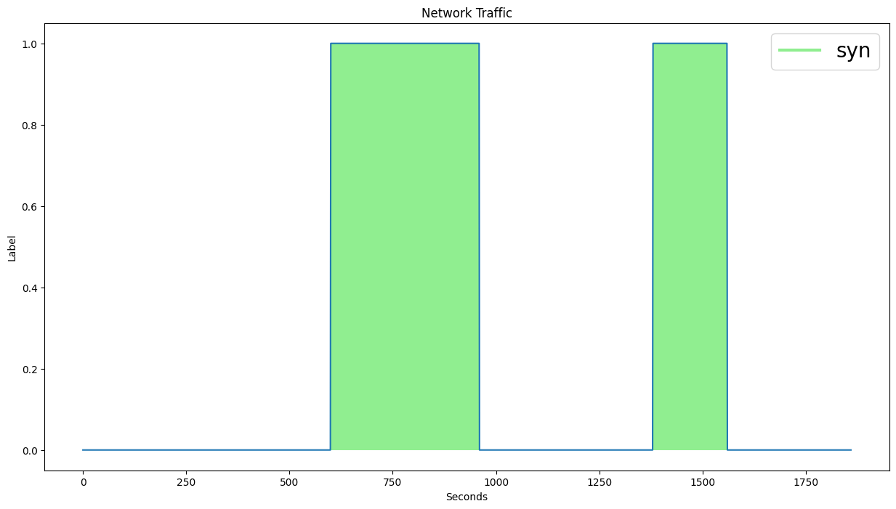

 | ALGORITMA | FEATURE | WINDOW | PARAMETERS | ACCURACY | F1-SCORE
 | MATRIX_PROFILE_THRESHOLD | Bwd Packet Length Min | 10 | TH : 2.0 | 92 | 90
 | MATRIX_PROFILE_PERCENTILE | Bwd Packet Length Min | 20 | P: 70 | 94 | 92
 | MATRIX_PROFILE_IQR | Bwd Packet Length Max | 20 | IQR: 2.0 | 72 | 54
 | MATRIX_PROFILE_ISOLATION_FOREST | Bwd Packet Length Min | 20 | SK: 10 KTS:10 | 73 | 72
 | LMOMS_SKEW_KURTOSIS | Bwd Packet Length Min | 20 | EST:100 CONT:AUTO | 95 | 93

SYN FLOOD + NTP VERISETI - 31 Dakikalik Trafik %25 Saldiri Orani
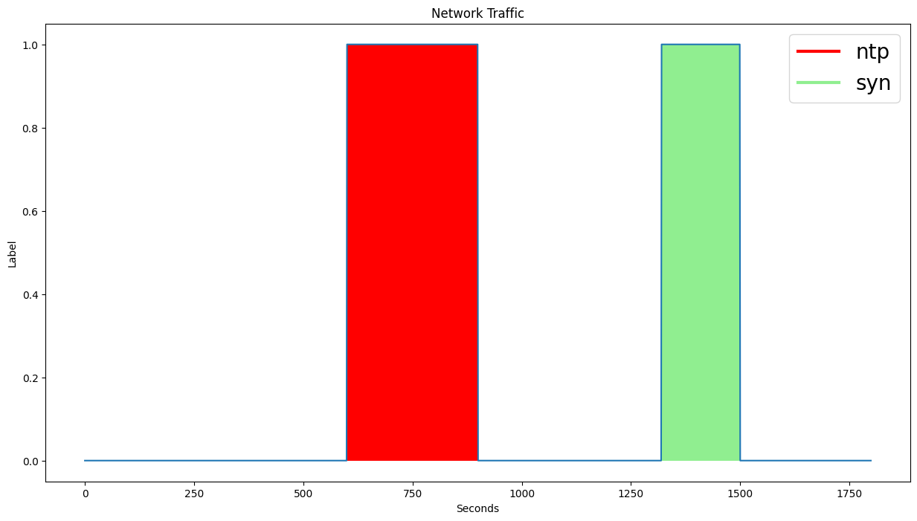

 | ALGORITMA | FEATURE | WINDOW | PARAMETERS | ACCURACY | F1-SCORE
 | MATRIX_PROFILE_THRESHOLD | Bwd Packet Length Min | 10 | TH : 2.0 | 89 | 84
 | MATRIX_PROFILE_PERCENTILE | Flow IAT Min | 20 | P: 75 | 88 | 85
 | MATRIX_PROFILE_IQR | Bwd Packet Length Min | 20 | IQR: 1.0 | 89 | 86
 | MATRIX_PROFILE_ISOLATION_FOREST | Bwd Packet Length Min | 20 | EST:50 CONT:AUTO | 86 | 81
 | LMOMS_SKEW_KURTOSIS | Total Fwd Packets | 20 | SK: 20 KTS:15 | 92 | 90

MIXED VERISETI (SYN, NTP, UDP FLOOD, UDP LAG, LDAP) – 2 Saatlik Trafik %15 Saldiri Orani
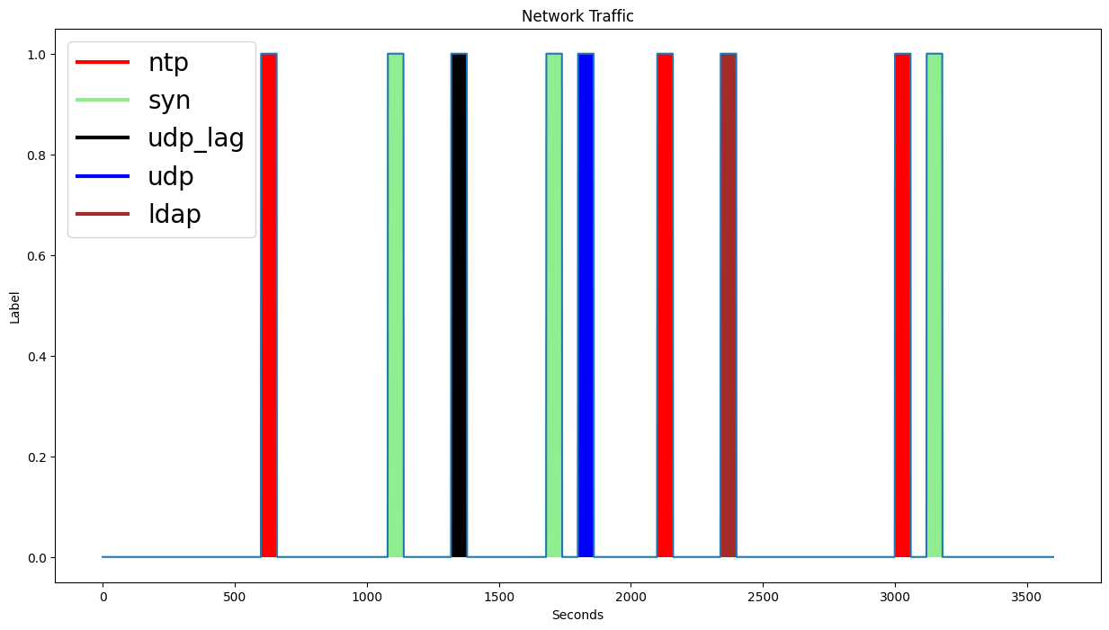

 | ALGORITMA | FEATURE | WINDOW | PARAMETERS | ACCURACY | F1-SCORE
 | MATRIX_PROFILE_THRESHOLD | Bwd Packet Length Min | 10 | TH : 2.0 | 87 | 79
 | MATRIX_PROFILE_PERCENTILE | Bwd Packet Length Min | 20 | P: 85 | 89 | 80
 | MATRIX_PROFILE_IQR | Fwd Packet Length Max | 20 | IQR:2.0 | 88 | 82
 | MATRIX_PROFILE_ISOLATION_FOREST | Fwd Packet Length Max | 20 | EST:50 CONT:0.2 | 88 | 79
 | LMOMS_SKEW_KURTOSIS | Bwd Packet Length Min | 20 | SK: 10 KTS:10 | 89 | 81

Simulation Duration: 27756 Seconds
MP CALCULATION: CLASSIC
MIXED VERISETI (SYN, NTP, UDP FLOOD, UDP LAG, LDAP) – 2 Saatlik Trafik %15 Saldiri Orani |  |  |  |  |  |  | 0 | ' Total Fwd Packets'
Genetic Algorithm | ALGORITMA | FEATURES | WINDOW | PARAMETERS |  | F1-SCORE | 1 | ' Total Backward Packets'
Population Bag Size: 10 | MATRIX_PROFILE_THRESHOLD | 5, 6, 16, 12, 7, 14 | 20 | TH : 2.0 |  | 69 | 2 | ' Total Length of Bwd Packets'
Max Features: 20 | MATRIX_PROFILE_PERCENTILE | 14, 6, 16 | 20 | P: 70 |  | 73 | 3 | ' Fwd Packet Length Min'
Generation Size: 50 | MATRIX_PROFILE_IQR | 14, 19, 0, 18, 13 | 20 | IQR:2.0 |  | 82 | 4 | ' Fwd Packet Length Std'
CostFunction: maximize f1 score |  |  |  |  |  |  | 5 | ' Bwd Packet Length Min'
Crossover Ratio: <= 70 |  |  |  |  |  |  | 6 | ' Bwd Packet Length Std'
Mutation Ratio: <= 50 |  |  |  |  |  |  | 7 | ' Bwd Header Length'
 |  |  |  |  |  |  | 8 | ' Min Packet Length'
 |  |  |  |  |  |  | 9 | ' Packet Length Std'
 |  |  |  |  |  |  | 10 | ' SYN Flag Count'
 |  |  |  |  |  |  | 11 | ' ACK Flag Count'
 |  |  |  |  |  |  | 12 | 'Total Length of Fwd Packets'
 |  |  |  |  |  |  | 13 | ' Fwd Packet Length Max'
 |  |  |  |  |  |  | 14 | ' Fwd Packet Length Mean'
 |  |  |  |  |  |  | 15 | 'Bwd Packet Length Max'
 |  |  |  |  |  |  | 16 | ' Bwd Packet Length Mean'
 |  |  |  |  |  |  | 17 | ' Fwd Header Length'
 |  |  |  |  |  |  | 18 | 'Fwd Packets/s'
 |  |  |  |  |  |  | 19 | ' Max Packet Length'
 |  |  |  |  |  |  | 20 | ' Packet Length Variance'
 |  |  |  |  |  |  | 21 | ' RST Flag Count'
 |  |  |  |  |  |  | 22 | ' Bwd Packets/s'
 |  |  |  |  |  |  | 23 | ' Packet Length Mean'
 |  |  |  |  |  |  | 24 | 'FIN Flag Count'
 |  |  |  |  |  |  | 25 | ' PSH Flag Count'

Simulation Duration: 1200 Seconds
MP CALCULATION: NOT CLASSIC
MIXED VERISETI (SYN, NTP, UDP FLOOD, UDP LAG, LDAP) – 2 Saatlik Trafik %15 Saldiri Orani |  |  |  |  |  |  | 0 | ' Total Fwd Packets'
Genetic Algorithm | ALGORITMA | FEATURES | WINDOW | PARAMETERS |  | F1-SCORE | 1 | ' Total Backward Packets'
Population Bag Size: 10 | MATRIX_PROFILE_THRESHOLD | 11, 19, 1, 3, 9, 5 | 20 | TH : 2.0 |  | 85 | 2 | ' Total Length of Bwd Packets'
Max Features: 25 | MATRIX_PROFILE_PERCENTILE | 9, 6, 5 | 20 | P: 70 |  | 82 | 3 | ' Fwd Packet Length Min'
Generation Size: 500 | MATRIX_PROFILE_IQR | 14, 19, 0, 18, 13 | 20 | IQR:2.0 |  | 89 | 4 | ' Fwd Packet Length Std'
CostFunction: maximize f1 score | MATRIX_PROFILE_ISOLATION_FOREST |  |  | SK: 10 KTS:10 |  |  | 5 | ' Bwd Packet Length Min'
Crossover Ratio: <= 70 |  |  |  |  |  |  | 6 | ' Bwd Packet Length Std'
Mutation Ratio: <= 50 |  |  |  |  |  |  | 7 | ' Bwd Header Length'
 |  |  |  |  |  |  | 8 | ' Min Packet Length'
 |  |  |  |  |  |  | 9 | ' Packet Length Std'
 |  |  |  |  |  |  | 10 | ' SYN Flag Count'
 |  |  |  |  |  |  | 11 | ' ACK Flag Count'
 |  |  |  |  |  |  | 12 | 'Total Length of Fwd Packets'
 |  |  |  |  |  |  | 13 | ' Fwd Packet Length Max'
 |  |  |  |  |  |  | 14 | ' Fwd Packet Length Mean'
 |  |  |  |  |  |  | 15 | 'Bwd Packet Length Max'
 |  |  |  |  |  |  | 16 | ' Bwd Packet Length Mean'
 |  |  |  |  |  |  | 17 | ' Fwd Header Length'
 |  |  |  |  |  |  | 18 | 'Fwd Packets/s'
 |  |  |  |  |  |  | 19 | ' Max Packet Length'
 |  |  |  |  |  |  | 20 | ' Packet Length Variance'
 |  |  |  |  |  |  | 21 | ' RST Flag Count'
 |  |  |  |  |  |  | 22 | ' Bwd Packets/s'
 |  |  |  |  |  |  | 23 | ' Packet Length Mean'
 |  |  |  |  |  |  | 24 | 'FIN Flag Count'
 |  |  |  |  |  |  | 25 | ' PSH Flag Count'

UNBW EXPLOIT (ZERO_DAY) ATTACK DATASET

Ataklar saniye cinsinden degil FLOW Based

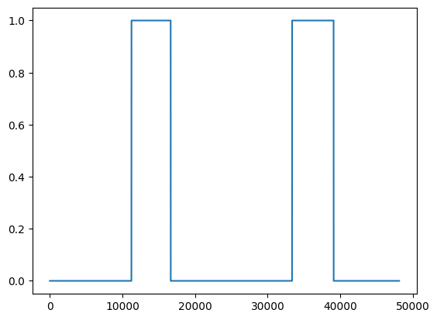
 | ALGORITMA | FEATURE | WINDOW | PARAMETERS | ACCURACY | F1-SCORE
 | MATRIX_PROFILE_THRESHOLD | dijt/sinpkt | 100 | TH : 2.0 | 77 | 60
 | MATRIX_PROFILE_PERCENTILE | response_body_len ct_dst_sport_ltm | 100 | Percentile:70 | 76 | 60
 | MATRIX_PROFILE_IQR | sload/dload | 100 | Iqr:1.0 | 76 | 52
 | MATRIX_PROFILE_ISOLATION_FOREST | response_body_len | 100 | Nest:100 cont: 0.2 | 83 | 75
 | LMOMS_SKEW_KURTOSIS | ct_srv_dst | 100 | Sk: 10 kts: 10 | 71 | 61

