Sheet1
SYN FLOOD VERISETI – 31 Dakikalik trafik %25 Saldiri Orani
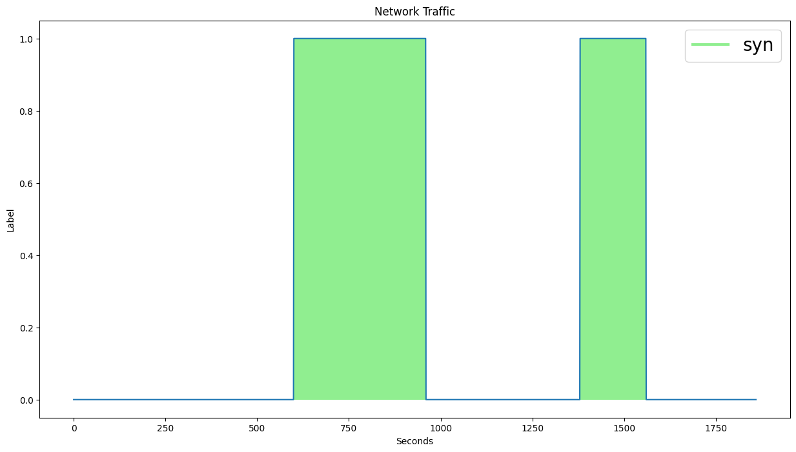

 | ALGORITMA | FEATURE | WINDOW | PARAMETERS | ACCURACY | F1-SCORE
 | MATRIX_PROFILE_THRESHOLD | Bwd Packet Length Min | 10 | TH : 2.0 | 93 | 90
 | MATRIX_PROFILE_PERCENTILE | Bwd Packet Length Min | 20 | P: 70 | 96 | 94
 | MATRIX_PROFILE_IQR | Bwd Packet Length Max | 20 | IQR: 2.0 | 72 | 30
 | LMOMS_SKEW_KURTOSIS | Bwd Packet Length Min | 20 | SK: 10 KTS:10 | 96 | 94

SYN FLOOD + NTP VERISETI - 31 Dakikalik Trafik %25 Saldiri Orani
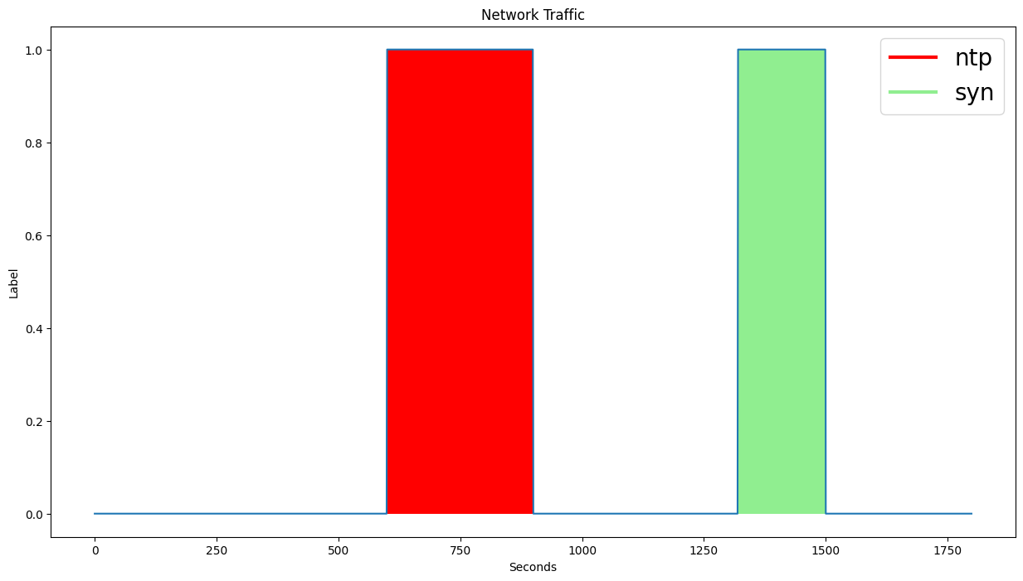

 | ALGORITMA | FEATURE | WINDOW | PARAMETERS | ACCURACY | F1-SCORE
 | MATRIX_PROFILE_THRESHOLD | Bwd Packet Length Min | 10 | TH : 2.0 | 89 | 81
 | MATRIX_PROFILE_PERCENTILE | Flow IAT Min | 20 | P: 75 | 89 | 81
 | MATRIX_PROFILE_IQR | Bwd Packet Length Min | 20 | IQR: 1.0 | 90 | 80
 | LMOMS_SKEW_KURTOSIS | Total Fwd Packets | 20 | SK: 20 KTS:15 | 93 | 87

MIXED VERISETI (SYN, NTP, UDP FLOOD, UDP LAG, LDAP) – 2 Saatlik Trafik %15 Saldiri Orani
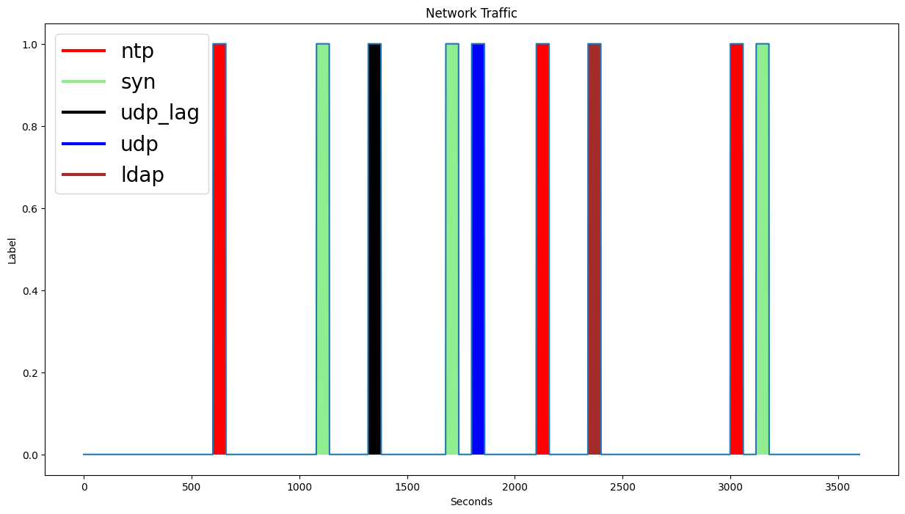

 | ALGORITMA | FEATURE | WINDOW | PARAMETERS | ACCURACY | F1-SCORE
 | MATRIX_PROFILE_THRESHOLD | Bwd Packet Length Min | 10 | TH : 2.0 | 89 | 74
 | MATRIX_PROFILE_PERCENTILE | Bwd Packet Length Min | 20 | P: 85 | 90 | 70
 | MATRIX_PROFILE_IQR | Fwd Packet Length Max | 20 | IQR:2.0 | 89 | 69
 | LMOMS_SKEW_KURTOSIS | Bwd Packet Length Min | 20 | SK: 10 KTS:10 | 90 | 70

