Entropy
Id | Evaluacion | Proyectos | Satisfacción | Renucia |  | SI | NO | H(pv, nv)
1001 | Alta | [1-2] | Poco_satisfecho | SI | Alta | 2 | 1 | H(p_v=Alta, n_v=Alta) | 0.91829583405
1002 | Media | [3-4] | Apenas_satisfecho | NO | Baja | 1 | 1 | H(p_v=Baja, n_v=Baja) | 1
1003 | Media | [5-6] | Insatisfecho | SI | Media | 2 | 2 | H(p_v=Media, n_v=Media) | 1
1004 | Alta | [1-2] | Poco_satisfecho | NO |  |  |  | E(Evaluacion) | 0.97276527802 | Ganancia(Evaluacion) | 0.01831078182
1005 | Media | [3-4] | Apenas_satisfecho | SI
1006 | Baja | [5-6] | Insatisfecho | NO |  | SI | NO | H(pv, nv)
1007 | Alta | [1-2] | Poco_satisfecho | SI | [1-2] | 2 | 1 | H(p_v=[1-2], n_v=[1-2]) | 0.91829583405
1008 | Media | [3-4] | Apenas_satisfecho | NO | [3-4] | 1 | 2 | H(p_v=[3-4], n_v=[3-4]) | 0.91829583405
1009 | Baja | [5-6] | Insatisfecho | SI | [5-6] | 2 | 1 | H(p_v=[5-6], n_v=[5-6]) | 0.91829583405
 |  |  |  |  |  |  |  | E(Proyectos) | 0.91829583405 | Ganancia(Proyectos) | 0.072780225784

 |  |  |  |  |  | SI | NO | H(pv, nv)
SI | 5 |  |  |  | Poco | 2 | 1 | H(p_v=Poco, n_v=Poco) | 0.91829583405
NO | 4 |  |  |  | Apenas | 100 | 1 | H(p_v=Apenas, n_v=Apenas) | 0.080136047331
H(SI, NO) | 0.99107605984 |  |  |  | Insatisfecho | 2 | 1 | H(p_v=Insat, n_v=Insat) | 0.91829583405
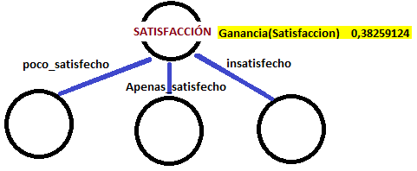
 |  |  |  |  |  |  |  | E(Satisfaccion) | 0.12713566154 | Ganancia(Satisfaccion) | 0.8639403983

