Model type summaries
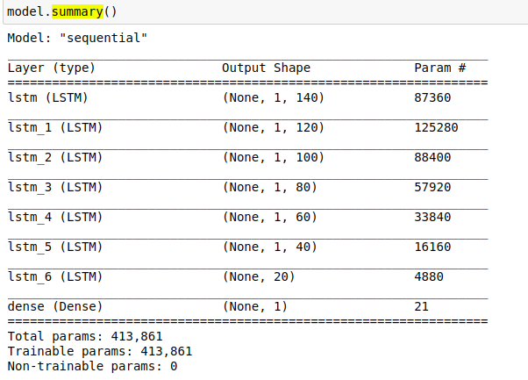
Model 1 | Train data | Test data
 | ANT-1.3 train | ANT-1.4 test
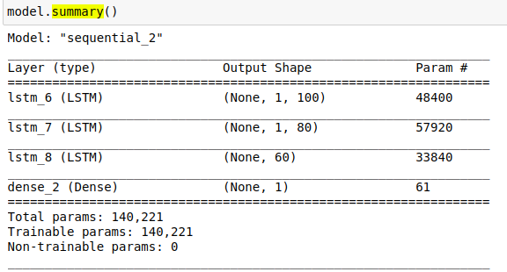

Model 2 | Train data | Test data
 | ANT-1.3 train | ANT-1.4 test
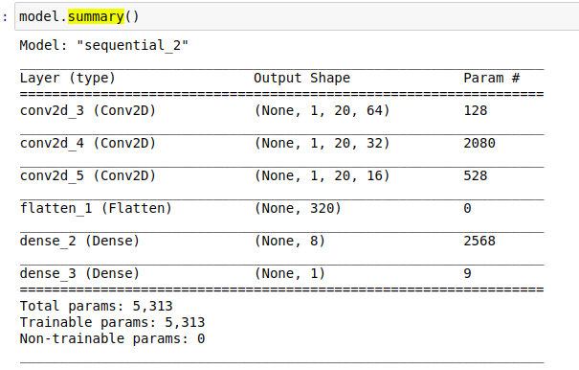

Model 3 | Train data | Test data
 | ANT-1.3 train | ANT-1.4 test
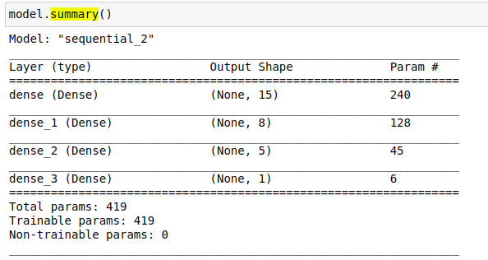

Model 4 | Train data | Test data
 | ANT-1.3 train | ANT-1.4 test
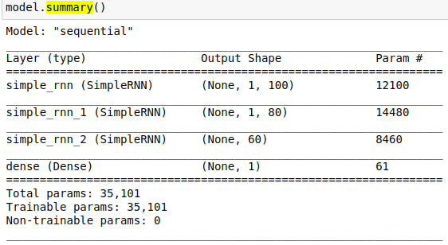

Model 5 | Train data | Test data
 | ANT-1.3 train | ANT-1.4 test
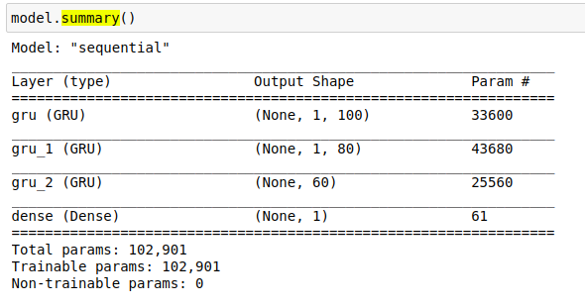

Model 6 | Train data | Test data
 | ANT-1.3 train | ANT-1.4 test

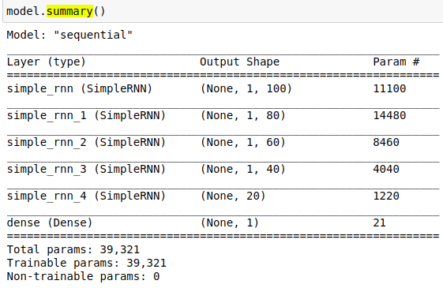

Model 7 | Train data | Test data
 | ANT-1.3 train | ANT-1.4 test
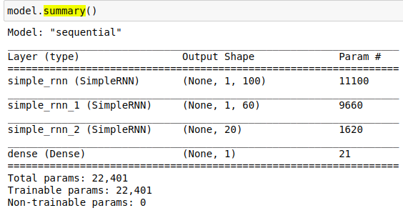

Model 8 | Train data | Test data
 | ANT-1.3 train | ANT-1.4 test
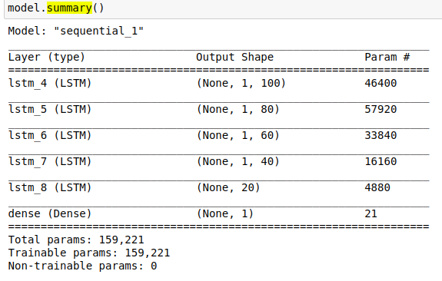

Model 9 | Train data | Test data
 | ANT-1.3 train | ANT-1.4 test

