Growth Projection
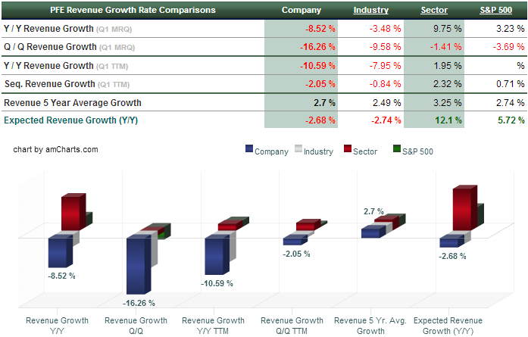

● | Growth rate of 5% is aggressive.
● | We expect earnings to grow 4% in the long term, 1% in years 2013, 2014 and 2015
● | We believe Pfizer will face some hurdels in the near term with Lipitor sales declining from $9B to $3B
● | By itself, the cholesterol drug lost 59% of its worldwide sales--and 81% in the U.S. From $9.577 billion in 2011, Lipitor faded to $3.948 in 2012.
● | Primary care sales dropped 31% to $15.558 billion
● | Last year (2012) was Pfizer's first full year with generic competition for its biggest all-time seller, Lipitor. Overall, pharma sales dropped 8.8%.

● | Healthcare sector grew above market average, while Major Drugs industry and Pfizer Inc. results underperformed, in the first quarter.
● | Major Drugs industry saw Revenue decrease just by -3.48%, Pfizer announced -8.52% year on year sales decline in the first quarter, to $ 11.35 billions, and underperformed the 9.75% Revenue growth in the Healthcare sector.

● | Comparing company's Revenue to the forth quarter results, sales were lower by -16.26% . On the annual basis, average annual sales growth for Pfizer is 2.7%, while S & P 500's including only Businesses with the first quarter Results, average yearly sales growth is 2.74% over the past five years.

● | Pfizer's results show that shrinkage can be a positive thing. After all, the market loves the fact that Pfizer sold off its nutrition business, and that it's spinning off its animal health operation, Zoetis, beginning with an IPO at the end of this week. Indeed, analysts would like to see CEO Ian Read continue hiving off divisions--namely consumer health and generics. They pounce on any hints to that effect.

● | Pfizer can highlight its newer products: Lyrica, with 13% growth worldwide to $4.158 billion. Prevnar/Prevenar 13, with 2% growth to $3.718 billion.Sutent, with 4% growth to $1.236 billion. And so on. More importantly, perhaps, it can cite the newly approved Eliquis, which promises to become the anticoagulant to beat, and Xeljanz, a first-in-class rheumatoid arthritis remedy. Maybe these will help reverse Pfizer's pharma sales decline.

 | http://www.fiercepharma.com/press-releases/pfizer-reports-fourth-quarter-and-full-year-2012-results-provides-2013-fina

