R1 Home
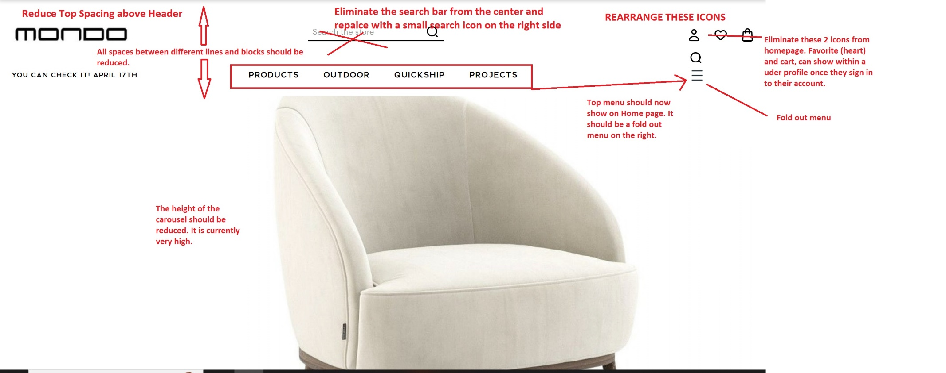
 |  | The search bar function should be able
 |  | to allow misspellings, and to provide
 |  | keyword filtering.

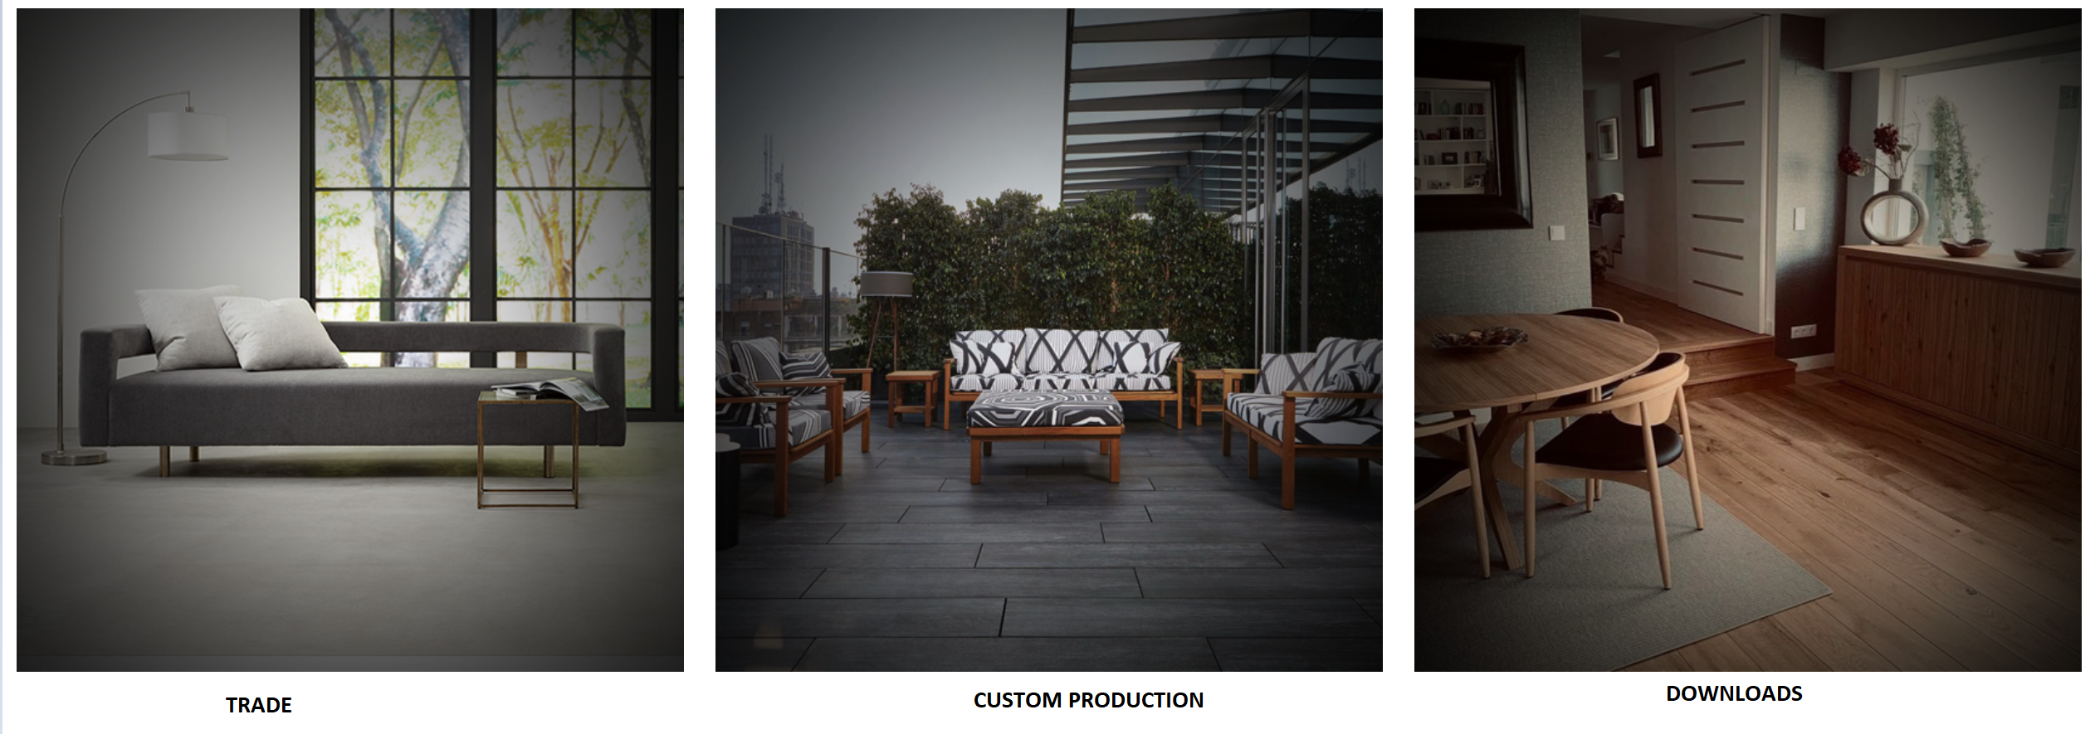

 | Download page is for signed in members only
 | this should direct people to sign in or create an account
Add the brands column to the footer | This page will include
 |  | Catalogs

Eliminate this widget

Products Page
 |  | Eliminate the gradian color. Make it solid black
 |  | This bar should be thinner. It is too high

 |  | Space should be reduced

 |  | the grey quares should be thinner. They are too high.
 |  | They should be around 1/3 of what is showing now

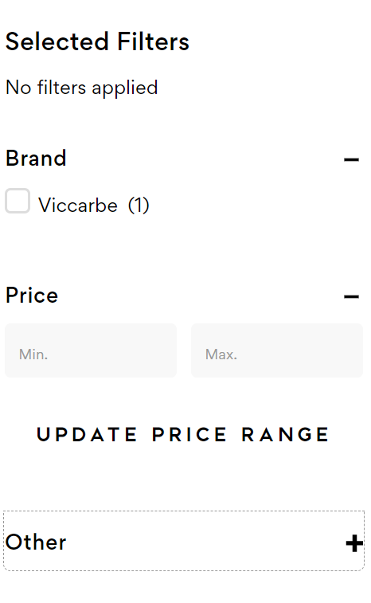
 |  | Change the word "Sale" to "Bulk Pricing"
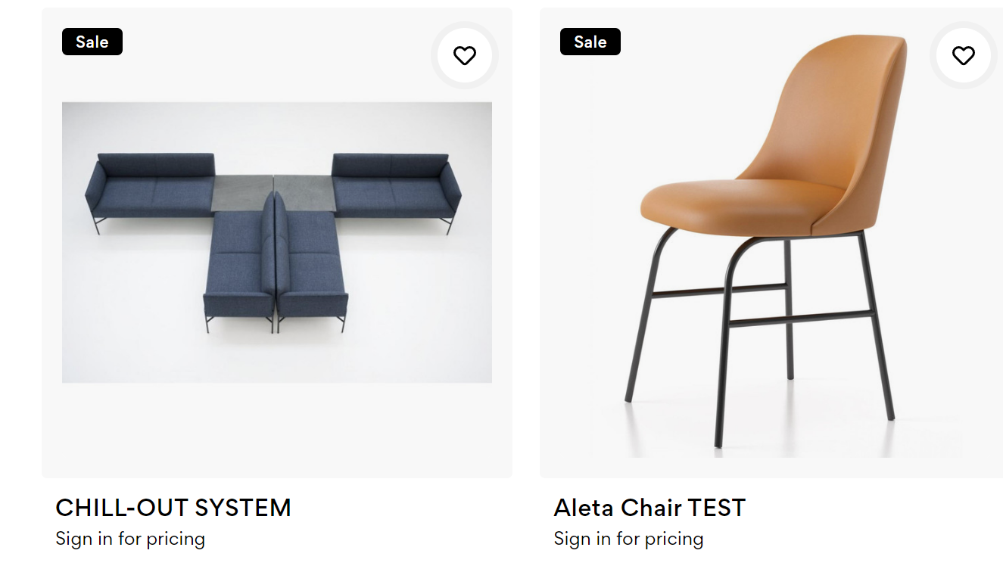

Prices should show only when a client signs in to their account.
Keep the searching by pricing invisible from the website for now.
Hide the brands filer
For the General products page use the filter set

On the general products page, the filters should be as follows:
Clients can select only one option.

 | Armchair
 | Side Chair
 | Conference Chair
 | Exectuive Chair
 | Sofa
 | Modular Sofa
 | Lounge Chair
 | Armchair
 | Foot Stool
 | Pouf
 | Bench
 | Bar Stool
 | Counter Stool
 | Dining Table
 | Cofee Table
 | Side Table
 | High Table
 | Conference Table
 | Desk
 | Console
 | Cabinets
 | Sideboard
 | Dresser
 | Bar
 | Shelving
 | Media
 | Filing
 | Mirrors
 | Dividers

Product Quickview
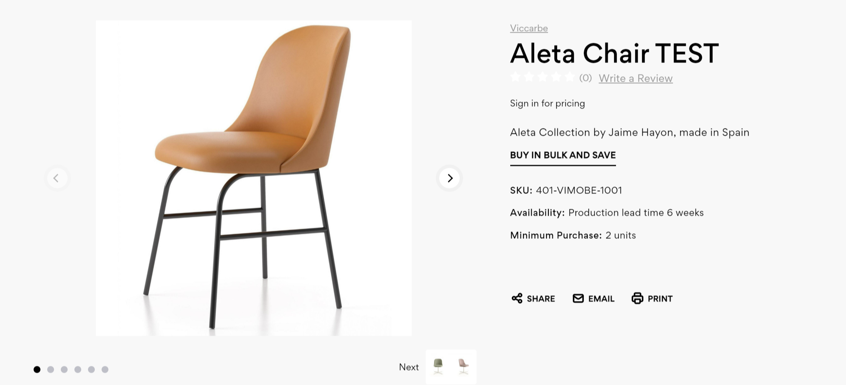
Eliminate brand name
Make background white
Eliminate the stars and the write review line

Product entry
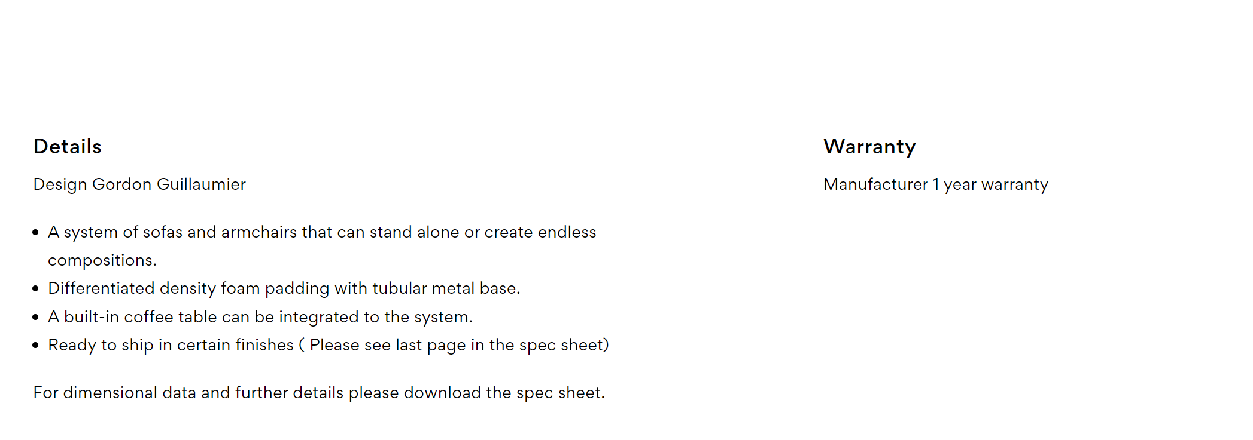
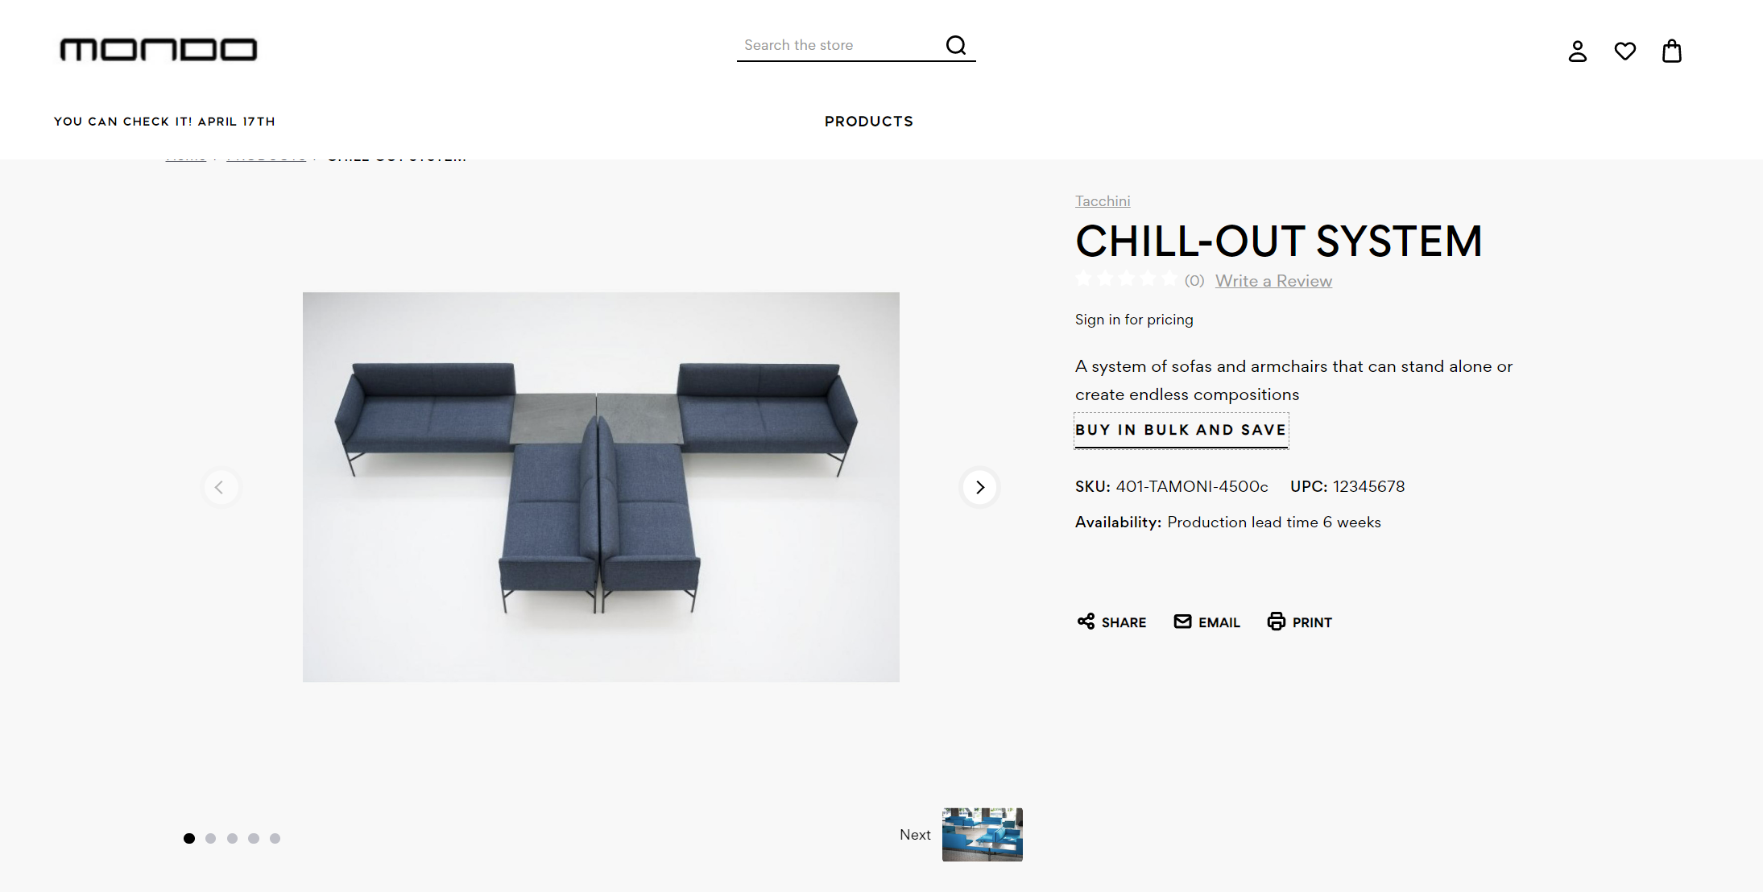

Eliminate brand name
Make background white
Eliminate the stars and the write review line
We need to be able to upload PDF files to each product
We need the product with the 3D visualization to be included here. Where will it be?

Breadcrum on top is not showing. Spaces should be cleaned and reduced.
Search bar, top menu, sign in, heart, and cart, should all be modified to reflect the same changes on
on the home page.

Spaces between sections should be as minimal as possible. There are too many spaces vertically.

Contact Us
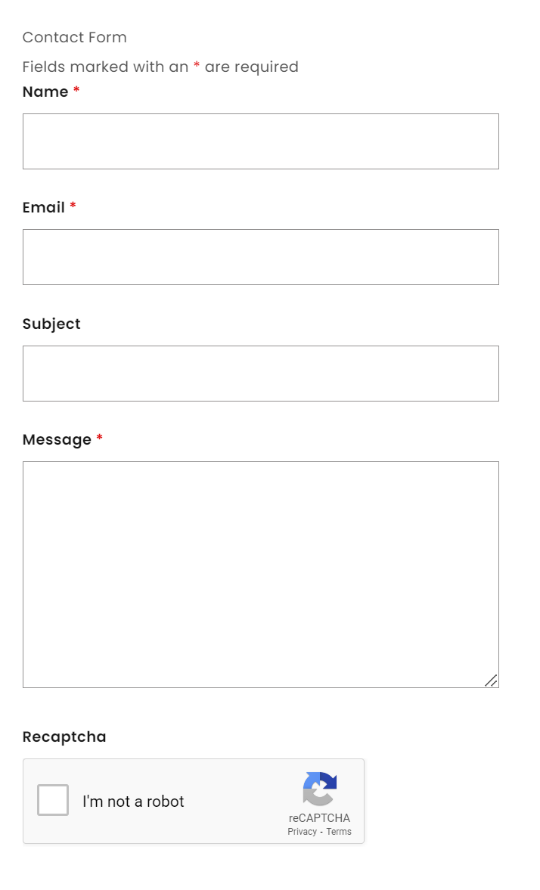
Contact Us

 | Company Name | *

Trade Account
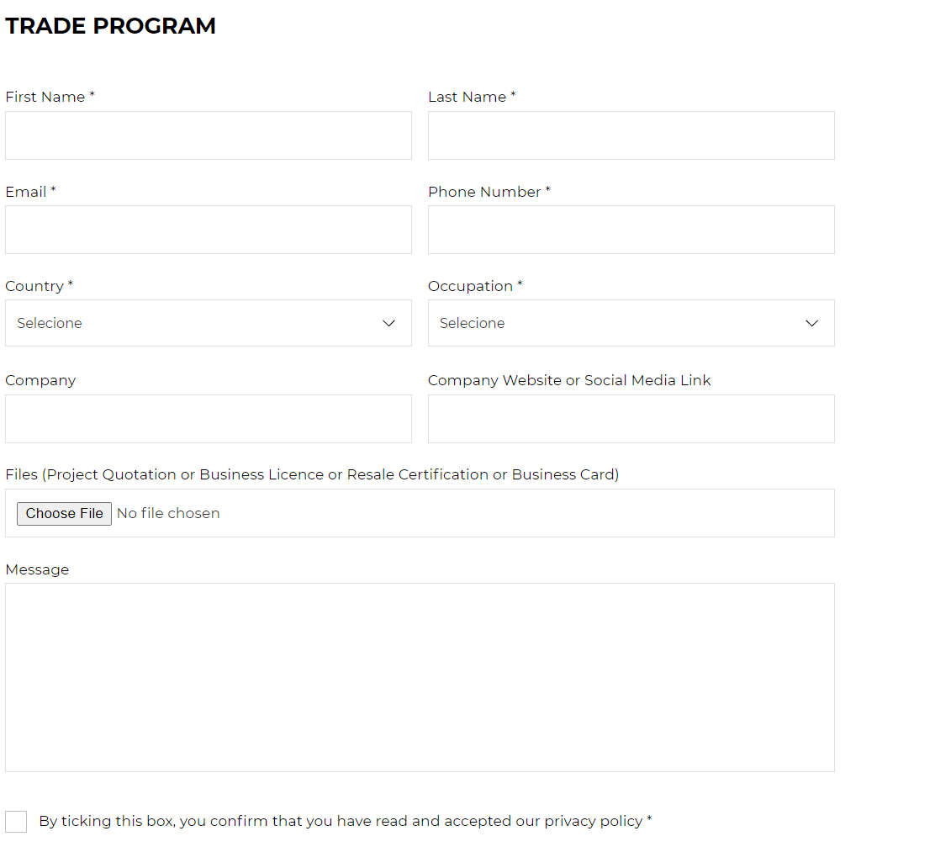

 |  | Add username and password

 |  | Company name is required

 |  | For files, change to: EIN registration or Resale Certificate

Project Pricing Request | link to Project RFQ

Product page
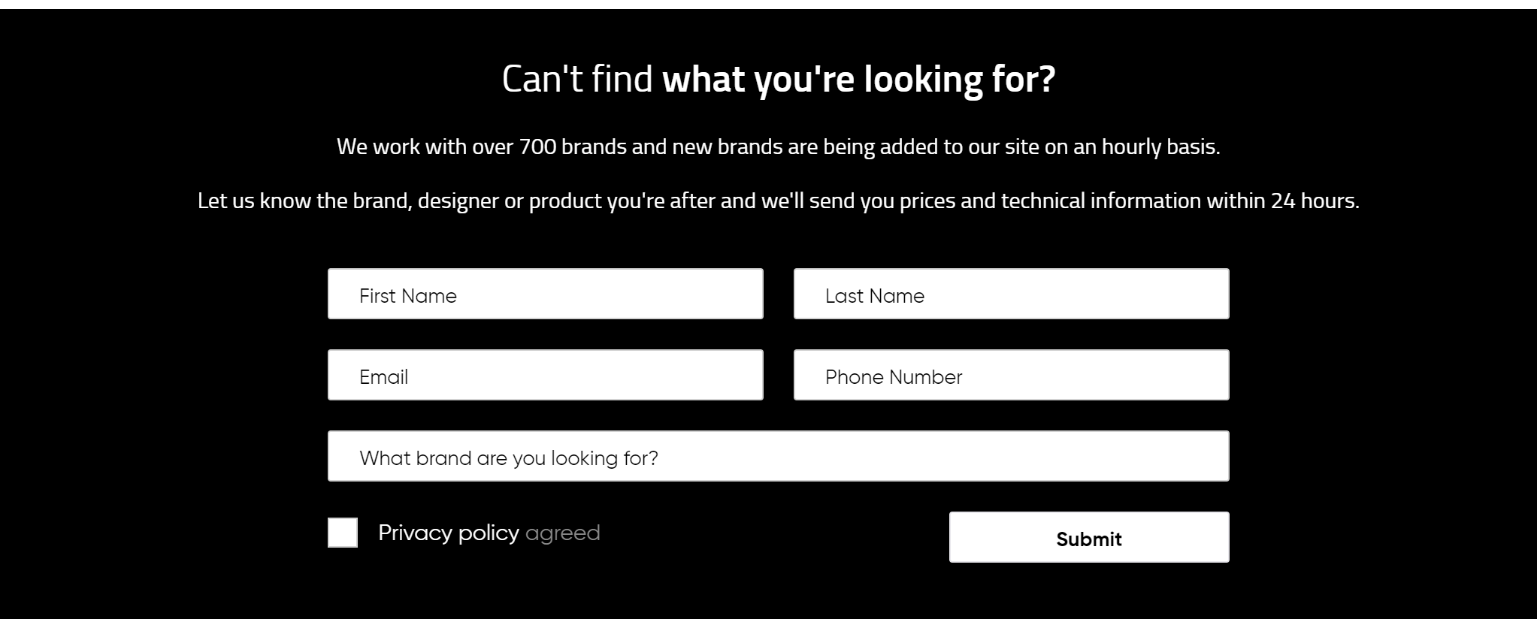
Depends on Theme selected. We want to put in the information and to have the option to add a PDF or not
The page itself can be printed as a pdf spec sheet.

At the bottom of all the product pages

