Twin_Calibrate
Twin calibration vs utility bills (G14)
Run geo_b100_dual_ahu_shape_ops11 · elec NMBE -2.63% CV 14.77% · gas NMBE -0.19% CV 14.98% · g14_pass=True

Electricity — bill vs Twin (kWh)
Gate
fuel | NMBE_% | CVRMSE_% | pass_|NMBE|≤5 | pass_CV≤15 | pass
elec | -2.629 | 14.77 | TRUE | TRUE | TRUE
gas | -0.193 | 14.976 | TRUE | TRUE | TRUE

Monthly modeled vs actual (±%)
month | bill_kwh | sim_kwh | elec_delta_pct | bill_therms | sim_therms | gas_delta_pct
2024-12 | 85928.5 | 86626.6 | 0.8 | 5956.5 | 7097.8 | 19.2
2025-01 | 103446 | 88115.3 | -14.8 | 8540.7 | 9723 | 13.8
2025-02 | 104909 | 83904.7 | -20 | 11715 | 10762.4 | -8.1
2025-03 | 102966.5 | 118696.1 | 15.3 | 8158.1 | 7034.9 | -13.8
2025-04 | 100089.5 | 123688.9 | 23.6 | 6226.1 | 5656.8 | -9.1
2025-05 | 116623.5 | 142731.1 | 22.4 | 3676.2 | 3988.2 | 8.5
2025-06 | 127603 | 149463.4 | 17.1 | 2634 | 2308.6 | -12.4
2025-07 | 170033.5 | 161823.7 | -4.8 | 1141.7 | 1199.6 | 5.1
2025-08 | 174594 | 186235 | 6.7 | 807.8 | 852.6 | 5.5
Gas — bill vs Twin (therms)
2025-09 | 127799 | 140712.7 | 10.1 | 2059.5 | 2111.9 | 2.5
2025-10 | 140577.5 | 133842.9 | -4.8 | 1517.1 | 1450 | -4.4
2025-11 | 109879 | 87112.9 | -20.7 | 4412.4 | 4769 | 8.1

Building massing (IDF footprint)
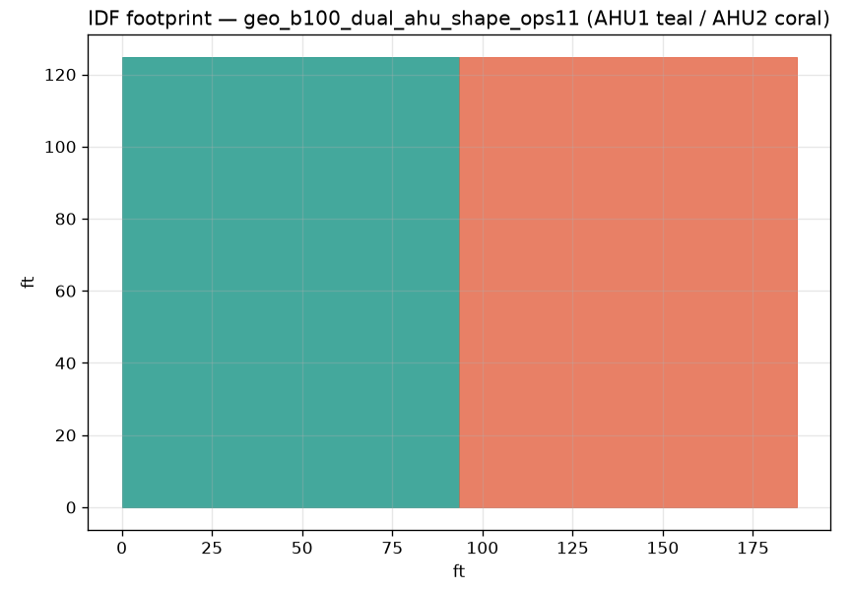

Monthly ±% (sim − bill) / bill

Note: 2D footprint from Floor surfaces. Studio Twin 3D Plotly massing is not embedded (kaleido not in vibe20 tip) — see BUG_REPORT ENH-XLSX-MASSING-3D.

