收支账单
日期 | 类型 | 金额 | 一级分类 | 二级分类 | 账户1 | 账户2 | 备注 | 货币 | 标签 | 账本 | 位置 | 退款 | 优惠 | 手续费 | 图片链接1 | 图片链接2 | 图片链接3 | 图片附件1 | 图片附件2 | 图片附件3
2025/04/07 18:35:32 | 已报销 | 23.03 | 报销流出 |  |  |  |  | CNY |  | 公司4月报销 |  |  |  |  | http://imgcdn.icostapp.com/7ff3a46f55f923f5c9f272cefecf275c.heic?imageView2/0/format/jpg&e=1745984120&token=HZjV97Gx8U62ghyVqGBJD4r2ZfWYvxFaAluS_mU3:HgFKjMttN8yxehQZS4PFcgomeOM= |  |  | 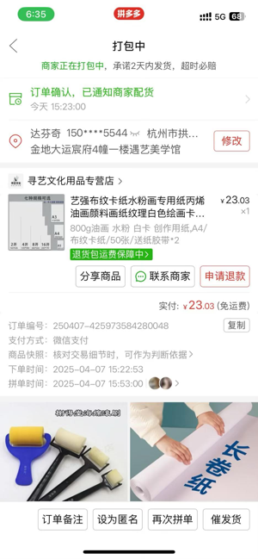
2025/04/07 18:36:31 | 已报销 | 6 | 报销流出 |  |  |  |  | CNY |  | 公司4月报销 |  |  |  |  | http://imgcdn.icostapp.com/14e088c3ed35f7b0b059533d4b6ee657.heic?imageView2/0/format/jpg&e=1745984120&token=HZjV97Gx8U62ghyVqGBJD4r2ZfWYvxFaAluS_mU3:IEgFc-kvqruG3PDLIAGGIebxpUo= |  |  | 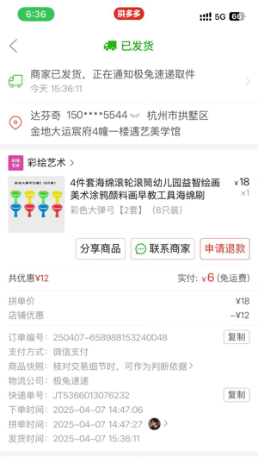
2025/04/07 21:32:41 | 已报销 | 22 | 报销流出 |  |  |  |  | CNY |  | 公司4月报销 |  |  |  |  | http://imgcdn.icostapp.com/983d5a434b116f230d2d5d5c426ae25c.heic?imageView2/0/format/jpg&e=1745984120&token=HZjV97Gx8U62ghyVqGBJD4r2ZfWYvxFaAluS_mU3:r5_FWr2HYbH3n5Jb_DvWSWuFuPE= |  |  | 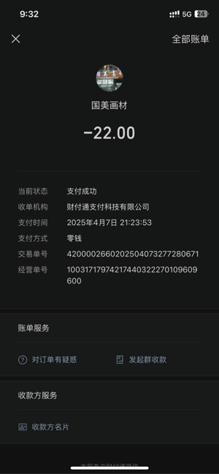
2025/04/08 15:06:31 | 已报销 | 49.2 | 报销流出 |  |  |  |  | CNY |  | 公司4月报销 |  |  |  |  | http://imgcdn.icostapp.com/86e2e09575bbe5f1d83458047be5c89b.heic?imageView2/0/format/jpg&e=1745984120&token=HZjV97Gx8U62ghyVqGBJD4r2ZfWYvxFaAluS_mU3:DcPY4YRd8abx3YPiWypHMa4ah5A= |  |  | 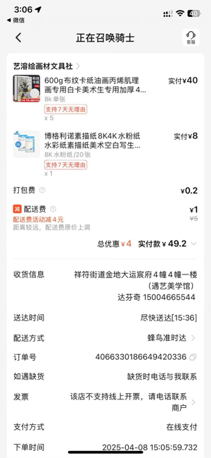
2025/04/09 12:30:02 | 已报销 | 95 | 报销流出 |  |  |  |  | CNY |  | 公司4月报销 |  |  |  |  | http://imgcdn.icostapp.com/8c14efb417cb345fce41e2dcd53da5c8.heic?imageView2/0/format/jpg&e=1745984120&token=HZjV97Gx8U62ghyVqGBJD4r2ZfWYvxFaAluS_mU3:2MRrwbdM2DgXJ3RjkVnSah4Ta9A= |  |  | 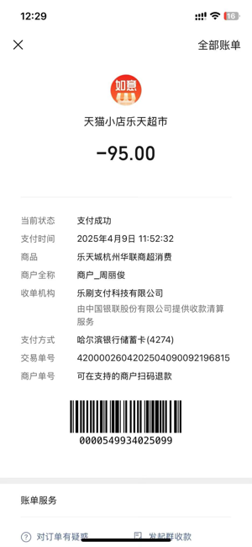
2025/04/09 14:42:44 | 已报销 | 6 | 报销流出 |  |  |  |  | CNY |  | 公司4月报销 |  |  |  |  | http://imgcdn.icostapp.com/f4e09f7257fc3737c7bf4b353e1bb92c.heic?imageView2/0/format/jpg&e=1745984120&token=HZjV97Gx8U62ghyVqGBJD4r2ZfWYvxFaAluS_mU3:lGMMJdCRGgV0YF7xa4uA1Ivx9OQ= |  |  | 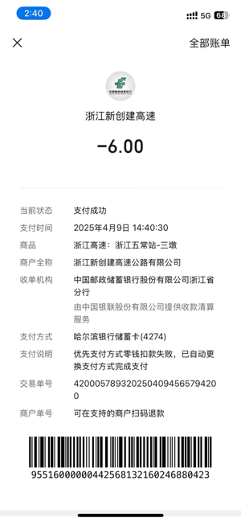
2025/04/09 14:58:05 | 已报销 | 6.5 | 报销流出 |  |  |  |  | CNY |  | 公司4月报销 |  |  |  |  | http://imgcdn.icostapp.com/dd08580618b764974891686e1945c13a.heic?imageView2/0/format/jpg&e=1745984120&token=HZjV97Gx8U62ghyVqGBJD4r2ZfWYvxFaAluS_mU3:iW8J6M03XWhvTBZYo4bhBkiK_8o= |  |  | 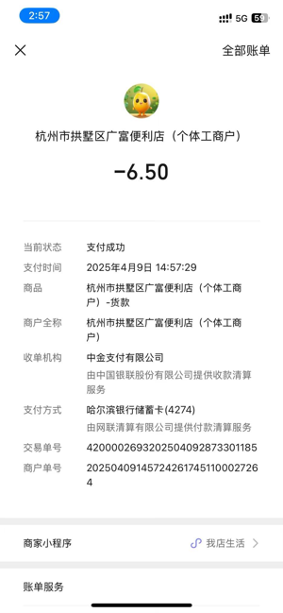
2025/04/09 14:59:18 | 已报销 | 28.8 | 报销流出 |  |  |  |  | CNY |  | 公司4月报销 |  |  |  |  | http://imgcdn.icostapp.com/bb216a46684daea8c208d798bb0112f5.heic?imageView2/0/format/jpg&e=1745984120&token=HZjV97Gx8U62ghyVqGBJD4r2ZfWYvxFaAluS_mU3:8ApdZN1Mr4jZPs6hYyiyeJ0AuyU= |  |  | 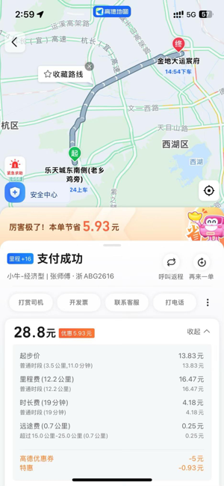
2025/04/11 13:14:52 | 已报销 | 137.6 | 报销流出 |  |  |  |  | CNY |  | 公司4月报销 |  |  |  |  | http://imgcdn.icostapp.com/569ca250033e09a28809d052a45f4c38.heic?imageView2/0/format/jpg&e=1745984120&token=HZjV97Gx8U62ghyVqGBJD4r2ZfWYvxFaAluS_mU3:UbF52jX5NMByxRo8jVpSLy3oITs= | http://imgcdn.icostapp.com/02f685ce3332be317be5691429da58cf.heic?imageView2/0/format/jpg&e=1745984120&token=HZjV97Gx8U62ghyVqGBJD4r2ZfWYvxFaAluS_mU3:_NOGTrYQbxc20oeOEuzETFfolq8=
2025/04/11 13:35:39 | 已报销 | 400 | 报销流出 |  |  |  |  | CNY |  | 公司4月报销 |  |  |  |  | http://imgcdn.icostapp.com/a862f506f1568255146009439f364c4f.heic?imageView2/0/format/jpg&e=1745984120&token=HZjV97Gx8U62ghyVqGBJD4r2ZfWYvxFaAluS_mU3:4NgFTvoBVbiV8C4NlRtoDTgVco0= |  |  | 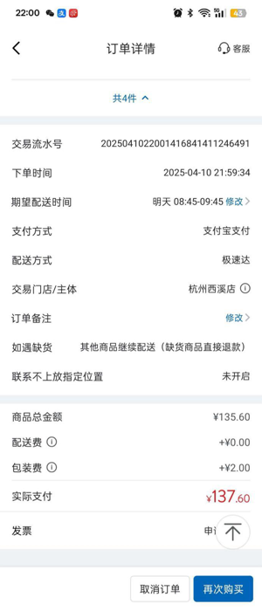 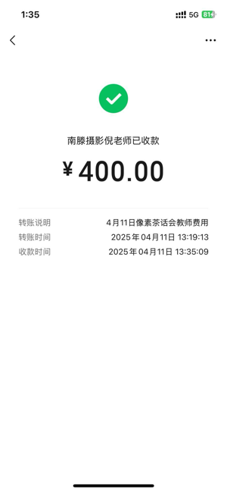 | 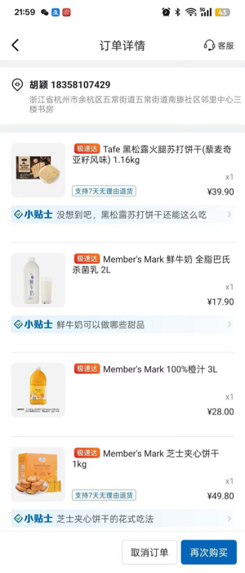
2025/04/11 16:22:03 | 已报销 | 5.43 | 报销流出 |  |  |  |  | CNY |  | 公司4月报销 |  |  |  |  | http://imgcdn.icostapp.com/eac6683a378c356d7e3535ca03e293f0.heic?imageView2/0/format/jpg&e=1745984120&token=HZjV97Gx8U62ghyVqGBJD4r2ZfWYvxFaAluS_mU3:w15awhflBa6b3W4Y9Sx72e43XBA= |  |  | 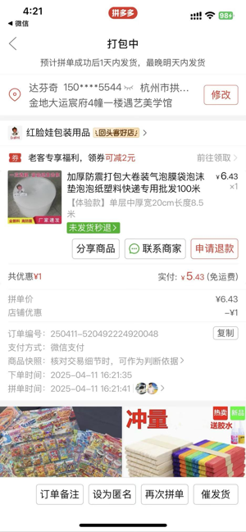
2025/04/11 16:22:16 | 已报销 | 6.03 | 报销流出 |  |  |  |  | CNY |  | 公司4月报销 |  |  |  |  | http://imgcdn.icostapp.com/71c7b248eee4a306874d8cc16da3f526.heic?imageView2/0/format/jpg&e=1745984120&token=HZjV97Gx8U62ghyVqGBJD4r2ZfWYvxFaAluS_mU3:WxxaJv_yYHWkKZ-3GYkKN1E1fZo= |  |  | 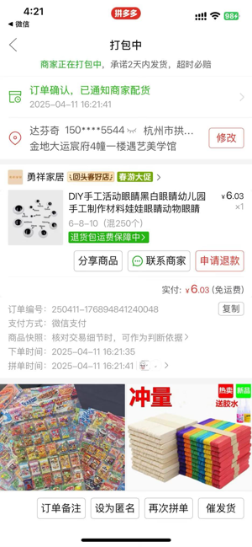
2025/04/11 16:22:26 | 已报销 | 3.78 | 报销流出 |  |  |  |  | CNY |  | 公司4月报销 |  |  |  |  | http://imgcdn.icostapp.com/c5a91cacc94710f8a403eaa342c314f6.heic?imageView2/0/format/jpg&e=1745984120&token=HZjV97Gx8U62ghyVqGBJD4r2ZfWYvxFaAluS_mU3:TvAi5ZjFDL09vrHJirtPS67ejMc= |  |  | 
2025/04/14 16:01:05 | 已报销 | 3 | 报销流出 |  |  |  |  | CNY |  | 公司4月报销 |  |  |  |  | http://imgcdn.icostapp.com/3a2338b6da194737a919508c01016e4e.heic?imageView2/0/format/jpg&e=1745984120&token=HZjV97Gx8U62ghyVqGBJD4r2ZfWYvxFaAluS_mU3:0gfDspmvFy1Y9uwGxTLXP5FozD8= |  |  | 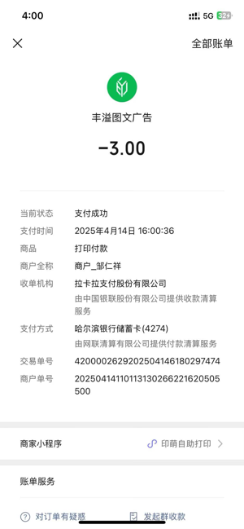
2025/04/15 11:50:49 | 已报销 | 127.68 | 报销流出 |  |  |  |  | CNY |  | 公司4月报销 |  |  |  |  | http://imgcdn.icostapp.com/dc8a023b4b74799a6899f030f706a5e5.heic?imageView2/0/format/jpg&e=1745984120&token=HZjV97Gx8U62ghyVqGBJD4r2ZfWYvxFaAluS_mU3:CeY8BUE2QW8MF0D9ykfeNrnv2Qk= |  |  | 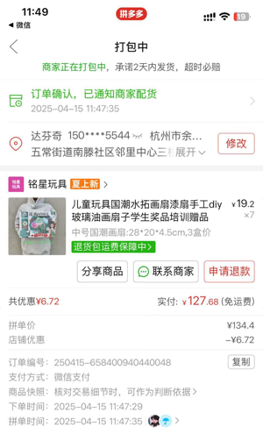
2025/04/15 11:51:30 | 已报销 | 11.49 | 报销流出 |  |  |  |  | CNY |  | 公司4月报销 |  |  |  |  | http://imgcdn.icostapp.com/416942419d3faadeea07aa16121b9e01.heic?imageView2/0/format/jpg&e=1745984120&token=HZjV97Gx8U62ghyVqGBJD4r2ZfWYvxFaAluS_mU3:FJ1zsj0Qlq_Gp8sajU9JVeqpi8c= |  |  | 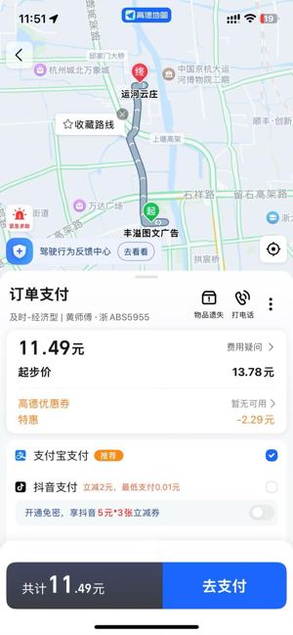
2025/04/15 19:38:25 | 已报销 | 24 | 报销流出 |  |  |  |  | CNY |  | 公司4月报销 |  |  |  |  | http://imgcdn.icostapp.com/e58d2a43c88cea5b7cee473b6cfe5850.heic?imageView2/0/format/jpg&e=1745984120&token=HZjV97Gx8U62ghyVqGBJD4r2ZfWYvxFaAluS_mU3:CnXWA1YtJD3QqkkS-0lT5uoPw_g= |  |  | 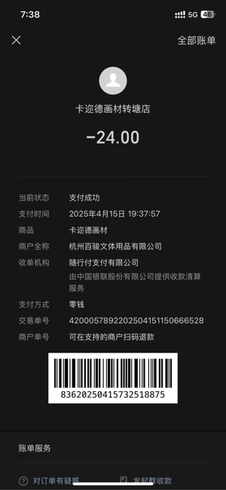
2025/04/16 11:19:07 | 已报销 | 693.84 | 报销流出 |  |  |  |  | CNY |  | 公司4月报销 |  |  |  |  | http://imgcdn.icostapp.com/cfd9a4c955621643167749770b210be6.heic?imageView2/0/format/jpg&e=1745984120&token=HZjV97Gx8U62ghyVqGBJD4r2ZfWYvxFaAluS_mU3:tvjcVX2SGvvdNbVGl7LBiT8l_Bg= |  |  | 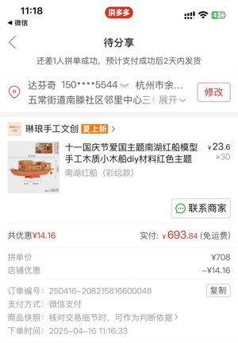
2025/04/16 13:32:18 | 已报销 | 8 | 报销流出 |  |  |  | 双面胶 | CNY |  | 公司4月报销 |  |  |  |  | http://imgcdn.icostapp.com/452519c1707008bc22a5bfa6901c8c45.heic?imageView2/0/format/jpg&e=1745984120&token=HZjV97Gx8U62ghyVqGBJD4r2ZfWYvxFaAluS_mU3:W4J7pI08c6c7rIvA2UjW8pdLY2k= |  |  | 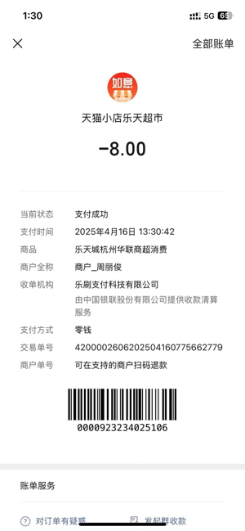
2025/04/17 14:12:18 | 已报销 | 25.09 | 报销流出 |  |  |  |  | CNY |  | 公司4月报销 |  |  |  |  | http://imgcdn.icostapp.com/a67932668d6eac88060f64df91912335.heic?imageView2/0/format/jpg&e=1745984120&token=HZjV97Gx8U62ghyVqGBJD4r2ZfWYvxFaAluS_mU3:Jn5j-WfLL2sghInOaSWjBQ_9TFQ= |  |  | 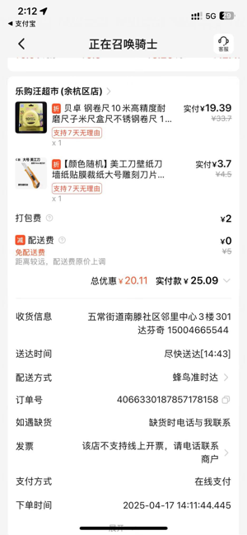
2025/04/19 16:48:24 | 已报销 | 13.5 | 报销流出 |  |  |  |  | CNY |  | 公司4月报销 |  |  |  |  | http://imgcdn.icostapp.com/41841446d81b9b14df1a58c93272ab8d.heic?imageView2/0/format/jpg&e=1745984120&token=HZjV97Gx8U62ghyVqGBJD4r2ZfWYvxFaAluS_mU3:GxQnMo9rjDKRstNLBMgZvogo5Yw= |  |  | 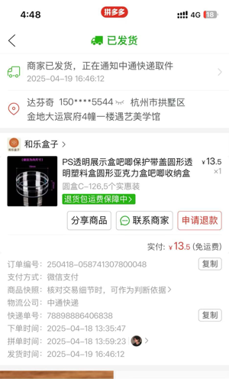
2025/04/20 10:04:38 | 已报销 | 12.34 | 报销流出 |  |  |  |  | CNY |  | 公司4月报销 |  |  |  |  | http://imgcdn.icostapp.com/14e68e809d2d611a95299d37323441e4.heic?imageView2/0/format/jpg&e=1745984120&token=HZjV97Gx8U62ghyVqGBJD4r2ZfWYvxFaAluS_mU3:frBVWYDKAjhpSrjVkw8TphdHviM= |  |  | 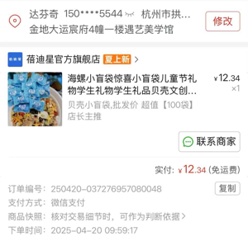
2025/04/20 10:04:55 | 已报销 | 36.9 | 报销流出 |  |  |  |  | CNY |  | 公司4月报销 |  |  |  |  | http://imgcdn.icostapp.com/61107b9d6b7389be68b596f5b67ecae4.heic?imageView2/0/format/jpg&e=1745984120&token=HZjV97Gx8U62ghyVqGBJD4r2ZfWYvxFaAluS_mU3:t_frUt5X0oSWYXbwfLf9c2a1p-s= |  |  | 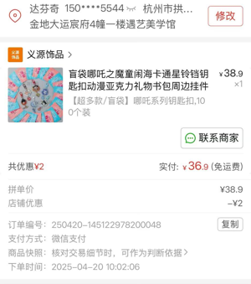
2025/04/21 15:10:05 | 已报销 | 29.17 | 报销流出 |  |  |  |  | CNY |  | 公司4月报销 |  |  |  |  | http://imgcdn.icostapp.com/839ed826aceed1d7ce3264eea25ea0c7.heic?imageView2/0/format/jpg&e=1745984120&token=HZjV97Gx8U62ghyVqGBJD4r2ZfWYvxFaAluS_mU3:hQrNMFoIbNWGZwNzz9cSIhBUGns= |  |  | 
2025/04/21 15:54:37 | 已报销 | 13.83 | 报销流出 |  |  |  |  | CNY |  | 公司4月报销 |  |  |  |  | http://imgcdn.icostapp.com/dd12d5be0f10ff03eca71a83ee0673f7.heic?imageView2/0/format/jpg&e=1745984120&token=HZjV97Gx8U62ghyVqGBJD4r2ZfWYvxFaAluS_mU3:lmcRcpYzoz3-OMvlmG-rtFEePLw= |  |  | 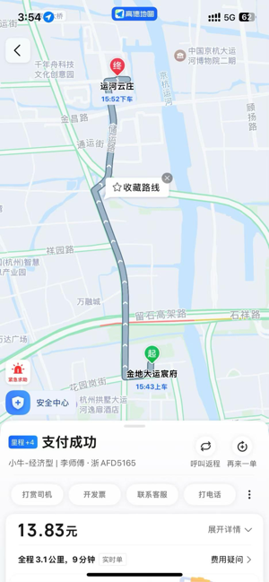
2025/04/21 16:12:18 | 已报销 | 28.1 | 报销流出 |  |  |  |  | CNY |  | 公司4月报销 |  |  |  |  | http://imgcdn.icostapp.com/96b5ef1c55f350b4e0c4712f6477d10d.heic?imageView2/0/format/jpg&e=1745984120&token=HZjV97Gx8U62ghyVqGBJD4r2ZfWYvxFaAluS_mU3:-QhzVAFQ8GHv6slLO4wQIwfXFo4= |  |  | 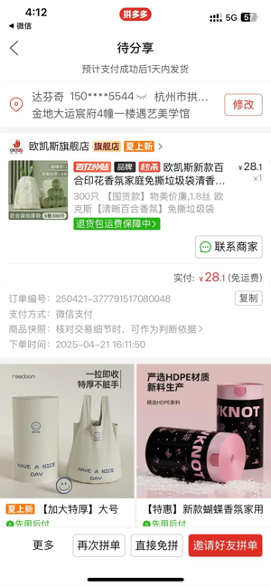
2025/04/21 16:12:43 | 已报销 | 15.57 | 报销流出 |  |  |  |  | CNY |  | 公司4月报销 |  |  |  |  | http://imgcdn.icostapp.com/5994d08e8a41f2ad20e7501c3e1ec81d.heic?imageView2/0/format/jpg&e=1745984120&token=HZjV97Gx8U62ghyVqGBJD4r2ZfWYvxFaAluS_mU3:HSaKvJhWsRFY3wLXG62jo1OFtjI= |  |  | 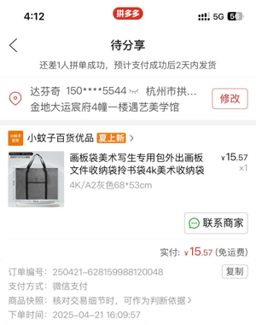
2025/04/21 16:13:53 | 已报销 | 53.32 | 报销流出 |  |  |  |  | CNY |  | 公司4月报销 |  |  |  |  | http://imgcdn.icostapp.com/2d0f3e7675397ae73a102486f93a2595.heic?imageView2/0/format/jpg&e=1745984120&token=HZjV97Gx8U62ghyVqGBJD4r2ZfWYvxFaAluS_mU3:OabcukwEYSZ5uwavlQKQG2nZenE= |  |  | 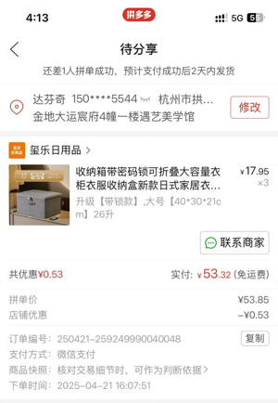
2025/04/21 16:16:38 | 已报销 | 20.48 | 报销流出 |  |  |  |  | CNY |  | 公司4月报销 |  |  |  |  | http://imgcdn.icostapp.com/36759379eac910cdbade8a4500759b2a.heic?imageView2/0/format/jpg&e=1745984120&token=HZjV97Gx8U62ghyVqGBJD4r2ZfWYvxFaAluS_mU3:cQb-t3WBKNtEHz6GMtFVXuEdaH0= |  |  | 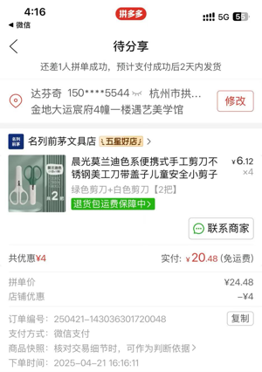
2025/04/22 09:57:48 | 已报销 | 130.7 | 报销流出 |  |  |  |  | CNY |  | 公司4月报销 |  |  |  |  | http://imgcdn.icostapp.com/e82e5784f59818bff81b29e5ea5ce6f7.heic?imageView2/0/format/jpg&e=1745984120&token=HZjV97Gx8U62ghyVqGBJD4r2ZfWYvxFaAluS_mU3:ExeliRNSEbDitWUhNcd-KLEz47Y= | http://imgcdn.icostapp.com/7d45db16deb931d337a3f949a91ec690.heic?imageView2/0/format/jpg&e=1745984120&token=HZjV97Gx8U62ghyVqGBJD4r2ZfWYvxFaAluS_mU3:p5352xJQQFigsuNIVSgBEN0hKTE=
2025/04/22 16:06:12 | 已报销 | 16 | 报销流出 |  |  |  |  | CNY |  | 公司4月报销 |  |  |  |  | http://imgcdn.icostapp.com/24ae8c5d6053bf544b6f371e9197d527.heic?imageView2/0/format/jpg&e=1745984120&token=HZjV97Gx8U62ghyVqGBJD4r2ZfWYvxFaAluS_mU3:SeP2l_egJghF9fixgVUt5hartSs= |  |  | 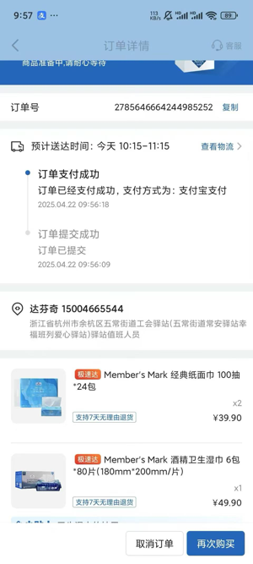 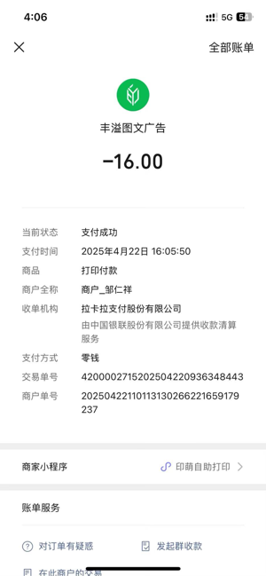 | 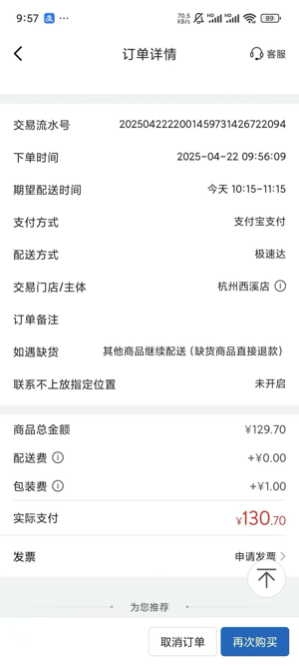
2025/04/22 16:08:30 | 已报销 | 4 | 报销流出 |  |  |  |  | CNY |  | 公司4月报销 |  |  |  |  | http://imgcdn.icostapp.com/6164f0e8a9ad0b9cb6322edf4ae90822.heic?imageView2/0/format/jpg&e=1745984120&token=HZjV97Gx8U62ghyVqGBJD4r2ZfWYvxFaAluS_mU3:xW0vYKRM64R005OW-fYuyPrUvRU= |  |  | 
2025/04/23 16:12:56 | 已报销 | 28.67 | 报销流出 |  |  |  |  | CNY |  | 公司4月报销 |  |  |  |  | http://imgcdn.icostapp.com/86121d033fa5fc6ae823a39c2c4eff5c.heic?imageView2/0/format/jpg&e=1745984120&token=HZjV97Gx8U62ghyVqGBJD4r2ZfWYvxFaAluS_mU3:Qnu6xC6w47Ws1rOMhftoHie5YvE= |  |  | 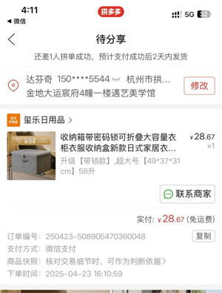
2025/04/24 17:16:22 | 已报销 | 36.35 | 报销流出 |  |  |  |  | CNY |  | 公司4月报销 |  |  |  |  | http://imgcdn.icostapp.com/861b4d1d16d6b6d5bce9eedc926b7dcb.heic?imageView2/0/format/jpg&e=1745984120&token=HZjV97Gx8U62ghyVqGBJD4r2ZfWYvxFaAluS_mU3:Qs2jkT5mME8hDHZfnDpSc2dVezs= |  |  | 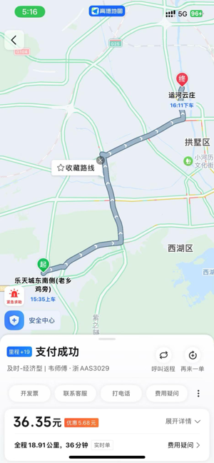
2025/04/25 17:29:05 | 已报销 | 6.23 | 报销流出 |  |  |  |  | CNY |  | 公司4月报销 |  |  |  |  | http://imgcdn.icostapp.com/e6c1afe27c38f62dc5540b429d28a799.heic?imageView2/0/format/jpg&e=1745984120&token=HZjV97Gx8U62ghyVqGBJD4r2ZfWYvxFaAluS_mU3:LQfkhanGRtSqFeYa5EBzTQIPIXo= |  |  | 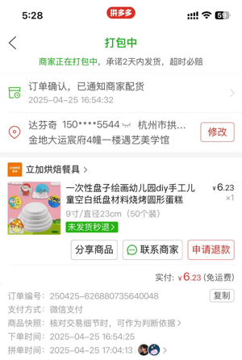
2025/04/25 17:31:13 | 已报销 | 7.22 | 报销流出 |  |  |  |  | CNY |  | 公司4月报销 |  |  |  |  | http://imgcdn.icostapp.com/0a1105614810805e433b7a8d34cbb871.heic?imageView2/0/format/jpg&e=1745984120&token=HZjV97Gx8U62ghyVqGBJD4r2ZfWYvxFaAluS_mU3:EkDM_TO8GDjPNVH7QIPQ2FtT7iI= |  |  | 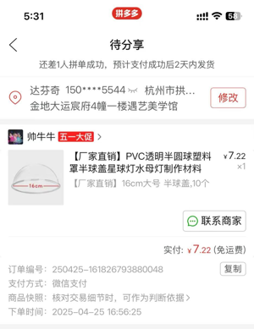
2025/04/25 17:58:11 | 已报销 | 14.6 | 报销流出 |  |  |  |  | CNY |  | 公司4月报销 |  |  |  |  | http://imgcdn.icostapp.com/4e1d2443b83ee400292e0e9e3da90546.heic?imageView2/0/format/jpg&e=1745984120&token=HZjV97Gx8U62ghyVqGBJD4r2ZfWYvxFaAluS_mU3:6xD-2eO5ehV2ZNTV6lDS1wvHZus= |  |  | 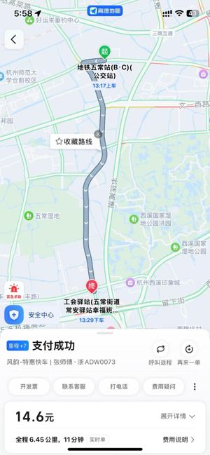
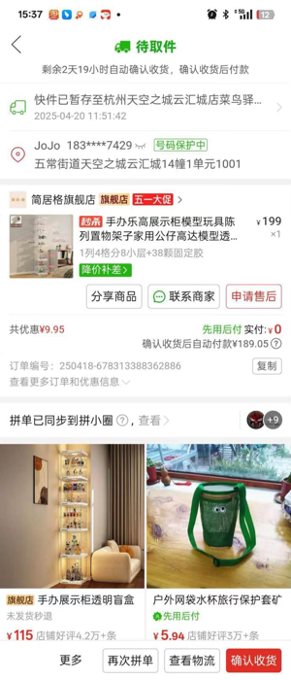
2025/04/28 13:01:40 | 已报销 | 189.05 | 报销流出 |  |  |  |  | CNY |  | 公司4月报销 |  |  |  |  | http://imgcdn.icostapp.com/c5aaac1ec7c0cc03a793310cc69f86a1.heic?imageView2/0/format/jpg&e=1745984120&token=HZjV97Gx8U62ghyVqGBJD4r2ZfWYvxFaAluS_mU3:1x2Qpl0iamFJiJB8bw5I9tCumJ0=
2025/04/28 13:01:48 | 已报销 | 17.9 | 报销流出 |  |  |  |  | CNY |  | 公司4月报销 |  |  |  |  | http://imgcdn.icostapp.com/d2e2b27ae8fc4b176cc979bfc3e8e5ed.heic?imageView2/0/format/jpg&e=1745984120&token=HZjV97Gx8U62ghyVqGBJD4r2ZfWYvxFaAluS_mU3:LDMXnHC2biYCj7sQMdQxziB7CkQ= |  |  | 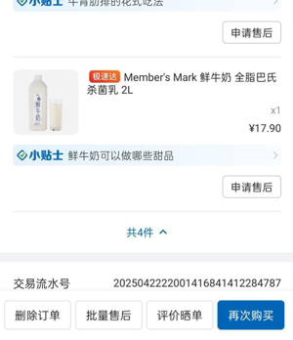
2025/04/29 11:34:05 | 报销入账 | 2356.4 | 报销流出 |  |  |  |  | CNY |  | 公司4月报销

