Reiner, Geyer muscle comparison
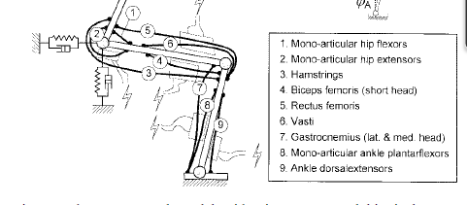
 | Muscle Group | Muscle Group Leva | Fmax (Reiner) | ΔFmax | lopt (Reiner) | Δlopt | Vmax (Reiner) | Δ Vmax (Geyer-Reiner)
 |  |  | [N] | (Geyer-Reiner) | [m] | (Geyer-Reiner) | [m/s]
1 | Mono-articular hip flexors | HFL | 1850 | 150 | 0.15 | -0.15 | 0.73 | -0.73
2 | Mono-articular hip extensors | GLU | 2370 | -2370 | 0.11 | -0.11 | 0.54 | -0.54
3 | Hamstrings | HAM | 2190 | -2190 | 0.12 | -0.12 | 0.48 | -0.48
4 | Biceps femoris (short head) | BF | 400 | - | 0.17 | 0 | 0.69 | 0
5 | Rectus femoris | RF | 1000 | - | 0.09 | 0 | 0.51 | 0
6 | Vasti | VAS | 5200 | -5200 | 0.09 | -0.09 | 0.48 | -0.48
7 | Gastrocnemius (lat. & med. head) | GAS | 1600 | -1600 | 0.05 | -0.05 | 0.32 | -0.32
8 | Mono-articular ankle plantarflexors | SOL | 3600 | -3600 | 0.03 | -0.03 | 0.10 | -0.1
9 | Ankle dorsalextensors | TA | 1100 | -1100 | 0.09 | -0.09 | 0.36 | -0.24

 |  |  |  |  |  |  |  |  | REINER SCHEME
 | Maximum velocity (Reiner) | Maximum velocity (Geyer)
HFL | 0.73 | 0.12
GLU | 0.54 | 0.12
HAM | 0.48 | 0.12
BF | 0.69 | 0
RF | 0.51 | 0
VAS | 0.48 | 0.12
GAS | 0.32 | 0.12
SOL | 0.10 | 0.06
TA | 0.36 | 0.12
 | Fmax (Reiner) | Fmax (Geyer)
HFL | 1850 | 2000
GLU | 2370 | 1500
HAM | 2190 | 3000
BF | 400 | 0
RF | 1000 | 0
VAS | 5200 | 6000
GAS | 1600 | 1500
SOL | 3600 | 4000
TA | 1100 | 800

 | Optimum length (Reiner) | Optimum length (Geyer)
HFL | 0.15 | 0.11
GLU | 0.11 | 0.11
HAM | 0.12 | 0.1
BF | 0.17 | 0
RF | 0.09 | 0
VAS | 0.09 | 0.08
GAS | 0.05 | 0.05
SOL | 0.03 | 0.04
TA | 0.09 | 0.06

