!ReadMe
Ruby Sainz, Aquatic Ecology Intern, 3/8/2024 |  | Darren Fong, Aquatic Ecologist, 3/18/2024
 |  | Made some changes to initial photo dates used for constructed ponds. Choose photos closest in time post construction with clear view of open water areas. Moved the replaced data to 'Data_Excluded' worksheet
To estimate percent cover for CRLF breeding sites using Google Earth's historical imagery tool, an image was chosen that was closest in time to the survey date where the cover types are also easily visible. (Due to image quality issues, some images that were chosen were not from the same year as the survey date.) A transect line was drawn across the site in the direction of water flow or at the widest length. The image was zoomed in so that the transect line measured 5 inches across and a ruler was used to measure the proportion of cover types that the transect line crossed through. The proportions were then converted to percentages.

General notes for identifying cover types:
Open water - generally dark blue, no vegetation
Submergent vegetation - light green, somewhat textured vegetation in the water (e.g., parrots feather)
Emergent vegetation - brown or darker green textured vegetation in the water (e.g., cattails)
Tree cover - dark green, round and bumpy vegetation surrounding the site (e.g., willow trees)
Algae - very green water, smooth/no texture

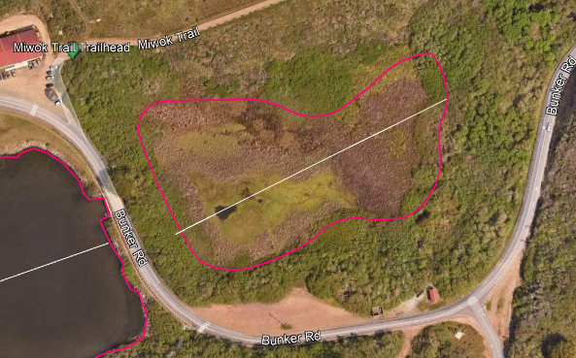

 | Example: This Google Earth image of Rodeo Lake was taken 4/1/2022
 | Open water: 5%
 | Submergent vegetation: 35%
 | Emergent vegetation: 50%
 | Tree cover: 10%
 | Algae: 0%

