!Readme
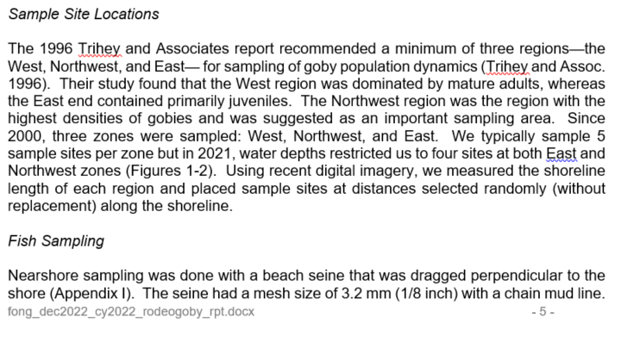
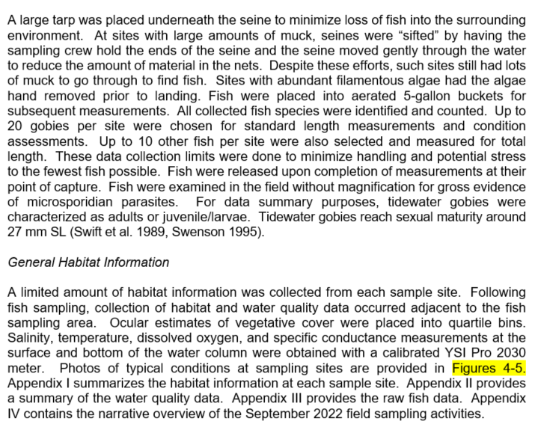
Last Edited 1/19/2023- D.Fong
Data provided in 'Fishdat' consists of NPS beach seine data only. Feb 1996 seine data was conducted using 3/16 inch mesh beach seine. All subsequent sampling conducted using 1/8th inch mesh with chain mudline. 1995 seine data from Trihey was done using 1/4"mesh and smaller gobies were observed squeezing through the mesh. We did not include the 1995 data here. Drop trap data from Trihey and seine/tow samples from Johnson Wang were not included. Steelhead sampling with 1/4 inch mesh seine at bridges were also not included.
Current sampling done in the Fall annually. 1996-1997 sampling events had both Winter and Fall sampling. These zones were dropped in subsequent years. We can probably also remove them from any long-term analyses. Large seine hauls with 1/4"inch mesh were not included in dataset-- samples were opportunistic and not regular
The microsporidia field represents whether the inspected twgoby had visible tumors or not. We did not survey all twgobies-- so survey effort by station should be the sum of all Y and N.
Sample event parameters including sampled area, water quality, cover, location etc are provided in a separate spreadsheet (gobywqdat_1996-present.xlsx)
SPECIES CODES:
SC: sculpin (spp), PSC: prickly sculpin, SSC: staghorn sculpin, SB: threespine stickleback
Analyses for sculpins should be lumped to family level (inconsistent ID sometimes prickly differentiated from staghorn sculpin)
LENGTH: total for sculpin and stickleback, standard length for gobies
ZEROS:
For sampling events where no fish were collected, species code 'none' was used
LIFESTAGE: For Rodeo Lagoon, larval gobies settle out by 12 mm SL (Spies, pers. comm, 2013). Juvenile gobies are between 12 and 27 mm. Adults >27. For our analyses, we may want to remove larval gobies from the dataset since our mesh size doesn't accurately sample larval gobies. Johnson Wang typically used plankton tows for larvae. Also, fraction of gobies retained by our seining is likely not consistent between years (within years probably better). When we have algal blooms that clog net, it probably increases the capture efficiency. Conversely, when we have had lots of muck, siene has been too heavy to land and we need to 'wet sieve' the seine in the water and likely lose most of the larvae.

