!Readme
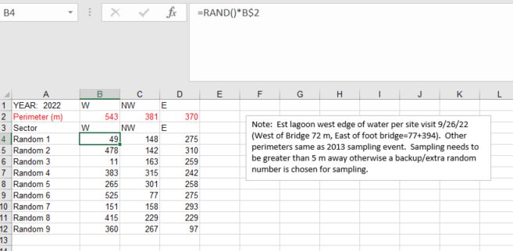
1/19/2023-D.Fong
EVENT DATA
CODES: SAV: submerged aquatic vegetation, EAV: emergent aquatic vegetation, 0: 0%, 1: 1-24%, 2: 25-49%, 3: 50-74%, 4: >75%
UTM_E, UTM_N coordinates are in NAD83
Dimensions (width, etc) are of seined sample site
Vegetation cover categories have several data gaps where data was not recorded. Rather than presuming absence, we would leave that particular cover type field empty. Vegetation cover categories for algae are funky. Cover categories for filamentous algae probably ok. Probably should change phytoplankton field to present/absence or just drop altogether since lots of empty records.
WQ DATA
Early WQ data using YSI33 had either missing specific conductance or non-compensated DO that were derived using procedures described in the worksheet tabs. The WQ worksheet has a Derived Spec. Conductance field for calculated values which has been copied into the Spec. Cond field.
Depth field represents the distance from the water surface that the probe is suspended. So Depth of 0 is a surface measurement.
For shallow sample sites, a single WQ measurement may be taken. At deeper stations, a top and bottom WQ measurement is done to capture potential stratification. For analysis, probably best that the average of the two measurements is taken
Sample Locations
1996-1998. The initial sampling sites were haphazardly/randomly located in 1996 per zone and subsequent surveys through 1998 resampled the same 1996 locations. From 1999 to present, sample locations have been randomly located per zone using a random number generator and multiplying that number against the total shoreline distance for the zone. See excerpt from Excel spreadsheet to the right. If number within 5 m, one of the extra random numbers are selected

DerivedSpecCond
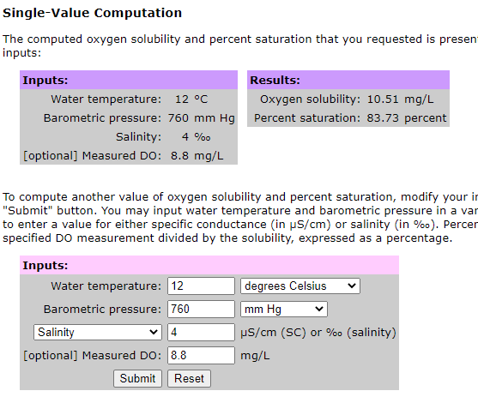
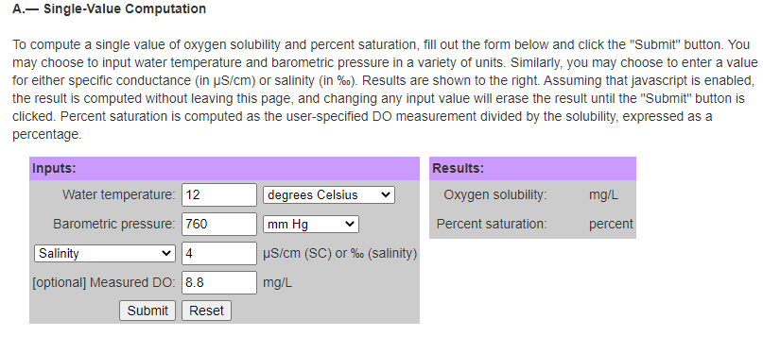
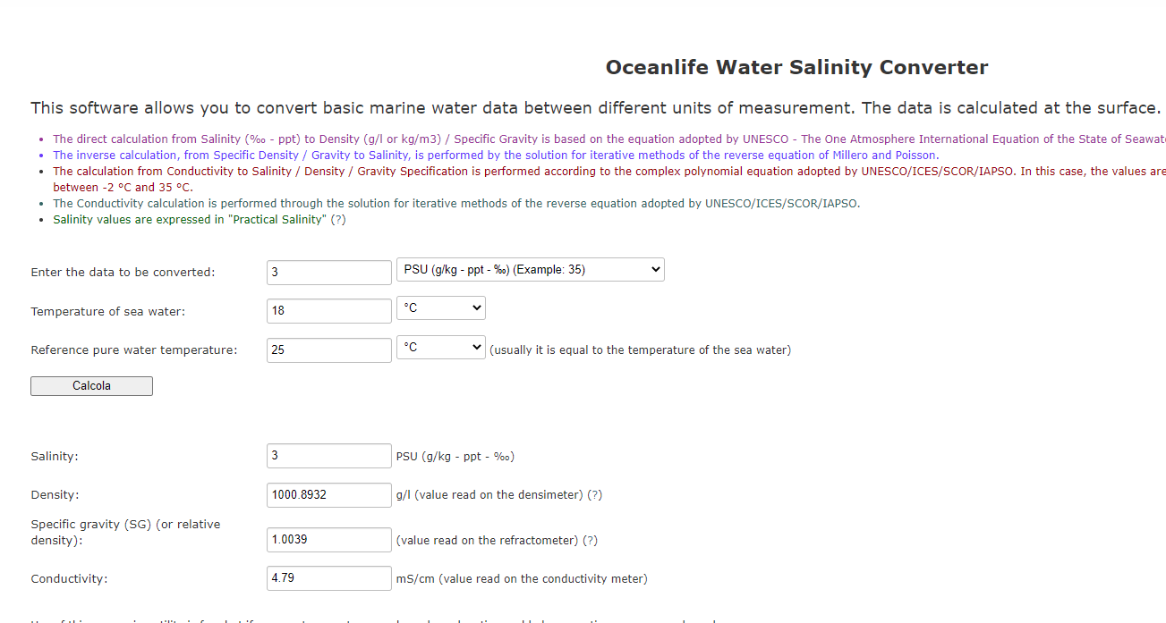

Notes:
D.Fong (4/23/2021). Early water quality measurements were done with YSI 33 which recorded salinity, conductivity and temperature. For most of the measurements with this meter, we only recorded salinity and water temperature. This was probably because conductivity was not temperature compensated (specific conductance) and we thought it would be easy (wrong!) to convert salinity to spec. conductance if needed.
Because there was no simple conversion, we used a website (Oceanlife-https://oceanlife.it/index.php/en/19-notizie/370-water-salinity-converter-en) to calculate the values .The direct calculation from Salinity (‰ - ppt) to Density (g/l or kg/m3) / Specific Gravity is based on the equation adopted by UNESCO - The One Atmosphere International Equation of the State of Seawater (Millero and Poisson, 1981).

DerivedDOSaturation
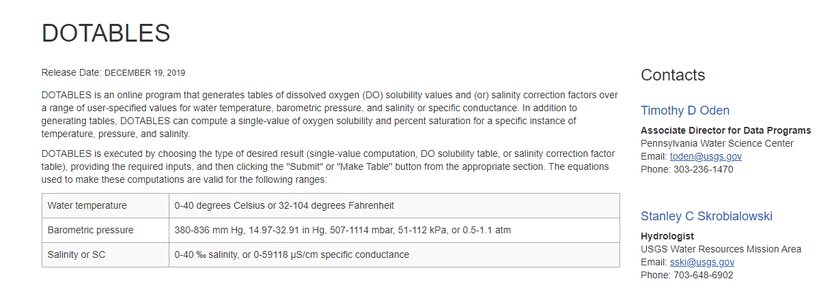
Notes:
D.Fong (4/23/2021). Early dissolved oxygen measurements were done with handheld meters that did not automatically correct for barometric pressure, salinity, or temperature. Corrections to %DO saturation were done using USGS online program DOTABLES.
https://water.usgs.gov/water-resources/software/DOTABLES/

