QA
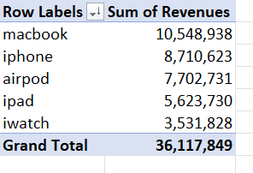

1. Revenue - |  | 4. Analyze Data -

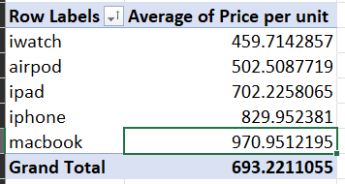
2. Average Sales Price -

3. Product Sales by Date & Region - | Pivot Sheet

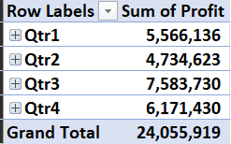
4. Quarter-wise Profit -

Pivot
Sum of Revenues | Column Labels
Row Labels | EMEA | North America | South America | Grand Total
airpod | 113867.8 | 1819428.4 | 815603.5 | 2748899.7
ipad | 208344.3 | 854164.9 | 850022 | 1912531.2
iphone | 1722425.3 | 975465.5 | 577011.3 | 3274902.1
iwatch | 473316 | 531068 | 522950.3 | 1527334.3
macbook | 813693.6 | 1257620.3 | 2752412.8 | 4823726.7
Grand Total | 3331647 | 5437747.1 | 5517999.9 | 14287394

