UML
BeanFactory
AliasRegistry

SimpleAliasRegistry
SimpleJndiBeanFactory
ListableBeanFactory
HierarchicalBeanFactory
AutowireCapableBeanFactory
SingletonBeanRegistry
DefaultSingletonBeanRegistry

ConfigurableBeanFactory

FactoryBeanRegistrySupport

AbstractBeanFactory
ConfigurableListableBeanFactory

AbstractAutowireCapableBeanFactory
BeanDefinitionRegistry

DefaultListableBeanFactory

EnvironmentCapable
MessageSource
ApplicationEventPublisher
ResourcePatternResolver

ApplicationContext

WebApplicationContext
Lifecycle
ConfigurableApplicationContext
ResourceLoader

ConfigurableWebApplicationContext

DefaultResourceLoader

DisposableBean
AbstractApplicationContext

Aware

AbstractRefreshableApplicationContext
BeanNameAware

AbstractRefreshableConfigApplicationContext
InitializingBean

AbstractXmlApplicationContext

FileSystemXmlApplicationContext
ClassPathXmlApplicationContext

IOC
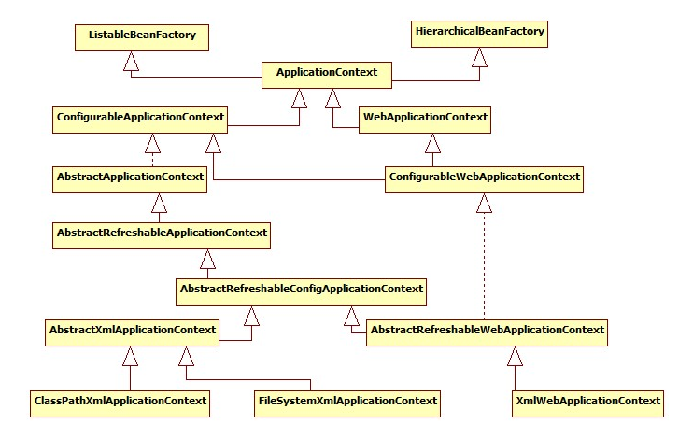
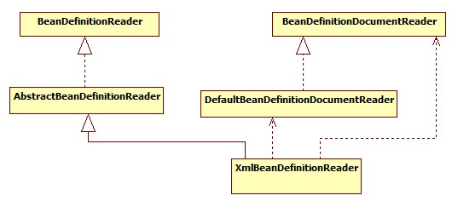
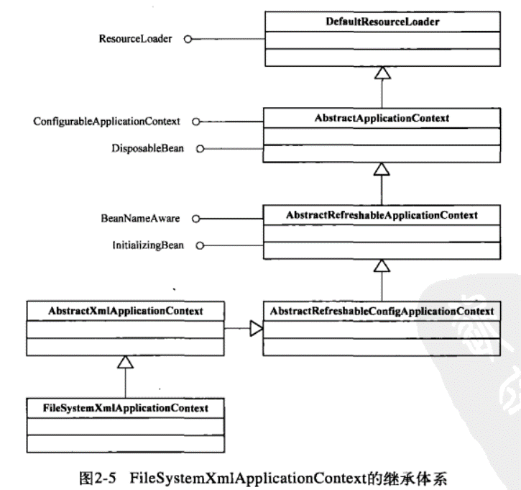
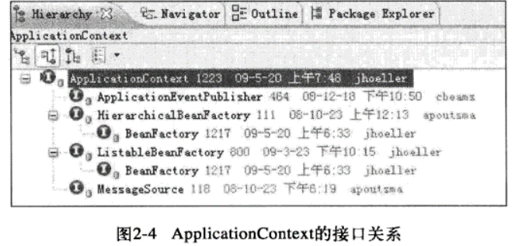
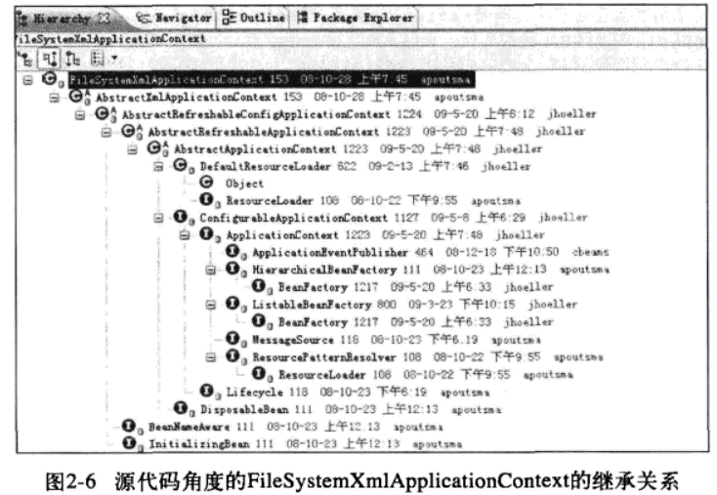
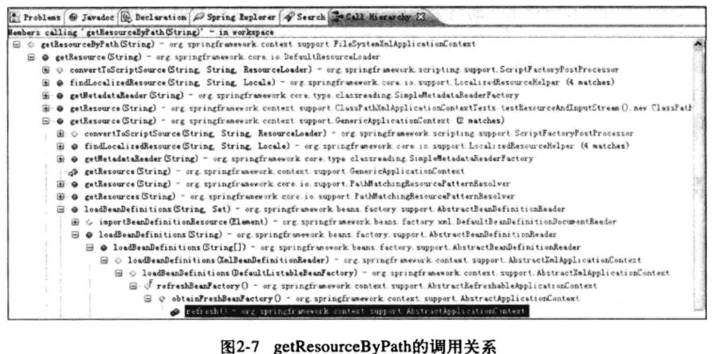
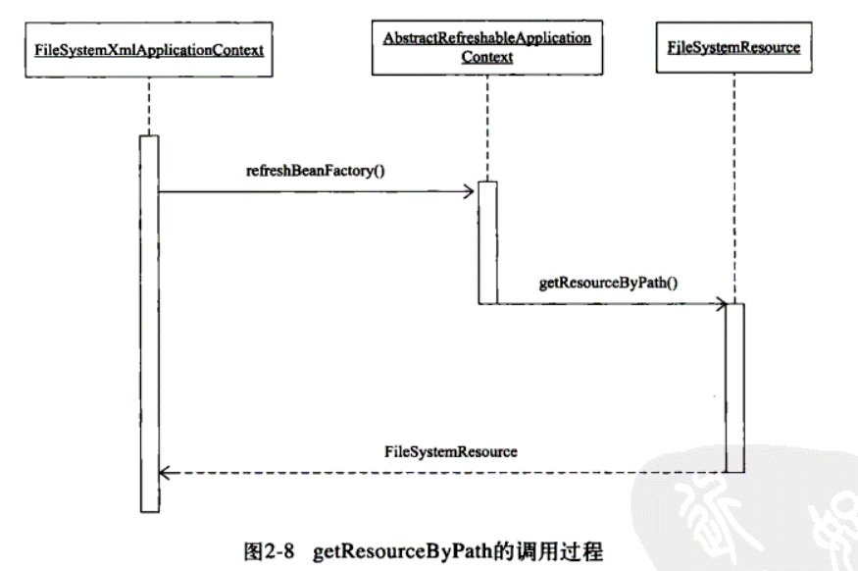
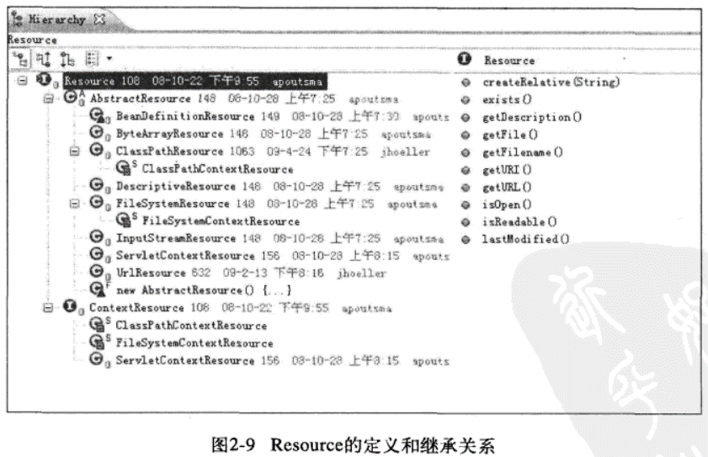
BeanFactory
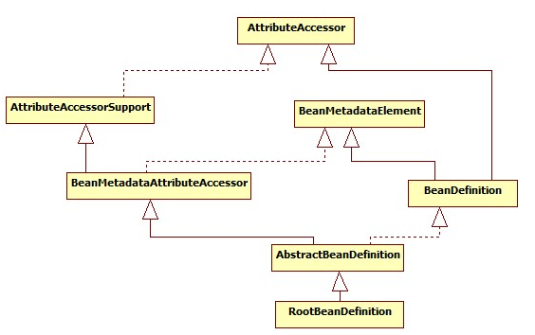

ListableBeanFactory
HierarchicalBeanFactory
AutowireCapableBeanFactory

StaticListableBeanFactory
ConfigurableBeanFactory

ConfigurableListableBeanFactory
AbstractBeanFactory

AbstractAutowireCapableBeanFactory

DefaultListableBeanFactory

BeanRegistry
SingletonBeanRegistry

other
SmartInitializingSingleton

DisposableBean
InitializingBean
InjectionPoint

ObjectFactory<T>
BeanFactoryUtils

NamedBean
ObjectProvider<T>

FactoryBean
FactoryBean<T>

SmartFactoryBean<T>

Aware
Aware

BeanFactoryAware
BeanClassLoaderAware
BeanFactoryAware
BeanNameAware

MVC
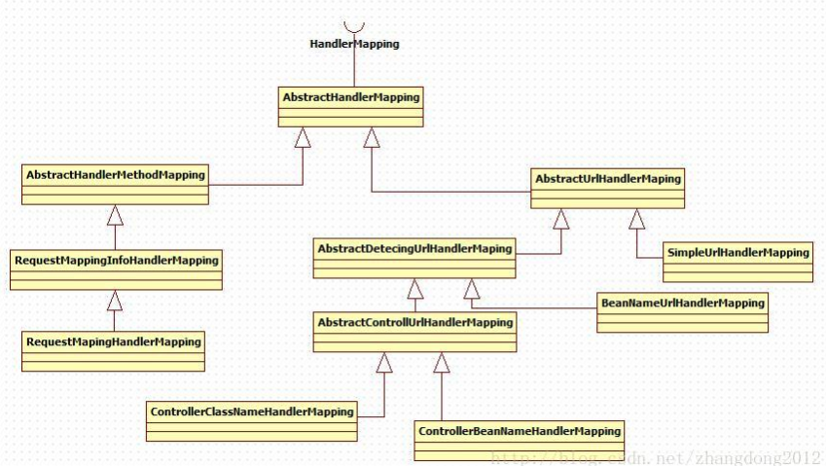
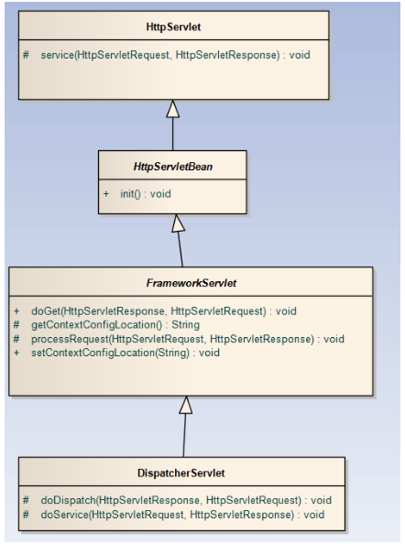

RequestAttributes

AbstractRequestAttributes

ServletRequestAttributes

