UML
BeanFactory

AliasRegistry

SimpleJndiBeanFactory
ListableBeanFactory
HierarchicalBeanFactory
AutowireCapableBeanFactory
SimpleAliasRegistry

SingletonBeanRegistry

ConfigurableBeanFactory
DefaultSingletonBeanRegistry
BeanDefinitionRegistry

FactoryBeanRegistrySupport

ConfigurableListableBeanFactory
AbstractBeanFactory
SimpleBeanDefinitionRegistry

AbstractAutowireCapableBeanFactory

ResourceLoader
DefaultListableBeanFactory

ResourcePatternResolver
EnvironmentCapable
MessageSource
ApplicationEventPublisher
XmlBeanFactory

ApplicationContext

Lifecycle
ConfigurableApplicationContext
WebApplicationContext

ThemeSource
DefaultResourceLoader

DisposableBean
AbstractApplicationContext
ConfigurableWebApplicationContext

Aware
AbstractRefreshableApplicationContext
GenericApplicationContext

BeanNameAware
GenericWebApplicationContext
AbstractRefreshableConfigApplicationContext
StaticApplicationContext
GenericGroovyApplicationContext
InitializingBean
EmbeddedWebApplicationContext
AbstractRefreshableWebApplicationContext
GenericXmlApplicationContext
AnnotationConfigApplicationContext
AbstractXmlApplicationContext

StaticWebApplicationContext
AnnotationConfigEmbeddedWebApplicationContext
XmlEmbeddedWebApplicationContext
FileSystemXmlApplicationContext
ClassPathXmlApplicationContext
XmlWebApplicationContext

GroovyWebApplicationContext
AnnotationConfigWebApplicationContext
AnnotationConfigRegistry

UML-thread
Runnable
AsyncOperation
Future
Callable

CompletionStage
AbstractAsyncOperation
CompletableFuture
ForkJoinTask
FutureAdapter
ListenableFuture
RunnableFuture

RecursiveTask

Executor

TaskExecutor
ExecutorService
ConcurrentExecutorAdapter
ConcurrentExecutorAdapter
SyncTaskExecutor
AsyncTaskExecutor

ScheduledExecutorService
AbstractExecutorService
CustomizableThreadCreator
AsyncListenableTaskExecutor
SchedulingTaskExecutor
ExecutorConfigurationSupport

SimpleAsyncTaskExecutor

DelegatedExecutorService
ConcurrentTaskExecutor
ThreadPoolTaskExecutor
ExecutorServiceAdapter
ForkJoinPool
DisposableBean
SimpleThreadPoolTaskExecutor
ThreadPoolTaskScheduler
ThreadPoolExecutor

TaskExecutorAdapter
JndiLocatorSupport
TaskScheduler
InitializingBean

WorkManagerTaskExecutor

UML-reader
EnvironmentCapable
BeanDefinitionReader

AbstractBeanDefinitionReader

XmlBeanDefinitionReader

IOC
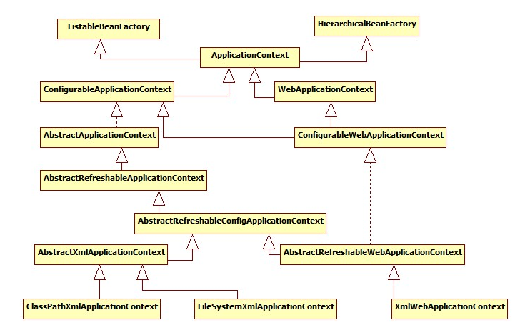
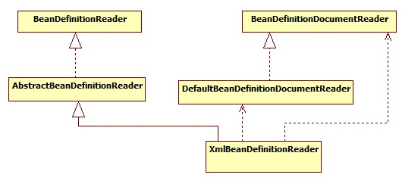
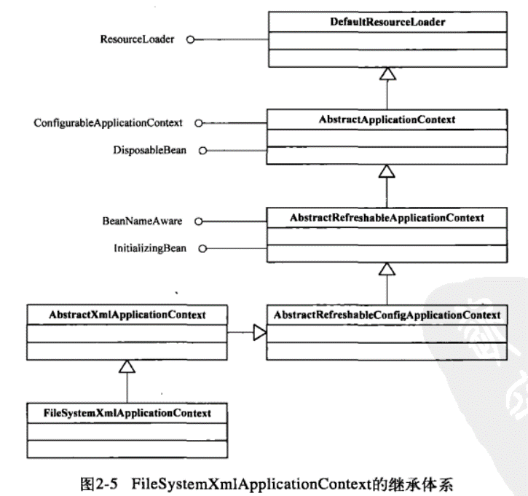
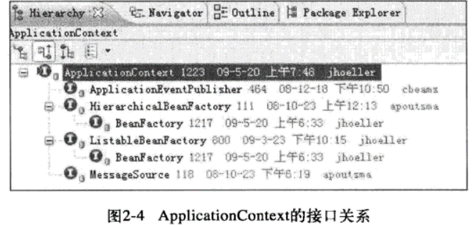
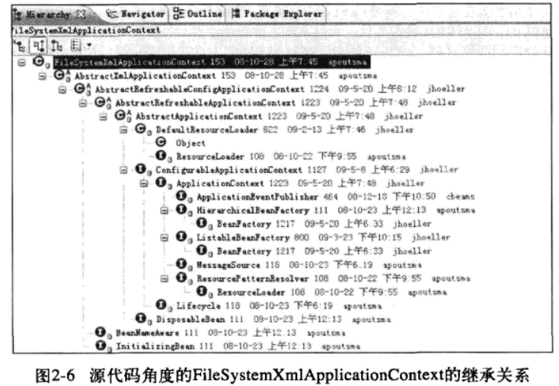
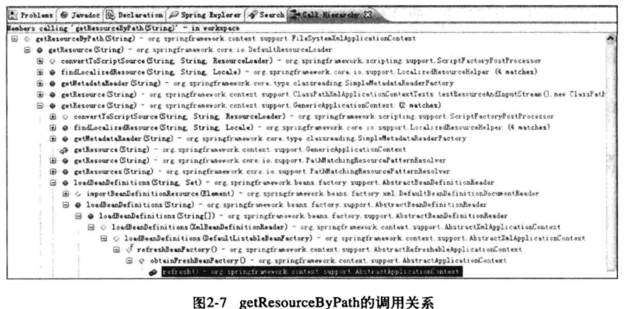
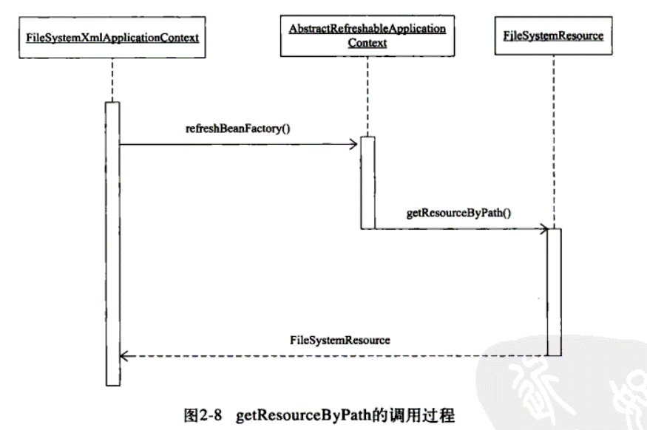
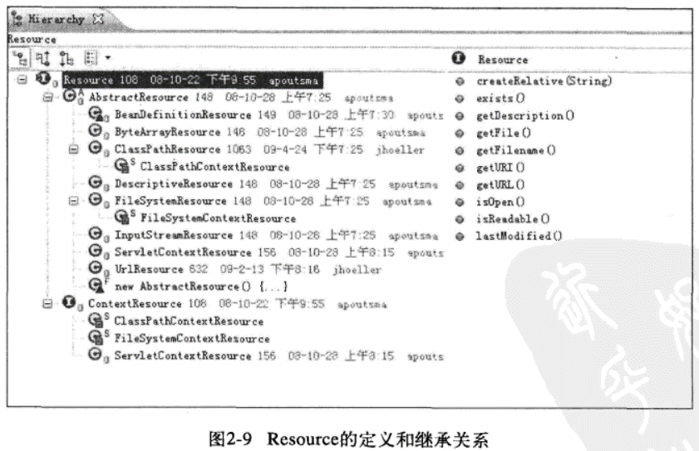
BeanFactory
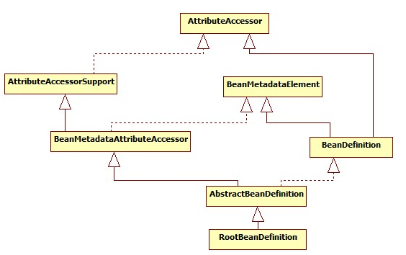

ListableBeanFactory
HierarchicalBeanFactory
AutowireCapableBeanFactory

StaticListableBeanFactory
ConfigurableBeanFactory

ConfigurableListableBeanFactory
AbstractBeanFactory

AbstractAutowireCapableBeanFactory

DefaultListableBeanFactory

BeanRegistry
SingletonBeanRegistry

other
SmartInitializingSingleton

DisposableBean
InitializingBean
InjectionPoint

ObjectFactory<T>
BeanFactoryUtils

NamedBean
ObjectProvider<T>

FactoryBean
FactoryBean<T>

SmartFactoryBean<T>

Aware
Aware

BeanFactoryAware
BeanClassLoaderAware
BeanFactoryAware
BeanNameAware

MVC
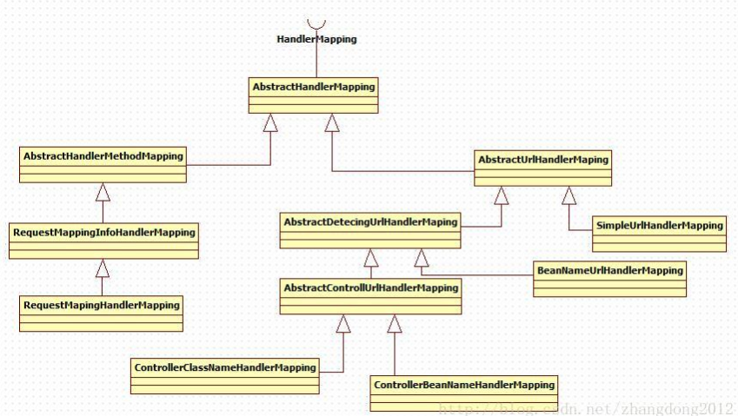
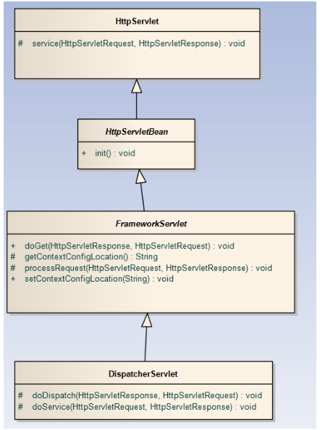

RequestAttributes

AbstractRequestAttributes

ServletRequestAttributes

