UML
BeanFactory

AliasRegistry

SimpleJndiBeanFactory
ListableBeanFactory
HierarchicalBeanFactory
AutowireCapableBeanFactory
SimpleAliasRegistry

SingletonBeanRegistry

ConfigurableBeanFactory
DefaultSingletonBeanRegistry
BeanDefinitionRegistry

FactoryBeanRegistrySupport

ConfigurableListableBeanFactory
AbstractBeanFactory

AbstractAutowireCapableBeanFactory

DefaultListableBeanFactory

ResourceLoader
XmlBeanFactory
EnvironmentCapable
MessageSource
ApplicationEventPublisher
ResourcePatternResolver

ApplicationContext

Lifecycle
ConfigurableApplicationContext
WebApplicationContext
DefaultResourceLoader
SimpleBeanDefinitionRegistry

ConfigurableWebApplicationContext
AbstractApplicationContext
DisposableBean
GenericApplicationContext
AbstractRefreshableApplicationContext
Aware
ThemeSource

BeanNameAware
AbstractRefreshableConfigApplicationContext
AnnotationConfigApplicationContext

AbstractRefreshableWebApplicationContext
InitializingBean
AbstractXmlApplicationContext
GenericGroovyApplicationContext
GenericWebApplicationContext
GenericXmlApplicationContext
FileSystemXmlApplicationContext
ClassPathXmlApplicationContext

StaticApplicationContext

AnnotationConfigRegistry

GroovyWebApplicationContext
XmlWebApplicationContext
AnnotationConfigWebApplicationContext

IOC
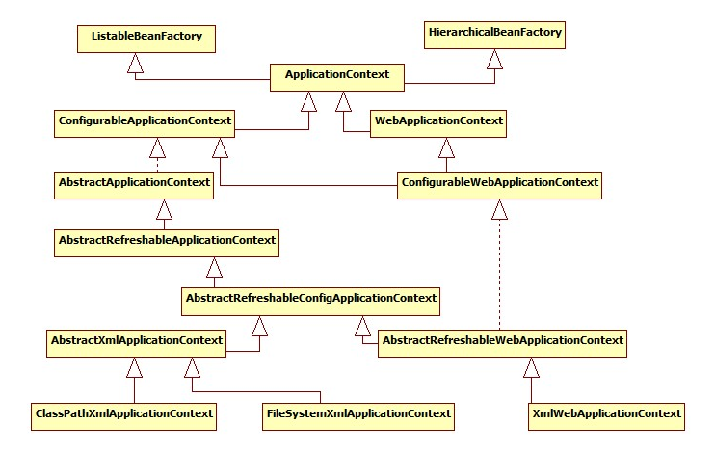
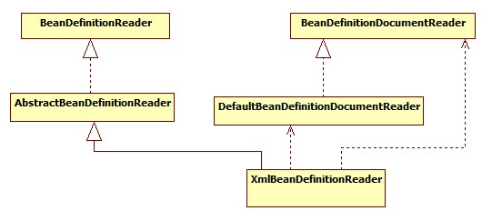
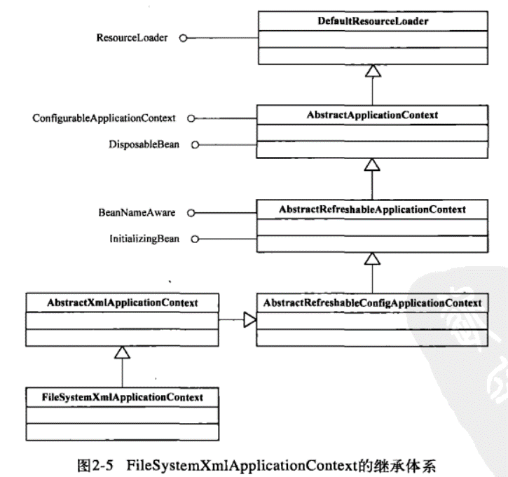
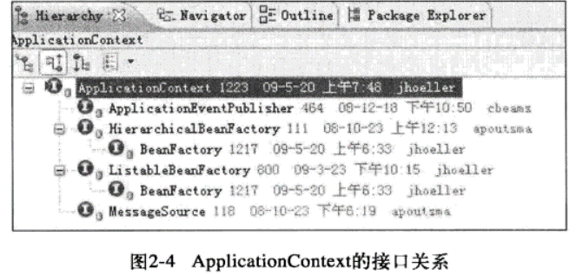
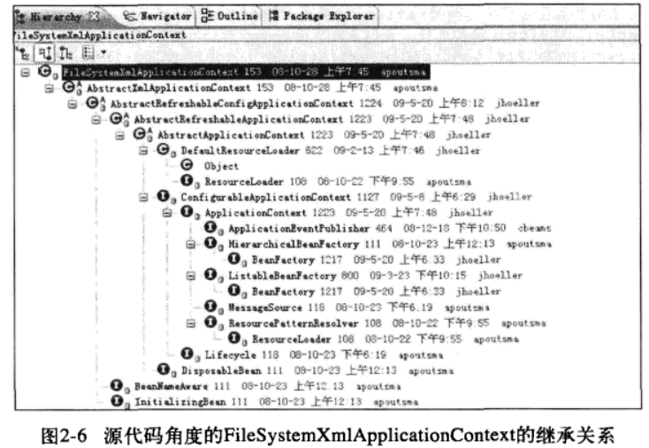
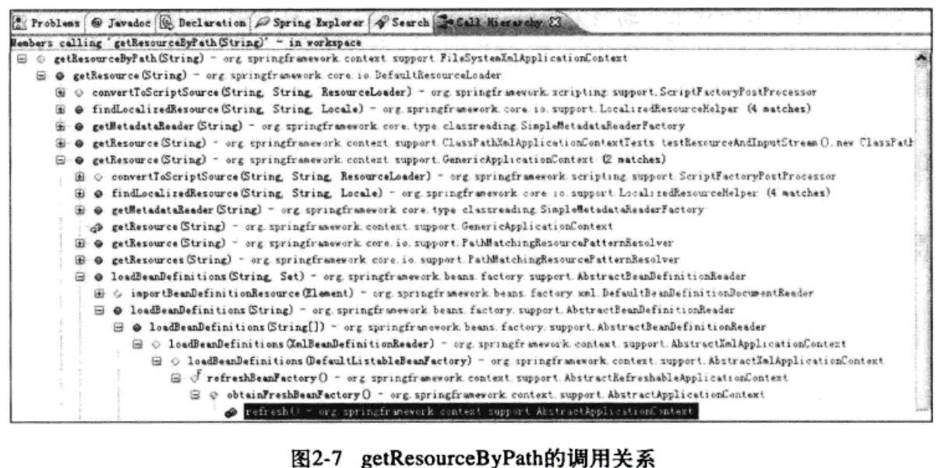
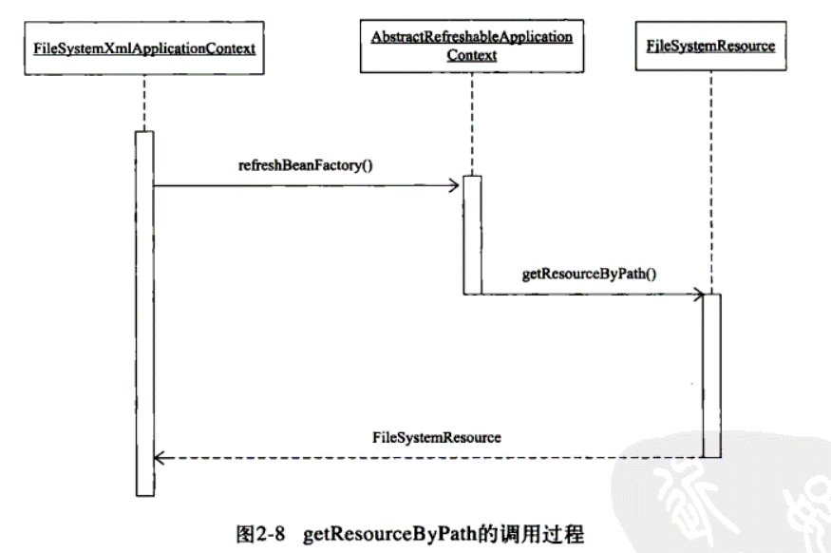
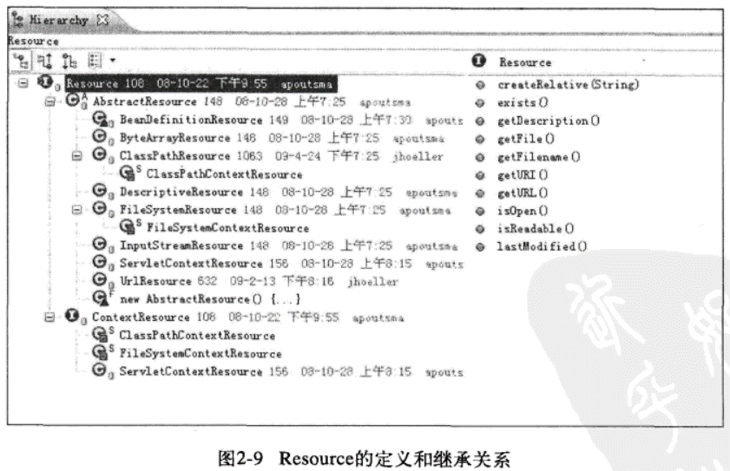
BeanFactory
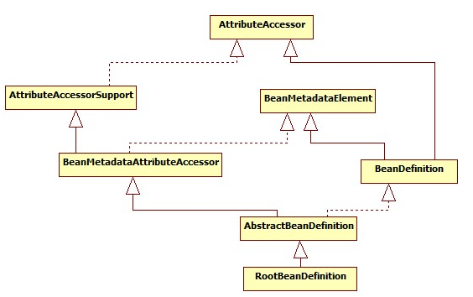

ListableBeanFactory
HierarchicalBeanFactory
AutowireCapableBeanFactory

StaticListableBeanFactory
ConfigurableBeanFactory

ConfigurableListableBeanFactory
AbstractBeanFactory

AbstractAutowireCapableBeanFactory

DefaultListableBeanFactory

BeanRegistry
SingletonBeanRegistry

other
SmartInitializingSingleton

DisposableBean
InitializingBean
InjectionPoint

ObjectFactory<T>
BeanFactoryUtils

NamedBean
ObjectProvider<T>

FactoryBean
FactoryBean<T>

SmartFactoryBean<T>

Aware
Aware

BeanFactoryAware
BeanClassLoaderAware
BeanFactoryAware
BeanNameAware

MVC
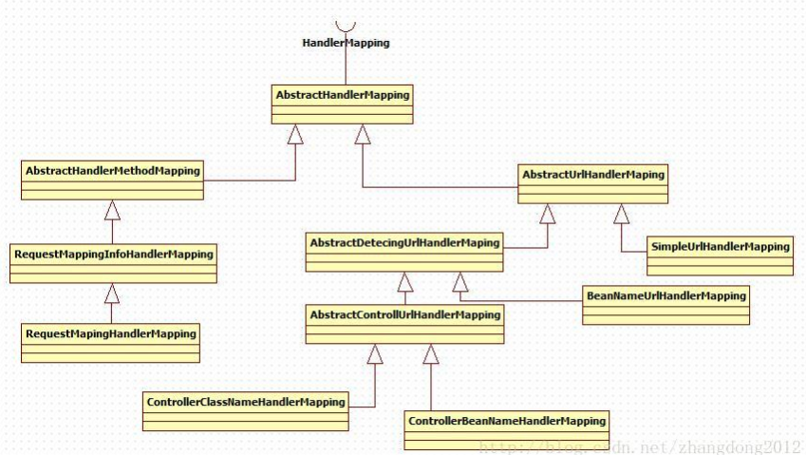
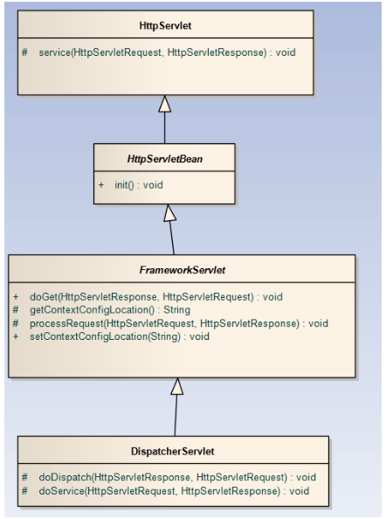

RequestAttributes

AbstractRequestAttributes

ServletRequestAttributes

