UML
BeanFactory

AliasRegistry

SimpleJndiBeanFactory
ListableBeanFactory
HierarchicalBeanFactory
AutowireCapableBeanFactory
SimpleAliasRegistry

SingletonBeanRegistry

DefaultSingletonBeanRegistry

ConfigurableBeanFactory
FactoryBeanRegistrySupport

AbstractBeanFactory
ConfigurableListableBeanFactory

AbstractAutowireCapableBeanFactory
MessageSource
ApplicationContext

ApplicationEventPublisher

ResourcePatternResolver
EnvironmentCapable

WebApplicationContext
Lifecycle
ConfigurableApplicationContext
ResourceLoader

ConfigurableWebApplicationContext

DisposableBean

DefaultResourceLoader

Aware

BeanNameAware
AbstractApplicationContext

InitializingBean
AbstractRefreshableApplicationContext

AbstractRefreshableConfigApplicationContext

AbstractXmlApplicationContext

FileSystemXmlApplicationContext
ClassPathXmlApplicationContext

IOC
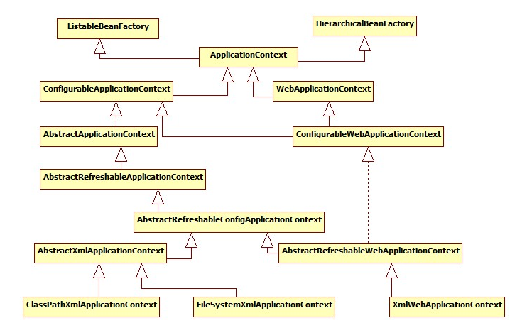
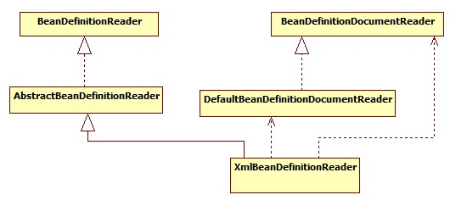
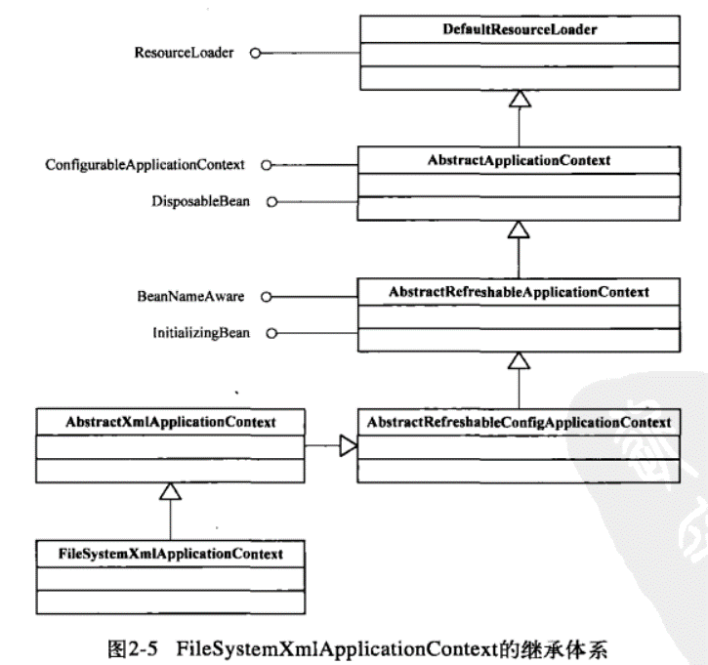
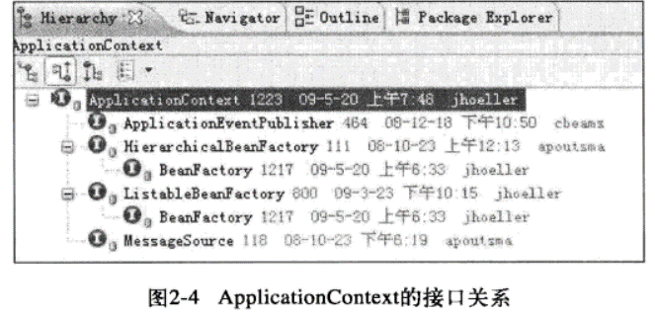
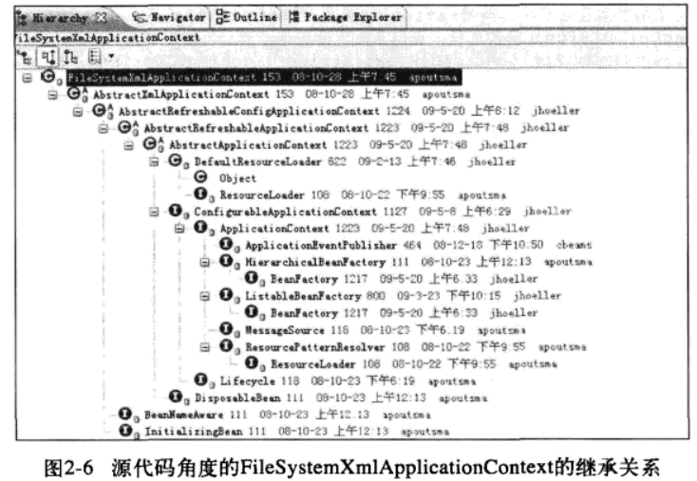
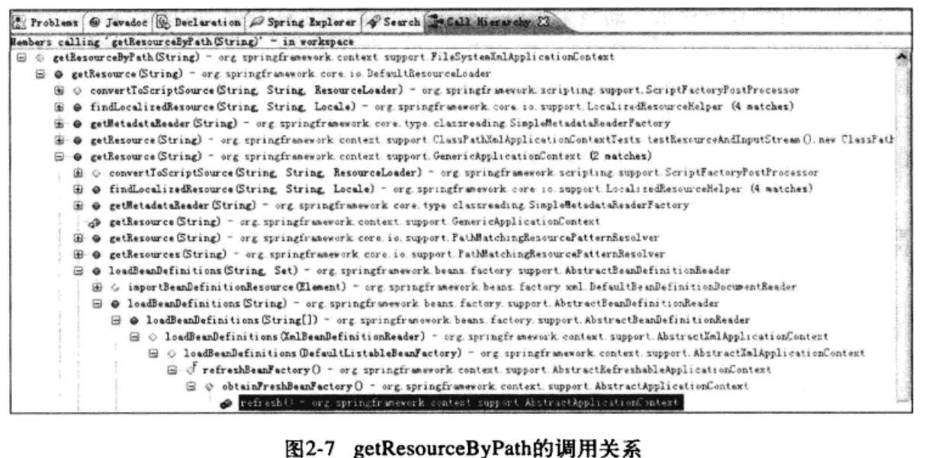
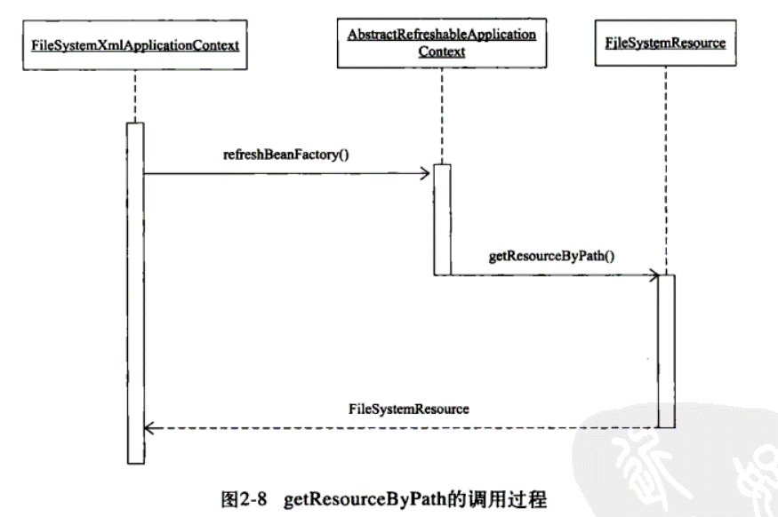
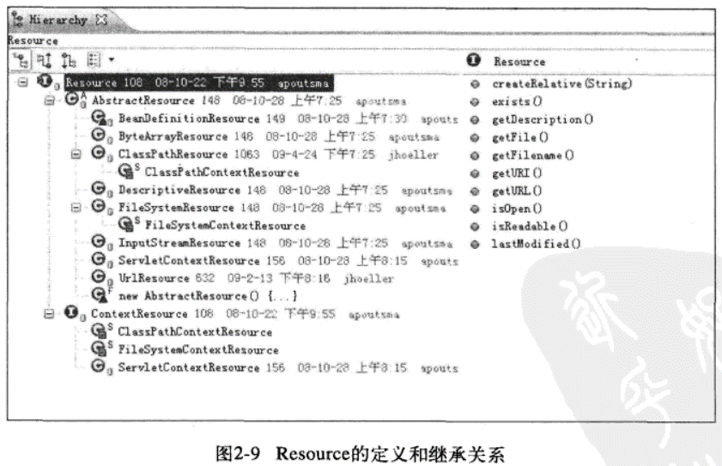
BeanFactory
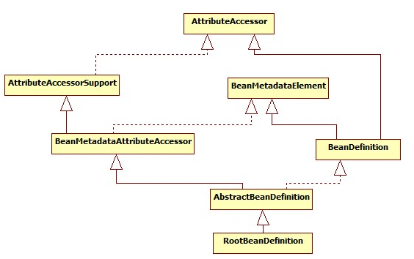

ListableBeanFactory
HierarchicalBeanFactory
AutowireCapableBeanFactory

StaticListableBeanFactory
ConfigurableBeanFactory

ConfigurableListableBeanFactory
AbstractBeanFactory

AbstractAutowireCapableBeanFactory

DefaultListableBeanFactory

BeanRegistry
SingletonBeanRegistry

other
SmartInitializingSingleton

DisposableBean
InitializingBean
InjectionPoint

ObjectFactory<T>
BeanFactoryUtils

NamedBean
ObjectProvider<T>

FactoryBean
FactoryBean<T>

SmartFactoryBean<T>

Aware
Aware

BeanFactoryAware
BeanClassLoaderAware
BeanFactoryAware
BeanNameAware

MVC
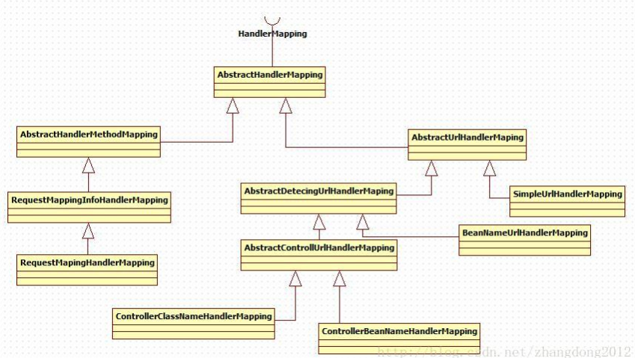
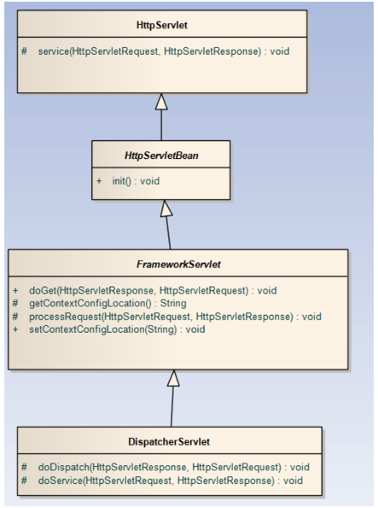

RequestAttributes

AbstractRequestAttributes

ServletRequestAttributes

