IOC
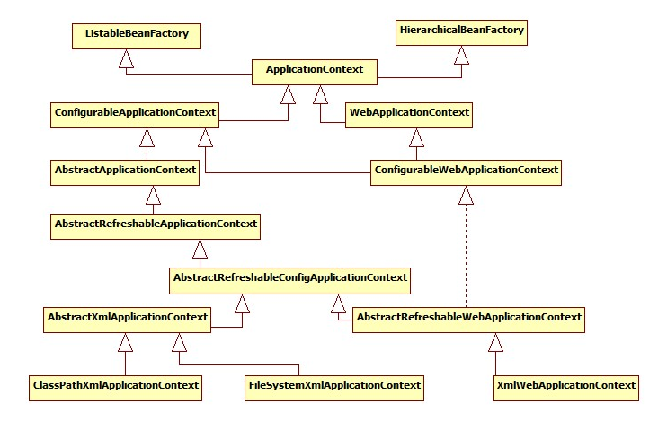
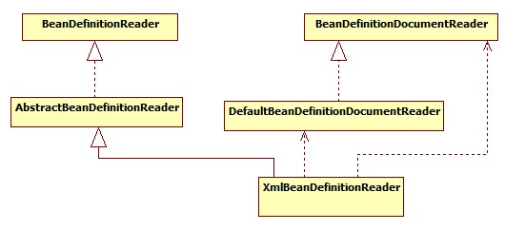
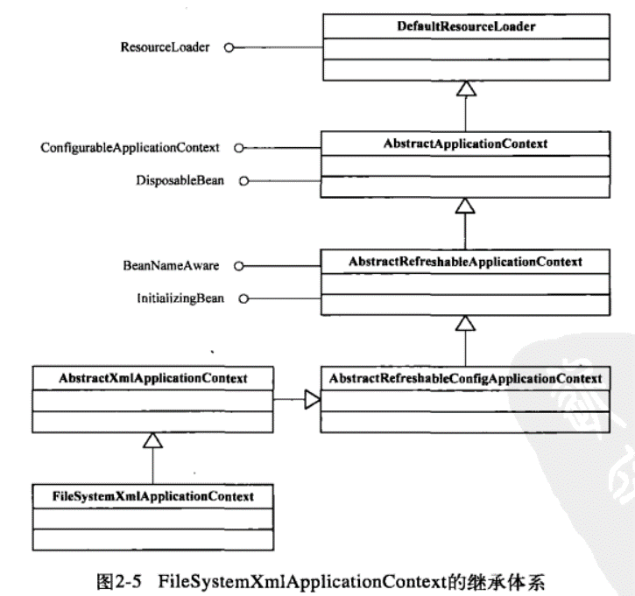
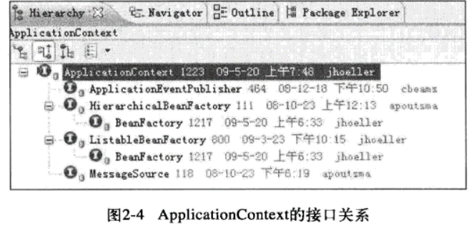
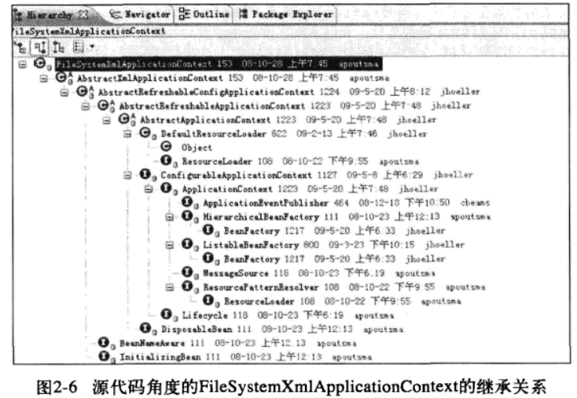
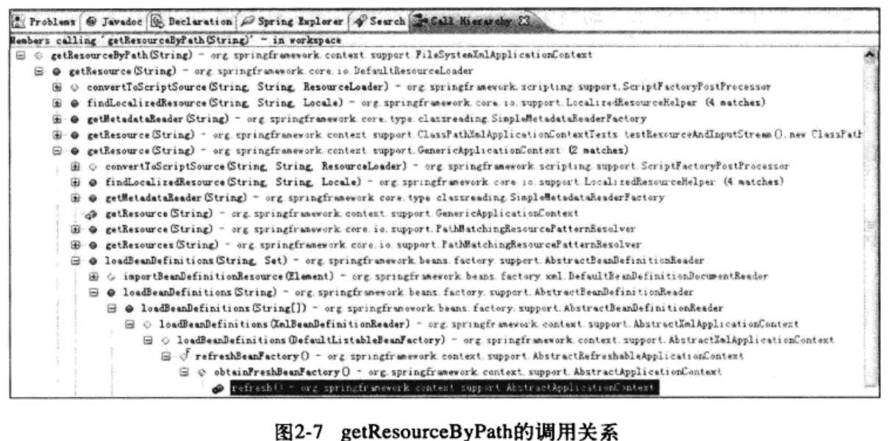
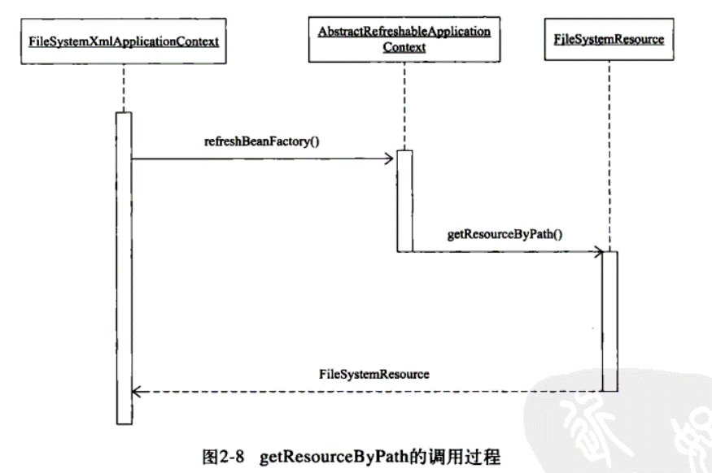
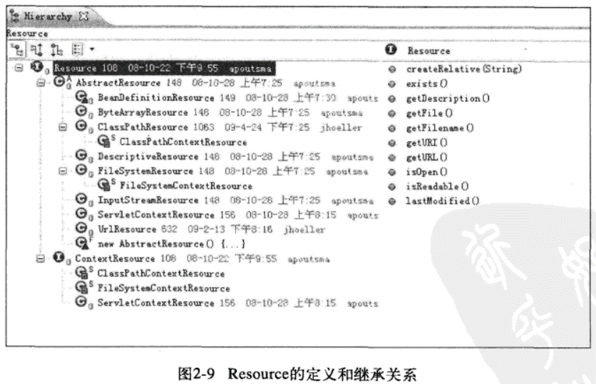
BeanFactory
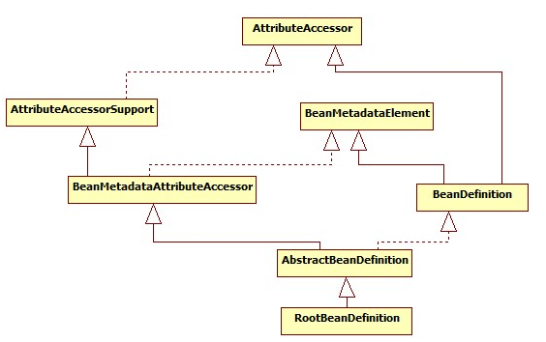

ListableBeanFactory
HierarchicalBeanFactory
AutowireCapableBeanFactory

StaticListableBeanFactory
ConfigurableBeanFactory

ConfigurableListableBeanFactory
AbstractBeanFactory

AbstractAutowireCapableBeanFactory

DefaultListableBeanFactory

BeanRegistry
SingletonBeanRegistry

other
SmartInitializingSingleton

DisposableBean
InitializingBean
InjectionPoint

ObjectFactory<T>
BeanFactoryUtils

NamedBean
ObjectProvider<T>

FactoryBean
FactoryBean<T>

SmartFactoryBean<T>

Aware
Aware

BeanFactoryAware
BeanClassLoaderAware
BeanFactoryAware
BeanNameAware

MVC
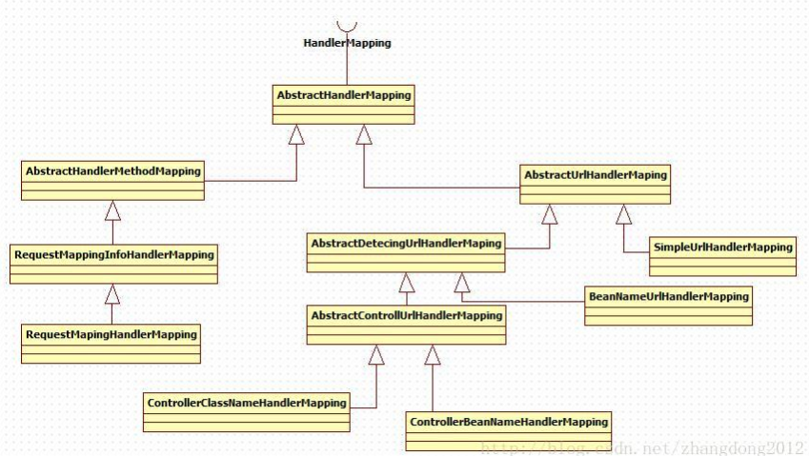
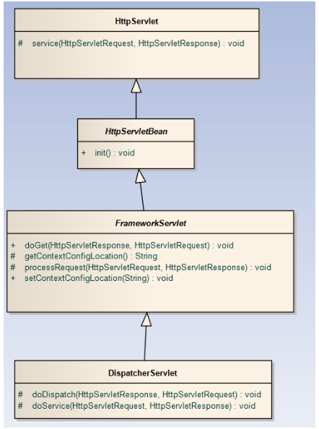

RequestAttributes

AbstractRequestAttributes

ServletRequestAttributes

